Overview
Time Period | 2022-08-31 | First Month of Your Budget | 2022-08-31

Planned Expenditure
Long Term Financial Goals | -
Short Term Financial Goals | -
Debt Repayment | -
Fixed Costs | -
Flexible Spending | -
Actual Expenditure
Long Term Financial Goals | -
Short Term Financial Goals | -
Debt Repayment | -
Fixed Costs | -
Flexible Spending | -

Total Expenditure
 | Total Expenditure | Total Expenditure
2022-08-31 | - | -
2022-09-30 | - | -
2022-10-31 | - | -
2022-11-30 | - | -
2022-12-31 | - | -
2023-01-31 | - | -
2023-02-28 | - | -
2023-03-31 | - | -
2023-04-30 | - | -
2023-05-31 | - | -
2023-06-30 | - | -
2023-07-31 | - | -

Total Savings and Investments
 | Total Savings and Investments | Total Savings and Investments
2022-08-31 | - | -
2022-09-30 | - | -
2022-10-31 | - | -
2022-11-30 | - | -
2022-12-31 | - | -
2023-01-31 | - | -
2023-02-28 | - | -
2023-03-31 | - | -
2023-04-30 | - | -
2023-05-31 | - | -
2023-06-30 | - | -
2023-07-31 | - | -

Instructions
General Instructions

Select the month you want to view in the pie graph by hovering over the month and using the drop-down arrow

Select the month you want your budget to start on by hovering over the month and using the drop-down arrow

You don't need to change this value again

Fill in your budgeted amounts or 'plan' for all the months of the upcoming year

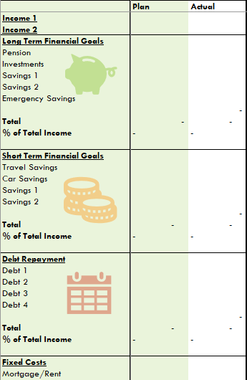

 | Simply select each cell and type in the expected amount Click and drag to select groups of cells in each category ctrl+c to copy them and then ctrl+v to paste the same values into a different month Be careful not to touch the Year column or the 'Total' and '% Total' rows

To fill in your 'actual' amounts for each month simply select each cell and use the formula bar at the top of the page to add up all your transactions

Don't forget to put an equal sign (=) first

The chart, graphs and calculations are all done for you so you can just focus on getting to know your money

For more advanced functionality, you can change the names of each item under the categories and you can also add items of your own!

