Overview
Time Period | 2022-08-31 | First Month of Your Budget | 2022-08-31

Planned Expenditure
Long Term Financial Goals | -
Short Term Financial Goals | -
Debt Repayment | -
Fixed Costs | -
Flexible Spending | -
Actual Expenditure
Long Term Financial Goals | -
Short Term Financial Goals | -
Debt Repayment | -
Fixed Costs | -
Flexible Spending | -

Total Expenditure
 | Total Expenditure | Total Expenditure
2022-08-31 | - | -
2022-09-30 | - | -
2022-10-31 | - | -
2022-11-30 | - | -
2022-12-31 | - | -
2023-01-31 | - | -
2023-02-28 | - | -
2023-03-31 | - | -
2023-04-30 | - | -
2023-05-31 | - | -
2023-06-30 | - | -
2023-07-31 | - | -

Total Savings and Investments
 | Total Savings and Investments | Total Savings and Investments
2022-08-31 | - | -
2022-09-30 | - | -
2022-10-31 | - | -
2022-11-30 | - | -
2022-12-31 | - | -
2023-01-31 | - | -
2023-02-28 | - | -
2023-03-31 | - | -
2023-04-30 | - | -
2023-05-31 | - | -
2023-06-30 | - | -
2023-07-31 | - | -

Net Worth
 | Net Worth
Aug-22 | 0
Sep-22 | 0
Oct-22 | 0
Nov-22 | 0
Dec-22 | 0
Jan-23 | 0
Feb-23 | 0
Mar-23 | 0
Apr-23 | 0
May-23 | 0
Jun-23 | 0
Jul-23 | 0

Instructions
Getting Started |  | Staying on Track

In 'Overview', select the month you want to view in the pie graph by hovering over the month and using the drop-down arrow |  | To track your regular spending, go to 'Tracker' and input the date, category, item, amount and optionally, the retailer for each spending item

In 'Overview', select the month you want your budget to start on by hovering over the month and using the drop-down arrow
Hover over the cell for the drop-down box

You don't need to change this value again

In 'Budget', fill in your budgeted amounts or 'plan' for all the months of the year

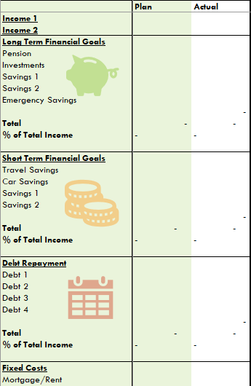

 | Simply select each cell and type in the expected amount Click and drag to select groups of cells in each category ctrl+c to copy them and then ctrl+v to paste the same values into a different month Be careful not to touch the Year column or the 'Total' and '% Total' rows

 |  | This automatically populates the 'Actual' columns of your budget for each month

 |  | To track your net worth, use the same process as above but select your category as 'Net Worth Tracker' and your item as one of your balances. Your amount should be the entire balance remaining of each item.

For more advanced functionality, you can change the names of each item under the categories in 'Budget' and 'Net Worth' and you can also add items of your own! |  | The chart, graphs and calculations are all done for you so you can just focus on getting to know your money

