Ocean
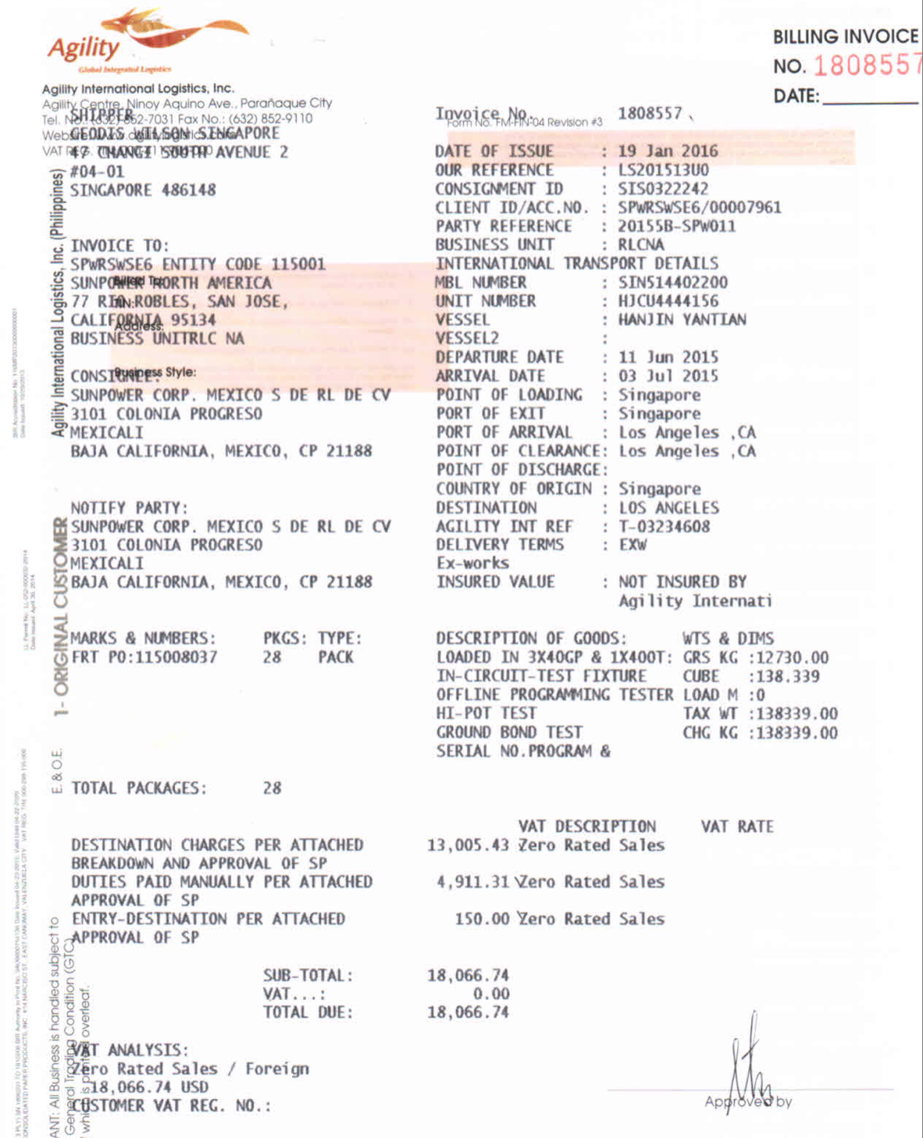
Missing control entities
- Does the Shipper address serve as Origin and the Consignee as Destination address
- No mode type provided - FCL or LCL. How do we distinguish which type of ocean shipment
- Can the Destination country be derived from an identifier
- Container has DG - do we have a HAZ flag
- Routing

AIR
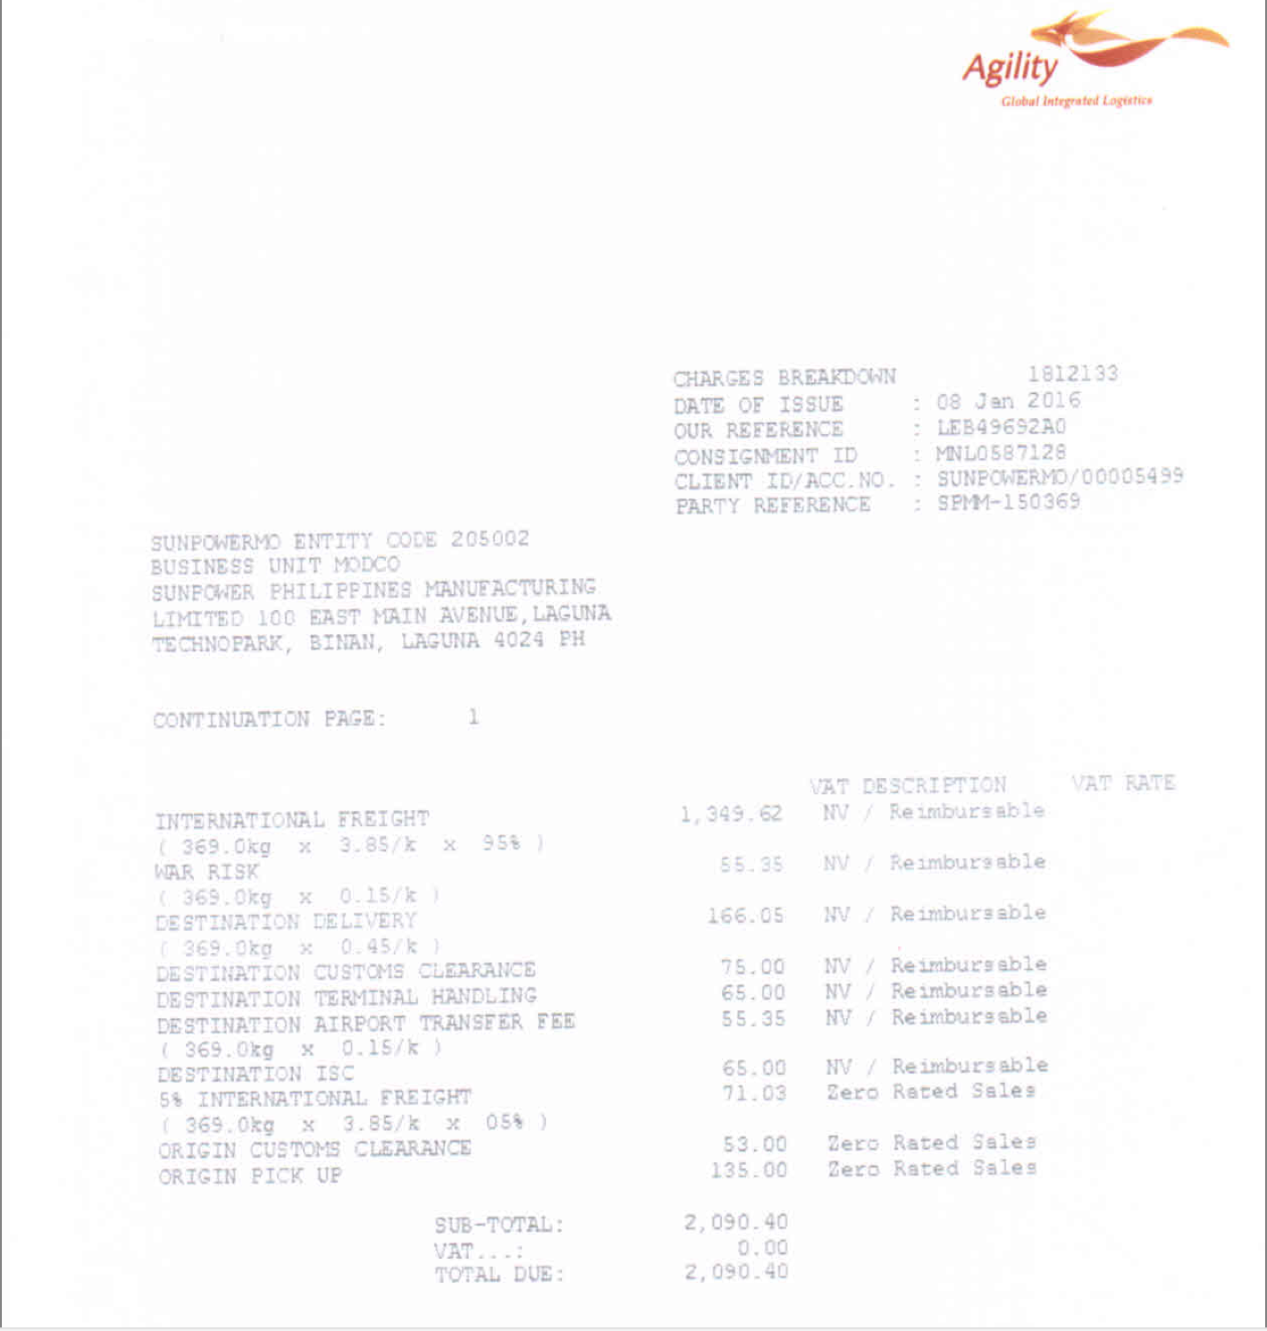
AGILITY
AIR
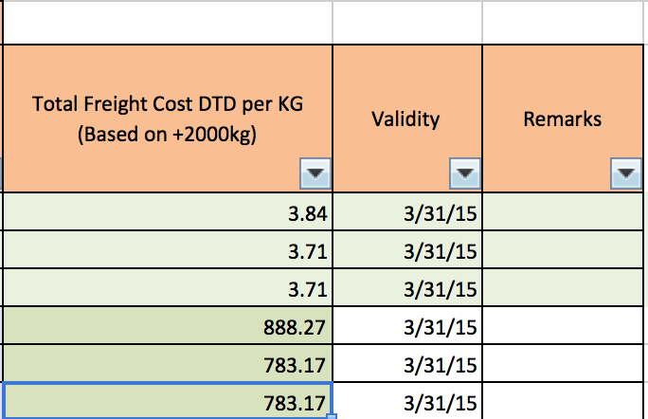

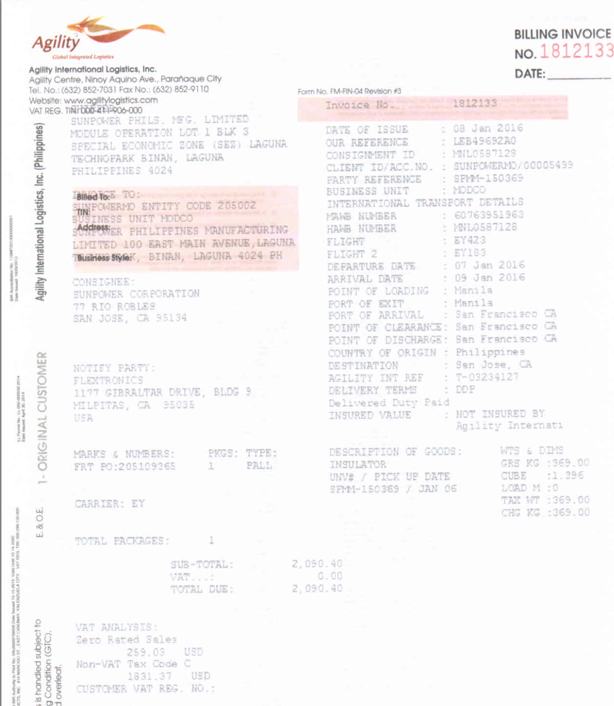

 | HAWB | Ship Date | Lane | Freight / Fuel | Invoiced per kg | Rate Card per kg | Delta in USD | Scenario | Comments
 | MNL0587128 | 2016-01-07 | Manila - San Francisco | Freight | $3.850 | Not Enough information | N/A |  | Rating entities used - Enity - Origin Country - Origin port - Destination Country - Destination port - Weight Break

 |  | Missing control entities
 |  | - Does the Shipper address serve as Origin and the Consignee as Destination address
 |  | - Terms not available
 |  | - Service Type not available on Invoice
 |  | - We see Routing on rate card, the HAWB shows it too. Will we see it in the rate card
 |  | - Equipment?
 |  | - Rate exchange , if any should be done as per the departure date
 |  | - Charge code and charge description list
 |  | - Is cut off part of the rating entity
 |  | - For rating what is precedence of which port field to address
 |  | - Party reference indicative of Entity
 |  | - We do not see Destination geo breakdown - Is there an identifier to define shipment Destination country

