Ocean
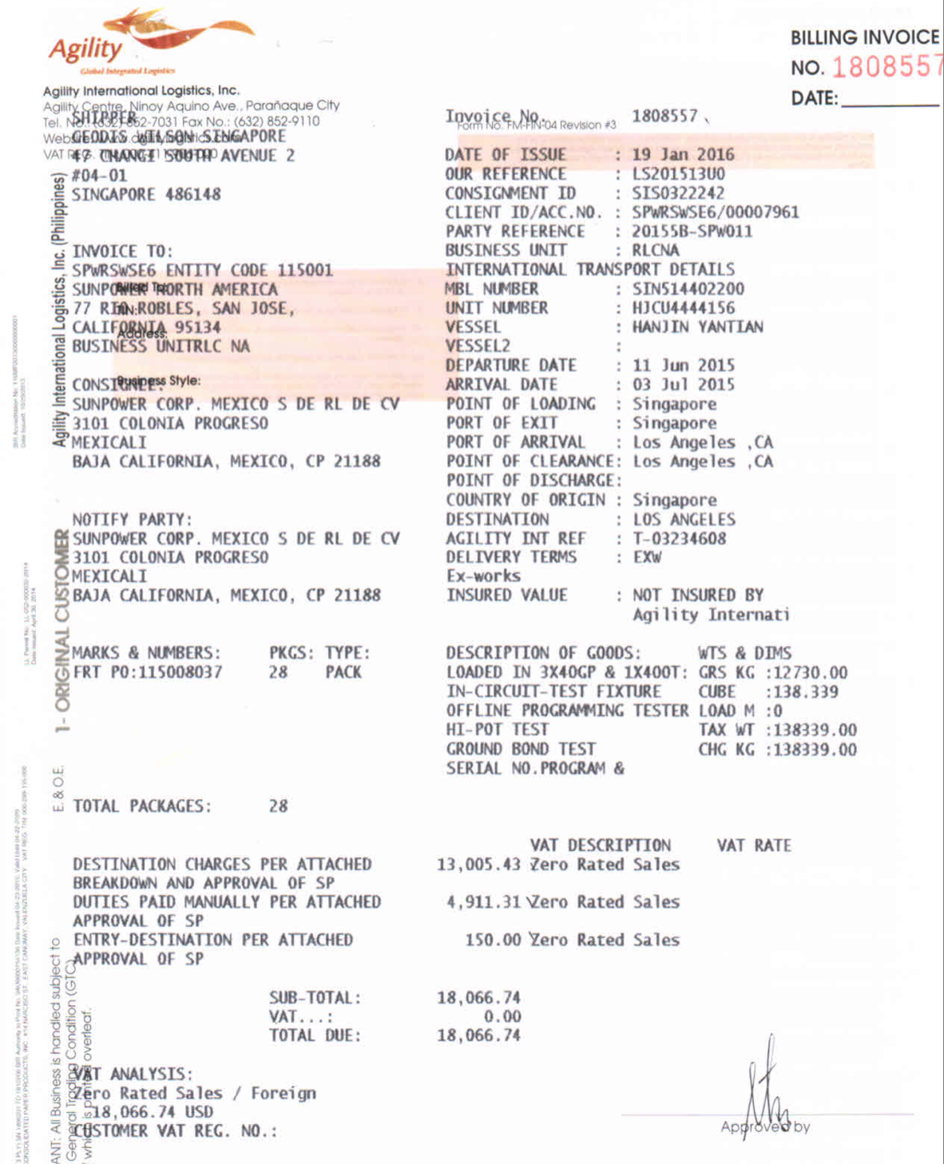
Missing control entities
- Does the Shipper address serve as Origin and the Consignee as Destination address | established
- No mode type provided - FCL or LCL. How do we distinguish which type of ocean shipment
- Can the Destination country be derived from an identifier
- Container has DG - do we have a HAZ flag reference on the invoice | will be provided on edi
- Routing: Rate card contains this but no reference in the transaction | capturing contract numbers, match it with the list from spwr: to indicate wihich carrier is it coming from

- Is there a pattern for the MBL and HAWB numbers

AIR
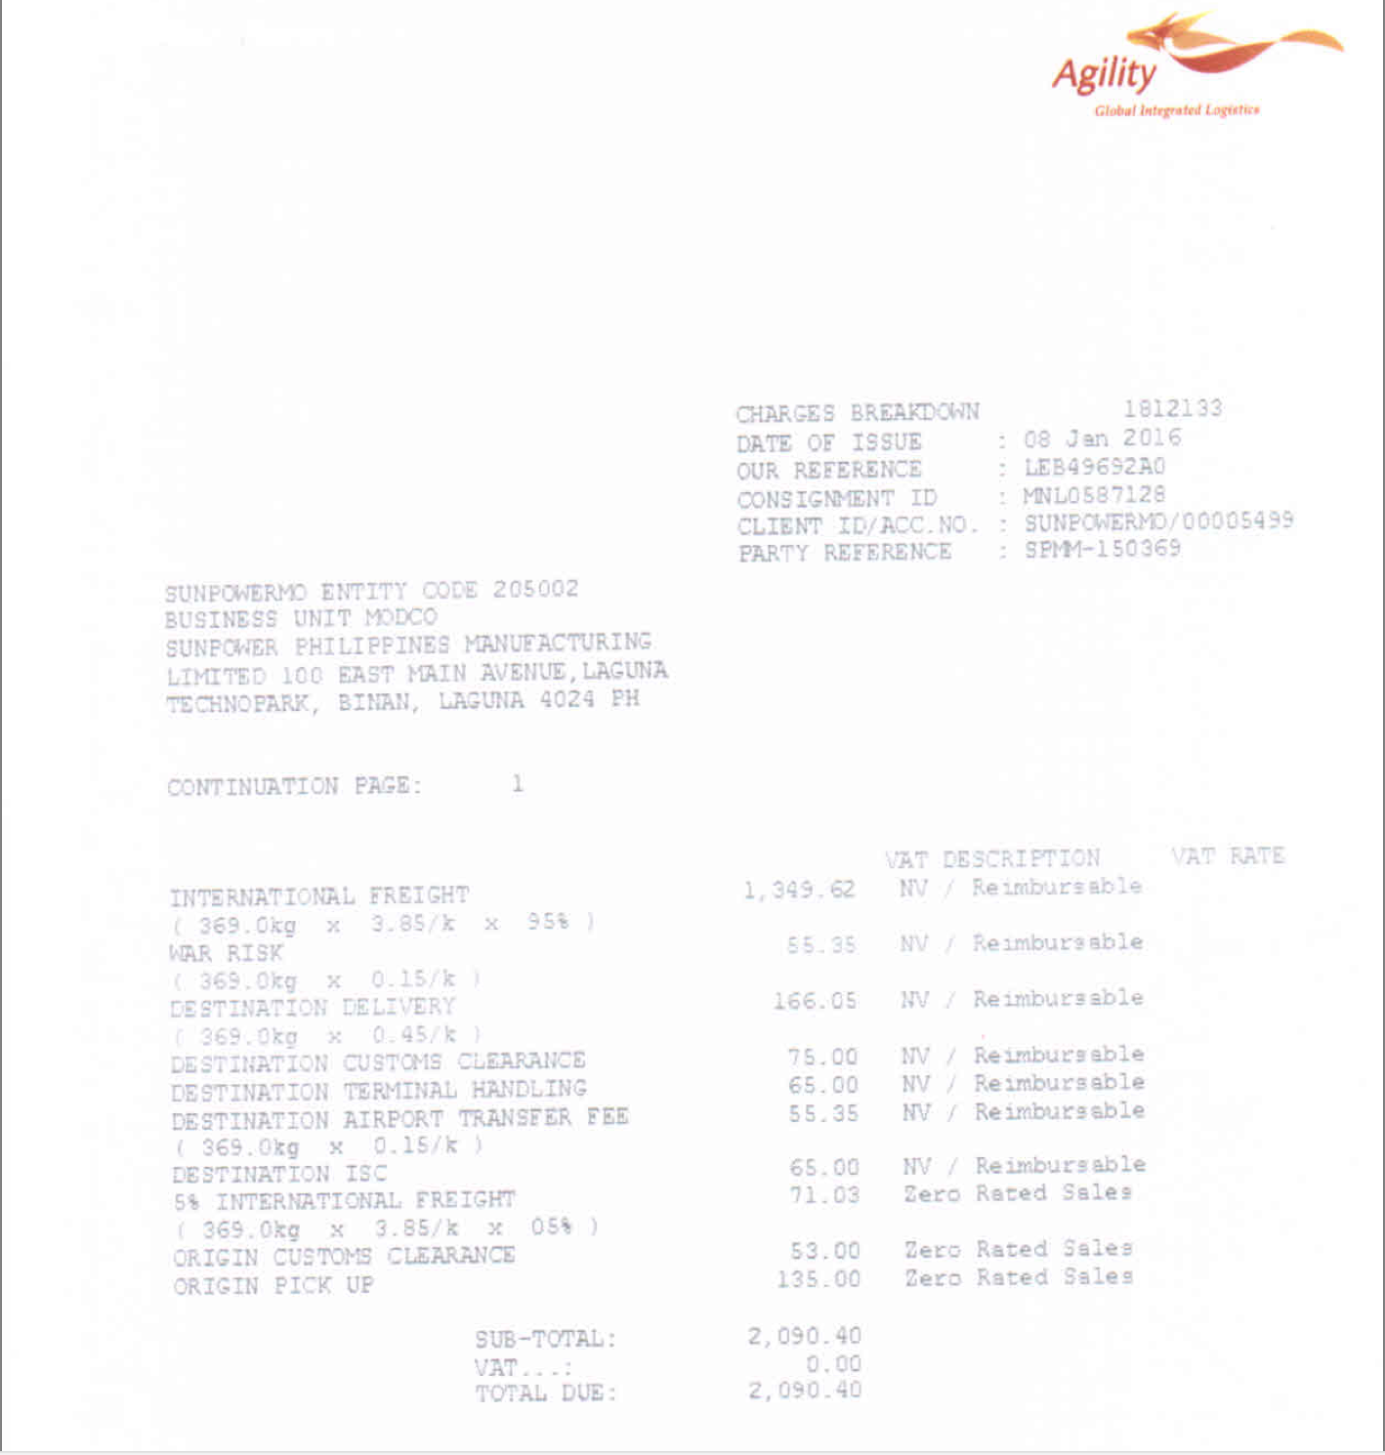
AGILITY
AIR
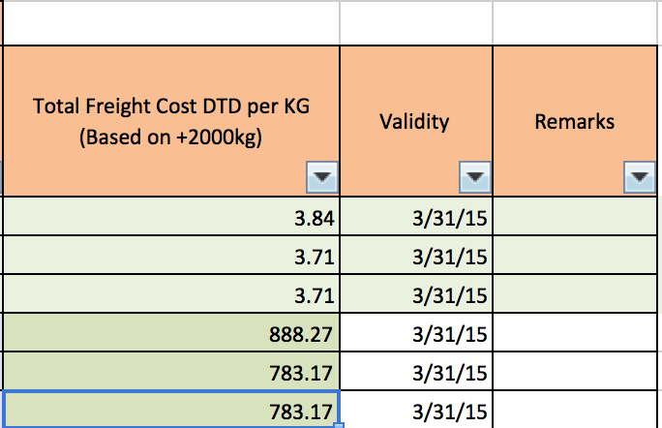

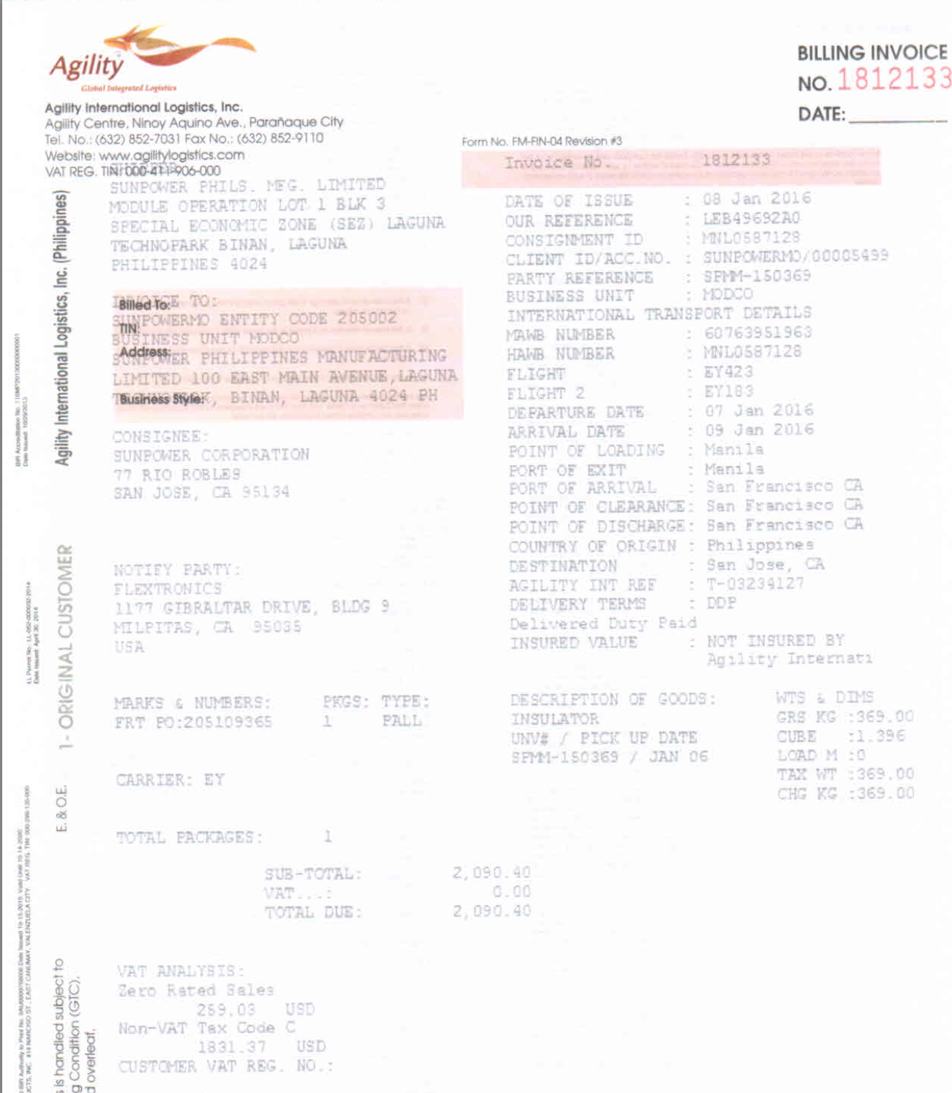

 | HAWB | Ship Date | Lane | Freight / Fuel | Invoiced per kg | Rate Card per kg | Delta in USD | Scenario | Comments
 | MNL0587128 | 2016-01-07 | Manila - San Francisco | Freight | $3.850 | Not Enough information | N/A |  | Rating entities used - Enity - Origin Country - Origin port - Destination Country - Destination port - Weight Break

 |  | Missing control entities
 |  | - Does the Shipper address serve as Origin and the Consignee as Destination address
 |  | - We do not see Destination geo breakdown. Is there an identifier to define shipment Destination country
 |  | - Terms not available on transaction (DTD, ATA) |  |  |  |  |  | Match on incoterms(sunpower). Mapping logic required betw SP and AG
 |  | - Service Type not available on Invoice (Standard, EXP) |  |  |  |  |  | Mapping logic required from AG
 |  | - We see Routing on rate card, the HAWB shows it too. Will we see it in the rate card |  |  |  |  |  | discard
 |  | - Equipment? |  |  |  |  |  | discard
 |  | - Rate exchange , if any should be done as per the departure date |  |  |  |  |  | Bounce off Departure date(EUR,AUD,JPY)
 |  | - Charge code and charge description list |  |  |  |  |  | Nice to have
 |  | - Is cut off part of the rating entity |  |  |  |  |  | discard
 |  | - PORT details: Nice to have the same details on the various Ports
 |  | - Is Party reference indicative of Entity ( as seen on rate card) |  |  |  |  |  | same as shipper reference
 |  | - Can Supplier name be drived |  |  |  |  |  | Destination - MODCO followed by destination

 |  | Nature of Good/Commodity |  |  |  |  |  | match with Oracle feed on their DN number(packing list number)
 |  |  |  |  |  |  |  | Will be on the DN segment in EDI

 |  | Side Notes
 |  | Receiving XML files from AG directly to files@traxtech.com with data on other forwaders shipping spwr data
 |  | Receiving excel sheet from agility with commodity and shipments details
 |  | Ask julio for billing matrix sent form claire
 |  | Tax registration on the EDI feed - verify
 |  | 3 sets of invoices for every shipment(look at the billin matrix ( maybe only for DTD))

