S6.7.1
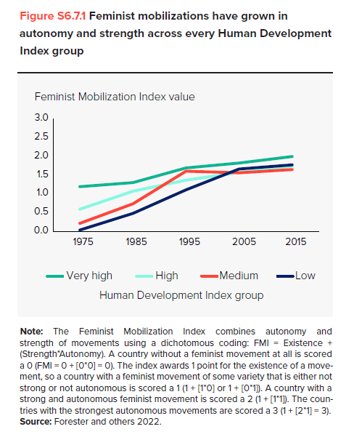
Figure S6.7.1 Feminist mobilizations have grown in autonomy and strength across every Human Development Index group

Feminist Mobilization index value across HDI groups
 | 1975 | 1985 | 1995 | 2005 | 2015
Very high Human Development Index | 1.2 | 1.3 | 1.7 | 1.8 | 2.0
High Human Development Index | 0.5 | 0.9 | 1.3 | 1.5 | 1.7
Medium Human Development Index | 0.2 | 0.8 | 1.6 | 1.6 | 1.7
Low Human Development Index | 0.1 | 0.5 | 1.2 | 1.7 | 1.8

Source: Weldon, L., Forester, S., Kaitlin, K.-T., and Amber, L. 2022. “New Dimensions of Global Feminist Influence: Tracking Feminist Mobilization Worldwide 1945–2015.” http://www.sfu.ca/politics/feministmovement/data-maps.html
Note: The Feminist Mobilization Index combines autonomy and strength of movements using a use a dichotomous coding to capture it. The strength and autonomy score will be zero wherever the movement is either not strong or not autonomous, but the overall FMI score will never be zero as long as there is feminist mobilization of some variety. Our index awards one point for the existence of a movement. A strong and autonomous movement is scored a two (FMI = 1 + (1*1) = 2). The strongest autonomous movements will have a score of three (FMI = 1 + (2*1) = 3). Similarly, a country without a feminist movement at all would score zero (FMI = 0 + (0*0) = 0).

S6.7.2
Figure S 6.7.2 Countries with less feminist movements have higher biases against gender equality and women's empowerment
Source: Weldon, L., Forester, S., Kaitlin, K.-T., and Amber, L. 2022. “New Dimensions of Global Feminist Influence: Tracking Feminist Mobilization Worldwide 1945–2015.”; UNDP (United Nations Development), 2020 Programme) 2020.
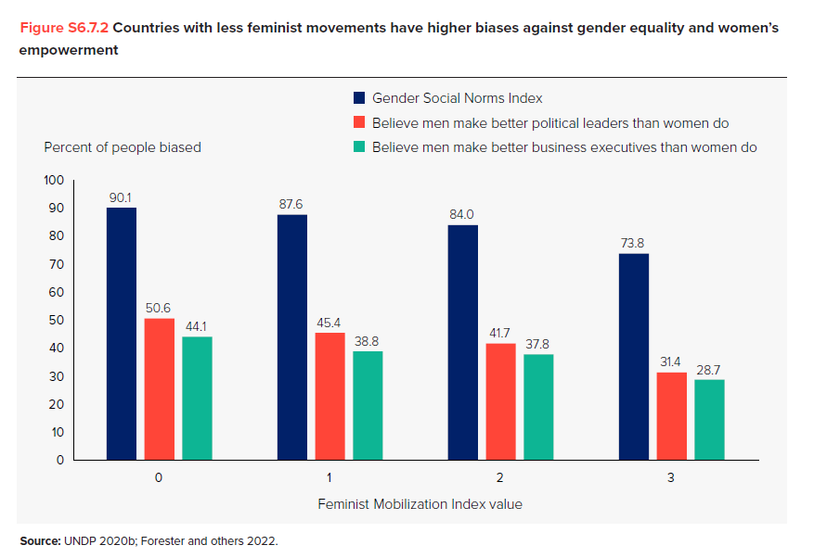
Percent of people biased against gender equality, per level of feminist movilization index value
Feminist Mobilization Index Value | Gender Social Norms Index (GSNI) | Believe men make better political leaders than women do | Believe men make better business executives than women do
0 | 90.1 | 50.6 | 44.1
1 | 87.6 | 45.4 | 38.8
2 | 84.0 | 41.7 | 37.8
3 | 73.8 | 31.4 | 28.7

B6.7.1
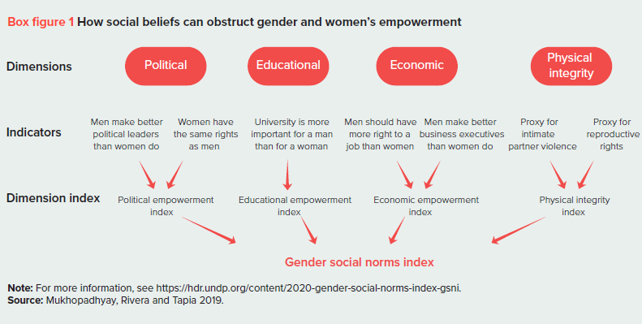
B6.7.1 How social beliefs can obstruct gender and women's empowerment
Source: Mukhopadhyay, T., Rivera-Vazquez, C., and Tapia, H. 2019. “Gender Inequality and Multidimensional Social Norms.” Working Paper, UNDP–HDRO, New York. For more information see: https://hdr.undp.org/content/2020-gender-social-norms-index-gsni.
No associated data

S6.7.3
Figure S6.7.3 Only 10.3 percent of people worldwide have no gender social norm biases, including 11.5 percent of women and 8.9 percent of men
Source: HDRO based on data from the World Values Survey, accessed April 2022.

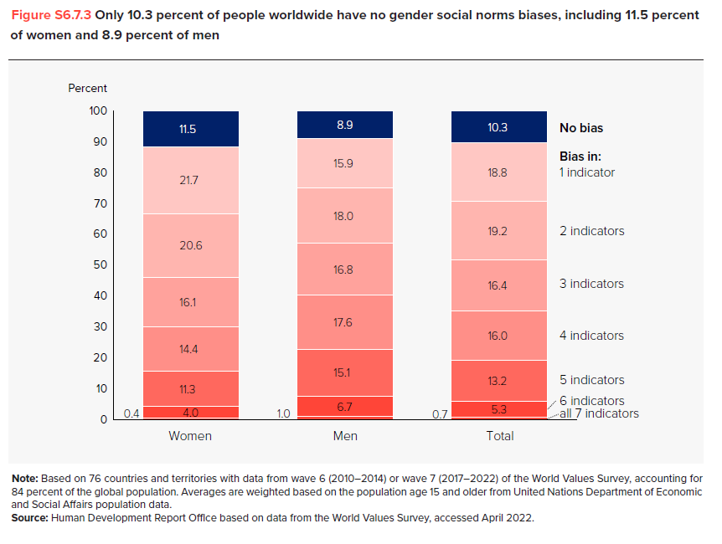
Percentage of population displaying gender social norms biases
 | Women | Men | Total
No bias | 11.5 | 8.9 | 10.3
Bias in: 1 indicator | 21.7 | 15.9 | 18.8
2 indicators | 20.6 | 18.0 | 19.2
3 indicators | 16.1 | 16.8 | 16.4
4 indicators | 14.4 | 17.6 | 16.0
5 indicators | 11.3 | 15.1 | 13.2
6 indicators | 4.0 | 6.7 | 5.3
all 7 indicators | 0.4 | 1.0 | 0.7

S6.7.4
Figure S6.7.4 Most countries saw progress on bias against gender equality and women’s empowerment between 2010–2014 and 2017–2022—but several countries saw reversals

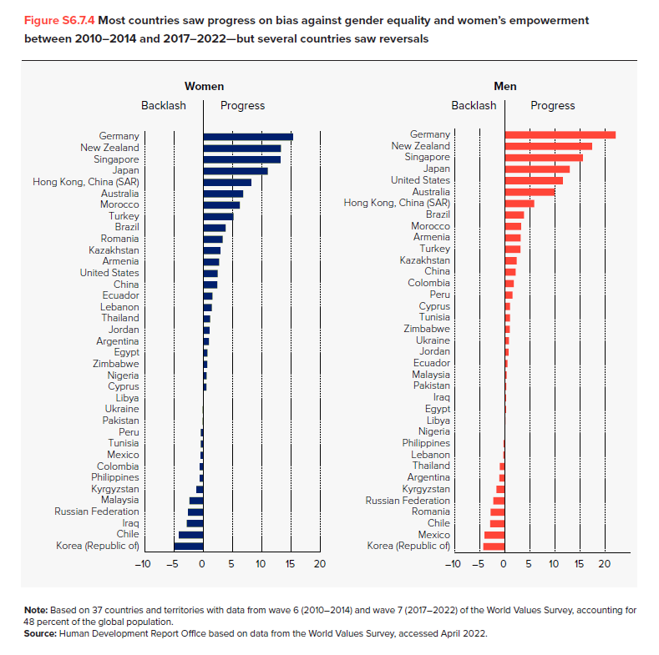
Country | Women Change | Men Change
Korea (Republic of) | -4.93 | -4.40
Chile | -4.21 | -4.15
Iraq | -2.87 | -2.99
Russian Federation | -2.65 | -2.88
Malaysia | -2.38 | -2.35
Kyrgyzstan | -1.24 | -1.76
Philippines | -0.67 | -1.13
Colombia | -0.64 | -1.09
Mexico | -0.50 | -0.38
Tunisia | -0.47 | -0.33
Peru | -0.46 | -0.11
Pakistan | -0.14 | 0.07
Ukraine | -0.13 | 0.16
Libya | -0.06 | 0.17
Cyprus | 0.51 | 0.19
Nigeria | 0.53 | 0.31
Zimbabwe | 0.64 | 0.45
Egypt | 0.69 | 0.65
Argentina | 0.94 | 0.73
Jordan | 1.01 | 0.92
Thailand | 1.14 | 0.96
Lebanon | 1.44 | 0.98
Ecuador | 1.52 | 1.48
China | 2.33 | 1.73
United States | 2.43 | 2.08
Armenia | 2.66 | 2.32
Kazakhstan | 2.89 | 3.05
Romania | 3.25 | 3.09
Brazil | 3.79 | 3.16
Turkey | 5.14 | 3.77
Morocco | 6.19 | 5.83
Australia | 6.78 | 9.86
Hong Kong, China (SAR) | 8.16 | 11.51
Japan | 10.97 | 12.91
Singapore | 13.19 | 15.57
New Zealand | 13.25 | 17.40
Germany | 15.33 | 22.09

Note: Based on 37 countries and territories with data from wave 6 (2010-2014) and wave 7 (2017-2022) of the World Values Survey accounting for 48% of the global population. Source: Human Development Report Office based on data from the World Values Survey, accessed April 2022.

