Question-6
Q6. | Use Copilot to generate a summary chart of average profit by region.

Prompt - | Could you generate a summary chart of average profit by region basis of the dataset

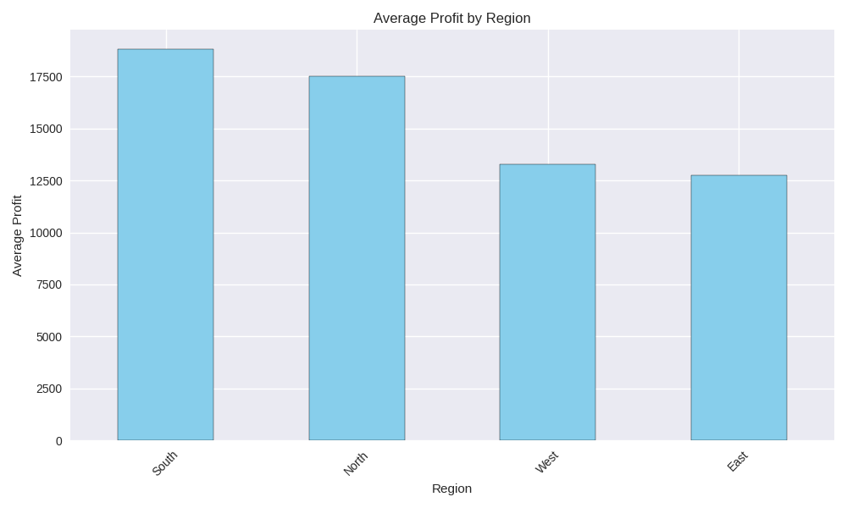

 | I’ve generated a summary chart of Average Profit by Region based on your dataset 📊

 | ✅ What Was Done

 | 1. Handled missing values

 | Filled missing values in Units Sold, Unit Price, and Unit Cost using their mean values.

 | 2. Calculated Profit

 | Profit=(Unit Price−Unit Cost)×Units Sold\textbf{Profit} = (\textbf{Unit Price} - \textbf{Unit Cost}) \times \textbf{Units Sold}Profit=(Unit Price−Unit Cost)×Units Sold

 | 3. Grouped by Region

 | Calculated the average profit for each region.

 | 4. Visualized the results

 | Created a bar chart showing average profit by region.

 | 📈 Interpretation of the Chart

 | South region has the highest average profit, indicating stronger profitability.

 | North region follows with comparatively high profits.

 | West and East regions show lower average profits, with East being the lowest among all.

 | 📝 Insight

 | The summary chart shows that the South region generates the highest average profit, while the East region records the lowest. This suggests that regional performance varies significantly and could be influenced by pricing, costs, or sales volume differences.

Question-8
Q8. | Build a dashboard combining key KPIs and charts.
Prompt- | Could you Build a dashboard combining key KPIs and charts
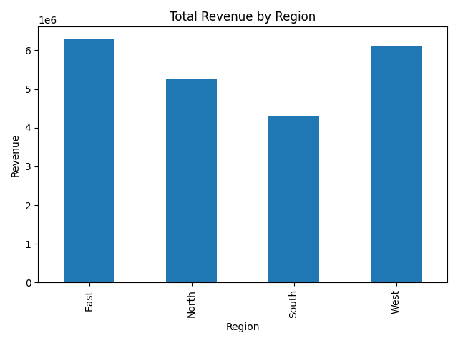
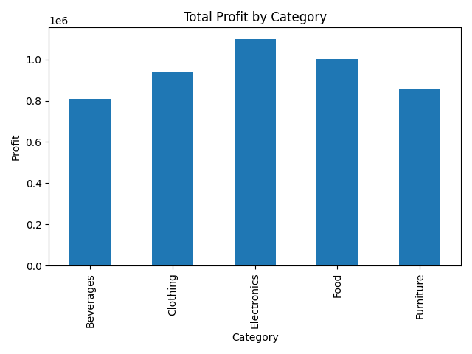

 |  | 📊 Dashboard Overview

 |  | 🔑 Key Performance Indicators (KPIs)

 |  | KPI | Value
 |  | Total Revenue | 22,459,470
 |  | Total Profit | 5,069,216
 |  | Average Unit Price | 249.65
 |  | Total Units Sold | 89,566

 |  | Explanation:

 |  | Total Revenue represents overall sales value.

 |  | Total Profit shows net earnings after cost.

 |  | Average Unit Price reflects pricing strategy.

 |  | Total Units Sold indicates sales volume.

 |  | 📈 Charts Included in the Dashboard

 |  | 1️⃣ Total Revenue by Region

 |  | Shows how revenue is distributed across East, North, South, and West regions.

 |  | East and West regions generate the highest revenue.

 |  | South region contributes comparatively lower revenue.

 |  | 2️⃣ Total Profit by Category

 |  | Displays profitability across product categories.

 |  | Electronics is the most profitable category.

 |  | Beverages has the lowest total profit.

 |  | 📝 Dashboard Summary

 |  | The dashboard provides a consolidated view of business performance by combining KPIs and visual analytics. It highlights strong revenue performance in the East and West regions and identifies Electronics as the most profitable category. Such insights support strategic decision-making related to regional focus and product prioritization.

 |  | ✅ What This Dashboard Includes

 |  | ✔ KPI summary table

 |  | ✔ Revenue analysis by region

 |  | ✔ Profit analysis by category

 |  | ✔ Cleaned and processed data

