refrigerator
 | refrigerator
0 | 0
5 | 0
5 | 100
15 | 100
15 | 0
20 | 0
20 | 100
30 | 100
30 | 0
35 | 0
35 | 100
45 | 100
45 | 0
50 | 0
50 | 100
60 | 100
60 | 0
65 | 0
65 | 100
75 | 100
75 | 0
80 | 0
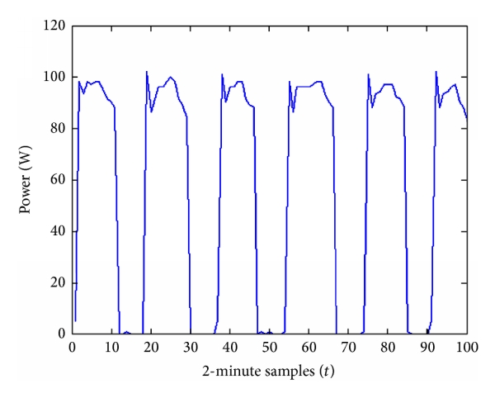
refrigerator | time | power | start_hour | start |  | Source
1 | 0 | 0 |  |  |  | https://www.researchgate.net/figure/A-refrigerator-power-consumption-trace_fig4_272687359
2 | 5 | 0
3 | 5 | 100
4 | 15 | 100
5 | 15 | 0
6 | 20 | 0
7 | 20 | 100
8 | 30 | 100
9 | 30 | 0
10 | 35 | 0
11 | 35 | 100
12 | 45 | 100
13 | 45 | 0
14 | 50 | 0
15 | 50 | 100
16 | 60 | 100
17 | 60 | 0
18 | 65 | 0
19 | 65 | 100
20 | 75 | 100 |  |  | Í
21 | 75 | 0
22 | 80 | 0
23
24

washing_machine
 | Washing Machine
0 | 0
1 | 0
1 | 2000
30 | 2000
30 | 0
32 | 0
32 | 2000
33 | 2000
33 | 0
35 | 0
35 | 2000
37 | 2000
37 | 0
40 | 0
40 | 2000
41 | 2000
41 | 10
60 | 10
61 | 500
62 | 10
70 | 10
71 | 500
72 | 10
80 | 10
81 | 500
82 | 10
90 | 10
Washing Machine | time | power |  | Source
1 | 0 | 0 |  | https://www.google.com/url?sa=i&url=https%3A%2F%2Fwww.mdpi.com%2F1996-1073%2F11%2F3%2F607%2Fpdf&psig=AOvVaw3zKZovcpFUzm1BuLbeFT6V&ust=1667943368053000&source=images&cd=vfe&ved=0CA4QjhxqFwoTCLi70rGDnfsCFQAAAAAdAAAAABAF
2 | 1 | 0
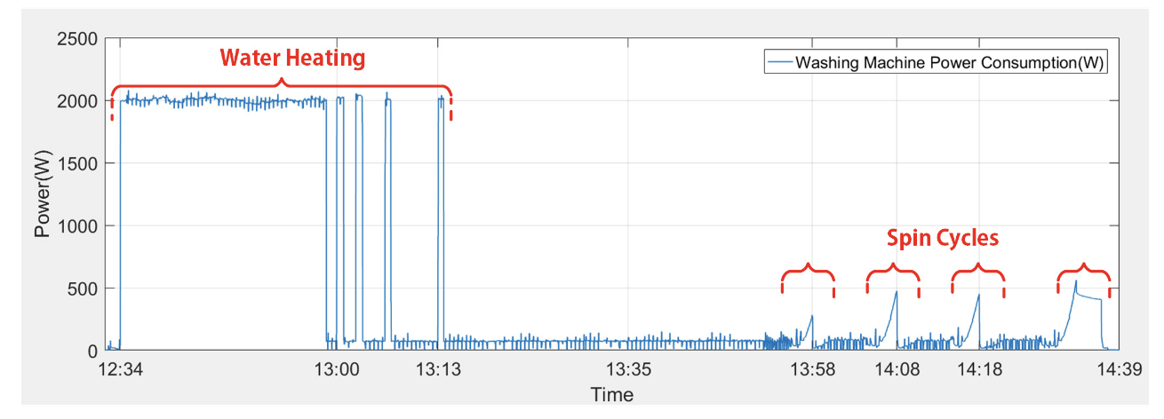
3 | 1 | 2000
4 | 30 | 2000
5 | 30 | 0
6 | 32 | 0
7 | 32 | 2000
8 | 33 | 2000
9 | 33 | 0
10 | 35 | 0
11 | 35 | 2000
12 | 37 | 2000
13 | 37 | 0
14 | 40 | 0
15 | 40 | 2000
16 | 41 | 2000 | Í
17 | 41 | 10
18 | 60 | 10
19 | 61 | 500
20 | 62 | 10
21 | 70 | 10
22 | 71 | 500
23 | 72 | 10
24 | 80 | 10
25 | 81 | 500
26 | 82 | 10
27 | 90 | 10
28
29
30

dish_washer
 | dishwasher
0 | 10
5 | 10
5 | 2250
25 | 2000
25 | 10
40 | 10
40 | 2250
45 | 2000
45 | 10
50 | 10
50 | 2250
60 | 2000
60 | 10
80 | 10
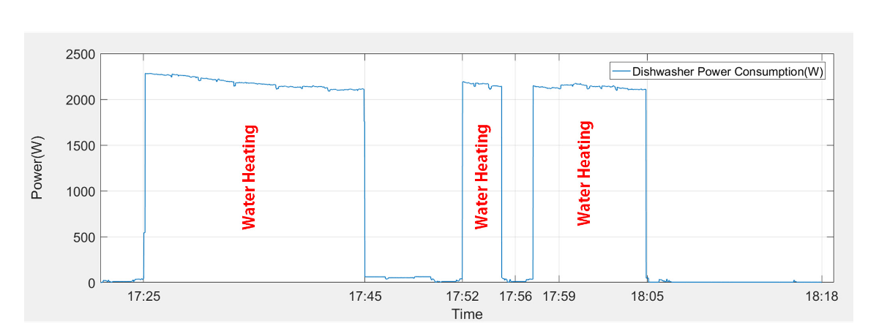
dishwasher | time | power | Source
1 | 0 | 10 | https://www.google.com/url?sa=i&url=https%3A%2F%2Fwww.mdpi.com%2F1996-1073%2F11%2F3%2F607%2Fpdf&psig=AOvVaw3zKZovcpFUzm1BuLbeFT6V&ust=1667943368053000&source=images&cd=vfe&ved=0CA4QjhxqFwoTCLi70rGDnfsCFQAAAAAdAAAAABAF
2 | 5 | 10
3 | 5 | 2250
4 | 25 | 2000
5 | 25 | 10
6 | 40 | 10
7 | 40 | 2250
8 | 45 | 2000
9 | 45 | 10
10 | 50 | 10
11 | 50 | 2250
12 | 60 | 2000
13 | 60 | 10
14 | 80 | 10
15
16
17
18
19
20
21
22
23
24
25
26
27
28
29
30

oven
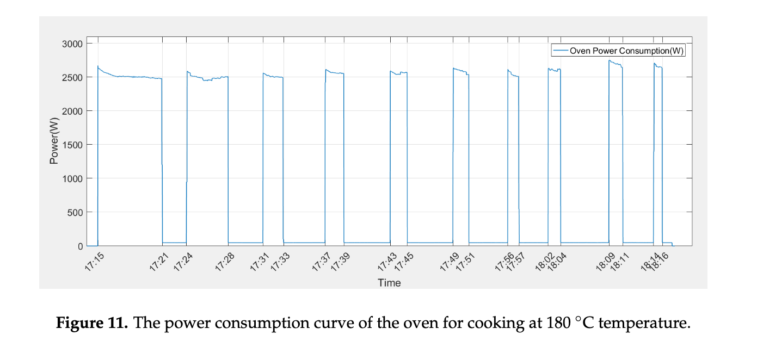
Oven | time | power | Source
1 | 0 | 0 | https://www.google.com/url?sa=i&url=https%3A%2F%2Fwww.mdpi.com%2F1996-1073%2F11%2F3%2F607%2Fpdf&psig=AOvVaw3zKZovcpFUzm1BuLbeFT6V&ust=1667943368053000&source=images&cd=vfe&ved=0CA4QjhxqFwoTCLi70rGDnfsCFQAAAAAdAAAAABAF
2 | 1 | 0
3 | 1 | 2500
4 | 10 | 2500
5 | 10 | 50
6 | 15 | 50
7 | 15 | 2500
8 | 20 | 2500
9 | 20 | 50
10 | 25 | 50
11 | 25 | 2500
12 | 30 | 2500
13 | 30 | 50
14 | 35 | 50
15 | 35 | 2500
16 | 38 | 2500
17 | 38 | 50
18 | 43 | 50
19 | 43 | 2500
20 | 45 | 2500
21 | 45 | 50
22 | 50 | 50
23 | 50 | 2500
24 | 52 | 2500
25 | 52 | 50
26 | 57 | 50
27 | 57 | 2500
28 | 59 | 2500
29 | 59 | 50
30 | 65 | 0

iron
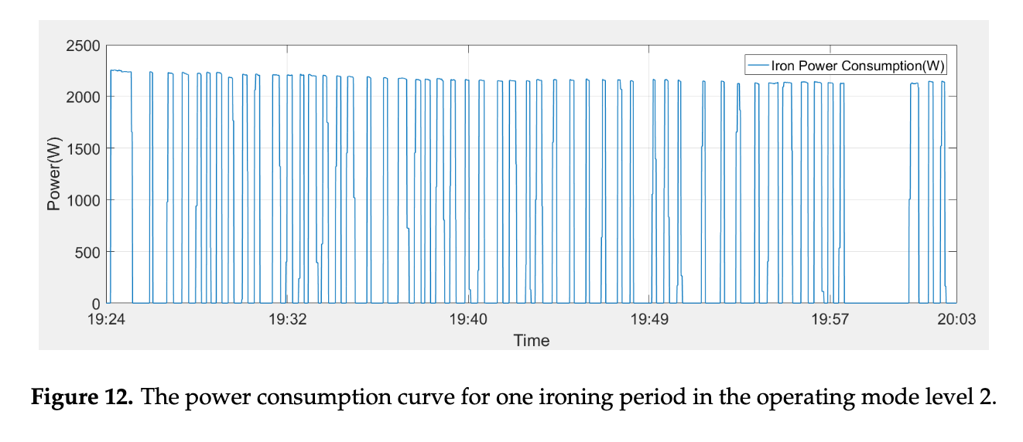
Iron | time | power | Comment | Source
1 | 0 | 0 | Reduce to 1000W | https://www.google.com/url?sa=i&url=https%3A%2F%2Fwww.mdpi.com%2F1996-1073%2F11%2F3%2F607%2Fpdf&psig=AOvVaw3zKZovcpFUzm1BuLbeFT6V&ust=1667943368053000&source=images&cd=vfe&ved=0CA4QjhxqFwoTCLi70rGDnfsCFQAAAAAdAAAAABAF
2 | 1 | 0
3 | 1 | 1000
4 | 2 | 1000
5 | 2 | 0
6 | 3 | 0
7 | 3 | 1000
8 | 4 | 1000
9 | 4 | 0
10 | 5 | 0
11 | 5 | 1000
12 | 6 | 1000
13 | 6 | 0
14 | 7 | 0
15 | 7 | 1000
16 | 8 | 1000
17 | 8 | 0
18 | 9 | 0
19 | 9 | 1000
20 | 10 | 1000
21 | 10 | 0
22 | 11 | 0
23 | 11 | 1000
24 | 12 | 1000
25 | 12 | 0
26 | 13 | 0
27 | 13 | 1000
28 | 14 | 1000
29 | 14 | 0
30 | 15 | 0
31 | 15 | 1000
32 | 16 | 1000
33 | 16 | 0
34 | 17 | 0
35 | 17 | 1000
36 | 18 | 1000
37 | 18 | 0
38 | 19 | 0
39 | 19 | 1000
40 | 20 | 1000
41 | 20 | 0
42 |  | 0

hair_dryer
 | hair_dryer
0 | 0
1 | 0
1 | 1500
2.5 | 1500
2.5 | 0
3 | 0
hair_dryer | time | power | Source
1 | 0 | 0 | https://www.google.com/url?sa=i&url=https%3A%2F%2Fwww.mdpi.com%2F1996-1073%2F11%2F3%2F607%2Fpdf&psig=AOvVaw3zKZovcpFUzm1BuLbeFT6V&ust=1667943368053000&source=images&cd=vfe&ved=0CA4QjhxqFwoTCLi70rGDnfsCFQAAAAAdAAAAABAF
2 | 1 | 0
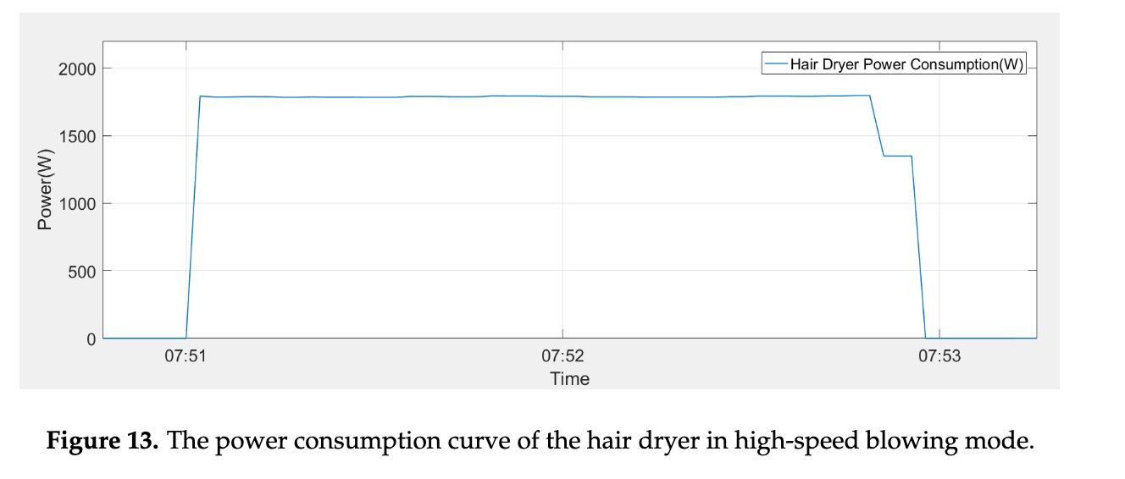
3 | 1 | 1500
4 | 2.5 | 1500
5 | 2.5 | 0
6 | 3 | 0
7
8
9
10
11
12
13
14
15
16
17
18
19
20
21
22
23
24
25
26
27
28
29
30
31
32
33
34
35
36
37
38
39
40
41
42

kettle
Kettle | time | power | Source
1 | 0 | 0 | https://www.researchgate.net/figure/Power-consumption-trend-of-electric-kettle-as-monitored-by-smart-socket-and-PQA_fig9_327451425
2 | 0.2 | 0
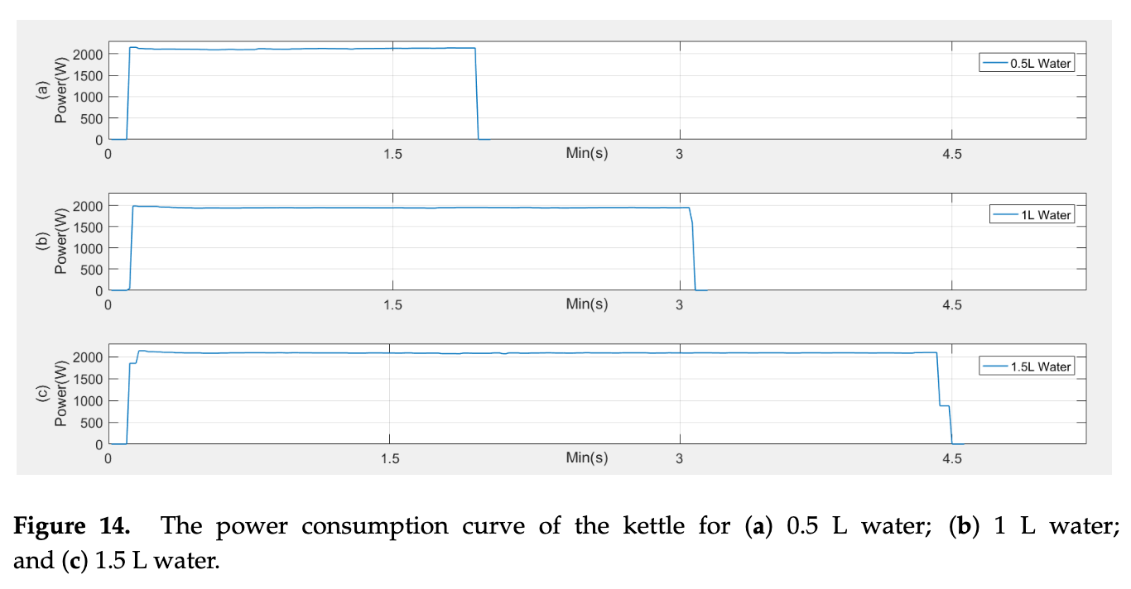
3 | 0.2 | 2000
4 | 1.5 | 2000
5 | 1.5 | 0
6 | 2 | 0
7
8
9
10
11
12
13
14
15
16
17
18
19
20
21
22
23
24

cooker_fan
 | cooker_fan
0 | 0
1 | 0
1.5 | 150
30 | 150
31 | 0
32 | 0
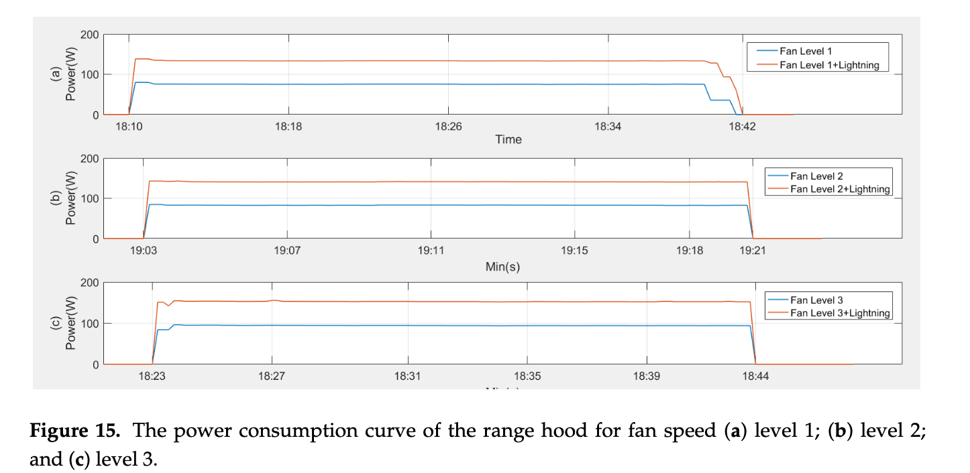
cooker_fan | time | power | Comment | Source
1 | 0 | 0 |  | https://www.google.com/url?sa=i&url=https%3A%2F%2Fwww.mdpi.com%2F1996-1073%2F11%2F3%2F607%2Fpdf&psig=AOvVaw3zKZovcpFUzm1BuLbeFT6V&ust=1667943368053000&source=images&cd=vfe&ved=0CA4QjhxqFwoTCLi70rGDnfsCFQAAAAAdAAAAABAF
2 | 1 | 0
3 | 1.5 | 150
4 | 30 | 150
5 | 31 | 0
6 | 32 | 0
7
8
9
10
11
12
13
14
15
16
17
18
19
20
21
22
23
24
25
26
27
28
29
30
31
32
33
34
35
36
37
38
39
40
41
42 |  | 0

toaster
 | toaster
0 | 0
1 | 0
1 | 1500
5 | 1500
5 | 0
6 | 0
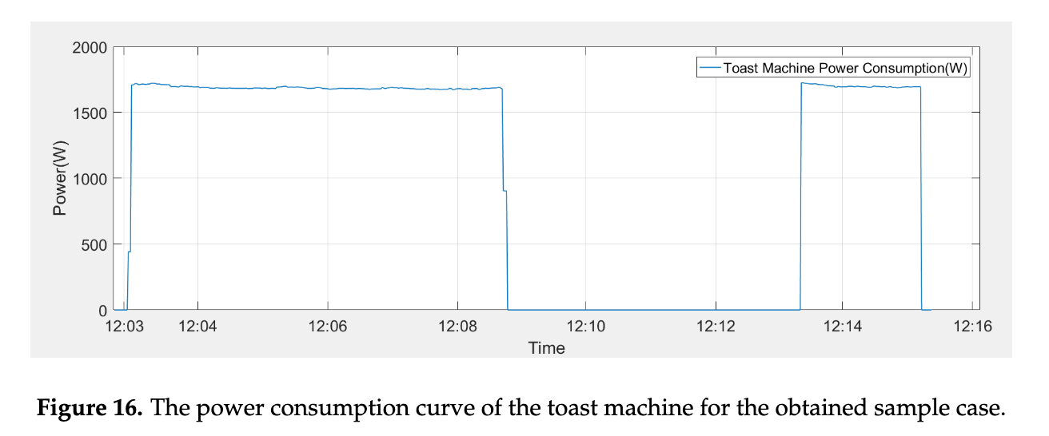
toaster | time | power | Comment | Source
1 | 0 | 0 |  | https://www.google.com/url?sa=i&url=https%3A%2F%2Fwww.mdpi.com%2F1996-1073%2F11%2F3%2F607%2Fpdf&psig=AOvVaw3zKZovcpFUzm1BuLbeFT6V&ust=1667943368053000&source=images&cd=vfe&ved=0CA4QjhxqFwoTCLi70rGDnfsCFQAAAAAdAAAAABAF
2 | 1 | 0
3 | 1 | 1500
4 | 5 | 1500
5 | 5 | 0
6 | 6 | 0
7
8
9
10
11
12
13
14
15
16
17
18
19
20
21
22
23
24
25
26
27
28
29
30
31
32
33
34
35
36
37
38
39
40
41
42 |  | 0

TV
 | TV
0 | 0
1 | 0
1 | 60
30 | 60
30 | 30
35 | 30
35 | 0
TV | time | power | Comment | Source
1 | 0 | 0 |  | https://www.google.com/url?sa=i&url=https%3A%2F%2Fwww.mdpi.com%2F1996-1073%2F11%2F3%2F607%2Fpdf&psig=AOvVaw3zKZovcpFUzm1BuLbeFT6V&ust=1667943368053000&source=images&cd=vfe&ved=0CA4QjhxqFwoTCLi70rGDnfsCFQAAAAAdAAAAABAF
2 | 1 | 0
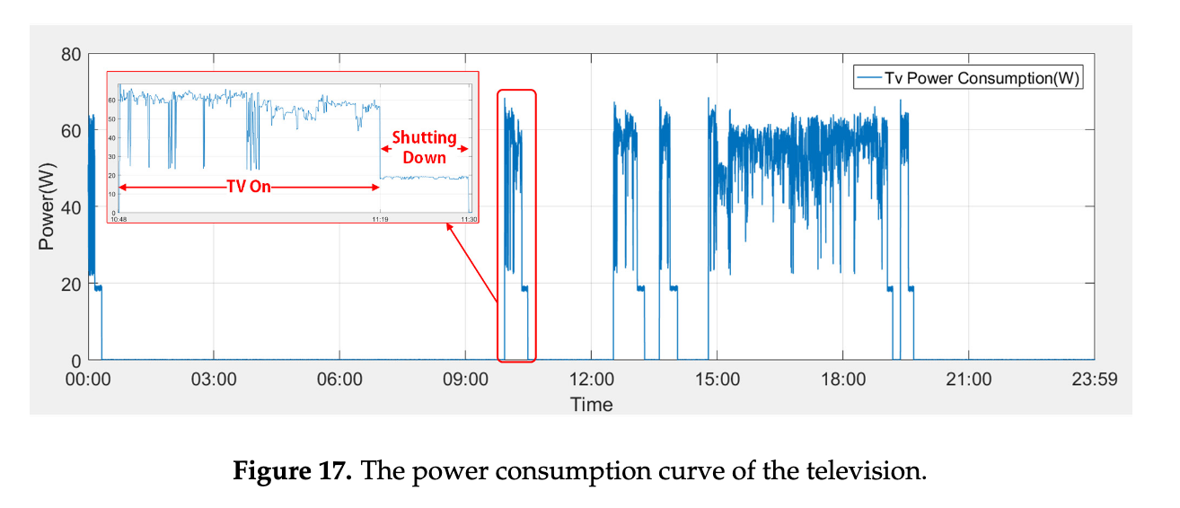
3 | 1 | 60
4 | 30 | 60
5 | 30 | 30
6 | 35 | 30
7 | 35 | 0
8
9
10
11
12
13
14
15
16
17
18
19
20
21
22
23
24
25
26
27
28
29
30
31
32
33
34
35
36
37
38
39
40
41
42 |  | 0

desktop
 | desktop
0 | 0
1 | 0
1 | 200
50 | 200
50 | 100
60 | 100
60 | 0
desktop | time | power | Comment | Source
1 | 0 | 0 |  | https://www.google.com/url?sa=i&url=https%3A%2F%2Fwww.mdpi.com%2F1996-1073%2F11%2F3%2F607%2Fpdf&psig=AOvVaw3zKZovcpFUzm1BuLbeFT6V&ust=1667943368053000&source=images&cd=vfe&ved=0CA4QjhxqFwoTCLi70rGDnfsCFQAAAAAdAAAAABAF
2 | 1 | 0
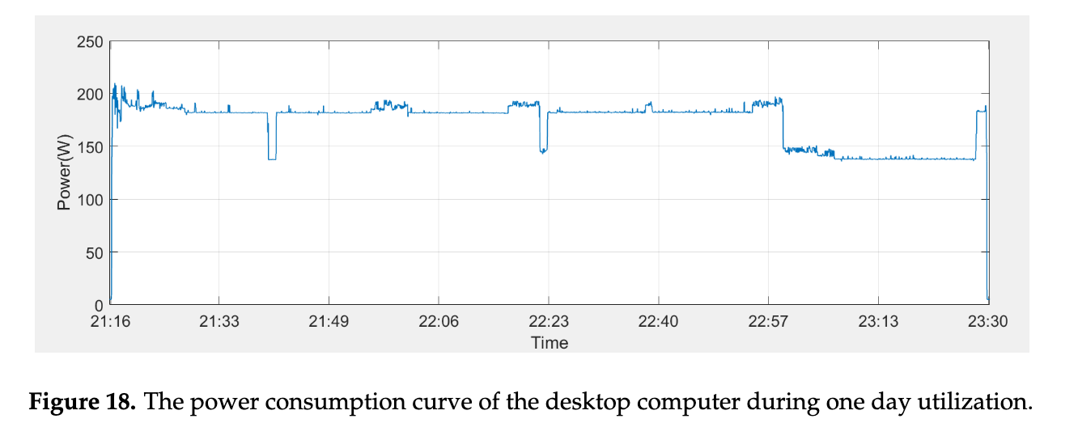
3 | 1 | 200
4 | 50 | 200
5 | 50 | 100
6 | 60 | 100
7 | 60 | 0
8
9
10
11
12
13
14
15
16
17
18
19
20
21
22
23
24
25
26
27
28
29
30
31
32
33
34
35
36
37
38
39
40
41
42 |  | 0

light
 | light
0 | 0
1 | 0
1 | 150
60 | 300
120 | 300
180 | 600
600 | 1200
780 | 1000
960 | 600
1080 | 0
light | time | power | Comment | Source
1 | 0 | 0 |  | https://propertyindustryeye.com/the-true-impact-of-turning-on-the-lights/
2 | 1 | 0 |  | https://www.simplyled.co.uk/info/led-bulb-brightness/
3 | 1 | 150
4 | 60 | 300 |  | 60 watt
5 | 120 | 300 |  | 67 bulbs
6 | 180 | 600 |  | watt | bulbs
7 | 600 | 1200
8 | 780 | 1000 |  | 30 | 5 | 150 | 60 | 6
9 | 960 | 600 |  | 30 | 10 | 300 | 120 | 7
10 | 1080 | 0 |  | 30 | 20 | 600 | 180 | 8
11 |  |  |  | 30 | 30 | 900 | 240 | 9
12 |  |  |  | 30 | 40 | 1200 | 300 | 10
13 |  |  |  | 30 | 50 | 1500 | 360 | 11
14 |  |  |  | 30 | 60 | 1800 | 420 | 12
15 |  |  |  | 30 | 60 | 1800 | 480 | 13
16 |  |  |  |  |  |  | 540 | 14
17 |  |  |  |  |  |  | 600 | 15
18 |  |  |  |  |  |  | 660 | 16
19 |  |  |  |  |  |  | 720 | 17
20 |  |  |  |  |  |  | 780 | 18
21 |  |  |  |  |  |  | 840 | 19
22 |  |  |  |  |  |  | 900 | 20
23 |  |  |  |  |  |  | 960 | 21
24 |  |  |  |  |  |  | 1020 | 22
25 |  |  |  |  |  |  | 1080 | 23
26 |  |  |  |  |  |  | 1140 | 24
27
28
29
30
31
32
33
34
35
36
37
38
39
40
41
42 |  | 0

ev_charger
 | ev_charger
0 | 0
1 | 0
3 | 7000
300 | 7000
400 | 6000
410 | 100
420 | 0
ev_charger | time | power | Comment | Source
1 | 0 | 0 |  | https://www.edsoforsmartgrids.eu/wp-content/uploads/EDSO-paper-on-electro-mobility-2.pdf
2 | 1 | 0 |  | https://www.researchgate.net/figure/7kW-charging-P-t-curve-of-BEV-Both-PHEV-and-BEV-are-equipped-with-lithium-batteries-but_fig3_351794219
3 | 3 | 7000
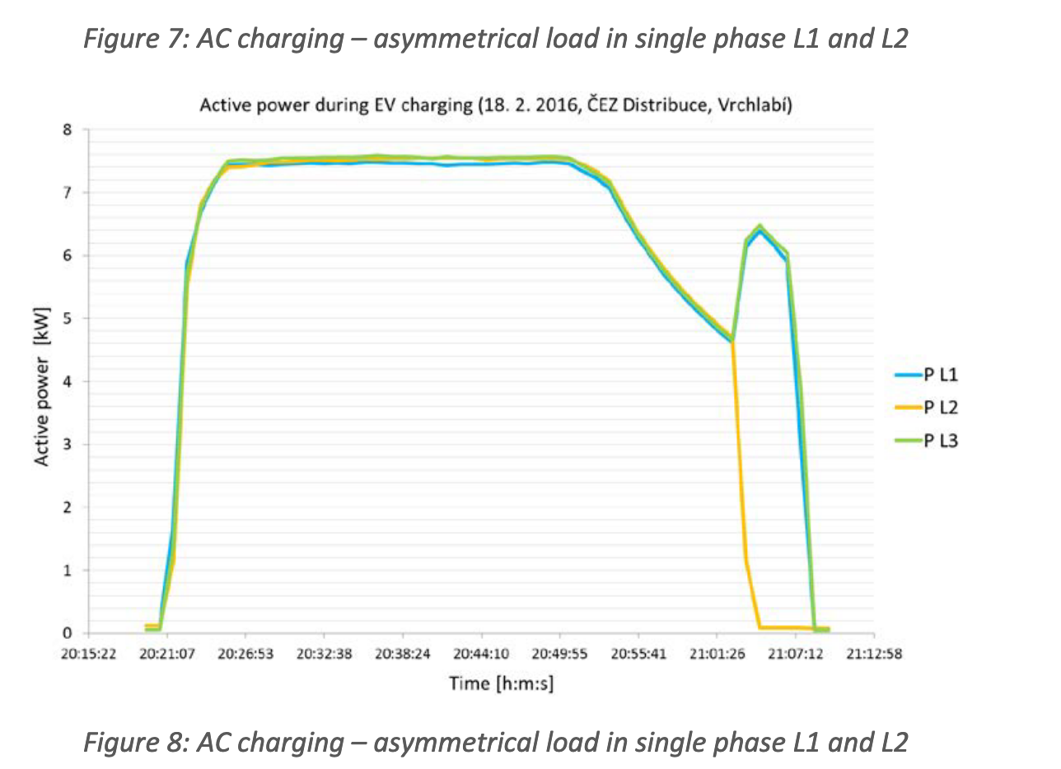
4 | 300 | 7000
5 | 400 | 6000
6 | 410 | 100
7 | 420 | 0
8
9
10
11
12
13
14
15
16
17
18
19
20
21
22
23
24
25
26
27
28
29
30
31
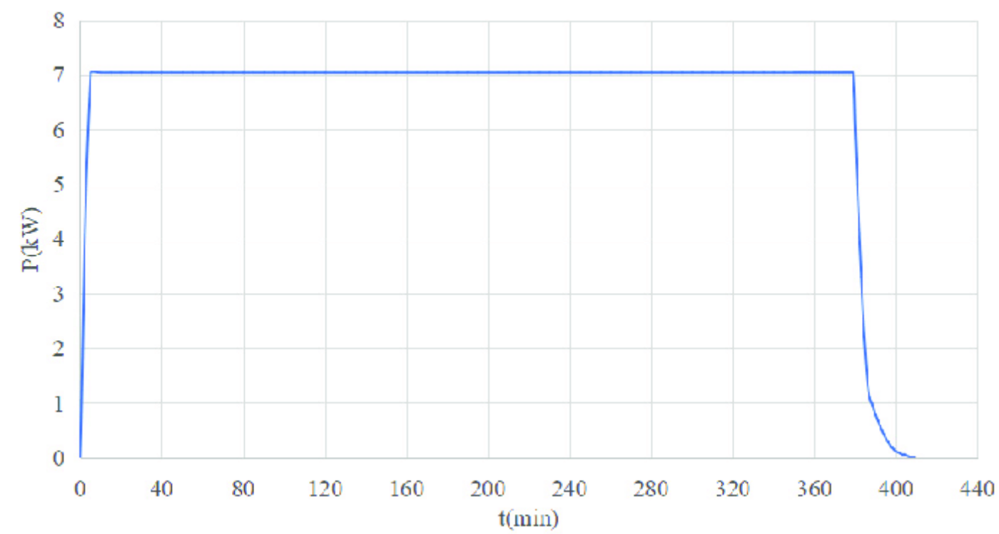
32
33
34
35
36
37
38
39
40
41
42 |  | 0

heatpump_standby
 | heatpump_standby
0 | 50
1 | 50
1 | 200
1.5 | 200
1.5 | 50
2 | 50
2 | 200
2.5 | 200
2.5 | 50
3 | 50
heatpump_standby | time | power | Comment | Source
1 | 0 | 50 |  | https://heatpumps.co.uk/2013/08/13/stand-by-power-and-air-source-heat-pumps/
2 | 1 | 50
3 | 1 | 200 |  | stand_by
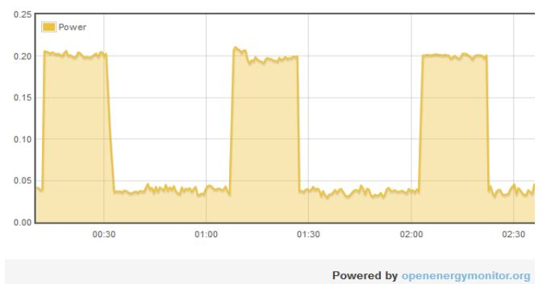
4 | 1.5 | 200
5 | 1.5 | 50
6 | 2 | 50
7 | 2 | 200
8 | 2.5 | 200
9 | 2.5 | 50
10 | 3 | 50
11
12
13
14
15
16
17
18
19
20
21
22
23
24 |  |  |  | heating
25
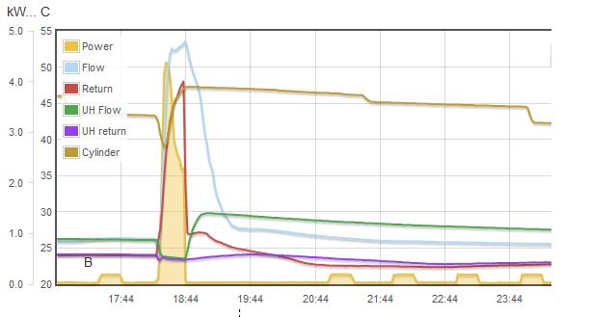
26
27
28
29
30
31
32
33
34
35
36
37
38
39
40
41
42 |  | 0

heatpump_heat
 | heatpump_heat
0 | 0
1 | 0
1 | 4500
15 | 2500
15 | 0
20 | 0
heatpump_heat | time | power | Comment | Source
1 | 0 | 0 |  | https://heatpumps.co.uk/2013/08/13/stand-by-power-and-air-source-heat-pumps/
2 | 1 | 0
3 | 1 | 4500 |  | stand_by
4 | 15 | 2500
5 | 15 | 0
6 | 20 | 0
7
8
9
10
11
12
13
14
15
16
17
18
19
20
21
22
23
24 |  |  |  | heating
25
26
27
28
29
30
31
32
33
34
35
36
37
38
39
40
41
42 |  | 0

