MPTSPs
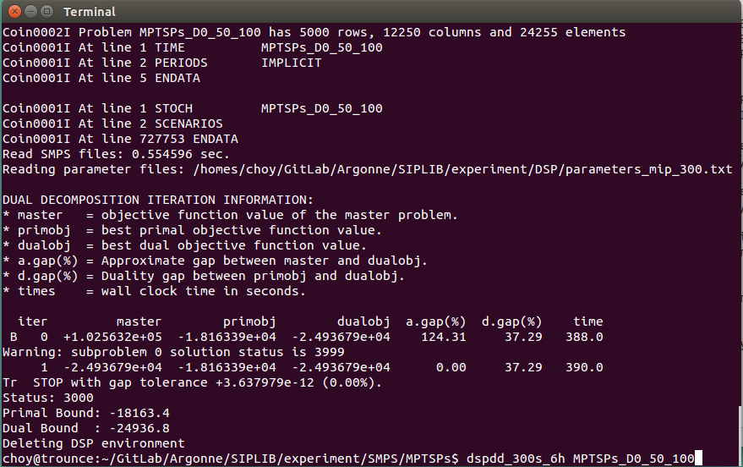
SIPLIBv1
instances | CPU time limit
MPTSPs_D0_50_100
MPTSPs_D1_50_100
MPTSPs_D2_50_100
MPTSPs_D3_50_100
MPTSPs_D1_100_100

SIPLIBv2
instances | num scenarios | CPU time limit
MPTSPs_D0_50_ | 100/500/1000 | 21600 sec | nS>=10000 can’t be generated in labtop nS>=10000 can’t be generated in compute001 nS=1000 with #node:100 file size: 1.1GB
MPTSPs_D1_50_
MPTSPs_D2_50_
MPTSPs_D3_50_
MPTSPs_D0_100_
MPTSPs_D1_100_
MPTSPs_D2_100_
MPTSPs_D3_100_

 |  |  | 50_1000은 dspde로 너무 금방 푼다
 |  |  | 50_1000은 dspdd로 푸니까 3999 에러 발생 (왜지?)
 |  |  | High duality gap

 | Solver
Instance | CPLEX (1 THREAD) | DSP (MIP_TIME_LIM: 1s) | DSP (MIP_TIME_LIM: 3s) | DSP (MIP_TIME_LIM: 300)
MPTSPs_D0_50_100 | optimal in 5s (-18821) | optimal in 100s (-12800) | terminate in 311s with high d.gap (db: -24421, pb: -18238) | terminate in 388s with high d.gap (db: -24936, pb: -18163)
MPTSPs_D0_50_500 | optimal in 11s (-19556) |  | optimal in 2000s (db: -25917, pb: -19164) | optimal in 3000s (db: -26561, pb: -19164)
MPTSPs_D0_50_1000 | optimal in 20s
MPTSPs_D0_100_500 | optimal in 70s
 | (loading takes much time)

