MPTSPs
SIPLIBv1
instances | CPU time limit
MPTSPs_D0_50_100
MPTSPs_D1_50_100
MPTSPs_D2_50_100
MPTSPs_D3_50_100
MPTSPs_D1_100_100

SIPLIBv2
instances | num scenarios | CPU time limit
MPTSPs_D0_50_ | 100/500/1000 | 21600 sec | nS>=10000 can’t be generated in labtop nS>=10000 can’t be generated in compute001 nS=1000 with #node:100 file size: 1.1GB
MPTSPs_D1_50_
MPTSPs_D2_50_
MPTSPs_D3_50_
MPTSPs_D0_100_
MPTSPs_D1_100_
MPTSPs_D2_100_
MPTSPs_D3_100_

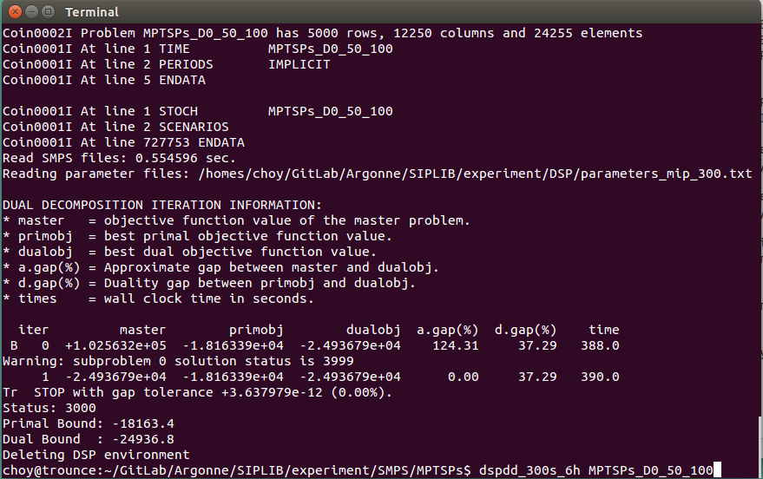
 |  |  | 50_1000은 dspde로 너무 금방 푼다
 |  |  | 50_1000은 dspdd로 푸니까 3999 에러 발생 (왜지?)
 |  |  | High duality gap

