timeline_v1
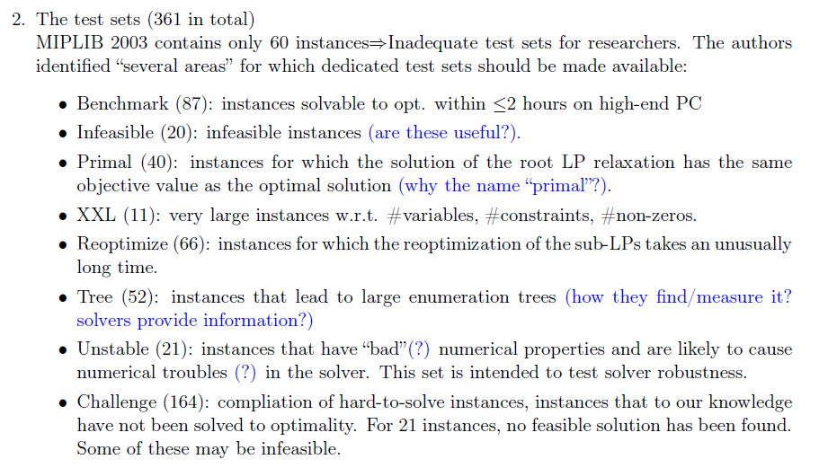
Final expected output | 1. SIPLIPv2 website (instance repository)
 | 2. Paper
 |  |  | Timeline (tentative due: ~ June 1)
Task |  | Expected output | February |  | March |  |  |  | April |  |  |  | May
 |  |  | 2/19-23 | 2/26-3/2 | 3/5-9 | 3/12-16 | 3/19-23 | 3/26-30 | 4/2-6 | 4/9-13 | 4/16-20 | 4/23-27 | 4/30-5/4 | 5/7-11 | 5/14-18 | 5/21-25 | 5/28-6/1
Survey | Know what SIP is
 | Study & run existing Instances (SIPLIPv1) with solvers & known algorithms | Summary of each instance
 | Categorize SIP | SIP taxonomy
 | Come up with “Measure of Goodness (or conformance)" for SIP instances | Measures
 | Identify "Family" (area) for which dedicated test sets should be included | Family
Format | Define “Format” in which the library will be provided | Format: Library
 | Define “Format” that will be used for CFI (call for instances) | Format: CFI
Data | Call For Instances (instances should be submitted in the predefined format) | Temporary website
 | Collect instances from available sources: Literature, Web, Peers, … | Data collection (unarranged)
 | Preprocess the collected instances (documentation, formatting) | Data collection (arranged)
 | Categorize data in "Family" | Categorized list
Experiment | Conduct experiments with collected instances & solvers & well-known algorithms | Experimental results
 | Summarize the result for each instance | Summary for experiments
 | Classify the instances into three categories (easy, hard, open) | Classified list
Implement web | Upload the outputs on website | SIPLIPv2 website
Writing | 1. Introduction: What SIP is, Why SIPLIPv2 is required, What we did | Manuscript
 | 2. Literature Review: SIPLIPv1, another approaches for evaluating SIP solving algorithms
 | 3. Methods: How we construct SIPLIPv2
 | 4. Instance catalog
 | 5. Solver & Algorithm performance for benchmarking
 | 6. Conclusion

