Share E-Mopeds+E-Motorcycles
Country | 2000 | 2001 | 2002 | 2003 | 2004 | 2005 | 2006 | 2007 | 2008 | 2009 | 2010 | 2011 | 2012 | 2013 | 2014 | 2015 | 2016 | 2017 | 2018 | 2019 | 2020 | 2021 | 2022 | 2023 | 2024 | 2025 | 2026 | 2027 | 2028 | 2029 | 2030 | 2031 | 2032 | 2033 | 2034 | 2035 | 2036 | 2037 | 2038 | 2039 | 2040 | 2041 | 2042 | 2043 | 2044 | 2045 | 2046 | 2047 | 2048 | 2049 | 2050
AUT | 6.13% | 6.13% | 6.13% | 6.13% | 6.13% | 6.13% | 6.13% | 6.13% | 6.13% | 6.13% | 6.13% | 6.13% | 5.44% | 3.26% | 3.42% | 3.04% | 7.15% | 4.00% | 3.82% | 2.76% | 3.78% | 4.80% | 4.48% | 4.26% | 4.26% | 4.26% | 4.26% | 4.26% | 4.26% | 4.26% | 4.26% | 4.26% | 4.26% | 4.26% | 4.26% | 4.26% | 4.26% | 4.26% | 4.26% | 4.26% | 4.26% | 4.26% | 4.26% | 4.26% | 4.26% | 4.26% | 4.26% | 4.26% | 4.26% | 4.26% | 4.26%
BEL | 0.28% | 0.28% | 0.28% | 0.28% | 0.28% | 0.28% | 0.28% | 0.28% | 0.28% | 0.28% | 0.28% | 0.28% | 0.53% | 0.48% | 1.48% | 3.74% | 6.13% | 17.03% | 21.02% | 20.63% | 14.62% | 12.11% | 11.30% | 10.77% | 10.76% | 10.76% | 10.76% | 10.76% | 10.76% | 10.76% | 10.76% | 10.76% | 10.76% | 10.76% | 10.76% | 10.76% | 10.76% | 10.76% | 10.76% | 10.76% | 10.76% | 10.76% | 10.76% | 10.76% | 10.76% | 10.76% | 10.76% | 10.76% | 10.76% | 10.76% | 10.76%
BGR | 0.00% | 0.00% | 0.00% | 0.00% | 0.00% | 0.00% | 0.00% | 0.00% | 0.00% | 0.00% | 0.00% | 0.00% | 0.01% | 0.01% | 0.00% | 0.00% | 0.00% | 0.00% | 0.00% | 0.00% | 0.00% | 0.00% | 0.00% | 0.00% | 0.00% | 0.00% | 0.00% | 0.00% | 0.00% | 0.00% | 0.00% | 0.00% | 0.00% | 0.00% | 0.00% | 0.00% | 0.00% | 0.00% | 0.00% | 0.00% | 0.00% | 0.00% | 0.00% | 0.00% | 0.00% | 0.00% | 0.00% | 0.00% | 0.00% | 0.00% | 0.00%
CHE | 17.08% | 17.08% | 17.08% | 17.08% | 17.08% | 17.08% | 17.08% | 17.08% | 17.08% | 17.08% | 17.08% | 17.08% | 18.40% | 24.66% | 15.74% | 13.00% | 8.42% | 3.08% | 3.17% | 3.10% | 3.02% | 3.83% | 3.81% | 3.87% | 3.87% | 3.87% | 3.87% | 3.87% | 3.87% | 3.87% | 3.87% | 3.87% | 3.87% | 3.87% | 3.87% | 3.87% | 3.87% | 3.87% | 3.87% | 3.87% | 3.87% | 3.87% | 3.87% | 3.87% | 3.87% | 3.87% | 3.87% | 3.87% | 3.87% | 3.87% | 3.87%
CYP | 0.00% | 0.00% | 0.00% | 0.00% | 0.00% | 0.00% | 0.00% | 0.00% | 0.00% | 0.00% | 0.00% | 0.00% | 0.00% | 0.11% | 0.14% | 0.02% | 0.03% | 0.18% | 0.21% | 0.21% | 0.20% | 0.25% | 0.25% | 0.25% | 0.27% | 0.27% | 0.27% | 0.27% | 0.27% | 0.27% | 0.27% | 0.27% | 0.27% | 0.27% | 0.27% | 0.27% | 0.27% | 0.27% | 0.27% | 0.27% | 0.27% | 0.27% | 0.27% | 0.27% | 0.27% | 0.27% | 0.27% | 0.27% | 0.27% | 0.27% | 0.27%
CZE | 0.00% | 0.00% | 0.00% | 0.00% | 0.00% | 0.00% | 0.00% | 0.00% | 0.00% | 0.00% | 0.00% | 0.00% | 0.00% | 2.35% | 1.14% | 0.54% | 0.87% | 0.61% | 0.67% | 1.17% | 1.61% | 2.04% | 1.90% | 1.81% | 1.81% | 1.81% | 1.81% | 1.81% | 1.81% | 1.81% | 1.81% | 1.81% | 1.81% | 1.81% | 1.81% | 1.81% | 1.81% | 1.81% | 1.81% | 1.81% | 1.81% | 1.81% | 1.81% | 1.81% | 1.81% | 1.81% | 1.81% | 1.81% | 1.81% | 1.81% | 1.81%
DEU | 0.00% | 0.00% | 0.00% | 0.00% | 0.00% | 0.00% | 0.00% | 0.00% | 0.00% | 0.00% | 0.00% | 0.00% | 0.16% | 1.29% | 4.00% | 3.11% | 3.51% | 1.45% | 1.25% | 2.13% | 2.78% | 2.69% | 2.85% | 2.90% | 2.89% | 2.89% | 2.89% | 2.89% | 2.89% | 2.89% | 2.89% | 2.89% | 2.89% | 2.89% | 2.89% | 2.89% | 2.89% | 2.89% | 2.89% | 2.89% | 2.89% | 2.89% | 2.89% | 2.89% | 2.89% | 2.89% | 2.89% | 2.89% | 2.89% | 2.89% | 2.89%
DNK | 2.01% | 2.01% | 2.01% | 2.01% | 2.01% | 2.01% | 2.01% | 2.01% | 2.01% | 2.01% | 2.01% | 2.01% | 2.46% | 0.54% | 0.46% | 0.25% | 0.26% | 0.43% | 0.76% | 0.81% | 1.11% | 1.41% | 1.32% | 1.25% | 1.25% | 1.25% | 1.25% | 1.25% | 1.25% | 1.25% | 1.25% | 1.25% | 1.25% | 1.25% | 1.25% | 1.25% | 1.25% | 1.25% | 1.25% | 1.25% | 1.25% | 1.25% | 1.25% | 1.25% | 1.25% | 1.25% | 1.25% | 1.25% | 1.25% | 1.25% | 1.25%
ESP | 2.00% | 2.00% | 2.00% | 2.00% | 2.00% | 2.00% | 2.00% | 2.00% | 2.00% | 2.00% | 2.00% | 2.00% | 9.97% | 9.64% | 5.30% | 4.38% | 6.57% | 11.57% | 12.94% | 13.89% | 14.99% | 8.97% | 9.48% | 9.64% | 9.63% | 9.63% | 9.63% | 9.63% | 9.63% | 9.63% | 9.63% | 9.63% | 9.63% | 9.63% | 9.63% | 9.63% | 9.63% | 9.63% | 9.63% | 9.63% | 9.63% | 9.63% | 9.63% | 9.63% | 9.63% | 9.63% | 9.63% | 9.63% | 9.63% | 9.63% | 9.63%
EST | 0.00% | 0.00% | 0.00% | 0.00% | 0.00% | 0.00% | 0.00% | 0.00% | 0.00% | 0.00% | 0.00% | 0.00% | 0.22% | 0.01% | 0.08% | 0.21% | 0.13% | 0.04% | 0.03% | 0.06% | 0.08% | 0.10% | 0.09% | 0.09% | 0.09% | 0.09% | 0.09% | 0.09% | 0.09% | 0.09% | 0.09% | 0.09% | 0.09% | 0.09% | 0.09% | 0.09% | 0.09% | 0.09% | 0.09% | 0.09% | 0.09% | 0.09% | 0.09% | 0.09% | 0.09% | 0.09% | 0.09% | 0.09% | 0.09% | 0.09% | 0.09%
FIN | 2.61% | 2.61% | 2.61% | 2.61% | 2.61% | 2.61% | 2.61% | 2.61% | 2.61% | 2.61% | 2.61% | 2.61% | 0.96% | 0.47% | 0.35% | 0.58% | 0.67% | 0.90% | 0.91% | 0.91% | 1.24% | 1.57% | 1.47% | 1.49% | 1.49% | 1.49% | 1.49% | 1.49% | 1.49% | 1.49% | 1.49% | 1.49% | 1.49% | 1.49% | 1.49% | 1.49% | 1.49% | 1.49% | 1.49% | 1.49% | 1.49% | 1.49% | 1.49% | 1.49% | 1.49% | 1.49% | 1.49% | 1.49% | 1.49% | 1.49% | 1.49%
FRA | 16.80% | 16.80% | 16.80% | 16.80% | 16.80% | 16.80% | 16.80% | 16.80% | 16.80% | 16.80% | 16.80% | 16.80% | 12.59% | 12.64% | 14.38% | 16.56% | 21.94% | 26.92% | 23.99% | 20.78% | 14.51% | 19.31% | 20.42% | 20.75% | 20.73% | 20.73% | 20.73% | 20.73% | 20.73% | 20.73% | 20.73% | 20.73% | 20.73% | 20.73% | 20.73% | 20.73% | 20.73% | 20.73% | 20.73% | 20.73% | 20.73% | 20.73% | 20.73% | 20.73% | 20.73% | 20.73% | 20.73% | 20.73% | 20.73% | 20.73% | 20.73%
GBR | 3.18% | 3.18% | 3.18% | 3.18% | 3.18% | 3.18% | 3.18% | 3.18% | 3.18% | 3.18% | 3.18% | 3.18% | 1.70% | 0.91% | 1.46% | 2.17% | 2.35% | 0.89% | 1.09% | 1.85% | 0.96% | 2.46% | 2.45% | 2.49% | 2.48% | 2.48% | 2.48% | 2.48% | 2.48% | 2.48% | 2.48% | 2.48% | 2.48% | 2.48% | 2.48% | 2.48% | 2.48% | 2.48% | 2.48% | 2.48% | 2.48% | 2.48% | 2.48% | 2.48% | 2.48% | 2.48% | 2.48% | 2.48% | 2.48% | 2.48% | 2.48%
GRC | 0.11% | 0.11% | 0.11% | 0.11% | 0.11% | 0.11% | 0.11% | 0.11% | 0.11% | 0.11% | 0.11% | 0.11% | 0.34% | 0.25% | 0.25% | 0.32% | 0.49% | 0.09% | 0.05% | 0.15% | 0.21% | 0.26% | 0.28% | 0.28% | 0.28% | 0.28% | 0.28% | 0.28% | 0.28% | 0.28% | 0.28% | 0.28% | 0.28% | 0.28% | 0.28% | 0.28% | 0.28% | 0.28% | 0.28% | 0.28% | 0.28% | 0.28% | 0.28% | 0.28% | 0.28% | 0.28% | 0.28% | 0.28% | 0.28% | 0.28% | 0.28%
HRV | 0.00% | 0.00% | 0.00% | 0.00% | 0.00% | 0.00% | 0.00% | 0.00% | 0.00% | 0.00% | 0.00% | 0.00% | 0.00% | 0.00% | 0.07% | 1.04% | 0.27% | 0.12% | 0.56% | 0.57% | 0.78% | 0.98% | 0.98% | 0.99% | 0.99% | 0.99% | 0.99% | 0.99% | 0.99% | 0.99% | 0.99% | 0.99% | 0.99% | 0.99% | 0.99% | 0.99% | 0.99% | 0.99% | 0.99% | 0.99% | 0.99% | 0.99% | 0.99% | 0.99% | 0.99% | 0.99% | 0.99% | 0.99% | 0.99% | 0.99% | 0.99%
HUN | 0.10% | 0.10% | 0.10% | 0.10% | 0.10% | 0.10% | 0.10% | 0.10% | 0.10% | 0.10% | 0.10% | 0.10% | 0.04% | 0.05% | 0.09% | 0.13% | 0.23% | 0.04% | 0.05% | 0.06% | 0.08% | 0.11% | 0.11% | 0.11% | 0.12% | 0.12% | 0.12% | 0.12% | 0.12% | 0.12% | 0.12% | 0.12% | 0.12% | 0.12% | 0.12% | 0.12% | 0.12% | 0.12% | 0.12% | 0.12% | 0.12% | 0.12% | 0.12% | 0.12% | 0.12% | 0.12% | 0.12% | 0.12% | 0.12% | 0.12% | 0.12%
IRL | 0.00% | 0.00% | 0.00% | 0.00% | 0.00% | 0.00% | 0.00% | 0.00% | 0.00% | 0.00% | 0.00% | 0.00% | 0.00% | 0.00% | 0.04% | 0.00% | 0.01% | 0.02% | 0.03% | 0.05% | 0.07% | 0.08% | 0.08% | 0.07% | 0.07% | 0.07% | 0.07% | 0.07% | 0.07% | 0.07% | 0.07% | 0.07% | 0.07% | 0.07% | 0.07% | 0.07% | 0.07% | 0.07% | 0.07% | 0.07% | 0.07% | 0.07% | 0.07% | 0.07% | 0.07% | 0.07% | 0.07% | 0.07% | 0.07% | 0.07% | 0.07%
ISL | 0.00% | 0.00% | 0.00% | 0.00% | 0.00% | 0.00% | 0.00% | 0.00% | 0.00% | 0.00% | 0.00% | 0.00% | 0.00% | 0.00% | 0.00% | 0.00% | 0.00% | 0.02% | 0.00% | 0.03% | 0.18% | 0.23% | 0.21% | 0.22% | 0.22% | 0.22% | 0.22% | 0.22% | 0.22% | 0.22% | 0.22% | 0.22% | 0.22% | 0.22% | 0.22% | 0.22% | 0.22% | 0.22% | 0.22% | 0.22% | 0.22% | 0.22% | 0.22% | 0.22% | 0.22% | 0.22% | 0.22% | 0.22% | 0.22% | 0.22% | 0.22%
ITA | 5.57% | 5.57% | 5.57% | 5.57% | 5.57% | 5.57% | 5.57% | 5.57% | 5.57% | 5.57% | 5.57% | 5.57% | 9.28% | 8.21% | 6.87% | 5.46% | 4.76% | 4.45% | 7.00% | 7.06% | 10.88% | 7.89% | 8.35% | 8.48% | 8.47% | 8.47% | 8.47% | 8.47% | 8.47% | 8.47% | 8.47% | 8.47% | 8.47% | 8.47% | 8.47% | 8.47% | 8.47% | 8.47% | 8.47% | 8.47% | 8.47% | 8.47% | 8.47% | 8.47% | 8.47% | 8.47% | 8.47% | 8.47% | 8.47% | 8.47% | 8.47%
LTU | 0.34% | 0.34% | 0.34% | 0.34% | 0.34% | 0.34% | 0.34% | 0.34% | 0.34% | 0.34% | 0.34% | 0.34% | 0.07% | 0.10% | 0.06% | 0.06% | 0.10% | 0.08% | 0.08% | 0.10% | 0.14% | 0.18% | 0.18% | 0.18% | 0.19% | 0.19% | 0.19% | 0.19% | 0.19% | 0.19% | 0.19% | 0.19% | 0.19% | 0.19% | 0.19% | 0.19% | 0.19% | 0.19% | 0.19% | 0.19% | 0.19% | 0.19% | 0.19% | 0.19% | 0.19% | 0.19% | 0.19% | 0.19% | 0.19% | 0.19% | 0.19%
LUX | 0.21% | 0.21% | 0.21% | 0.21% | 0.21% | 0.21% | 0.21% | 0.21% | 0.21% | 0.21% | 0.21% | 0.21% | 0.17% | 0.49% | 0.40% | 0.24% | 0.20% | 0.12% | 0.27% | 0.24% | 0.33% | 0.42% | 0.42% | 0.42% | 0.45% | 0.45% | 0.45% | 0.45% | 0.45% | 0.45% | 0.45% | 0.45% | 0.45% | 0.45% | 0.45% | 0.45% | 0.45% | 0.45% | 0.45% | 0.45% | 0.45% | 0.45% | 0.45% | 0.45% | 0.45% | 0.45% | 0.45% | 0.45% | 0.45% | 0.45% | 0.45%
LVA | 0.02% | 0.02% | 0.02% | 0.02% | 0.02% | 0.02% | 0.02% | 0.02% | 0.02% | 0.02% | 0.02% | 0.02% | 0.02% | 0.06% | 0.03% | 0.05% | 0.03% | 0.05% | 0.04% | 0.22% | 0.30% | 0.38% | 0.38% | 0.38% | 0.41% | 0.41% | 0.41% | 0.41% | 0.41% | 0.41% | 0.41% | 0.41% | 0.41% | 0.41% | 0.41% | 0.41% | 0.41% | 0.41% | 0.41% | 0.41% | 0.41% | 0.41% | 0.41% | 0.41% | 0.41% | 0.41% | 0.41% | 0.41% | 0.41% | 0.41% | 0.41%
MLT | 0.00% | 0.00% | 0.00% | 0.00% | 0.00% | 0.00% | 0.00% | 0.00% | 0.00% | 0.00% | 0.00% | 0.00% | 0.00% | 0.25% | 0.23% | 0.09% | 0.26% | 0.07% | 0.17% | 0.83% | 0.12% | 0.15% | 0.15% | 0.15% | 0.16% | 0.16% | 0.16% | 0.16% | 0.16% | 0.16% | 0.16% | 0.16% | 0.16% | 0.16% | 0.16% | 0.16% | 0.16% | 0.16% | 0.16% | 0.16% | 0.16% | 0.16% | 0.16% | 0.16% | 0.16% | 0.16% | 0.16% | 0.16% | 0.16% | 0.16% | 0.16%
NLD | 41.76% | 41.76% | 41.76% | 41.76% | 41.76% | 41.76% | 41.76% | 41.76% | 41.76% | 41.76% | 41.76% | 41.76% | 36.13% | 31.94% | 43.01% | 43.58% | 31.11% | 22.65% | 17.22% | 16.32% | 20.13% | 19.78% | 19.69% | 20.01% | 19.99% | 19.99% | 19.99% | 19.99% | 19.99% | 19.99% | 19.99% | 19.99% | 19.99% | 19.99% | 19.99% | 19.99% | 19.99% | 19.99% | 19.99% | 19.99% | 19.99% | 19.99% | 19.99% | 19.99% | 19.99% | 19.99% | 19.99% | 19.99% | 19.99% | 19.99% | 19.99%
NOR | 0.00% | 0.00% | 0.00% | 0.00% | 0.00% | 0.00% | 0.00% | 0.00% | 0.00% | 0.00% | 0.00% | 0.00% | 0.00% | 0.00% | 0.00% | 0.00% | 2.10% | 1.94% | 1.22% | 1.38% | 1.45% | 1.84% | 1.72% | 1.75% | 1.75% | 1.75% | 1.75% | 1.75% | 1.75% | 1.75% | 1.75% | 1.75% | 1.75% | 1.75% | 1.75% | 1.75% | 1.75% | 1.75% | 1.75% | 1.75% | 1.75% | 1.75% | 1.75% | 1.75% | 1.75% | 1.75% | 1.75% | 1.75% | 1.75% | 1.75% | 1.75%
POL | 0.75% | 0.75% | 0.75% | 0.75% | 0.75% | 0.75% | 0.75% | 0.75% | 0.75% | 0.75% | 0.75% | 0.75% | 0.54% | 1.42% | 0.66% | 0.89% | 1.13% | 1.57% | 2.98% | 3.86% | 5.29% | 6.71% | 6.26% | 5.96% | 5.96% | 5.96% | 5.96% | 5.96% | 5.96% | 5.96% | 5.96% | 5.96% | 5.96% | 5.96% | 5.96% | 5.96% | 5.96% | 5.96% | 5.96% | 5.96% | 5.96% | 5.96% | 5.96% | 5.96% | 5.96% | 5.96% | 5.96% | 5.96% | 5.96% | 5.96% | 5.96%
PRT | 0.29% | 0.29% | 0.29% | 0.29% | 0.29% | 0.29% | 0.29% | 0.29% | 0.29% | 0.29% | 0.29% | 0.29% | 0.28% | 0.05% | 0.08% | 0.14% | 0.04% | 0.10% | 0.05% | 0.12% | 0.16% | 0.20% | 0.21% | 0.22% | 0.21% | 0.21% | 0.21% | 0.21% | 0.21% | 0.21% | 0.21% | 0.21% | 0.21% | 0.21% | 0.21% | 0.21% | 0.21% | 0.21% | 0.21% | 0.21% | 0.21% | 0.21% | 0.21% | 0.21% | 0.21% | 0.21% | 0.21% | 0.21% | 0.21% | 0.21% | 0.21%
ROU | 0.02% | 0.02% | 0.02% | 0.02% | 0.02% | 0.02% | 0.02% | 0.02% | 0.02% | 0.02% | 0.02% | 0.02% | 0.03% | 0.15% | 0.03% | 0.08% | 0.23% | 0.05% | 0.00% | 0.01% | 0.02% | 0.02% | 0.02% | 0.02% | 0.02% | 0.02% | 0.02% | 0.02% | 0.02% | 0.02% | 0.02% | 0.02% | 0.02% | 0.02% | 0.02% | 0.02% | 0.02% | 0.02% | 0.02% | 0.02% | 0.02% | 0.02% | 0.02% | 0.02% | 0.02% | 0.02% | 0.02% | 0.02% | 0.02% | 0.02% | 0.02%
SVK | 0.30% | 0.30% | 0.30% | 0.30% | 0.30% | 0.30% | 0.30% | 0.30% | 0.30% | 0.30% | 0.30% | 0.30% | 0.28% | 0.20% | 0.09% | 0.17% | 0.21% | 0.11% | 0.07% | 0.30% | 0.41% | 0.52% | 0.48% | 0.49% | 0.49% | 0.49% | 0.49% | 0.49% | 0.49% | 0.49% | 0.49% | 0.49% | 0.49% | 0.49% | 0.49% | 0.49% | 0.49% | 0.49% | 0.49% | 0.49% | 0.49% | 0.49% | 0.49% | 0.49% | 0.49% | 0.49% | 0.49% | 0.49% | 0.49% | 0.49% | 0.49%
SVN | 0.30% | 0.30% | 0.30% | 0.30% | 0.30% | 0.30% | 0.30% | 0.30% | 0.30% | 0.30% | 0.30% | 0.30% | 0.32% | 0.41% | 0.11% | 0.14% | 0.07% | 1.16% | 0.25% | 0.29% | 0.40% | 0.50% | 0.47% | 0.48% | 0.48% | 0.48% | 0.48% | 0.48% | 0.48% | 0.48% | 0.48% | 0.48% | 0.48% | 0.48% | 0.48% | 0.48% | 0.48% | 0.48% | 0.48% | 0.48% | 0.48% | 0.48% | 0.48% | 0.48% | 0.48% | 0.48% | 0.48% | 0.48% | 0.48% | 0.48% | 0.48%
SWE | 0.12% | 0.12% | 0.12% | 0.12% | 0.12% | 0.12% | 0.12% | 0.12% | 0.12% | 0.12% | 0.12% | 0.12% | 0.05% | 0.02% | 0.03% | 0.03% | 0.72% | 0.27% | 0.08% | 0.12% | 0.16% | 0.21% | 0.19% | 0.20% | 0.20% | 0.20% | 0.20% | 0.20% | 0.20% | 0.20% | 0.20% | 0.20% | 0.20% | 0.20% | 0.20% | 0.20% | 0.20% | 0.20% | 0.20% | 0.20% | 0.20% | 0.20% | 0.20% | 0.20% | 0.20% | 0.20% | 0.20% | 0.20% | 0.20% | 0.20% | 0.20%
EU27+4 | 100.00% | 100.00% | 100.00% | 100.00% | 100.00% | 100.00% | 100.00% | 100.00% | 100.00% | 100.00% | 100.00% | 100.00% | 100.00% | 100.00% | 100.00% | 100.00% | 100.00% | 100.00% | 100.00% | 100.00% | 100.00% | 100.00% | 100.00% | 100.00% | 100.00% | 100.00% | 100.00% | 100.00% | 100.00% | 100.00% | 100.00% | 100.00% | 100.00% | 100.00% | 100.00% | 100.00% | 100.00% | 100.00% | 100.00% | 100.00% | 100.00% | 100.00% | 100.00% | 100.00% | 100.00% | 100.00% | 100.00% | 100.00% | 100.00% | 100.00% | 100.00%
E-Mopeds + E-Motorcycles

Share E-Bikes_SmallPLEVs
Country | 2000 | 2001 | 2002 | 2003 | 2004 | 2005 | 2006 | 2007 | 2008 | 2009 | 2010 | 2011 | 2012 | 2013 | 2014 | 2015 | 2016 | 2017 | 2018 | 2019 | 2020 | 2021 | 2022 | 2023 | 2024 | 2025 | 2026 | 2027 | 2028 | 2029 | 2030 | 2031 | 2032 | 2033 | 2034 | 2035 | 2036 | 2037 | 2038 | 2039 | 2040 | 2041 | 2042 | 2043 | 2044 | 2045 | 2046 | 2047 | 2048 | 2049 | 2050
AUT | 3.47% | 3.47% | 3.47% | 3.47% | 3.47% | 3.47% | 3.47% | 3.47% | 3.47% | 3.47% | 3.47% | 4.56% | 4.97% | 3.95% | 4.13% | 5.33% | 4.88% | 5.37% | 5.09% | 4.85% | 4.33% | 4.17% | 4.17% | 4.17% | 4.17% | 4.17% | 4.17% | 4.17% | 4.17% | 4.10% | 4.03% | 4.03% | 4.03% | 4.03% | 4.03% | 4.03% | 4.03% | 4.03% | 4.03% | 4.03% | 4.03% | 4.03% | 4.03% | 4.03% | 4.03% | 4.03% | 4.03% | 4.03% | 4.03% | 4.03% | 4.03%
BEL | 0.87% | 0.87% | 0.87% | 0.87% | 0.87% | 0.87% | 0.87% | 0.87% | 0.87% | 0.87% | 0.87% | 0.65% | 2.76% | 8.32% | 10.73% | 9.76% | 9.43% | 9.47% | 8.79% | 7.12% | 5.12% | 4.38% | 4.38% | 4.38% | 4.38% | 4.38% | 4.38% | 4.38% | 4.38% | 4.38% | 4.38% | 4.38% | 4.38% | 4.38% | 4.38% | 4.38% | 4.38% | 4.38% | 4.38% | 4.38% | 4.38% | 4.38% | 4.38% | 4.38% | 4.38% | 4.38% | 4.38% | 4.38% | 4.38% | 4.38% | 4.38%
BGR | 0.00% | 0.00% | 0.00% | 0.00% | 0.00% | 0.00% | 0.00% | 0.00% | 0.00% | 0.00% | 0.00% | 0.00% | 0.00% | 0.00% | 0.00% | 0.00% | 0.00% | 0.00% | 0.00% | 0.01% | 0.01% | 0.06% | 0.06% | 0.06% | 0.06% | 0.06% | 0.06% | 0.06% | 0.06% | 0.06% | 0.06% | 0.06% | 0.06% | 0.06% | 0.06% | 0.06% | 0.06% | 0.06% | 0.06% | 0.06% | 0.06% | 0.06% | 0.06% | 0.06% | 0.06% | 0.06% | 0.06% | 0.06% | 0.06% | 0.06% | 0.06%
CHE | 6.76% | 6.76% | 6.76% | 6.76% | 6.76% | 6.76% | 6.76% | 6.76% | 6.76% | 6.76% | 6.76% | 6.39% | 5.85% | 5.10% | 4.79% | 4.57% | 4.27% | 3.90% | 3.80% | 3.77% | 3.63% | 3.51% | 3.51% | 3.51% | 3.51% | 3.51% | 3.51% | 3.51% | 3.51% | 3.52% | 3.52% | 3.52% | 3.52% | 3.52% | 3.52% | 3.52% | 3.52% | 3.52% | 3.52% | 3.52% | 3.52% | 3.52% | 3.52% | 3.52% | 3.52% | 3.52% | 3.52% | 3.52% | 3.52% | 3.52% | 3.52%
CYP | 0.00% | 0.00% | 0.00% | 0.00% | 0.00% | 0.00% | 0.00% | 0.00% | 0.00% | 0.00% | 0.00% | 0.00% | 0.00% | 0.00% | 0.00% | 0.07% | 0.06% | 0.04% | 0.03% | 0.00% | 0.01% | 0.01% | 0.01% | 0.01% | 0.01% | 0.01% | 0.01% | 0.01% | 0.01% | 0.01% | 0.01% | 0.01% | 0.01% | 0.01% | 0.01% | 0.01% | 0.01% | 0.01% | 0.01% | 0.01% | 0.01% | 0.01% | 0.01% | 0.01% | 0.01% | 0.01% | 0.01% | 0.01% | 0.01% | 0.01% | 0.01%
CZE | 0.17% | 0.17% | 0.17% | 0.17% | 0.17% | 0.17% | 0.17% | 0.17% | 0.17% | 0.17% | 0.17% | 0.26% | 0.55% | 0.52% | 0.00% | 0.07% | 0.84% | 0.71% | 0.58% | 2.27% | 1.91% | 2.31% | 2.31% | 2.31% | 2.31% | 2.31% | 2.31% | 2.31% | 2.31% | 2.31% | 2.31% | 2.31% | 2.31% | 2.31% | 2.31% | 2.31% | 2.31% | 2.31% | 2.31% | 2.31% | 2.31% | 2.31% | 2.31% | 2.31% | 2.31% | 2.31% | 2.31% | 2.31% | 2.31% | 2.31% | 2.31%
DEU | 26.00% | 26.00% | 26.00% | 26.00% | 26.00% | 26.00% | 26.00% | 26.00% | 26.00% | 26.00% | 26.00% | 40.42% | 41.94% | 42.66% | 39.60% | 37.02% | 33.97% | 31.93% | 33.27% | 38.57% | 41.41% | 37.57% | 37.57% | 37.57% | 37.57% | 37.57% | 37.57% | 37.57% | 37.57% | 37.60% | 37.63% | 37.63% | 37.63% | 37.63% | 37.63% | 37.63% | 37.63% | 37.63% | 37.63% | 37.63% | 37.63% | 37.63% | 37.63% | 37.63% | 37.63% | 37.63% | 37.63% | 37.63% | 37.63% | 37.63% | 37.63%
DNK | 5.20% | 5.20% | 5.20% | 5.20% | 5.20% | 5.20% | 5.20% | 5.20% | 5.20% | 5.20% | 5.20% | 3.91% | 3.31% | 1.35% | 1.65% | 3.46% | 2.53% | 2.22% | 1.87% | 1.93% | 1.59% | 1.88% | 1.88% | 1.88% | 1.88% | 1.88% | 1.88% | 1.88% | 1.88% | 1.88% | 1.88% | 1.88% | 1.88% | 1.88% | 1.88% | 1.88% | 1.88% | 1.88% | 1.88% | 1.88% | 1.88% | 1.88% | 1.88% | 1.88% | 1.88% | 1.88% | 1.88% | 1.88% | 1.88% | 1.88% | 1.88%
ESP | 2.60% | 2.60% | 2.60% | 2.60% | 2.60% | 2.60% | 2.60% | 2.60% | 2.60% | 2.60% | 2.60% | 2.61% | 3.31% | 1.04% | 1.49% | 1.66% | 2.25% | 3.19% | 3.73% | 4.06% | 4.52% | 4.21% | 4.21% | 4.21% | 4.21% | 4.21% | 4.21% | 4.21% | 4.21% | 4.21% | 4.21% | 4.21% | 4.21% | 4.21% | 4.21% | 4.21% | 4.21% | 4.21% | 4.21% | 4.21% | 4.21% | 4.21% | 4.21% | 4.21% | 4.21% | 4.21% | 4.21% | 4.21% | 4.21% | 4.21% | 4.21%
EST | 0.00% | 0.00% | 0.00% | 0.00% | 0.00% | 0.00% | 0.00% | 0.00% | 0.00% | 0.00% | 0.00% | 0.00% | 0.00% | 0.00% | 0.00% | 0.00% | 0.11% | 0.11% | 0.10% | 0.04% | 0.03% | 0.04% | 0.04% | 0.04% | 0.04% | 0.04% | 0.04% | 0.04% | 0.04% | 0.04% | 0.04% | 0.04% | 0.04% | 0.04% | 0.04% | 0.04% | 0.04% | 0.04% | 0.04% | 0.04% | 0.04% | 0.04% | 0.04% | 0.04% | 0.04% | 0.04% | 0.04% | 0.04% | 0.04% | 0.04% | 0.04%
FIN | 0.52% | 0.52% | 0.52% | 0.52% | 0.52% | 0.52% | 0.52% | 0.52% | 0.52% | 0.52% | 0.52% | 0.39% | 0.55% | 0.00% | 1.24% | 1.04% | 1.12% | 0.27% | 0.51% | 0.48% | 0.53% | 0.75% | 0.75% | 0.75% | 0.75% | 0.75% | 0.75% | 0.75% | 0.75% | 0.75% | 0.75% | 0.75% | 0.75% | 0.75% | 0.75% | 0.75% | 0.75% | 0.75% | 0.75% | 0.75% | 0.75% | 0.75% | 0.75% | 0.75% | 0.75% | 0.75% | 0.75% | 0.75% | 0.75% | 0.75% | 0.75%
FRA | 6.93% | 6.93% | 6.93% | 6.93% | 6.93% | 6.93% | 6.93% | 6.93% | 6.93% | 6.93% | 6.93% | 5.22% | 5.08% | 5.83% | 6.44% | 7.06% | 7.52% | 12.33% | 11.47% | 11.00% | 10.94% | 12.38% | 12.38% | 12.38% | 12.38% | 12.38% | 12.38% | 12.38% | 12.38% | 12.39% | 12.40% | 12.40% | 12.40% | 12.40% | 12.40% | 12.40% | 12.40% | 12.40% | 12.40% | 12.40% | 12.40% | 12.40% | 12.40% | 12.40% | 12.40% | 12.40% | 12.40% | 12.40% | 12.40% | 12.40% | 12.40%
GBR | 5.20% | 5.20% | 5.20% | 5.20% | 5.20% | 5.20% | 5.20% | 5.20% | 5.20% | 5.20% | 5.20% | 2.61% | 3.31% | 2.60% | 4.13% | 2.77% | 4.21% | 3.02% | 2.07% | 2.86% | 3.25% | 4.32% | 4.32% | 4.32% | 4.32% | 4.32% | 4.32% | 4.32% | 4.32% | 4.32% | 4.33% | 4.33% | 4.33% | 4.33% | 4.33% | 4.33% | 4.33% | 4.33% | 4.33% | 4.33% | 4.33% | 4.33% | 4.33% | 4.33% | 4.33% | 4.33% | 4.33% | 4.33% | 4.33% | 4.33% | 4.33%
GRC | 0.17% | 0.17% | 0.17% | 0.17% | 0.17% | 0.17% | 0.17% | 0.17% | 0.17% | 0.17% | 0.17% | 0.13% | 0.11% | 0.00% | 0.08% | 0.07% | 0.11% | 0.09% | 0.07% | 0.07% | 0.11% | 0.09% | 0.09% | 0.09% | 0.09% | 0.09% | 0.09% | 0.09% | 0.09% | 0.09% | 0.09% | 0.09% | 0.09% | 0.09% | 0.09% | 0.09% | 0.09% | 0.09% | 0.09% | 0.09% | 0.09% | 0.09% | 0.09% | 0.09% | 0.09% | 0.09% | 0.09% | 0.09% | 0.09% | 0.09% | 0.09%
HRV | 0.00% | 0.00% | 0.00% | 0.00% | 0.00% | 0.00% | 0.00% | 0.00% | 0.00% | 0.00% | 0.00% | 0.00% | 0.00% | 0.00% | 0.00% | 0.00% | 0.06% | 0.04% | 0.03% | 0.09% | 0.11% | 0.09% | 0.09% | 0.09% | 0.09% | 0.09% | 0.09% | 0.09% | 0.09% | 0.09% | 0.09% | 0.09% | 0.09% | 0.09% | 0.09% | 0.09% | 0.09% | 0.09% | 0.09% | 0.09% | 0.09% | 0.09% | 0.09% | 0.09% | 0.09% | 0.09% | 0.09% | 0.09% | 0.09% | 0.09% | 0.09%
HUN | 0.17% | 0.17% | 0.17% | 0.17% | 0.17% | 0.17% | 0.17% | 0.17% | 0.17% | 0.17% | 0.17% | 0.00% | 0.00% | 0.10% | 0.00% | 0.07% | 0.11% | 0.16% | 0.17% | 0.14% | 0.13% | 0.43% | 0.43% | 0.43% | 0.43% | 0.43% | 0.43% | 0.43% | 0.43% | 0.43% | 0.43% | 0.43% | 0.43% | 0.43% | 0.43% | 0.43% | 0.43% | 0.43% | 0.43% | 0.43% | 0.43% | 0.43% | 0.43% | 0.43% | 0.43% | 0.43% | 0.43% | 0.43% | 0.43% | 0.43% | 0.43%
IRL | 0.17% | 0.17% | 0.17% | 0.17% | 0.17% | 0.17% | 0.17% | 0.17% | 0.17% | 0.17% | 0.17% | 0.13% | 0.22% | 0.00% | 0.00% | 0.00% | 0.17% | 0.14% | 0.12% | 0.15% | 0.12% | 0.75% | 0.75% | 0.75% | 0.75% | 0.75% | 0.75% | 0.75% | 0.75% | 0.75% | 0.75% | 0.75% | 0.75% | 0.75% | 0.75% | 0.75% | 0.75% | 0.75% | 0.75% | 0.75% | 0.75% | 0.75% | 0.75% | 0.75% | 0.75% | 0.75% | 0.75% | 0.75% | 0.75% | 0.75% | 0.75%
ISL | 0.00% | 0.00% | 0.00% | 0.00% | 0.00% | 0.00% | 0.00% | 0.00% | 0.00% | 0.00% | 0.00% | 0.00% | 0.00% | 0.00% | 0.00% | 0.00% | 0.00% | 0.00% | 0.00% | 0.00% | 0.00% | 0.00% | 0.00% | 0.00% | 0.00% | 0.00% | 0.00% | 0.00% | 0.00% | 0.00% | 0.00% | 0.00% | 0.00% | 0.00% | 0.00% | 0.00% | 0.00% | 0.00% | 0.00% | 0.00% | 0.00% | 0.00% | 0.00% | 0.00% | 0.00% | 0.00% | 0.00% | 0.00% | 0.00% | 0.00% | 0.00%
ITA | 8.67% | 8.67% | 8.67% | 8.67% | 8.67% | 8.67% | 8.67% | 8.67% | 8.67% | 8.67% | 8.67% | 6.52% | 5.08% | 5.31% | 4.21% | 3.88% | 6.96% | 6.56% | 5.87% | 5.53% | 5.95% | 5.54% | 5.54% | 5.54% | 5.54% | 5.54% | 5.54% | 5.54% | 5.54% | 5.55% | 5.55% | 5.55% | 5.55% | 5.55% | 5.55% | 5.55% | 5.55% | 5.55% | 5.55% | 5.55% | 5.55% | 5.55% | 5.55% | 5.55% | 5.55% | 5.55% | 5.55% | 5.55% | 5.55% | 5.55% | 5.55%
LTU | 0.00% | 0.00% | 0.00% | 0.00% | 0.00% | 0.00% | 0.00% | 0.00% | 0.00% | 0.00% | 0.00% | 0.00% | 0.22% | 1.35% | 0.00% | 0.00% | 0.22% | 0.31% | 0.34% | 0.14% | 0.11% | 0.06% | 0.06% | 0.06% | 0.06% | 0.06% | 0.06% | 0.06% | 0.06% | 0.06% | 0.06% | 0.06% | 0.06% | 0.06% | 0.06% | 0.06% | 0.06% | 0.06% | 0.06% | 0.06% | 0.06% | 0.06% | 0.06% | 0.06% | 0.06% | 0.06% | 0.06% | 0.06% | 0.06% | 0.06% | 0.06%
LUX | 0.17% | 0.17% | 0.17% | 0.17% | 0.17% | 0.17% | 0.17% | 0.17% | 0.17% | 0.17% | 0.17% | 0.13% | 0.11% | 0.10% | 0.08% | 0.07% | 0.17% | 0.13% | 0.10% | 0.10% | 0.11% | 0.11% | 0.11% | 0.11% | 0.11% | 0.11% | 0.11% | 0.11% | 0.11% | 0.11% | 0.11% | 0.11% | 0.11% | 0.11% | 0.11% | 0.11% | 0.11% | 0.11% | 0.11% | 0.11% | 0.11% | 0.11% | 0.11% | 0.11% | 0.11% | 0.11% | 0.11% | 0.11% | 0.11% | 0.11% | 0.11%
LVA | 0.00% | 0.00% | 0.00% | 0.00% | 0.00% | 0.00% | 0.00% | 0.00% | 0.00% | 0.00% | 0.00% | 0.00% | 0.00% | 0.00% | 0.00% | 0.00% | 0.06% | 0.04% | 0.03% | 0.03% | 0.03% | 0.06% | 0.06% | 0.06% | 0.06% | 0.06% | 0.06% | 0.06% | 0.06% | 0.06% | 0.06% | 0.06% | 0.06% | 0.06% | 0.06% | 0.06% | 0.06% | 0.06% | 0.06% | 0.06% | 0.06% | 0.06% | 0.06% | 0.06% | 0.06% | 0.06% | 0.06% | 0.06% | 0.06% | 0.06% | 0.06%
MLT | 0.00% | 0.00% | 0.00% | 0.00% | 0.00% | 0.00% | 0.00% | 0.00% | 0.00% | 0.00% | 0.00% | 0.00% | 0.00% | 0.00% | 0.00% | 0.00% | 0.06% | 0.04% | 0.03% | 0.01% | 0.01% | 0.02% | 0.02% | 0.02% | 0.02% | 0.02% | 0.02% | 0.02% | 0.02% | 0.02% | 0.02% | 0.02% | 0.02% | 0.02% | 0.02% | 0.02% | 0.02% | 0.02% | 0.02% | 0.02% | 0.02% | 0.02% | 0.02% | 0.02% | 0.02% | 0.02% | 0.02% | 0.02% | 0.02% | 0.02% | 0.02%
NLD | 29.46% | 29.46% | 29.46% | 29.46% | 29.46% | 29.46% | 29.46% | 29.46% | 29.46% | 29.46% | 29.46% | 23.47% | 19.32% | 19.98% | 18.40% | 19.10% | 15.33% | 13.04% | 13.88% | 11.91% | 11.70% | 8.98% | 8.98% | 8.98% | 8.98% | 8.98% | 8.98% | 8.98% | 8.98% | 8.99% | 8.99% | 8.99% | 8.99% | 8.99% | 8.99% | 8.99% | 8.99% | 8.99% | 8.99% | 8.99% | 8.99% | 8.99% | 8.99% | 8.99% | 8.99% | 8.99% | 8.99% | 8.99% | 8.99% | 8.99% | 8.99%
NOR | 0.00% | 0.00% | 0.00% | 0.00% | 0.00% | 0.00% | 0.00% | 0.00% | 0.00% | 0.00% | 0.00% | 0.00% | 0.00% | 0.00% | 1.16% | 1.52% | 2.02% | 1.91% | 2.07% | 0.00% | 0.00% | 1.50% | 1.50% | 1.50% | 1.50% | 1.50% | 1.50% | 1.50% | 1.50% | 1.50% | 1.51% | 1.51% | 1.51% | 1.51% | 1.51% | 1.51% | 1.51% | 1.51% | 1.51% | 1.51% | 1.51% | 1.51% | 1.51% | 1.51% | 1.51% | 1.51% | 1.51% | 1.51% | 1.51% | 1.51% | 1.51%
POL | 0.00% | 0.00% | 0.00% | 0.00% | 0.00% | 0.00% | 0.00% | 0.00% | 0.00% | 0.00% | 0.00% | 0.00% | 0.55% | 0.42% | 0.33% | 0.28% | 0.56% | 1.00% | 1.19% | 1.28% | 1.06% | 1.31% | 1.31% | 1.31% | 1.31% | 1.31% | 1.31% | 1.31% | 1.31% | 1.32% | 1.32% | 1.32% | 1.32% | 1.32% | 1.32% | 1.32% | 1.32% | 1.32% | 1.32% | 1.32% | 1.32% | 1.32% | 1.32% | 1.32% | 1.32% | 1.32% | 1.32% | 1.32% | 1.32% | 1.32% | 1.32%
PRT | 0.87% | 0.87% | 0.87% | 0.87% | 0.87% | 0.87% | 0.87% | 0.87% | 0.87% | 0.87% | 0.87% | 0.65% | 1.10% | 1.14% | 0.08% | 0.07% | 0.17% | 0.60% | 0.81% | 0.37% | 0.25% | 1.80% | 1.80% | 1.80% | 1.80% | 1.80% | 1.80% | 1.80% | 1.80% | 1.80% | 1.81% | 1.81% | 1.81% | 1.81% | 1.81% | 1.81% | 1.81% | 1.81% | 1.81% | 1.81% | 1.81% | 1.81% | 1.81% | 1.81% | 1.81% | 1.81% | 1.81% | 1.81% | 1.81% | 1.81% | 1.81%
ROU | 0.00% | 0.00% | 0.00% | 0.00% | 0.00% | 0.00% | 0.00% | 0.00% | 0.00% | 0.00% | 0.00% | 0.00% | 0.00% | 0.00% | 0.00% | 0.07% | 0.11% | 0.16% | 0.17% | 0.16% | 0.14% | 0.56% | 0.56% | 0.56% | 0.56% | 0.56% | 0.56% | 0.56% | 0.56% | 0.56% | 0.56% | 0.56% | 0.56% | 0.56% | 0.56% | 0.56% | 0.56% | 0.56% | 0.56% | 0.56% | 0.56% | 0.56% | 0.56% | 0.56% | 0.56% | 0.56% | 0.56% | 0.56% | 0.56% | 0.56% | 0.56%
SVK | 0.00% | 0.00% | 0.00% | 0.00% | 0.00% | 0.00% | 0.00% | 0.00% | 0.00% | 0.00% | 0.00% | 0.00% | 0.22% | 0.21% | 0.00% | 0.00% | 0.11% | 0.16% | 0.17% | 0.40% | 0.64% | 1.13% | 1.13% | 1.13% | 1.13% | 1.13% | 1.13% | 1.13% | 1.13% | 1.13% | 1.13% | 1.13% | 1.13% | 1.13% | 1.13% | 1.13% | 1.13% | 1.13% | 1.13% | 1.13% | 1.13% | 1.13% | 1.13% | 1.13% | 1.13% | 1.13% | 1.13% | 1.13% | 1.13% | 1.13% | 1.13%
SVN | 0.00% | 0.00% | 0.00% | 0.00% | 0.00% | 0.00% | 0.00% | 0.00% | 0.00% | 0.00% | 0.00% | 0.00% | 0.22% | 0.00% | 0.00% | 0.00% | 0.06% | 0.09% | 0.10% | 0.23% | 0.21% | 0.28% | 0.28% | 0.28% | 0.28% | 0.28% | 0.28% | 0.28% | 0.28% | 0.28% | 0.28% | 0.28% | 0.28% | 0.28% | 0.28% | 0.28% | 0.28% | 0.28% | 0.28% | 0.28% | 0.28% | 0.28% | 0.28% | 0.28% | 0.28% | 0.28% | 0.28% | 0.28% | 0.28% | 0.28% | 0.28%
SWE | 2.60% | 2.60% | 2.60% | 2.60% | 2.60% | 2.60% | 2.60% | 2.60% | 2.60% | 2.60% | 2.60% | 1.96% | 1.21% | 0.00% | 1.49% | 2.08% | 2.53% | 2.97% | 3.50% | 2.44% | 2.04% | 1.69% | 1.69% | 1.69% | 1.69% | 1.69% | 1.69% | 1.69% | 1.69% | 1.69% | 1.69% | 1.69% | 1.69% | 1.69% | 1.69% | 1.69% | 1.69% | 1.69% | 1.69% | 1.69% | 1.69% | 1.69% | 1.69% | 1.69% | 1.69% | 1.69% | 1.69% | 1.69% | 1.69% | 1.69% | 1.69%
EU27+4 | 100.00% | 100.00% | 100.00% | 100.00% | 100.00% | 100.00% | 100.00% | 100.00% | 100.00% | 100.00% | 100.00% | 100.00% | 100.00% | 100.00% | 100.00% | 100.00% | 100.00% | 100.00% | 100.00% | 100.00% | 100.00% | 100.00% | 100.00% | 100.00% | 100.00% | 100.00% | 100.00% | 100.00% | 100.00% | 100.00% | 100.00% | 100.00% | 100.00% | 100.00% | 100.00% | 100.00% | 100.00% | 100.00% | 100.00% | 100.00% | 100.00% | 100.00% | 100.00% | 100.00% | 100.00% | 100.00% | 100.00% | 100.00% | 100.00% | 100.00% | 100.00%

Share E-Scooter
Country | 2010 | 2011 | 2012 | 2013 | 2014 | 2015 | 2016 | 2017 | 2018 | 2019 | 2020 | 2021 | 2022 | 2023 | 2024 | 2025 | 2026 | 2027 | 2028 | 2029 | 2030 | 2031 | 2032 | 2033 | 2034 | 2035 | 2036 | 2037 | 2038 | 2039 | 2040 | 2041 | 2042 | 2043 | 2044 | 2045 | 2046 | 2047 | 2048 | 2049 | 2050
AUT | 2.45% | 2.45% | 2.45% | 2.45% | 3.19% | 3.20% | 3.18% | 3.19% | 3.19% | 3.27% | 2.80% | 2.70% | 2.33% | 2.33% | 2.34% | 2.31% | 2.29% | 2.30% | 2.31% | 2.31% | 2.31% | 2.31% | 2.31% | 2.31% | 2.31% | 2.31% | 2.31% | 2.31% | 2.31% | 2.31% | 2.31% | 2.31% | 2.31% | 2.31% | 2.31% | 2.31% | 2.31% | 2.31% | 2.31% | 2.31% | 2.31%
BEL | 2.43% | 2.42% | 2.43% | 2.43% | 3.16% | 3.17% | 3.15% | 3.16% | 3.16% | 3.24% | 2.59% | 2.66% | 2.40% | 2.33% | 2.29% | 2.21% | 2.16% | 2.16% | 2.17% | 2.17% | 2.17% | 2.17% | 2.17% | 2.17% | 2.17% | 2.17% | 2.17% | 2.17% | 2.17% | 2.17% | 2.17% | 2.17% | 2.17% | 2.17% | 2.17% | 2.17% | 2.17% | 2.17% | 2.17% | 2.17% | 2.17%
BGR | 0.11% | 0.11% | 0.09% | 0.09% | 0.09% | 0.06% | 0.06% | 0.04% | 0.04% | 0.00% | 0.16% | 0.24% | 0.23% | 0.30% | 0.36% | 0.41% | 0.45% | 0.48% | 0.51% | 0.51% | 0.51% | 0.51% | 0.51% | 0.51% | 0.51% | 0.51% | 0.51% | 0.51% | 0.51% | 0.51% | 0.51% | 0.51% | 0.51% | 0.51% | 0.51% | 0.51% | 0.51% | 0.51% | 0.51% | 0.51% | 0.51%
CHE | 1.64% | 1.63% | 1.64% | 1.64% | 2.13% | 2.14% | 2.12% | 2.13% | 2.13% | 2.18% | 2.18% | 2.04% | 2.01% | 1.85% | 1.74% | 1.61% | 1.51% | 1.43% | 1.37% | 1.37% | 1.37% | 1.37% | 1.37% | 1.37% | 1.37% | 1.37% | 1.37% | 1.37% | 1.37% | 1.37% | 1.37% | 1.37% | 1.37% | 1.37% | 1.37% | 1.37% | 1.37% | 1.37% | 1.37% | 1.37% | 1.37%
CYP | 0.10% | 0.10% | 0.08% | 0.08% | 0.08% | 0.06% | 0.06% | 0.04% | 0.04% | 0.00% | 0.14% | 0.13% | 0.17% | 0.22% | 0.26% | 0.29% | 0.31% | 0.33% | 0.33% | 0.33% | 0.33% | 0.33% | 0.33% | 0.33% | 0.33% | 0.33% | 0.33% | 0.33% | 0.33% | 0.33% | 0.33% | 0.33% | 0.33% | 0.33% | 0.33% | 0.33% | 0.33% | 0.33% | 0.33% | 0.33% | 0.33%
CZE | 0.16% | 0.16% | 0.13% | 0.13% | 0.13% | 0.10% | 0.10% | 0.06% | 0.06% | 0.00% | 0.24% | 0.50% | 0.49% | 0.66% | 0.81% | 0.92% | 1.02% | 1.09% | 1.16% | 1.16% | 1.16% | 1.16% | 1.16% | 1.16% | 1.16% | 1.16% | 1.16% | 1.16% | 1.16% | 1.16% | 1.16% | 1.16% | 1.16% | 1.16% | 1.16% | 1.16% | 1.16% | 1.16% | 1.16% | 1.16% | 1.16%
DEU | 28.20% | 28.14% | 28.24% | 28.24% | 27.52% | 27.60% | 27.41% | 27.50% | 27.50% | 28.19% | 31.85% | 32.14% | 31.45% | 29.45% | 28.09% | 26.46% | 25.14% | 24.02% | 23.00% | 23.00% | 23.00% | 23.00% | 23.00% | 22.99% | 22.99% | 22.99% | 22.99% | 22.99% | 22.99% | 22.99% | 22.99% | 22.99% | 22.99% | 22.99% | 22.99% | 22.99% | 22.99% | 22.99% | 22.99% | 22.99% | 22.99%
DNK | 3.72% | 3.71% | 3.72% | 3.72% | 3.62% | 3.64% | 3.61% | 3.62% | 3.62% | 3.71% | 2.84% | 2.28% | 2.04% | 2.07% | 2.13% | 1.99% | 1.87% | 1.88% | 1.89% | 1.89% | 1.89% | 1.89% | 1.89% | 1.89% | 1.89% | 1.89% | 1.89% | 1.89% | 1.89% | 1.89% | 1.89% | 1.89% | 1.89% | 1.89% | 1.89% | 1.89% | 1.89% | 1.89% | 1.89% | 1.89% | 1.89%
ESP | 7.39% | 7.37% | 7.40% | 7.40% | 7.21% | 7.23% | 7.18% | 7.21% | 7.21% | 7.39% | 5.80% | 5.07% | 5.70% | 5.97% | 6.26% | 6.40% | 6.54% | 6.75% | 6.96% | 6.96% | 6.96% | 6.96% | 6.96% | 6.96% | 6.96% | 6.96% | 6.96% | 6.96% | 6.96% | 6.96% | 6.96% | 6.96% | 6.96% | 6.96% | 6.96% | 6.96% | 6.96% | 6.96% | 6.96% | 6.96% | 6.96%
EST | 0.06% | 0.06% | 0.05% | 0.05% | 0.05% | 0.04% | 0.04% | 0.03% | 0.03% | 0.00% | 0.09% | 0.10% | 0.13% | 0.17% | 0.20% | 0.22% | 0.24% | 0.26% | 0.27% | 0.27% | 0.27% | 0.27% | 0.27% | 0.27% | 0.27% | 0.27% | 0.27% | 0.27% | 0.27% | 0.27% | 0.27% | 0.27% | 0.27% | 0.27% | 0.27% | 0.27% | 0.27% | 0.27% | 0.27% | 0.27% | 0.27%
FIN | 2.73% | 2.72% | 2.73% | 2.73% | 2.66% | 2.67% | 2.65% | 2.66% | 2.66% | 2.73% | 2.51% | 2.59% | 2.15% | 1.99% | 1.88% | 1.76% | 1.67% | 1.58% | 1.52% | 1.52% | 1.52% | 1.52% | 1.52% | 1.52% | 1.52% | 1.52% | 1.52% | 1.52% | 1.52% | 1.52% | 1.52% | 1.52% | 1.52% | 1.52% | 1.52% | 1.52% | 1.52% | 1.52% | 1.52% | 1.52% | 1.52%
FRA | 20.92% | 20.88% | 20.95% | 20.95% | 20.41% | 20.48% | 20.34% | 20.40% | 20.40% | 20.91% | 18.10% | 16.67% | 17.01% | 16.58% | 15.43% | 15.24% | 15.05% | 14.95% | 14.95% | 14.95% | 14.94% | 14.94% | 14.94% | 14.94% | 14.94% | 14.94% | 14.94% | 14.94% | 14.94% | 14.94% | 14.94% | 14.94% | 14.94% | 14.94% | 14.94% | 14.94% | 14.94% | 14.94% | 14.94% | 14.94% | 14.94%
GBR | 5.75% | 5.74% | 5.76% | 5.76% | 5.61% | 5.63% | 5.59% | 5.61% | 5.61% | 5.75% | 6.02% | 8.40% | 7.89% | 9.37% | 10.70% | 11.66% | 12.48% | 13.12% | 13.67% | 13.67% | 13.67% | 13.67% | 13.67% | 13.67% | 13.67% | 13.67% | 13.67% | 13.67% | 13.67% | 13.67% | 13.67% | 13.67% | 13.67% | 13.67% | 13.67% | 13.67% | 13.67% | 13.67% | 13.67% | 13.67% | 13.67%
GRC | 0.14% | 0.14% | 0.11% | 0.11% | 0.11% | 0.08% | 0.08% | 0.05% | 0.05% | 0.00% | 0.20% | 0.16% | 0.25% | 0.30% | 0.34% | 0.38% | 0.40% | 0.42% | 0.43% | 0.43% | 0.43% | 0.43% | 0.43% | 0.43% | 0.43% | 0.43% | 0.43% | 0.43% | 0.43% | 0.43% | 0.43% | 0.43% | 0.43% | 0.43% | 0.43% | 0.43% | 0.43% | 0.43% | 0.43% | 0.43% | 0.43%
HRV | 0.07% | 0.07% | 0.06% | 0.06% | 0.06% | 0.04% | 0.04% | 0.03% | 0.03% | 0.00% | 0.11% | 0.21% | 0.22% | 0.28% | 0.34% | 0.39% | 0.42% | 0.45% | 0.48% | 0.48% | 0.48% | 0.48% | 0.48% | 0.48% | 0.48% | 0.48% | 0.48% | 0.48% | 0.48% | 0.48% | 0.48% | 0.48% | 0.48% | 0.48% | 0.48% | 0.48% | 0.48% | 0.48% | 0.48% | 0.48% | 0.48%
HUN | 0.20% | 0.20% | 0.16% | 0.16% | 0.15% | 0.12% | 0.12% | 0.08% | 0.08% | 0.00% | 0.28% | 0.56% | 0.49% | 0.55% | 0.55% | 0.67% | 0.69% | 0.72% | 0.75% | 0.75% | 0.75% | 0.75% | 0.75% | 0.75% | 0.75% | 0.75% | 0.75% | 0.75% | 0.75% | 0.75% | 0.75% | 0.75% | 0.75% | 0.75% | 0.75% | 0.75% | 0.75% | 0.75% | 0.75% | 0.75% | 0.75%
IRL | 0.27% | 0.27% | 0.27% | 0.27% | 0.35% | 0.35% | 0.35% | 0.35% | 0.35% | 0.36% | 0.31% | 0.26% | 0.31% | 0.34% | 0.36% | 0.38% | 0.39% | 0.40% | 0.41% | 0.41% | 0.41% | 0.41% | 0.41% | 0.41% | 0.41% | 0.41% | 0.41% | 0.41% | 0.41% | 0.41% | 0.41% | 0.41% | 0.41% | 0.41% | 0.41% | 0.41% | 0.41% | 0.41% | 0.41% | 0.41% | 0.41%
ISL | 0.09% | 0.09% | 0.09% | 0.09% | 0.09% | 0.09% | 0.08% | 0.09% | 0.09% | 0.09% | 0.13% | 0.12% | 0.10% | 0.10% | 0.10% | 0.10% | 0.10% | 0.10% | 0.10% | 0.10% | 0.10% | 0.10% | 0.10% | 0.10% | 0.10% | 0.10% | 0.10% | 0.10% | 0.10% | 0.10% | 0.10% | 0.10% | 0.10% | 0.10% | 0.10% | 0.10% | 0.10% | 0.10% | 0.10% | 0.10% | 0.10%
ITA | 3.67% | 3.66% | 3.67% | 3.67% | 3.58% | 3.59% | 3.57% | 3.58% | 3.58% | 3.67% | 6.01% | 5.64% | 6.56% | 7.76% | 8.84% | 9.61% | 10.28% | 10.84% | 11.33% | 11.33% | 11.33% | 11.33% | 11.33% | 11.33% | 11.33% | 11.33% | 11.33% | 11.33% | 11.33% | 11.33% | 11.33% | 11.33% | 11.33% | 11.33% | 11.33% | 11.33% | 11.33% | 11.33% | 11.33% | 11.33% | 11.33%
LTU | 0.08% | 0.08% | 0.06% | 0.06% | 0.06% | 0.05% | 0.05% | 0.03% | 0.03% | 0.00% | 0.11% | 0.12% | 0.16% | 0.20% | 0.24% | 0.27% | 0.29% | 0.31% | 0.32% | 0.32% | 0.32% | 0.32% | 0.32% | 0.32% | 0.32% | 0.32% | 0.32% | 0.32% | 0.32% | 0.32% | 0.32% | 0.32% | 0.32% | 0.32% | 0.32% | 0.32% | 0.32% | 0.32% | 0.32% | 0.32% | 0.32%
LUX | 0.84% | 1.05% | 1.06% | 1.06% | 1.37% | 1.38% | 2.05% | 2.06% | 2.06% | 0.20% | 0.16% | 0.17% | 0.15% | 0.15% | 0.14% | 0.14% | 0.14% | 0.14% | 0.14% | 0.14% | 0.15% | 0.15% | 0.15% | 0.16% | 0.16% | 0.16% | 0.16% | 0.16% | 0.16% | 0.16% | 0.16% | 0.16% | 0.16% | 0.16% | 0.16% | 0.16% | 0.16% | 0.16% | 0.16% | 0.16% | 0.16%
LVA | 0.06% | 0.06% | 0.05% | 0.05% | 0.05% | 0.04% | 0.04% | 0.02% | 0.02% | 0.00% | 0.09% | 0.09% | 0.12% | 0.16% | 0.19% | 0.21% | 0.23% | 0.24% | 0.25% | 0.25% | 0.25% | 0.25% | 0.25% | 0.25% | 0.25% | 0.25% | 0.25% | 0.25% | 0.25% | 0.25% | 0.25% | 0.25% | 0.25% | 0.25% | 0.25% | 0.25% | 0.25% | 0.25% | 0.25% | 0.25% | 0.25%
MLT | 0.02% | 0.02% | 0.02% | 0.02% | 0.02% | 0.01% | 0.01% | 0.01% | 0.01% | 0.00% | 0.03% | 0.02% | 0.03% | 0.03% | 0.04% | 0.04% | 0.05% | 0.05% | 0.05% | 0.05% | 0.05% | 0.05% | 0.05% | 0.05% | 0.05% | 0.05% | 0.05% | 0.05% | 0.05% | 0.05% | 0.05% | 0.05% | 0.05% | 0.05% | 0.05% | 0.05% | 0.05% | 0.05% | 0.05% | 0.05% | 0.05%
NLD | 0.19% | 0.19% | 0.19% | 0.19% | 0.19% | 0.19% | 0.19% | 0.19% | 0.19% | 0.19% | 0.18% | 0.16% | 0.19% | 0.21% | 0.23% | 0.95% | 1.48% | 1.53% | 1.47% | 1.47% | 1.47% | 1.47% | 1.47% | 1.47% | 1.47% | 1.47% | 1.47% | 1.47% | 1.47% | 1.47% | 1.47% | 1.47% | 1.47% | 1.47% | 1.47% | 1.47% | 1.47% | 1.47% | 1.47% | 1.47% | 1.47%
NOR | 3.31% | 3.30% | 3.31% | 3.31% | 3.23% | 3.24% | 3.21% | 3.22% | 3.22% | 3.30% | 3.62% | 3.42% | 3.42% | 3.13% | 2.92% | 2.69% | 2.50% | 2.36% | 2.24% | 2.24% | 2.24% | 2.24% | 2.24% | 2.24% | 2.24% | 2.24% | 2.24% | 2.24% | 2.24% | 2.24% | 2.24% | 2.24% | 2.24% | 2.24% | 2.24% | 2.24% | 2.24% | 2.24% | 2.24% | 2.24% | 2.24%
POL | 5.23% | 5.21% | 5.23% | 5.23% | 5.10% | 5.11% | 5.08% | 5.10% | 5.10% | 5.22% | 4.77% | 4.78% | 4.63% | 4.34% | 4.15% | 3.91% | 3.72% | 3.59% | 3.49% | 3.49% | 3.49% | 3.49% | 3.49% | 3.49% | 3.49% | 3.49% | 3.49% | 3.49% | 3.49% | 3.49% | 3.49% | 3.49% | 3.49% | 3.49% | 3.49% | 3.49% | 3.49% | 3.49% | 3.49% | 3.49% | 3.49%
PRT | 2.98% | 2.98% | 2.98% | 2.98% | 2.91% | 2.92% | 2.90% | 2.91% | 2.91% | 2.98% | 2.15% | 1.95% | 2.27% | 2.25% | 2.25% | 2.21% | 2.20% | 2.24% | 2.23% | 2.23% | 2.23% | 2.23% | 2.23% | 2.23% | 2.23% | 2.23% | 2.23% | 2.23% | 2.23% | 2.23% | 2.23% | 2.23% | 2.23% | 2.23% | 2.23% | 2.23% | 2.23% | 2.23% | 2.23% | 2.23% | 2.23%
ROU | 0.41% | 0.41% | 0.33% | 0.33% | 0.32% | 0.24% | 0.24% | 0.16% | 0.16% | 0.01% | 0.59% | 0.84% | 0.89% | 1.07% | 1.17% | 1.22% | 1.25% | 1.26% | 1.29% | 1.29% | 1.29% | 1.29% | 1.29% | 1.29% | 1.29% | 1.29% | 1.29% | 1.29% | 1.29% | 1.29% | 1.29% | 1.29% | 1.29% | 1.29% | 1.29% | 1.29% | 1.29% | 1.29% | 1.29% | 1.29% | 1.29%
SVK | 0.13% | 0.13% | 0.10% | 0.10% | 0.10% | 0.07% | 0.07% | 0.05% | 0.05% | 0.00% | 0.18% | 0.19% | 0.26% | 0.33% | 0.39% | 0.43% | 0.47% | 0.50% | 0.53% | 0.53% | 0.53% | 0.53% | 0.53% | 0.53% | 0.53% | 0.53% | 0.53% | 0.53% | 0.53% | 0.53% | 0.53% | 0.53% | 0.53% | 0.53% | 0.53% | 0.53% | 0.53% | 0.53% | 0.53% | 0.53% | 0.53%
SVN | 0.08% | 0.08% | 0.06% | 0.06% | 0.06% | 0.05% | 0.05% | 0.03% | 0.03% | 0.00% | 0.11% | 0.12% | 0.16% | 0.21% | 0.25% | 0.27% | 0.30% | 0.32% | 0.33% | 0.33% | 0.33% | 0.33% | 0.33% | 0.33% | 0.33% | 0.33% | 0.33% | 0.33% | 0.33% | 0.33% | 0.33% | 0.33% | 0.33% | 0.33% | 0.33% | 0.33% | 0.33% | 0.33% | 0.33% | 0.33% | 0.33%
SWE | 6.57% | 6.56% | 6.58% | 6.58% | 6.41% | 6.43% | 6.39% | 6.41% | 6.41% | 6.57% | 5.63% | 5.67% | 5.80% | 5.34% | 5.01% | 4.65% | 4.35% | 4.19% | 4.06% | 4.06% | 4.06% | 4.06% | 4.06% | 4.06% | 4.06% | 4.06% | 4.06% | 4.06% | 4.06% | 4.06% | 4.06% | 4.06% | 4.06% | 4.06% | 4.06% | 4.06% | 4.06% | 4.06% | 4.06% | 4.06% | 4.06%
EU27+4 | 100.00% | 100.00% | 100.00% | 100.00% | 100.00% | 100.00% | 100.00% | 100.00% | 100.00% | 100.00% | 100.00% | 100.00% | 100.00% | 100.00% | 100.00% | 100.00% | 100.00% | 100.00% | 100.00% | 100.00% | 100.00% | 100.00% | 100.00% | 100.00% | 100.00% | 100.00% | 100.00% | 100.00% | 100.00% | 100.00% | 100.00% | 100.00% | 100.00% | 100.00% | 100.00% | 100.00% | 100.00% | 100.00% | 100.00% | 100.00% | 100.00%

E-Mopeds EU27+4
LMT Application: E-Mopeds
Year | POM Batteries [t] | POM Batteries [units] | E-Mopeds POM batteries [t] from JRC report (MDS):
2010 | 25.68 | 2122.22 | 2010 | 89
2011 | 36.32 | 3001.82 | 2020 | 708
2012 | 51.33 | 4242.26 | 2030 | 4291
2013 | 72.45 | 5987.86 | 2040 | 4765
2014 | 102.09 | 8437.06 | 2050 | 5280
2015 | 143.50 | 11859.16
2016 | 201.02 | 16612.84 | E-Mopeds average weight [kg/battery] from JRC report (MDS)
2017 | 280.27 | 23163.07 | 2020 | 12.1
2018 | 388.28 | 32089.01 | 2030 | 9.5
2019 | 533.24 | 44069.74 | 2040 | 9.1
2020 | 723.92 | 59828.40
2021 | 968.16 | 80013.26 | Approach: sigmoid curve
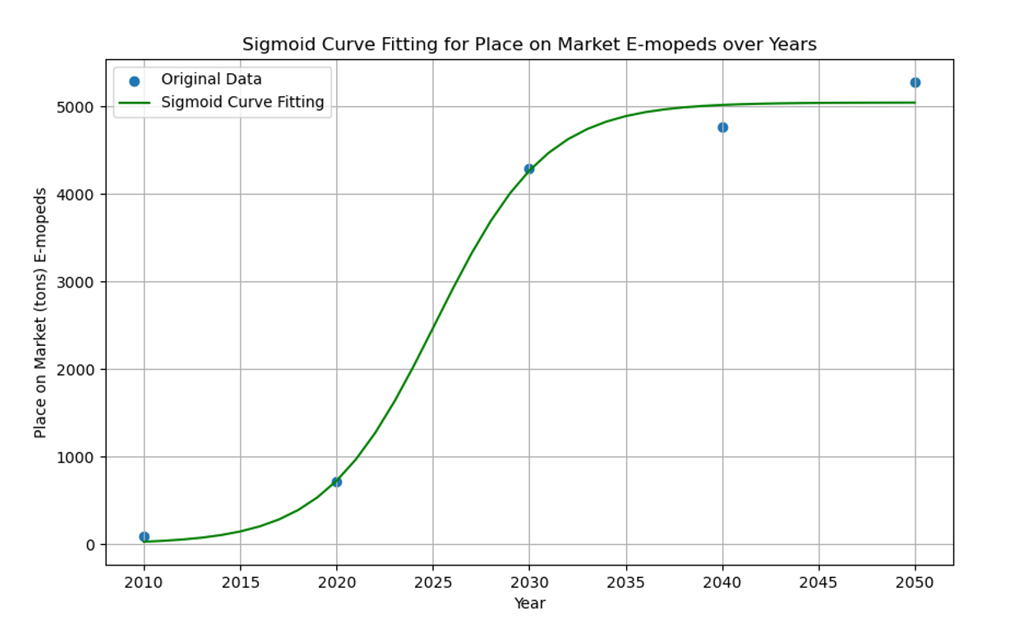
2022 | 1270.58 | 105006.27
2023 | 1629.70 | 134686.35
2024 | 2035.62 | 168232.69
2025 | 2469.55 | 204095.05
2026 | 2906.68 | 240221.51
2027 | 3321.45 | 274499.86
2028 | 3693.24 | 305226.52
2029 | 4009.90 | 331396.66
2030 | 4268.07 | 449270.12
2031 | 4471.15 | 470647.12
2032 | 4626.45 | 486994.50
2033 | 4742.66 | 499227.60
2034 | 4828.22 | 508234.20
2035 | 4890.47 | 514786.20
2036 | 4935.36 | 519511.08
2037 | 4967.52 | 522896.90
2038 | 4990.47 | 525312.20
2039 | 5006.78 | 527029.62
2040 | 5018.36 | 551467.69
2041 | 5026.55 | 552368.55
2042 | 5032.35 | 553005.87
2043 | 5036.45 | 553456.37
2044 | 5039.35 | 553774.63
2045 | 5041.39 | 553999.37
2046 | 5042.84 | 554158.04
2047 | 5043.86 | 554270.03
2048 | 5044.58 | 554349.06
2049 | 5045.08 | 554404.83
2050 | 5045.44 | 554444.18

E-Motorcycles EU27+4
LMT Application: E-Motorcycles
Year | POM Batteries [t] | POM Batteries [units] | E-Motorcycles POM batteries [t] from JRC report (MDS):
2010 | 159.07 | 2536.96 | 2010 | 52
2011 | 213.07 | 3398.17 | 2020 | 1225
2012 | 285.25 | 4549.46 | 2030 | 23358
2013 | 381.64 | 6086.75 | 2040 | 32010
2014 | 510.15 | 8136.29 | 2050 | 40131
2015 | 681.12 | 10863.12
2016 | 907.97 | 14481.10 | E-Motorcycles average weight [kg/battery] from JRC report (MDS)
2017 | 1207.85 | 19263.99 | 2020 | 62.7
2018 | 1602.39 | 25556.47 | 2030 | 42.5
2019 | 2118.18 | 33782.74 | 2040 | 38.2
2020 | 2786.92 | 44448.50
2021 | 3644.74 | 58129.83 | Approach: sigmoid curve
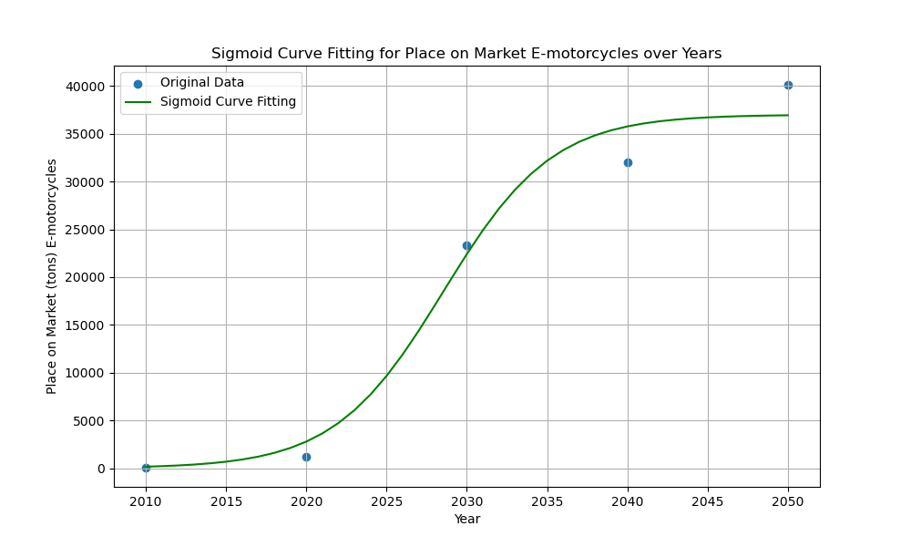
2022 | 4730.10 | 75440.21
2023 | 6079.77 | 96966.04
2024 | 7722.41 | 123164.45
2025 | 9670.10 | 154228.00
2026 | 11909.24 | 189940.04
2027 | 14393.87 | 229567.29
2028 | 17044.83 | 271847.29
2029 | 19757.44 | 315110.69
2030 | 22416.97 | 527458.16
2031 | 24917.37 | 586291.06
2032 | 27177.16 | 639462.69
2033 | 29147.79 | 685830.44
2034 | 30813.40 | 725021.23
2035 | 32184.43 | 757280.66
2036 | 33288.59 | 783261.01
2037 | 34162.30 | 803818.92
2038 | 34844.07 | 819860.41
2039 | 35370.28 | 832241.78
2040 | 35773.01 | 936466.19
2041 | 36079.25 | 944483.06
2042 | 36310.98 | 950549.30
2043 | 36485.68 | 955122.48
2044 | 36617.01 | 958560.39
2045 | 36715.53 | 961139.41
2046 | 36789.31 | 963071.05
2047 | 36844.51 | 964516.09
2048 | 36885.77 | 965596.16
2049 | 36916.59 | 966402.90
2050 | 36939.60 | 967005.18

E-Bikes EU27+4
LMT Application: E-Bikes
Year | POM Batteries [t] | POM Batteries [units] | E-Bikes POM batteries [t] from JRC report (MDS):
2010 | 1601.00 | 592962.96 | 2010 | 1601
2011 | 1839.76 | 681392.96 | 2020 | 12249
2012 | 2354.47 | 872024.47 | 2030 | 25017
2013 | 3106.97 | 1150730.61 | 2040 | 28780
2014 | 4061.14 | 1504124.98 | 2050 | 32429
2015 | 5182.82 | 1919561.36
2016 | 6439.86 | 2385135.18 | E-Bike average weight [kg/battery] from JRC report (MDS)
2017 | 7802.15 | 2889683.79 | 2020 | 2.7
2018 | 9241.52 | 3422785.37 | 2030 | 2.5
2019 | 10731.85 | 3974759.66 | 2040 | 2.6
2020 | 12249.00 | 4536667.57
2021 | 13770.84 | 5100311.41
2022 | 15277.23 | 5658234.32 | Approach: polynomial curve --> units are most suitable with POM e-bike data
2023 | 16750.05 | 6203722.06
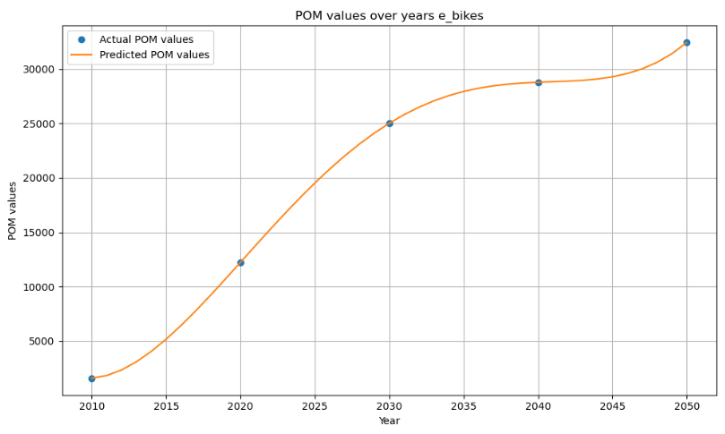
2024 | 18173.16 | 6730800.24
2025 | 19532.44 | 7234237.20
2026 | 20815.76 | 7709541.11
2027 | 22013.00 | 8152962.87
2028 | 23116.03 | 8561493.78
2029 | 24118.74 | 8932867.12
2030 | 25017.00 | 10006801.37
2031 | 25808.70 | 10323480.96
2032 | 26493.72 | 10597488.87
2033 | 27073.95 | 10829579.30
2034 | 27553.27 | 11021306.54
2035 | 27937.57 | 11175026.56
2036 | 28234.74 | 11293895.31
2037 | 28454.67 | 11381869.73
2038 | 28609.27 | 11443706.64
2039 | 28712.41 | 11484964.55
2040 | 28780.00 | 11069232.27
2041 | 28829.94 | 11088440.04
2042 | 28882.13 | 11108511.59
2043 | 28958.47 | 11137871.19
2044 | 29082.85 | 11185711.86
2045 | 29281.19 | 11261996.98
2046 | 29581.39 | 11377459.53
2047 | 30013.37 | 11543602.48
2048 | 30609.02 | 11772699.16
2049 | 31402.26 | 12077792.03
2050 | 32429.00 | 12472693.53

Small PLEVs EU27+4
LMT Application: Small PLEVs
Year | POM Batteries [t] | POM Batteries [units] | Small PLEV POM batteries [t] from JRC report (MDS):
2010 | 57.00 | 23750.00 | 2010 | 57
2011 | 114.19 | 47581.15 | 2020 | 520
2012 | 163.84 | 68267.62 | 2030 | 782
2013 | 211.51 | 88130.22 | 2040 | 1133
2014 | 257.30 | 107210.00 | 2050 | 1480
2015 | 301.32 | 125547.99
2016 | 343.64 | 143185.24 | Small PLEV average weight [kg/battery] from JRC report (MDS)
2017 | 384.39 | 160162.78 | 2020 | 2.4
2018 | 423.65 | 176521.67 | 2030 | 1.8
2019 | 461.53 | 192302.93 | 2040 | 1.8
2020 | 498.11 | 207547.62
2021 | 533.51 | 222296.77
2022 | 567.82 | 236591.43 | Approach: polynomial curve --> better fitting than sigmoid curve
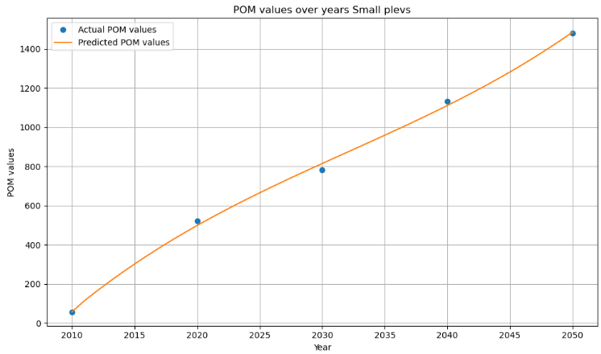
2023 | 601.13 | 250472.63
2024 | 633.56 | 263981.43
2025 | 665.18 | 277158.85
2026 | 696.11 | 290045.95
2027 | 726.44 | 302683.76
2028 | 756.27 | 315113.33
2029 | 785.70 | 327375.70
2030 | 814.83 | 452682.54
2031 | 843.75 | 468750.65
2032 | 872.57 | 484760.00
2033 | 901.38 | 500765.30
2034 | 930.28 | 516821.27
2035 | 959.37 | 532982.64
2036 | 988.75 | 549304.13
2037 | 1018.51 | 565840.46
2038 | 1048.76 | 582646.35
2039 | 1079.60 | 599776.53
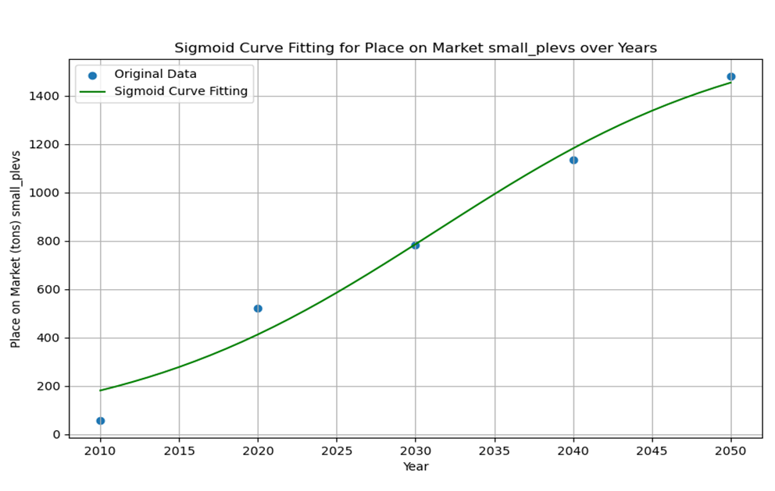
2040 | 1111.11 | 617285.71
2041 | 1143.41 | 635228.63
2042 | 1176.59 | 653660.00
2043 | 1210.74 | 672634.54
2044 | 1245.97 | 692206.98
2045 | 1282.38 | 712432.04
2046 | 1320.06 | 733364.44
2047 | 1359.11 | 755058.91
2048 | 1399.63 | 777570.16
2049 | 1441.72 | 800952.92
2050 | 1485.47 | 825261.90

E-Scooter EU27+4
LMT Application: E-Scooter
Year | POM Batteries [t] | POM Batteries [units] | E-Scooter POM batteries [t] from JRC report (MDS):
2010 | 24.00 | 8888.89 | 2010 | 24
2011 | 762.78 | 282511.48 | 2020 | 5226
2012 | 1375.56 | 509465.40 | 2030 | 6429
2013 | 1945.73 | 720639.10 | 2040 | 8343
2014 | 2475.14 | 916720.00 | 2050 | 9970
2015 | 2965.67 | 1098395.50
2016 | 3419.15 | 1266353.02 | E-Scooter average weight [kg/battery] from JRC report (MDS)
2017 | 3837.46 | 1421279.95 | 2020 | 2.7
2018 | 4222.43 | 1563863.70 | 2030 | 2.1
2019 | 4575.94 | 1694791.69 | 2040 | 2.1
2020 | 4899.83 | 1814751.32
2021 | 5195.96 | 1924430.00
2022 | 5466.19 | 2024515.13 | Approach: polynomial curve --> better fitting than sigmoid curve
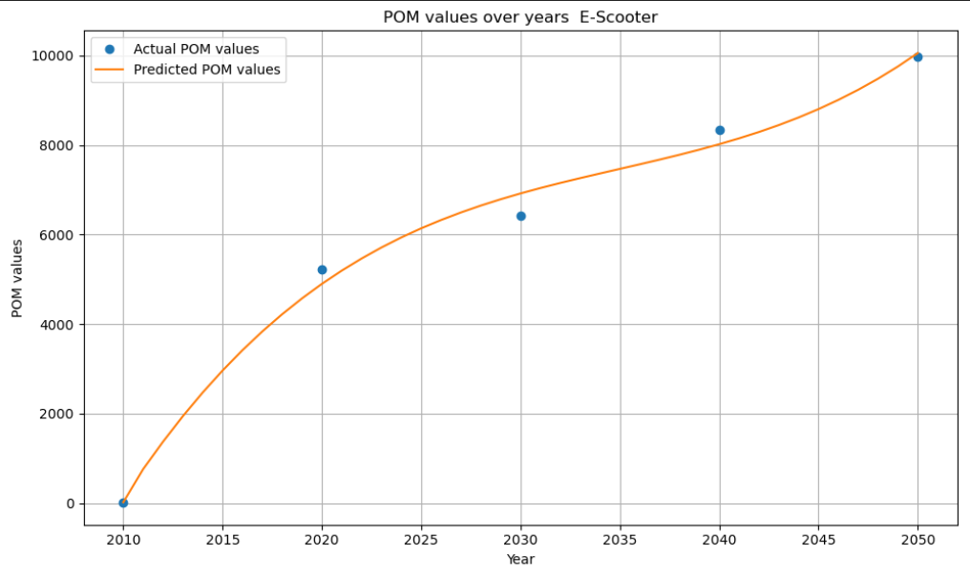
2023 | 5712.37 | 2115694.13
2024 | 5936.37 | 2198654.39
2025 | 6140.03 | 2274083.33
2026 | 6325.20 | 2342668.36
2027 | 6493.76 | 2405096.88
2028 | 6647.55 | 2462056.30
2029 | 6788.43 | 2514234.02
2030 | 6918.26 | 3294408.16
2031 | 7038.88 | 3351849.46
2032 | 7152.17 | 3405794.29
2033 | 7259.97 | 3457126.46
2034 | 7364.13 | 3506729.80
2035 | 7466.53 | 3555488.10
2036 | 7569.00 | 3604285.17
2037 | 7673.41 | 3654004.83
2038 | 7781.61 | 3705530.88
2039 | 7895.47 | 3759747.14
2040 | 8016.83 | 3817537.42
2041 | 8147.55 | 3879785.51
2042 | 8289.49 | 3947375.24
2043 | 8444.50 | 4021190.41
2044 | 8614.44 | 4102114.83
2045 | 8801.17 | 4191032.31
2046 | 9006.54 | 4288826.67
2047 | 9232.40 | 4396381.70
2048 | 9480.62 | 4514581.22
2049 | 9753.05 | 4644309.05
2050 | 10051.54 | 4786448.98

