Shift Codes
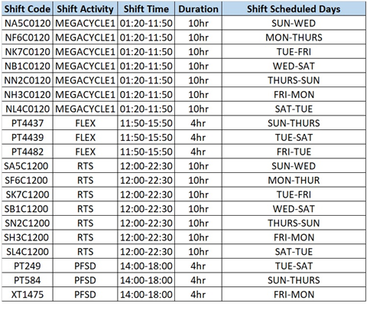
Shift Code | Shift Activity | Shift Time | Duration | Shift Scheduled Days
NA5C0120 | MEGACYCLE1 | 01:20-11:50 | 10hr | SUN-WED
NF6C0120 | MEGACYCLE1 | 01:20-11:50 | 10hr | MON-THURS
NK7C0120 | MEGACYCLE1 | 01:20-11:50 | 10hr | TUE-FRI
NB1C0120 | MEGACYCLE1 | 01:20-11:50 | 10hr | WED-SAT
NN2C0120 | MEGACYCLE1 | 01:20-11:50 | 10hr | THURS-SUN
NH3C0120 | MEGACYCLE1 | 01:20-11:50 | 10hr | FRI-MON
NL4C0120 | MEGACYCLE1 | 01:20-11:50 | 10hr | SAT-TUE
PT4437 | FLEX | 11:50-15:50 | 4hr | SUN-THURS
PT4439 | FLEX | 11:50-15:50 | 4hr | TUE-SAT
PT4482 | FLEX | 11:50-15:50 | 4hr | FRI-TUE
SA5C1200 | RTS | 12:00-22:30 | 10hr | SUN-WED
SF6C1200 | RTS | 12:00-22:30 | 10hr | MON-THUR
SK7C1200 | RTS | 12:00-22:30 | 10hr | TUE-FRI
SB1C1200 | RTS | 12:00-22:30 | 10hr | WED-SAT
SN2C1200 | RTS | 12:00-22:30 | 10hr | THURS-SUN
SH3C1200 | RTS | 12:00-22:30 | 10hr | FRI-MON
SL4C1200 | RTS | 12:00-22:30 | 10hr | SAT-TUE
PT249 | PFSD | 14:00-18:00 | 4hr | TUE-SAT
PT584 | PFSD | 14:00-18:00 | 4hr | SUN-THURS
XT1475 | PFSD | 14:00-18:00 | 4hr | FRI-MON

test barcodes
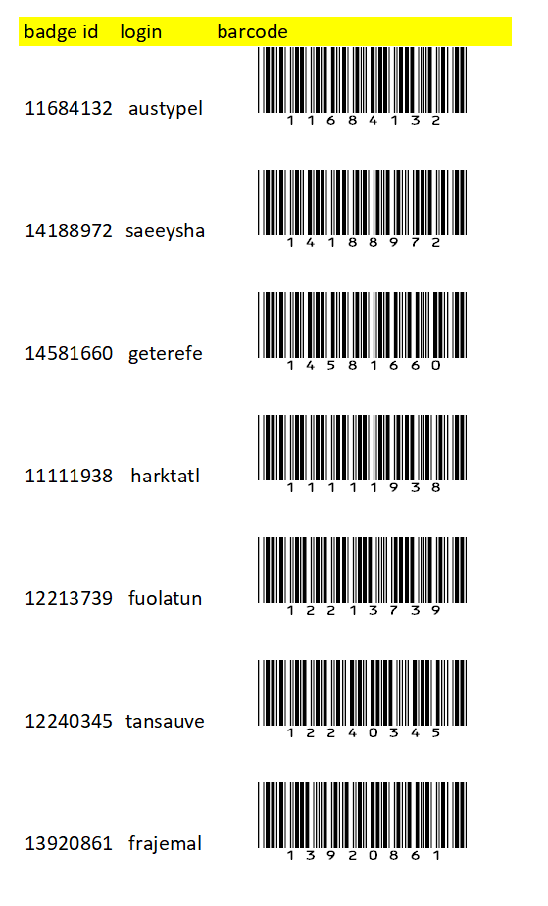
Print & Test

