Ma trận kề
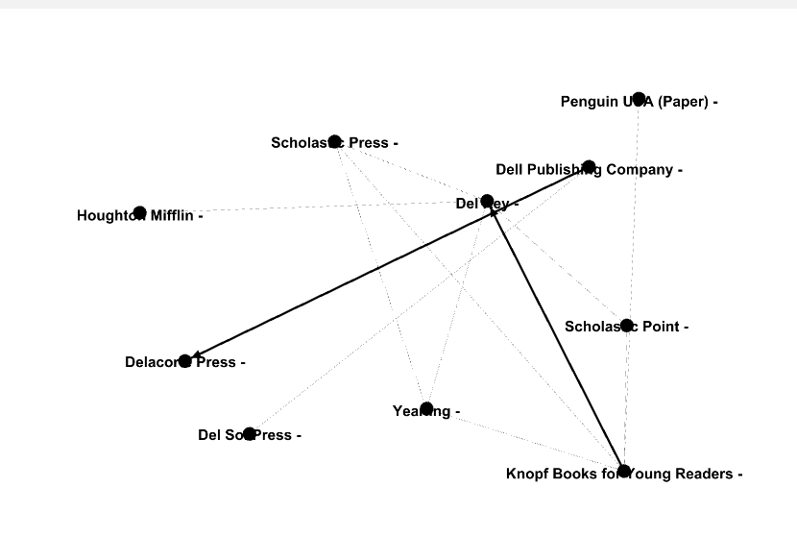
 | Scholastic Press | Del Rey | Yearling | Penguin USA (Paper) | Scholastic Point | Del Sol Press | Delacorte Press | Houghton Mifflin | Dell Publishing Company | Knopf Books for Young Readers
Scholastic Press | 0 | 1 | 1 | 0 | 0 | 0 | 0 | 0 | 0 | 1
Del Rey | 1 | 0 | 1 | 0 | 1 | 0 | 0 | 1 | 0 | 1
Yearling | 1 | 1 | 0 | 0 | 0 | 0 | 0 | 0 | 0 | 1
Penguin USA (Paper) | 0 | 0 | 0 | 0 | 0 | 0 | 0 | 0 | 0 | 1
Scholastic Point | 0 | 1 | 0 | 0 | 0 | 0 | 0 | 0 | 0 | 1
Del Sol Press | 0 | 0 | 0 | 0 | 0 | 0 | 0 | 0 | 1 | 0
Delacorte Press | 0 | 0 | 0 | 0 | 0 | 0 | 0 | 0 | 1 | 0
Houghton Mifflin | 0 | 1 | 0 | 0 | 0 | 0 | 0 | 0 | 0 | 0
Dell Publishing Company | 0 | 0 | 0 | 0 | 0 | 1 | 1 | 0 | 0 | 0
Knopf Books for Young Readers | 1 | 1 | 1 | 1 | 1 | 0 | 0 | 0 | 0 | 0

