Sheet1
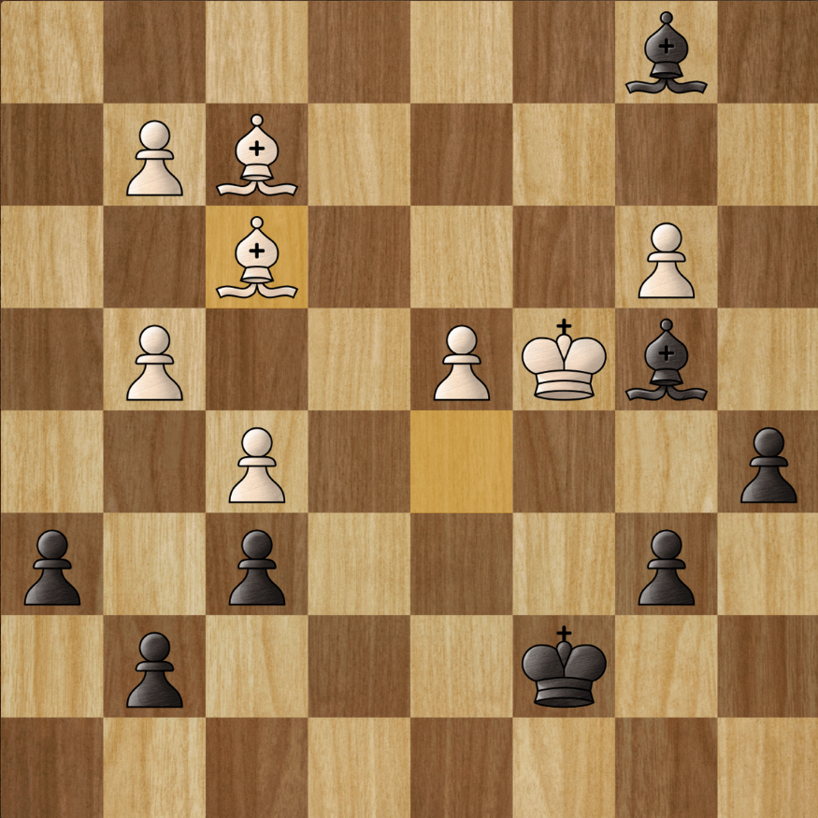
It costs what for a Jimmy choo?!?

