calendar
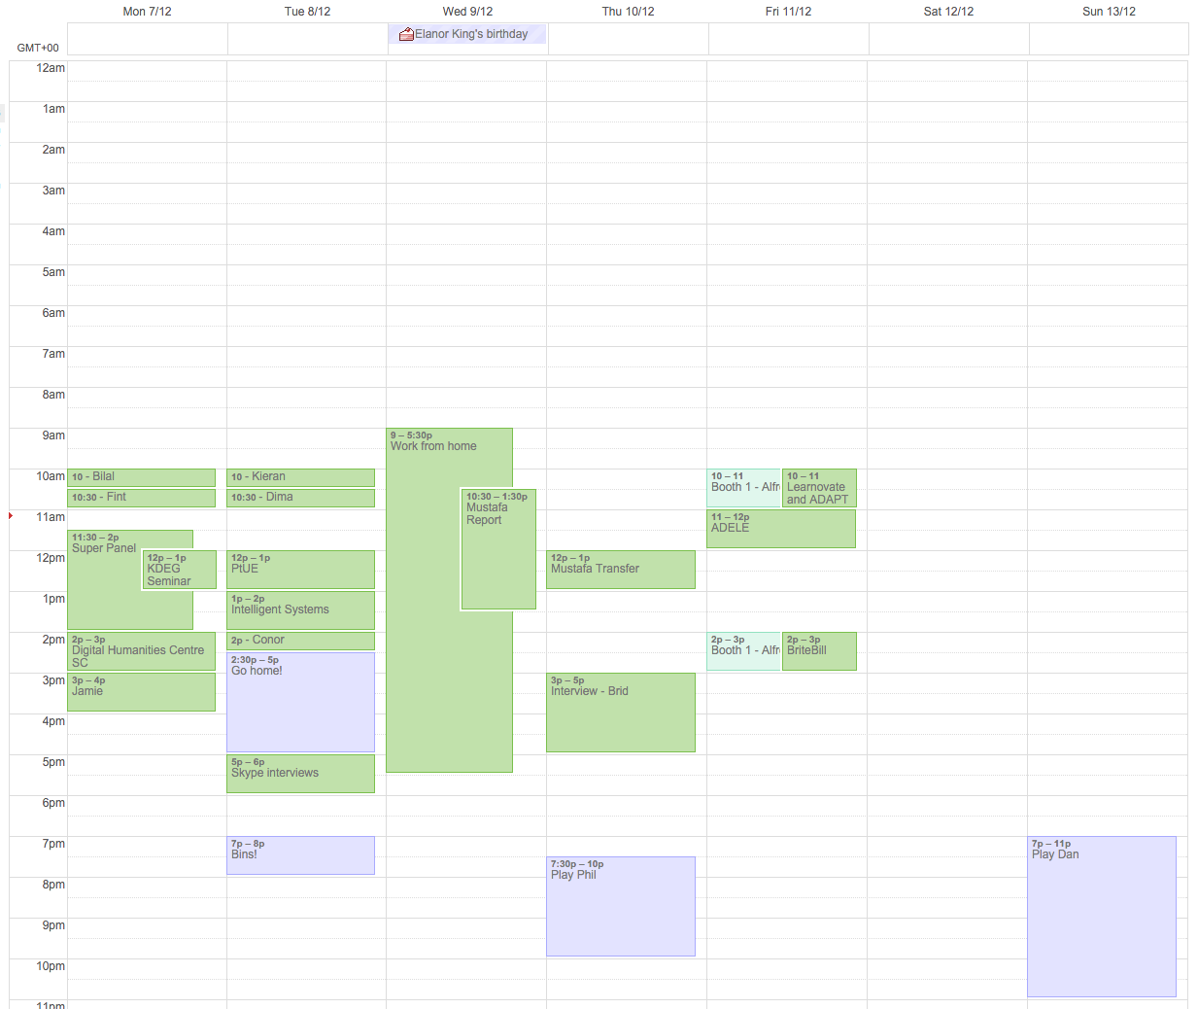
1 | now
2 | next break in your schedule
3 | next free period ( > 30 mins)
4 | next contextually relevant event - notificaiton will be delivered nearer the time of an event which is linked to the notification
5 | next contextually relevant event - notificaiton will be delivered nearer the time of an event which is linked to the notification

