Visual Defect Gallery
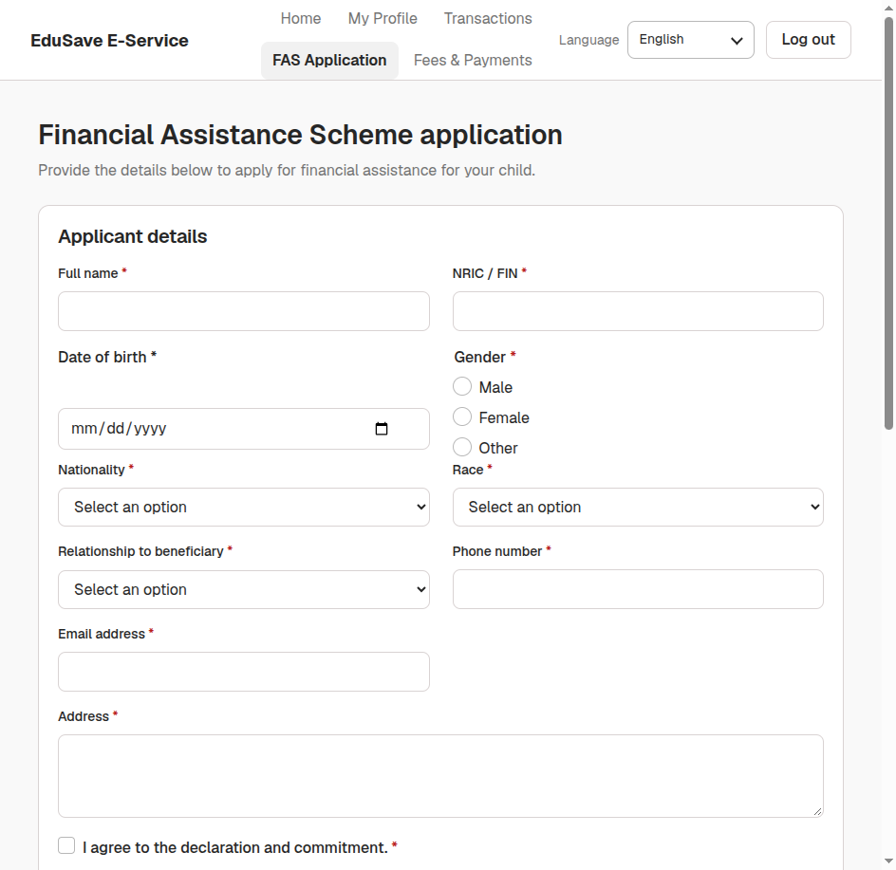
VISUAL DEFECT EVIDENCE GALLERY (REAL SCREENSHOTS)
Empirical visual evidence captured during automated bsk exploratory testing on localhost:5173 & localhost:5174

 | [BUG-EDUFAMS-001] MOEFAS Scheme Management API Returns HTTP 404 & Displays Unhandled Error Banner
 | Severity: S1 - Blocker | Priority: P1 - High | Component: FasService / Admin Portal (/moefas)
 | Defect Observation: API GET /api/fas/v1/fas/moe-schemes fails with HTTP 404; renders prominent red error alert banner.
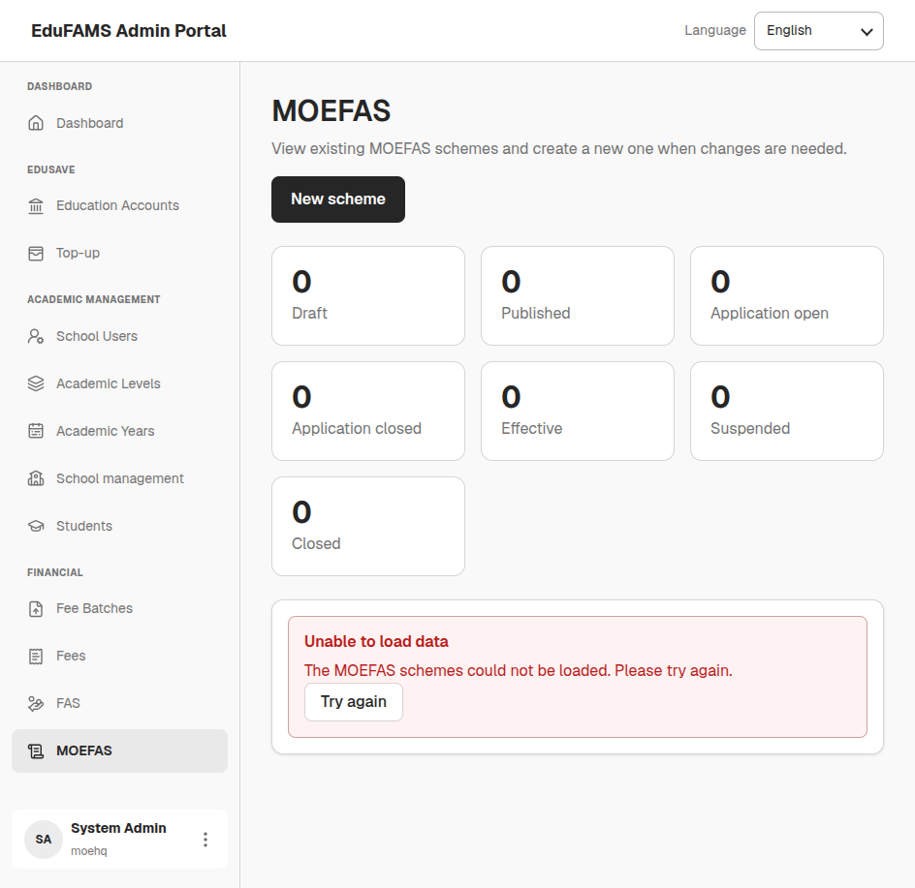

 | [BUG-EDUFAMS-002] Navigation Sidebar Exposes Unbuilt Scaffold Placeholders (/top-up, /fas) & Typo on Main Dashboard
 | Severity: S2 - Major | Priority: P2 - High | Component: apps/admin-portal (Layout & i18n)
 | Defect Observation: Header misspells 'Fanancial' and body says 'This feature is scaffolded...'. Both /top-up and /fas show blank placeholder cards.
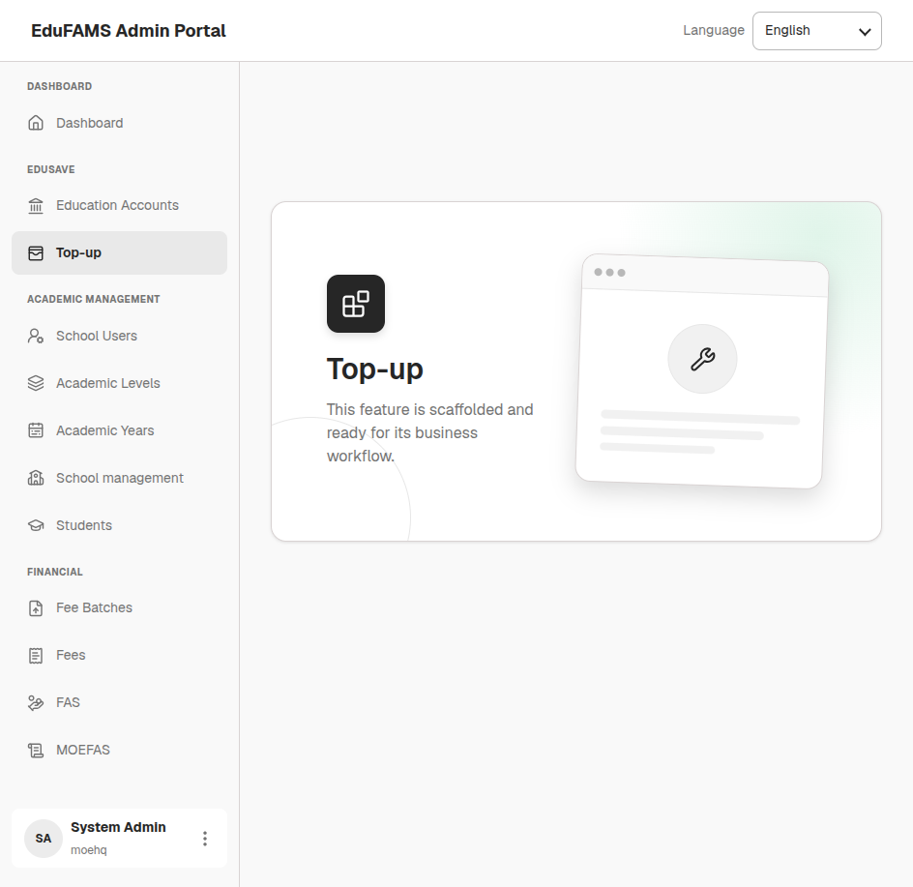

 | [BUG-EDUFAMS-003] MOE HQ Role Bounced with Red Error Toast Upon Accessing /class-management
 | Severity: S2 - Major | Priority: P2 - Medium | Component: apps/admin-portal/src/features/class-management
 | Defect Observation: Router guard bounces MOE HQ to root dashboard with red toast 'Access restricted'.
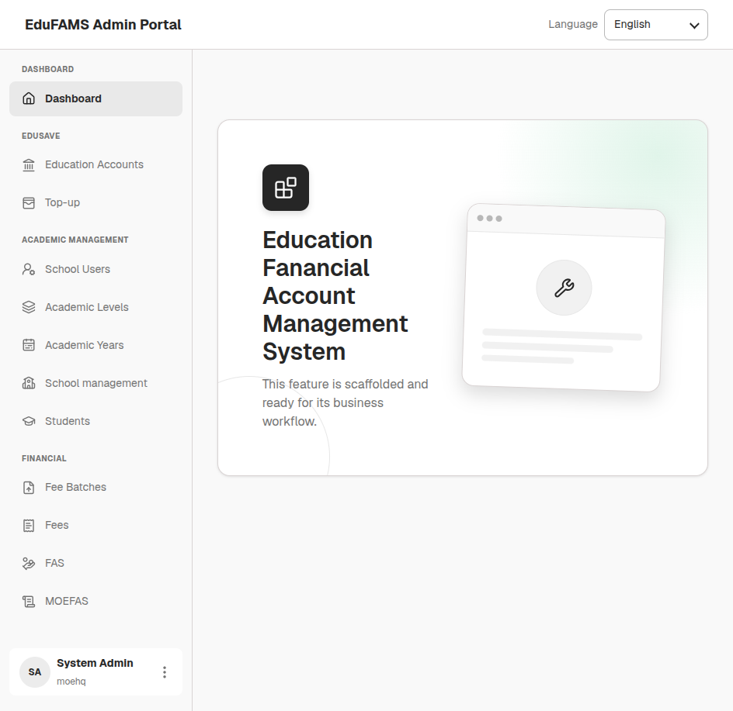

 | [BUG-EDUFAMS-004] Raw Technical GUIDs Rendered in Fee Publication Batches Table and Details
 | Severity: S3 - Moderate | Priority: P2 - Medium | Component: apps/admin-portal/src/features/fee-publication
 | Defect Observation: Raw GUIDs ffff0001-... and 01A159A5-... rendered instead of fee component and user names.
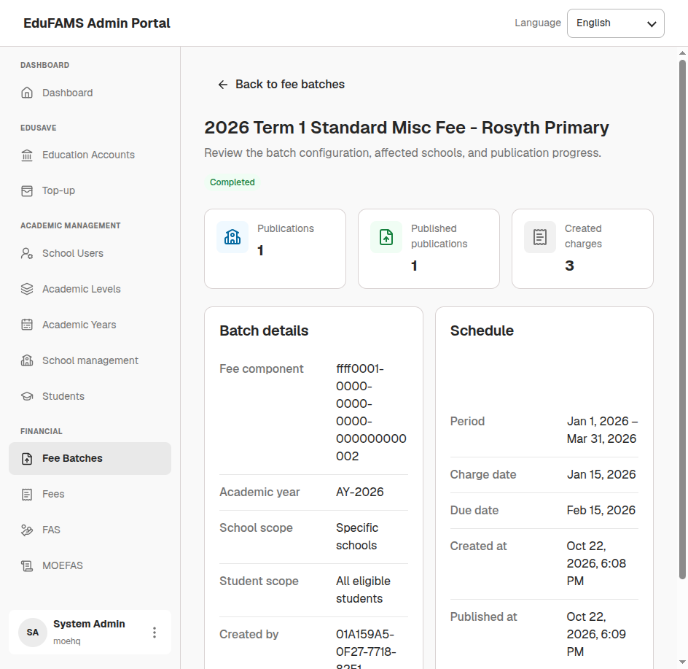

 | [BUG-EDUFAMS-005] Newly Created Students Display Raw UUID String Instead of Standard ID Format (STU-xxx)
 | Severity: S3 - Moderate | Priority: P3 - Low | Component: StudentSchoolService / Student Management
 | Defect Observation: New student Lucas Tan Wei Jie displays raw DB UUID f73e9aa4-0143-4826-9e48-93e184200d07 instead of STU-xxxxx.
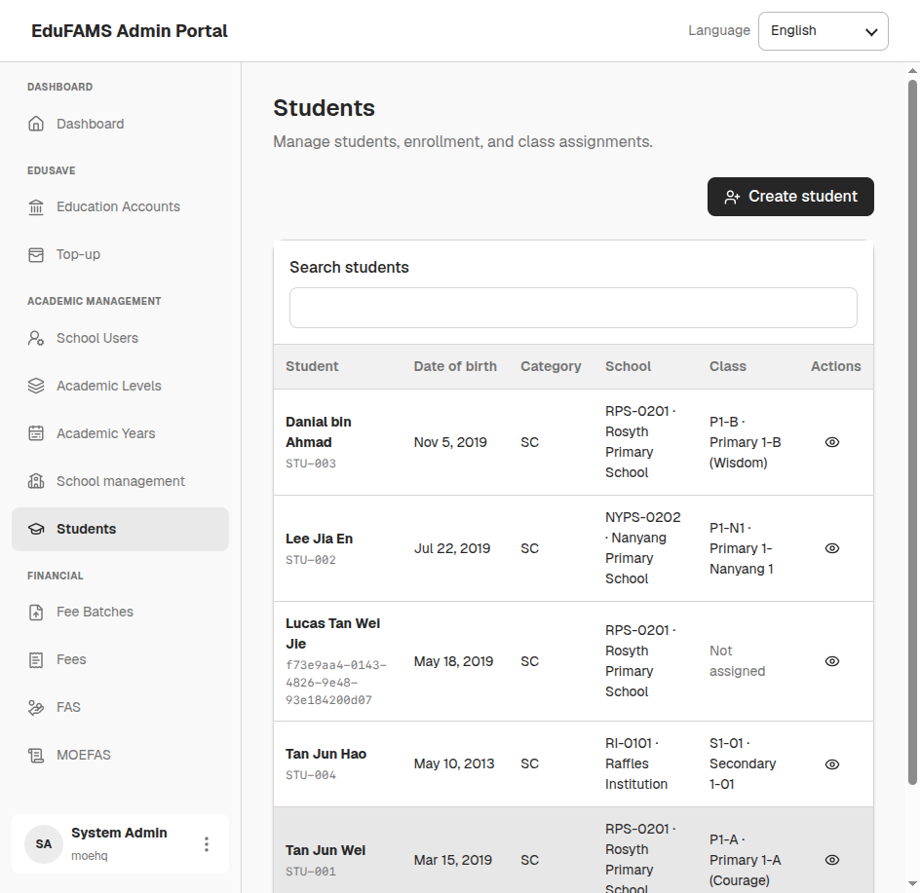

 | [BUG-EDUFAMS-006] Corrupted / Invalid Test Mock Data Persisted in Database (Age 25 in Primary 2)
 | Severity: S3 - Moderate | Priority: P3 - Low | Component: StudentSchoolDatabase.dbo.students
 | Defect Observation: Row 4 contains student 'Trần Tuấn Kiệt' born in 2001 (Age 25) enrolled in Primary 2 with corrupted class code '111111111111111111 · P2-X'.
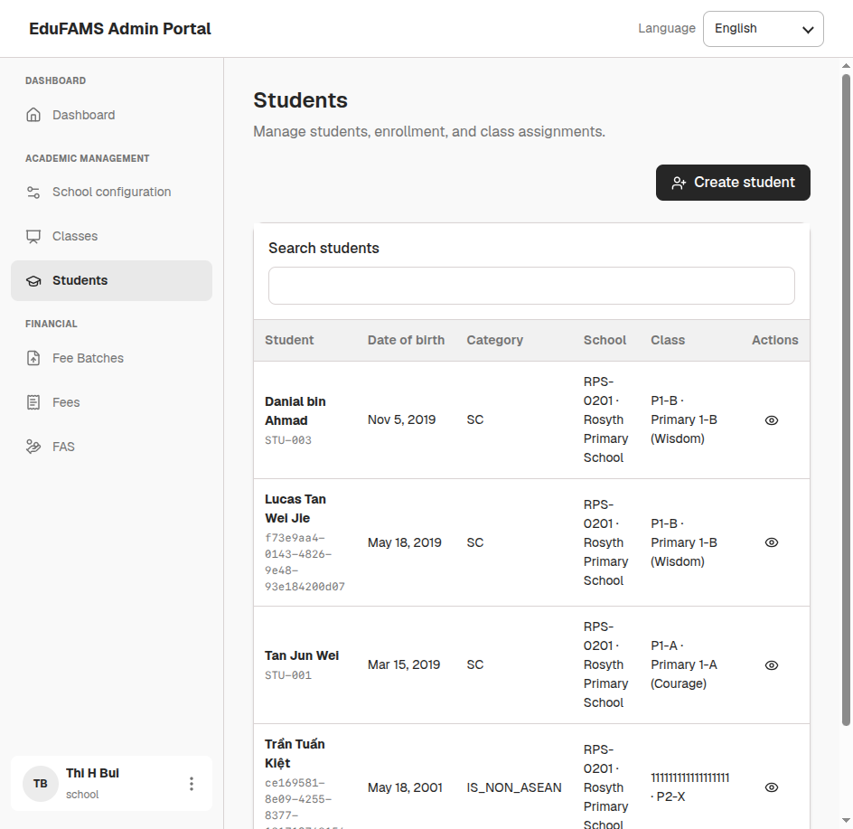

 | [BUG-EDUFAMS-007] Parent Portal Child Profile Card Renders Truncated Age Label (EDU-00172 · Age Active)
 | Severity: S4 - Minor | Priority: P3 - Low | Component: apps/parent-portal (E-Service Dashboard)
 | Defect Observation: Child Education Account card literally displays 'EDU-00172 · Age Active' missing calculated numerical age integer.
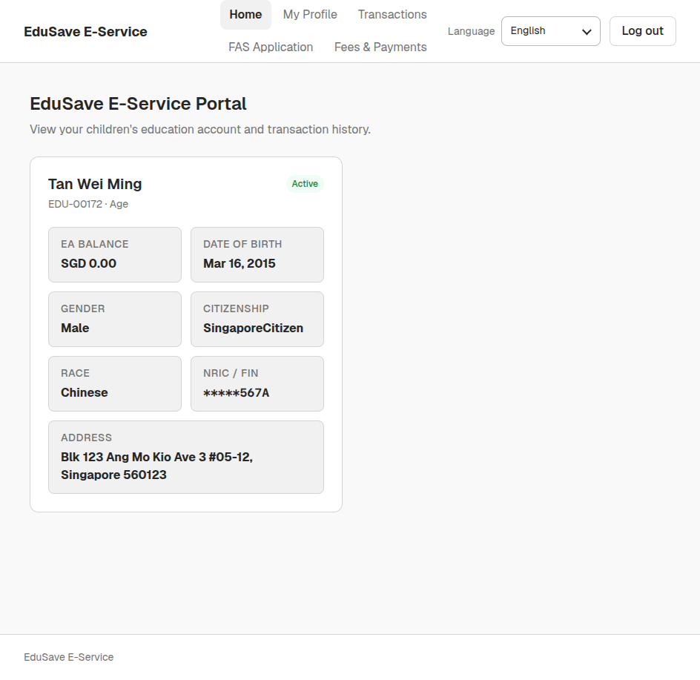

 | [BUG-EDUFAMS-008] End-to-End Workflow Disconnect: FAS Application Submitted by Parent Has No Review Queue in Admin Portal
 | Severity: S2 - Major | Priority: P2 - High | Component: FasService / Admin Portal & Parent Portal
 | Defect Observation: Parent Portal has complete intake form (/fas/apply), but Admin Portal /fas is a blank scaffold and /moefas is 404.

