Yeu Cau
How KNN algorithm works
Suppose we have height, weight and T-shirt size of some customers and we need to predict the T-shirt size of a new customer given only height and weight information we have. Data including height, weight and T-shirt size information is shown below -
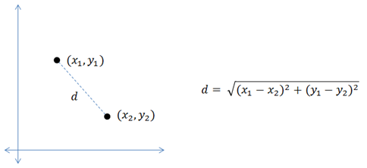
 | Height (in cms) | Weight (in kgs) | T Shirt Size | Distance Height | Distance Weight | rersullt
8 | 160 | 64 | L | 3 | 6 | 6.708203932
3 | 158 | 63 | M | 1 | 7 | 7.071067812
9 | 163 | 64 | L | 6 | 6 | 8.485281374
12 | 165 | 65 | L | 8 | 5 | 9.433981132
5 | 160 | 60 | M | 3 | 10 | 10.44030651
7 | 163 | 61 | M | 6 | 9 | 10.81665383
2 | 158 | 59 | M | 1 | 11 | 11.04536102
11 | 165 | 62 | L | 8 | 8 | 11.3137085
4 | 160 | 59 | M | 3 | 11 | 11.40175425
6 | 163 | 60 | M | 6 | 10 | 11.66190379
15 | 168 | 66 | L | 11 | 4 | 11.70469991
10 | 165 | 61 | L | 8 | 9 | 12.04159458
1 | 158 | 58 | M | 1 | 12 | 12.04159458
14 | 168 | 63 | L | 11 | 7 | 13.03840481
18 | 170 | 68 | L | 13 | 2 | 13.15294644
13 | 168 | 62 | L | 11 | 8 | 13.60147051
17 | 170 | 64 | L | 13 | 6 | 14.31782106
16 | 170 | 63 | L | 13 | 7 | 14.76482306

New customer named 'Monica' has height 161cm and weight 61kg => Predict T-shirt size if k=5
 |  | Tom | H 157 | W 70

