B182
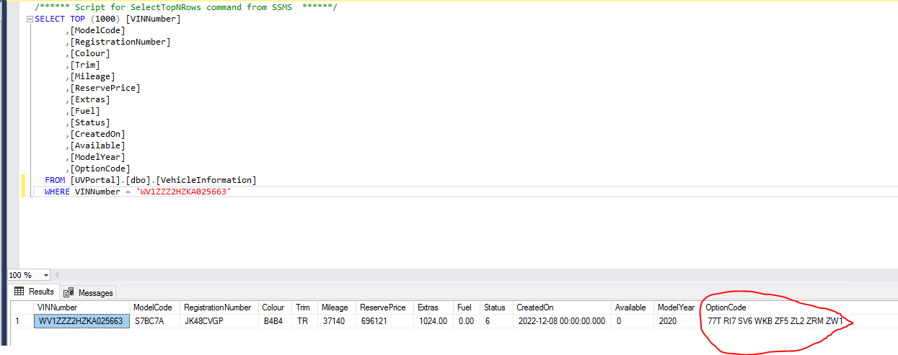
Options listed for vehicle on VIP application form

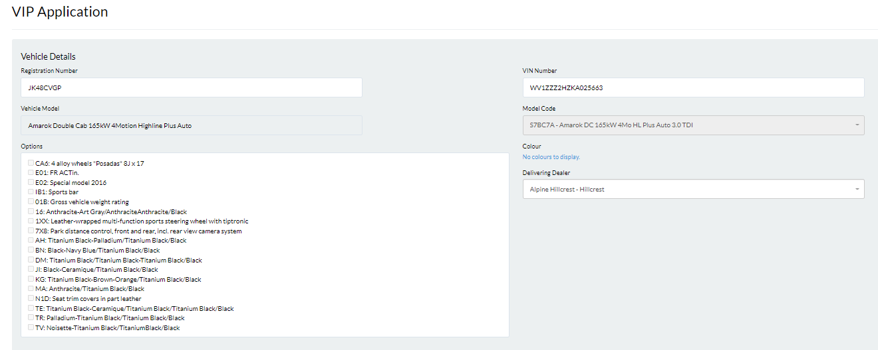

Options listed for vehicle in VehicleInformation table

B197
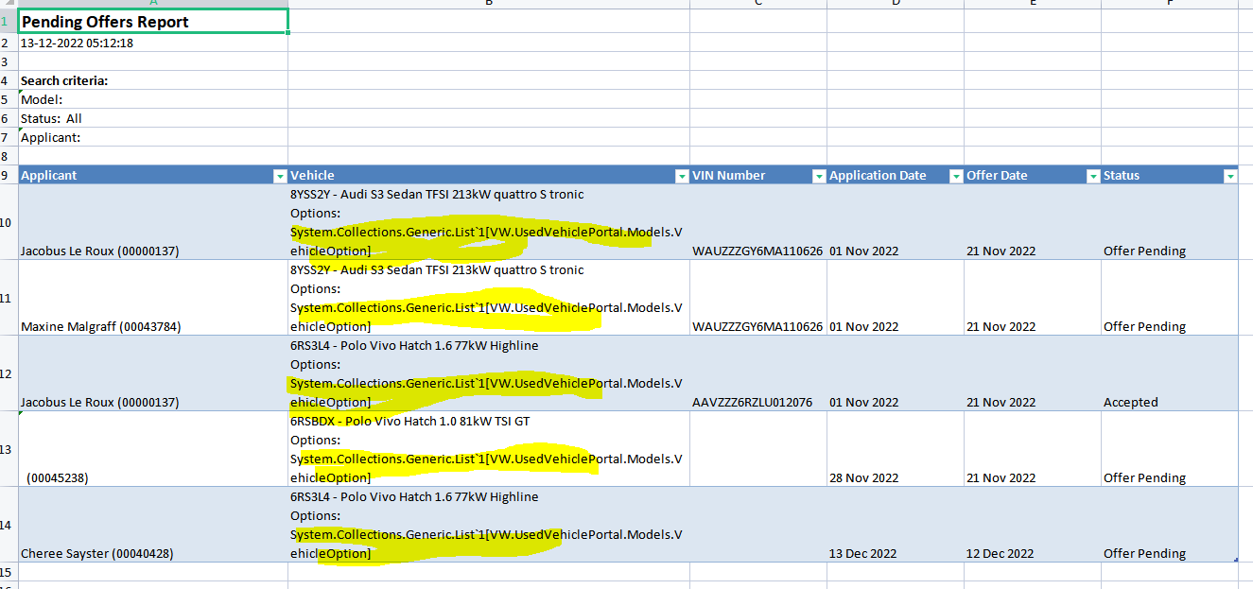

P0
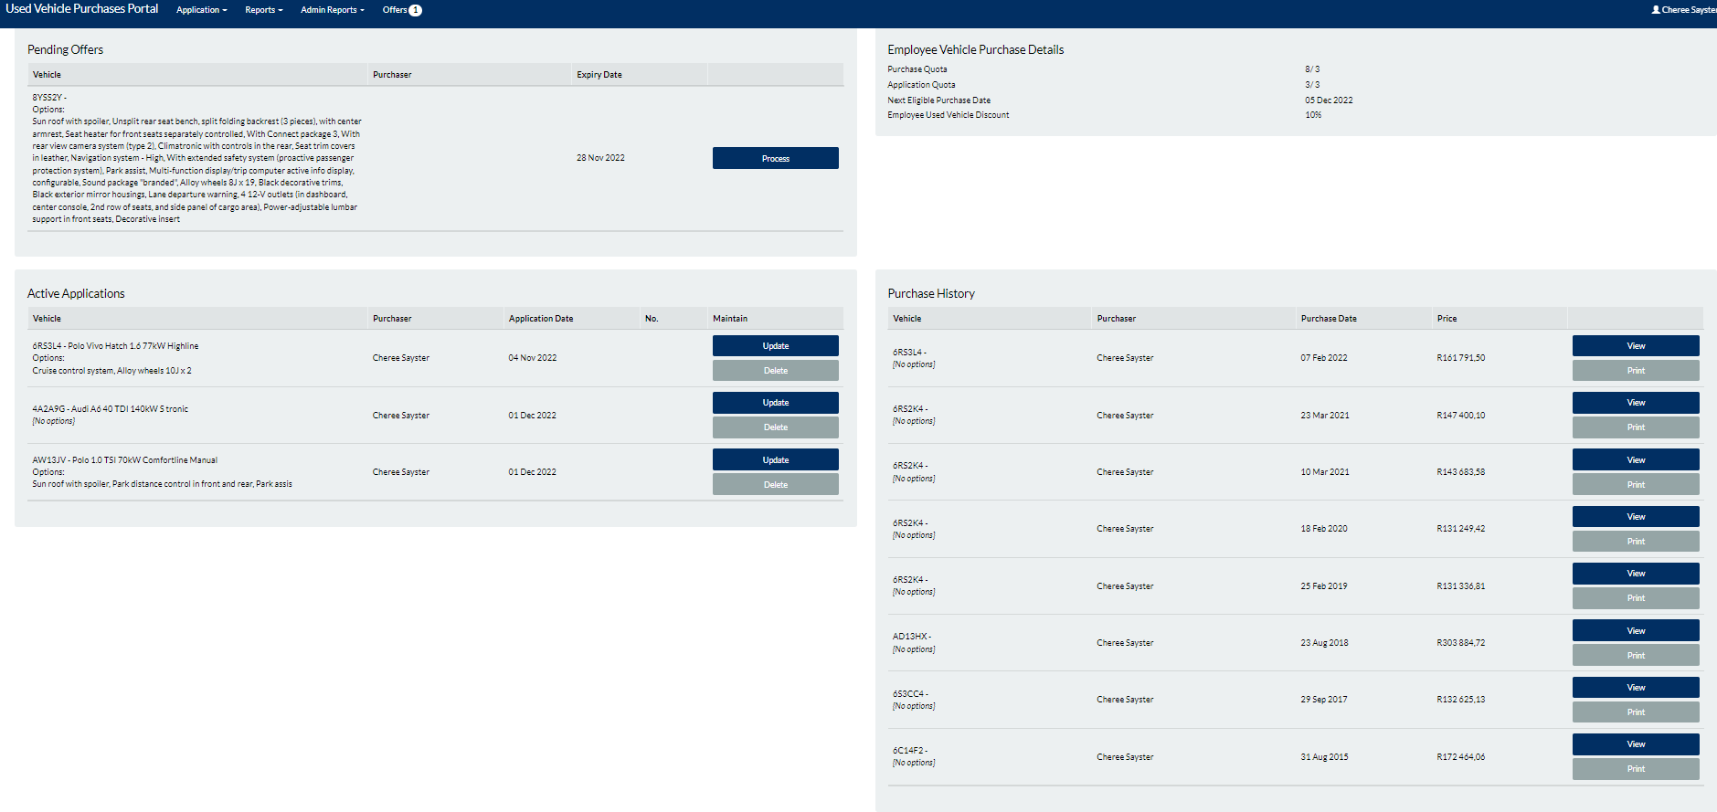

Back to Test Cases

UC1
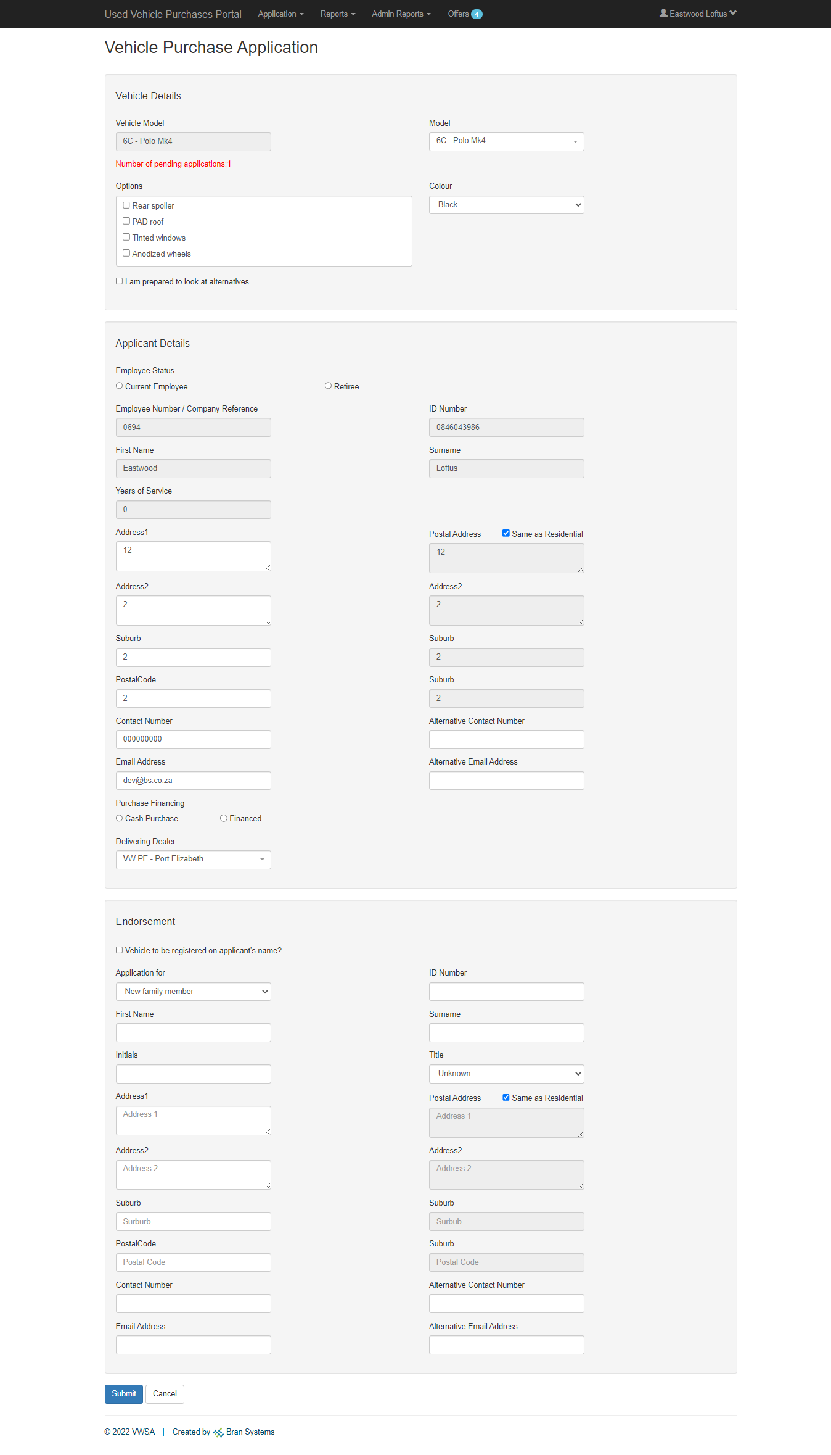
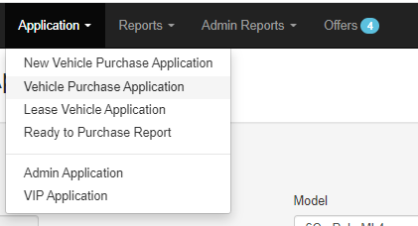

E1

UC1A
Back to Test Cases

UC1B
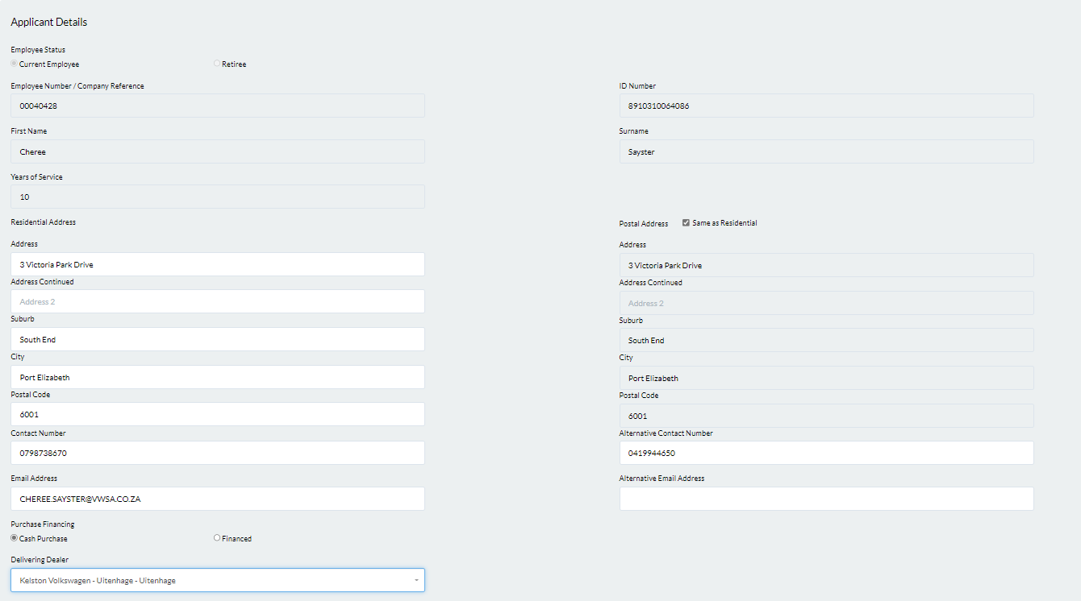

Back to Test Cases

UC1C (a)
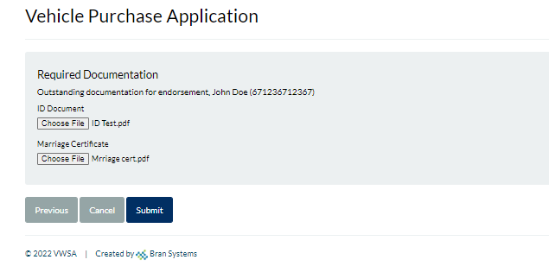
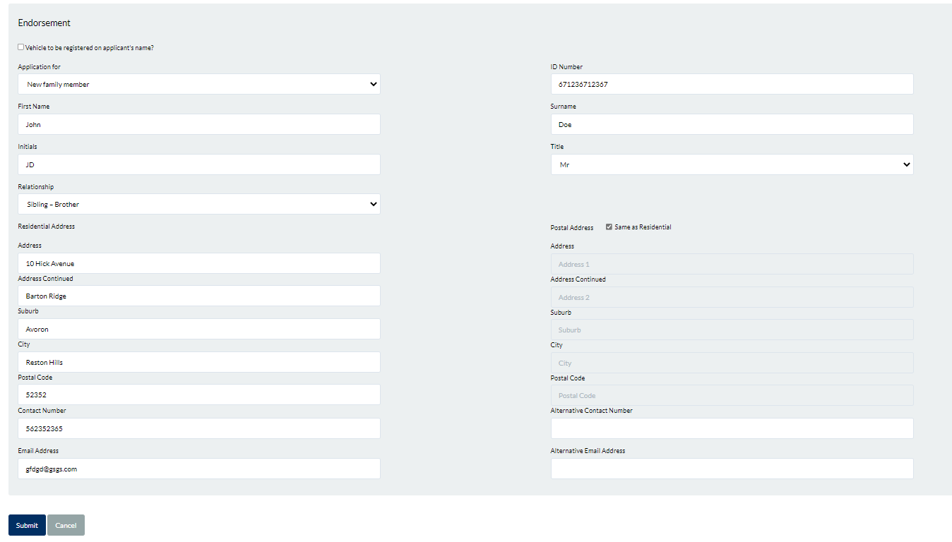
Back to Test Cases

UC1C (b)
Back to Test Cases

UC2
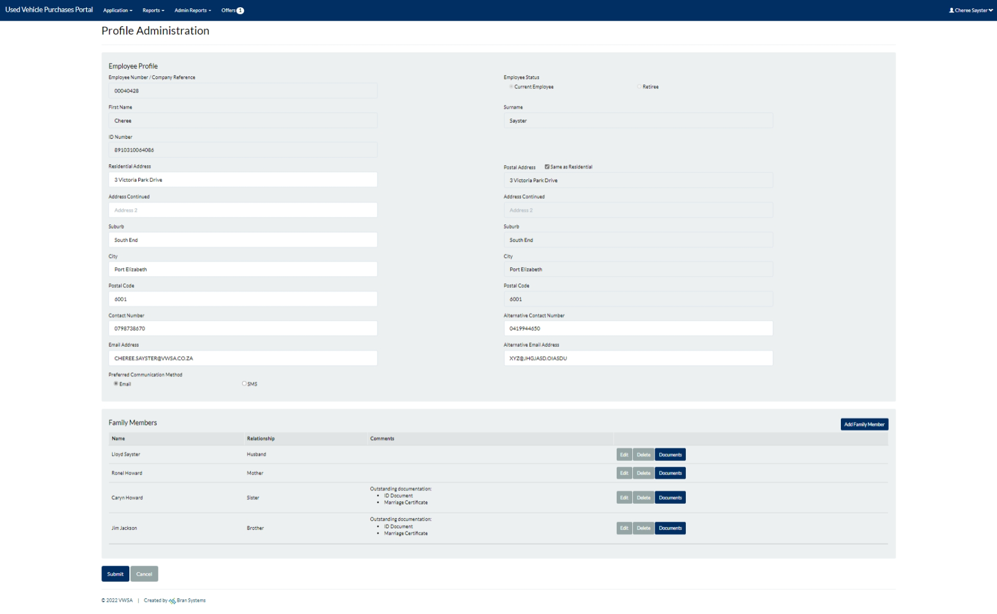

Back to Test Cases

UC2B (i)
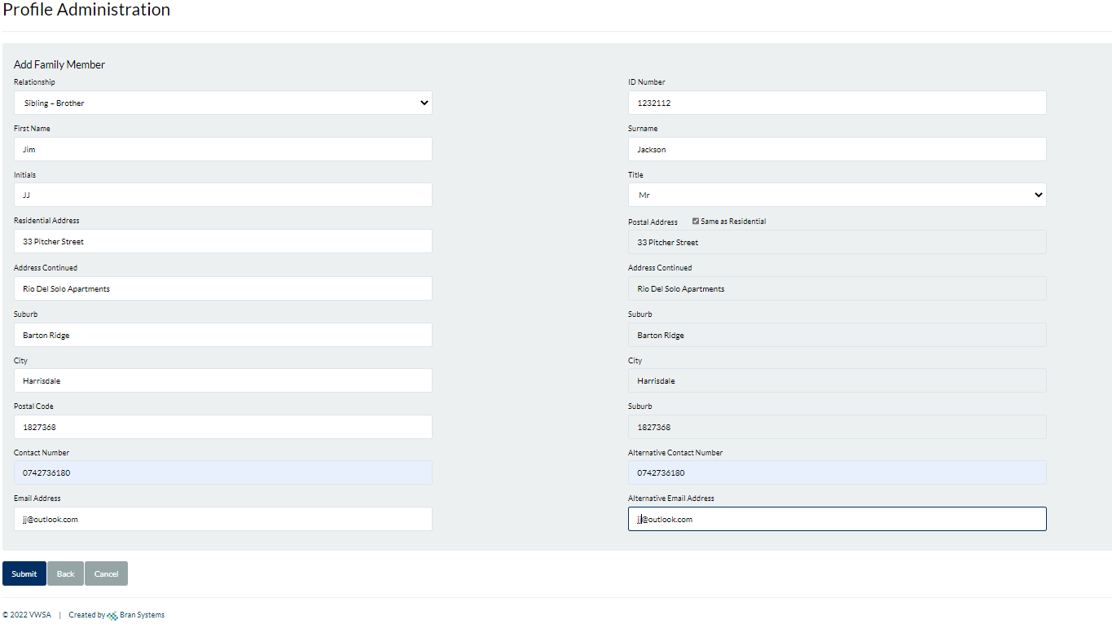

Back to Test Cases

UC2B (ii)
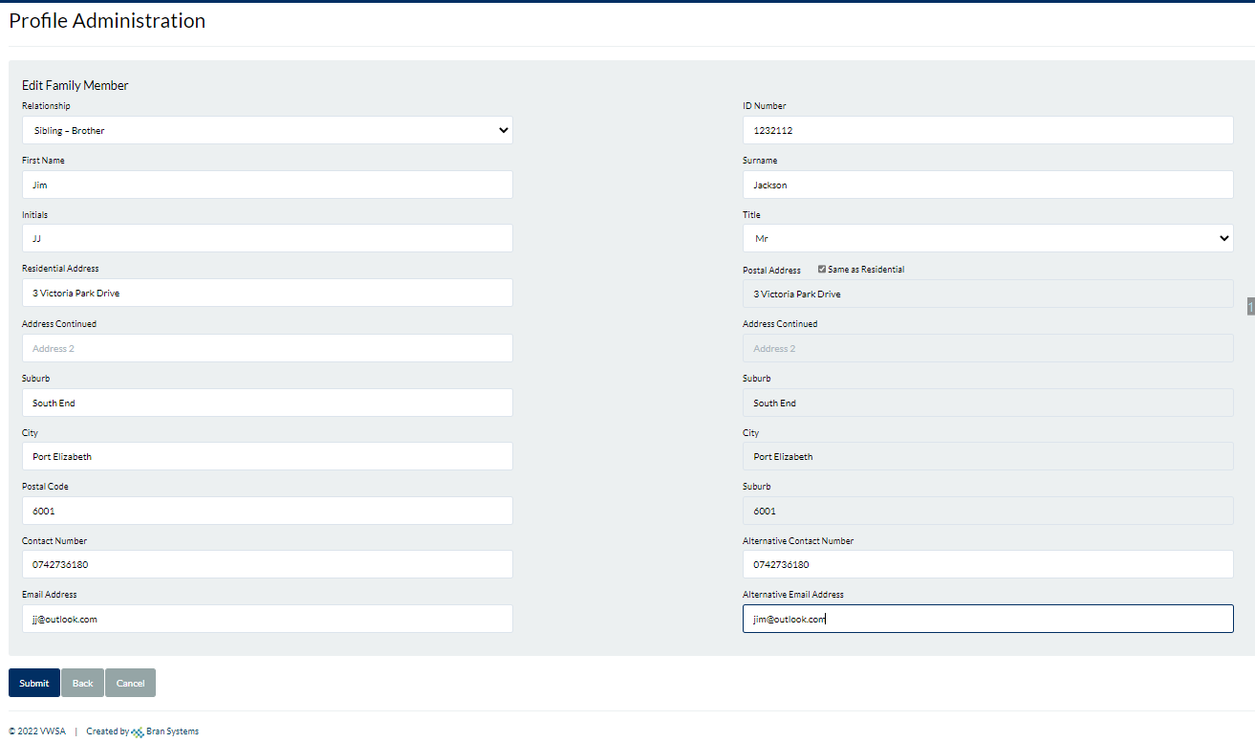

Back to Test Cases

UC2B (iii)
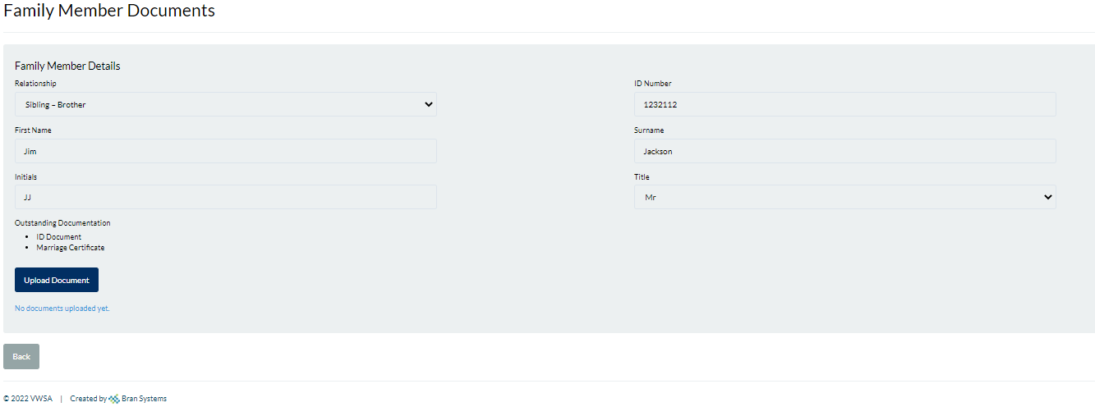

Back to Test Cases

UC2C
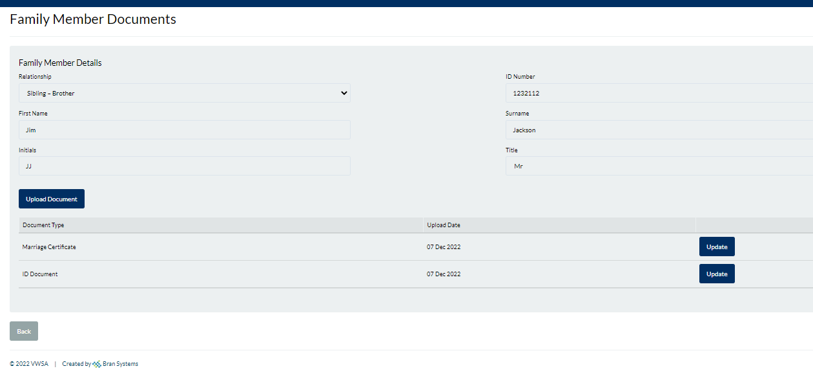

Back to Test Cases

UC4A (i)
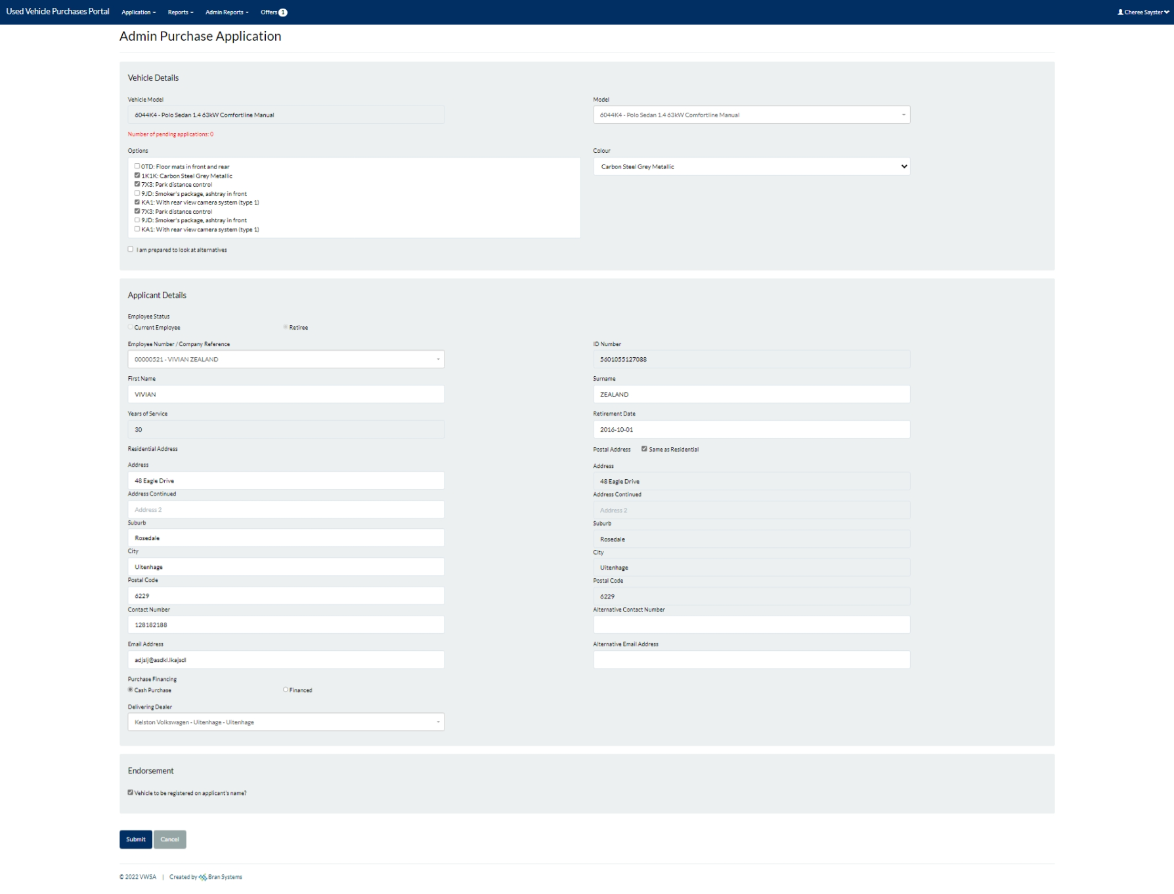

Back to Test Cases

UC4A (ii)
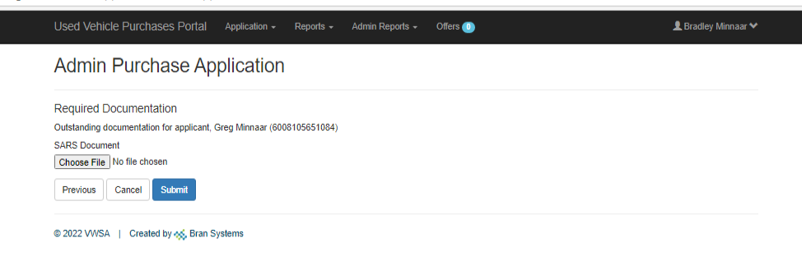

Back to Test Cases

UC4C (i)
Back to Test Cases

UC4C (iii)
Back to Test Cases

UC4C (iv)
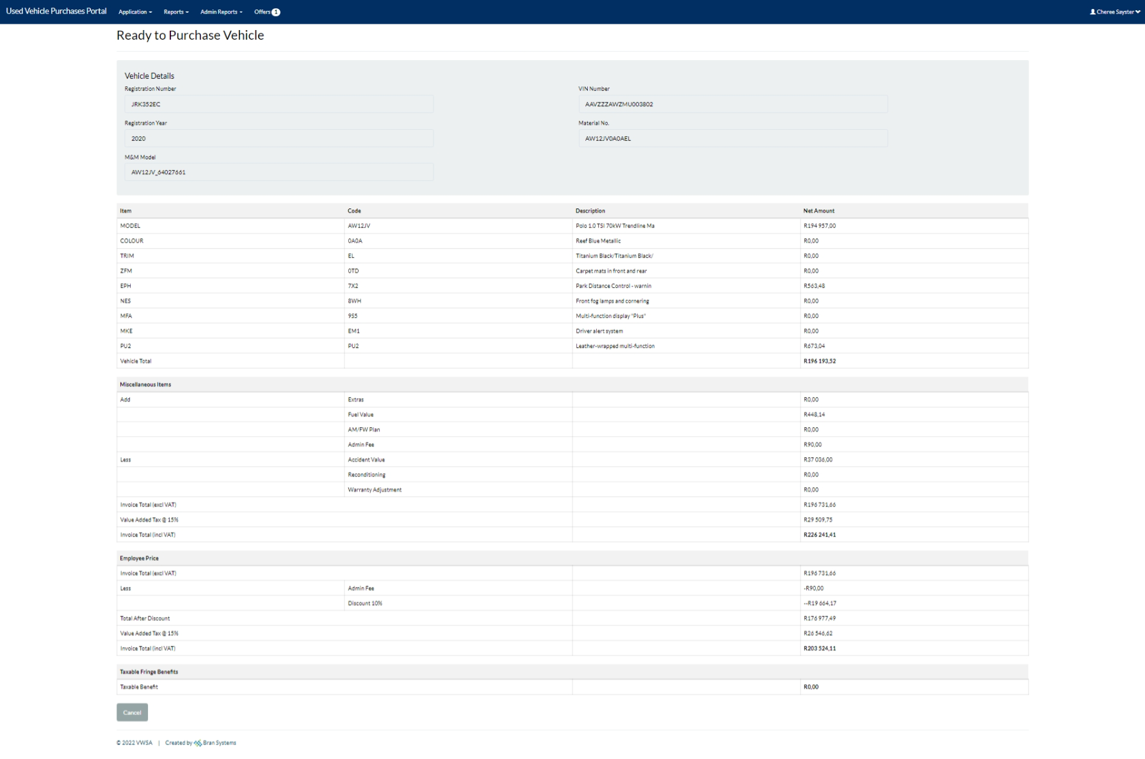

Back to Test Cases

UC4C (v)
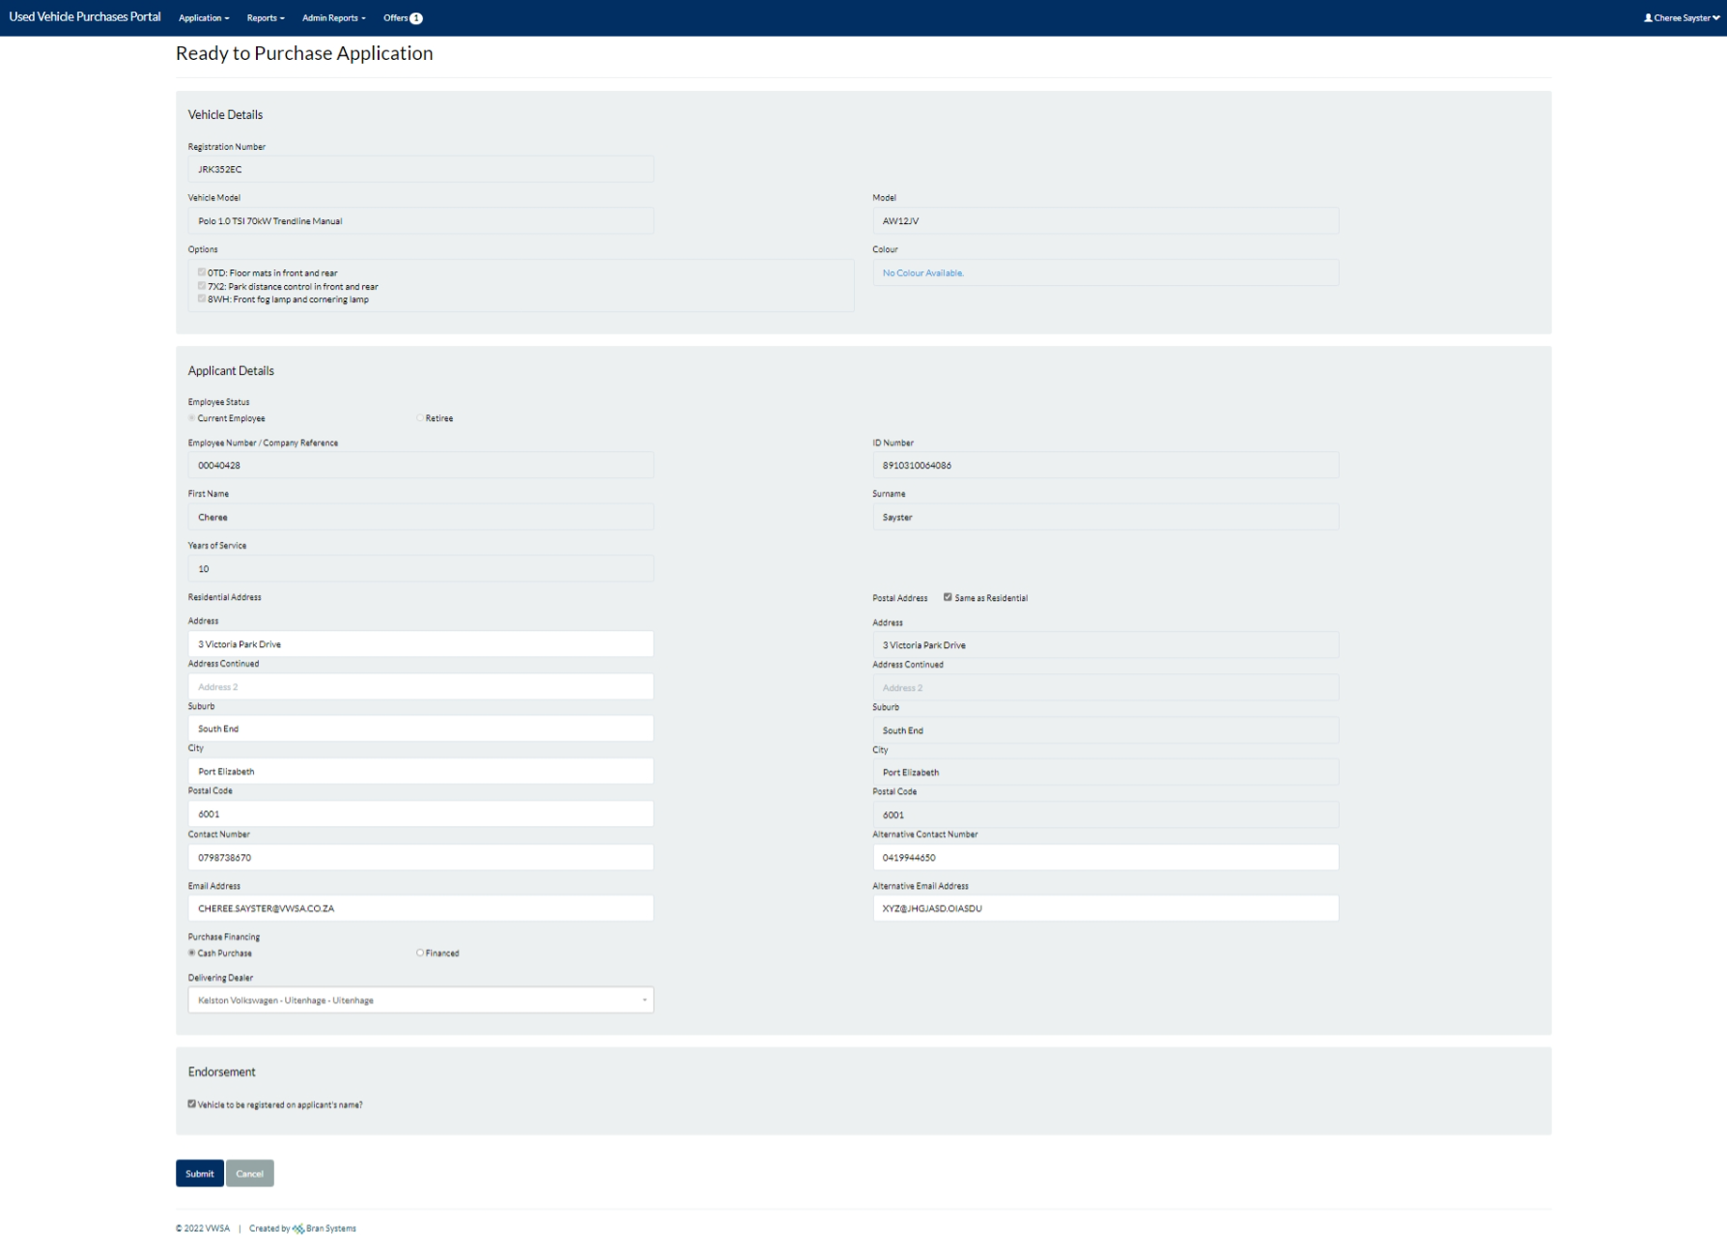

Back to Test Cases

UC4C (ii)
Back to Test Cases

UC4D-1(i)
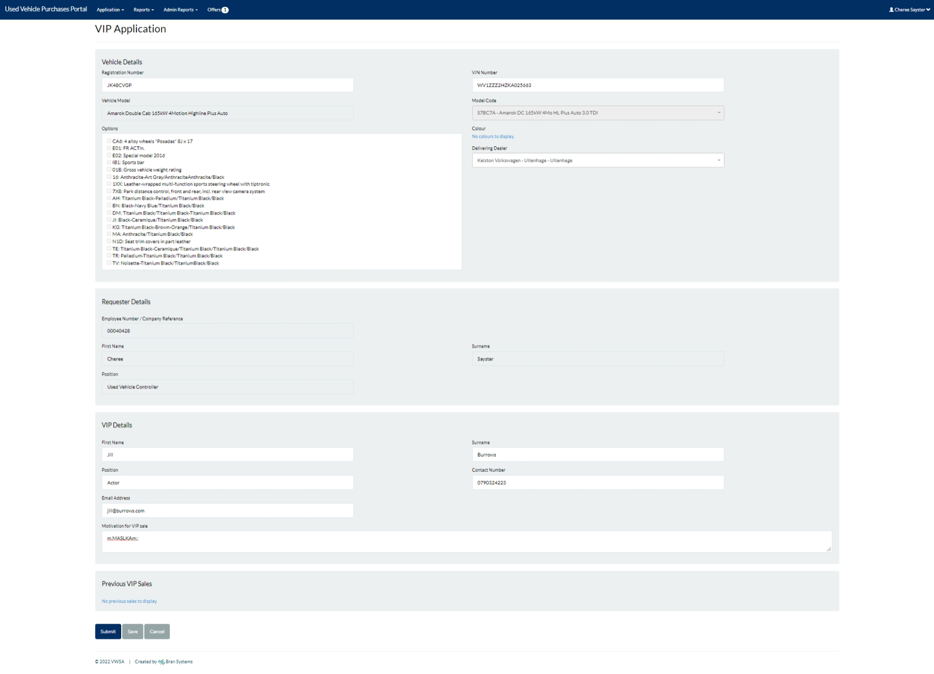

Back to Test Cases

Back to Test Cases

UC6
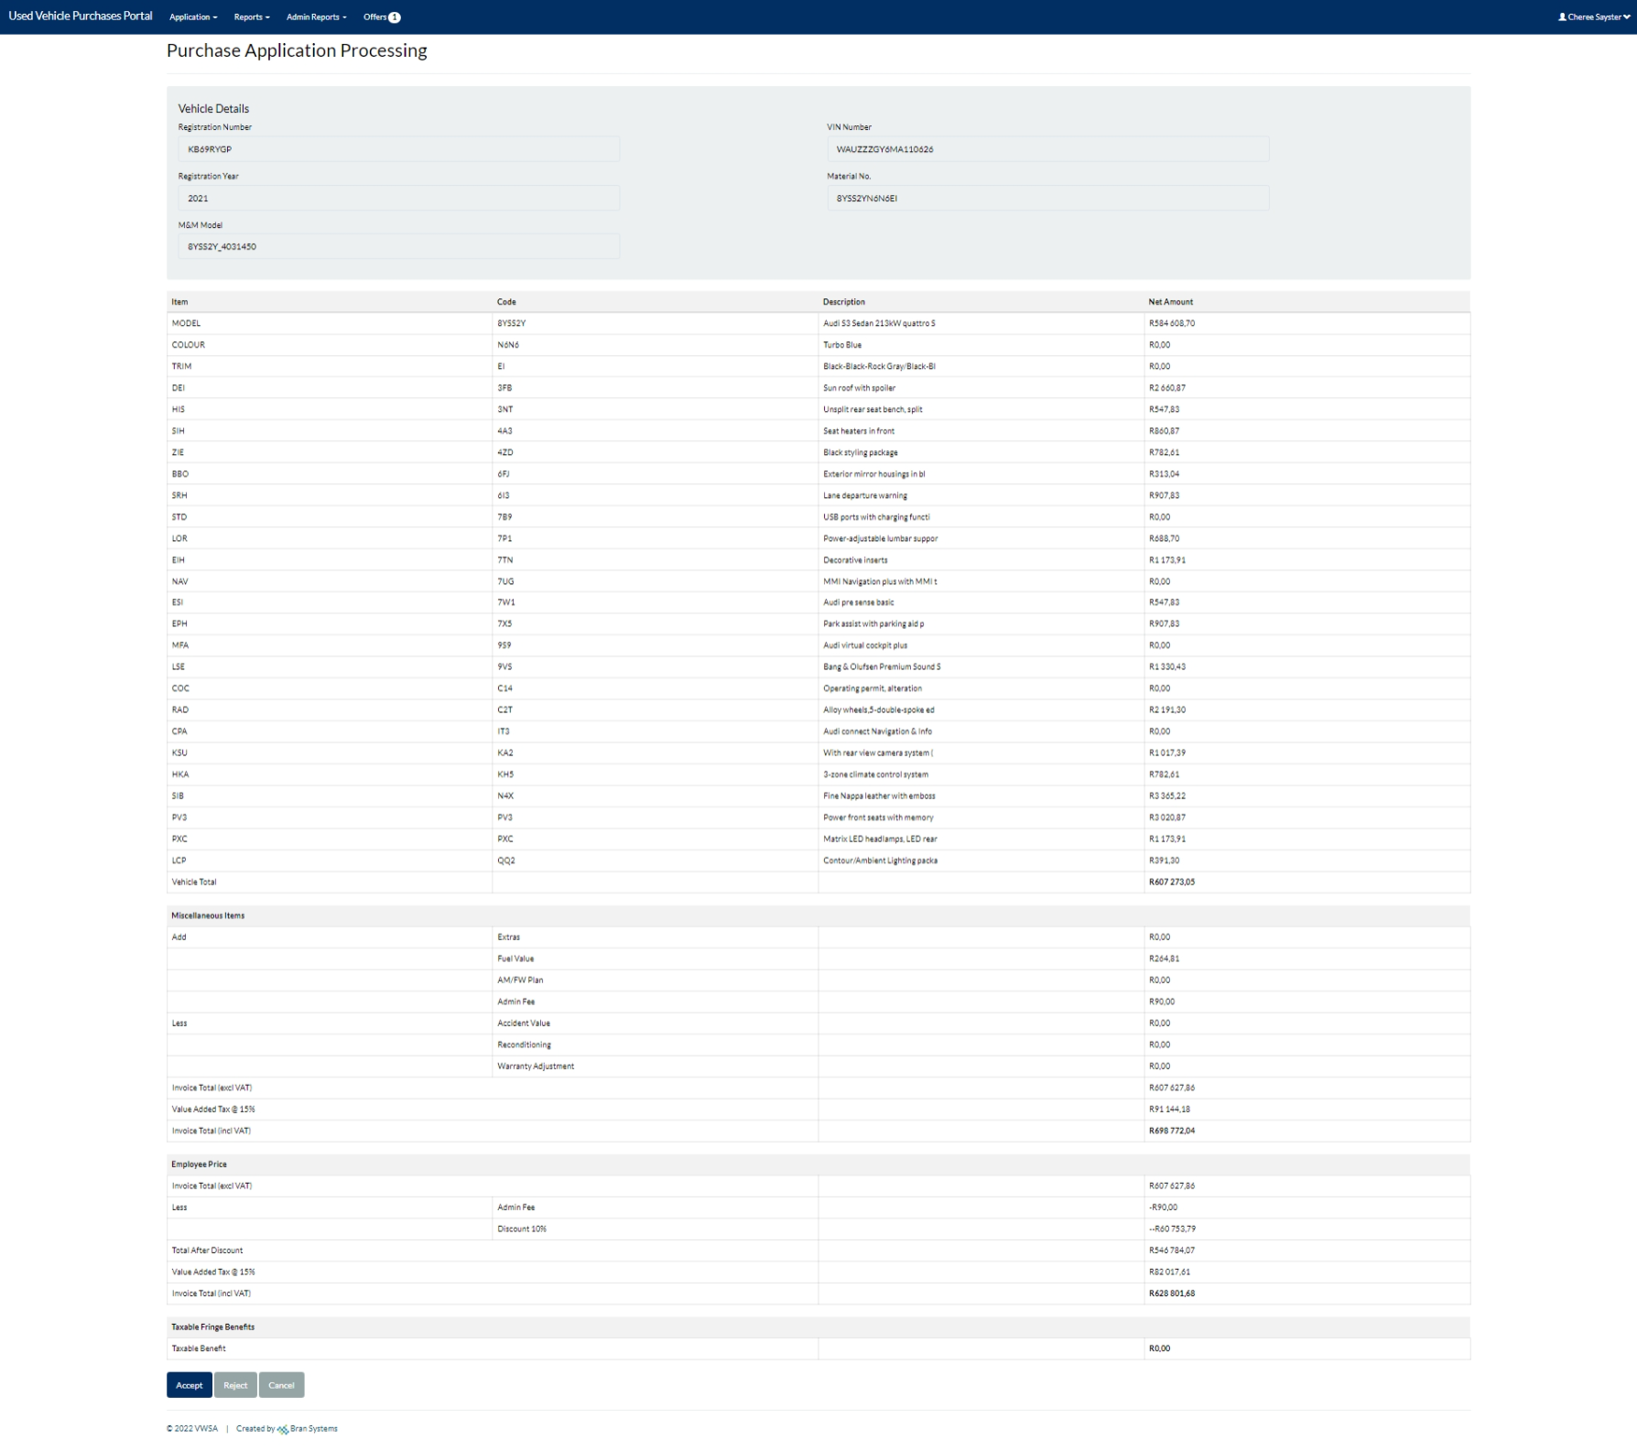

Back to Test Cases

UC6A
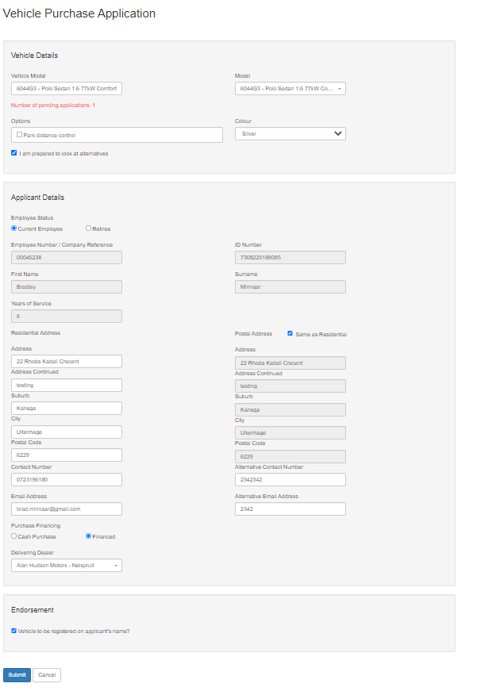
Back to Test Cases

UC8
Back to Test Cases

UC7
Back to Test Cases

UC9
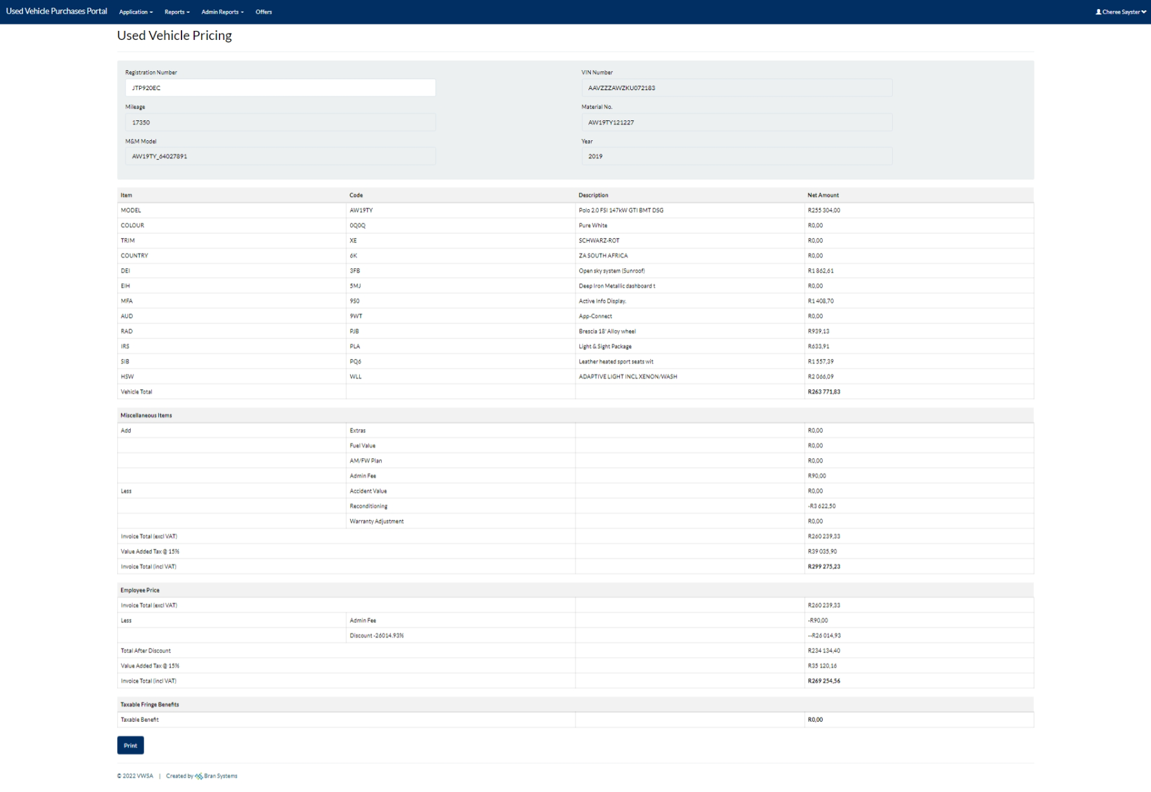
Back to Test Cases

UC10
Back to Test Cases

Process Button:

UC11
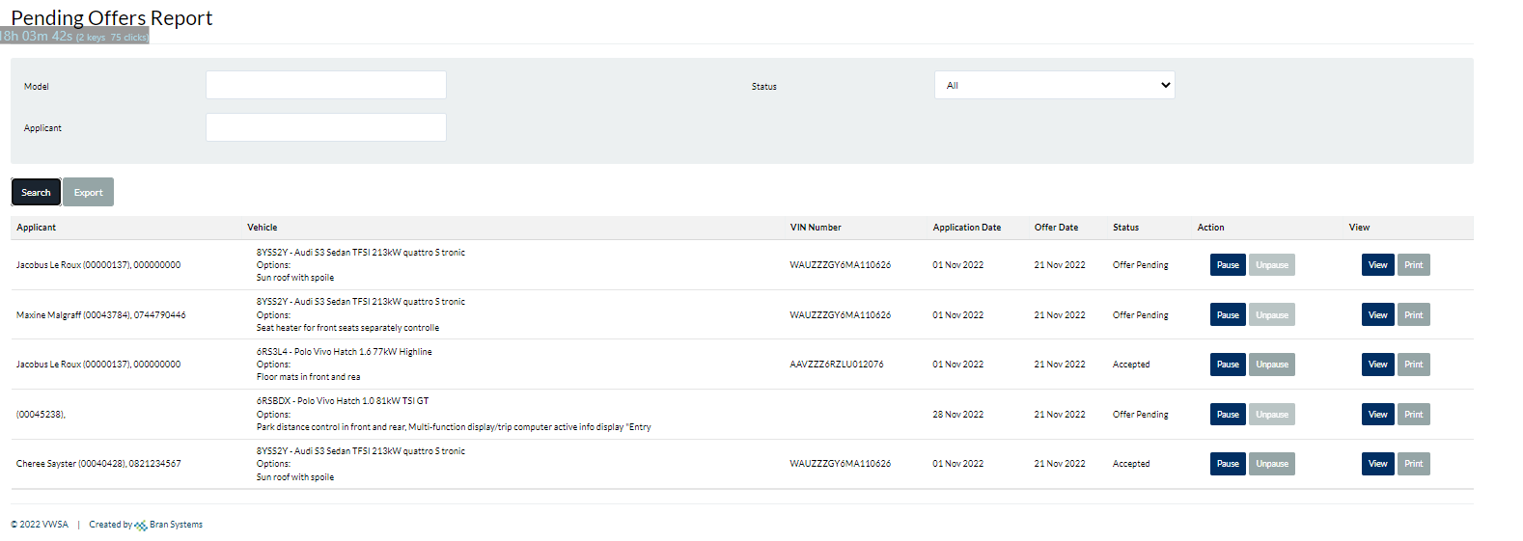

Process Button:

Back to Test Cases

UC12
Process Button:

Back to Test Cases

UC13
Back to Test Cases

UC15
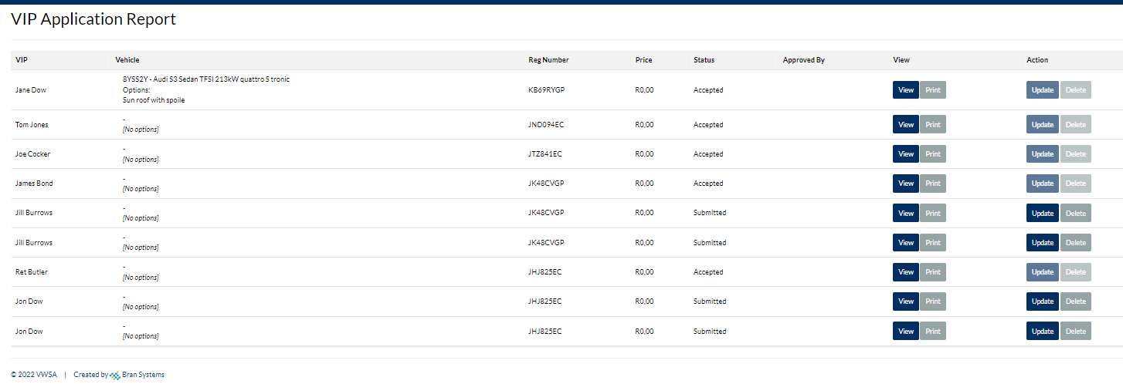
Back to Test Cases

