Chart
HW Set #6 – Agency MBS Pool-Level Analysis (Section 3)
Data: 2,234 Agency MBS Pools | Pool Data (issuance) + Pool Hist (Jan 2023 – Apr 2025)

3_1 | 2023 Monthly Issuance by Coupon
All 2,234 pools were issued in 2023. Coupon distribution reflects 30-yr mortgage rate environment. 5.5% and 6.0% coupons dominated as origination rates climbed through 2023.
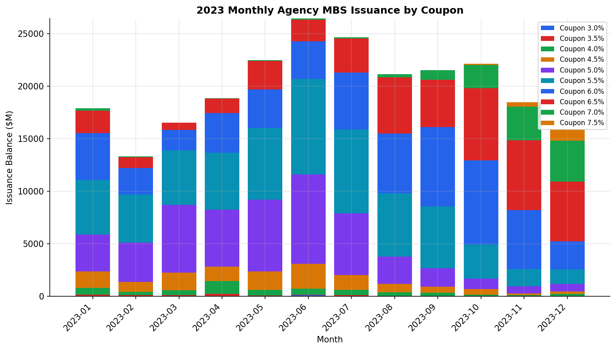

Table 3-1: 2023 Monthly Issuance by Coupon ($M)
 | Month | 3.0 | 3.5 | 4.0 | 4.5 | 5.0 | 5.5 | 6.0 | 6.5 | 7.0 | 7.5 | Total
 | 2023-01 | 36.2 | 133.1 | 641.7 | 1585.9 | 3491 | 5178.6 | 4477 | 2151.2 | 216.7 | 0 | 17911.4
 | 2023-02 | 31.1 | 95.1 | 315.9 | 962.9 | 3707.8 | 4579.2 | 2547.1 | 993.7 | 82.2 | 0 | 13315
 | 2023-03 | 43 | 67.3 | 471.4 | 1690.1 | 6430.1 | 5188.6 | 1943.3 | 689 | 17 | 0 | 16539.8
 | 2023-04 | 56.6 | 176.6 | 1217.1 | 1374.7 | 5439.5 | 5412.4 | 3759.6 | 1401.5 | 39.6 | 0 | 18877.6
 | 2023-05 | 48.5 | 47.5 | 509.9 | 1753.4 | 6861 | 6796.7 | 3675.2 | 2707.1 | 74.7 | 0 | 22474
 | 2023-06 | 128.1 | 23.8 | 592.2 | 2354.7 | 8506.7 | 9078.6 | 3596.3 | 2042.8 | 114.7 | 0 | 26437.9
 | 2023-07 | 31.7 | 109.8 | 478.1 | 1430.1 | 5844 | 8004.6 | 5412.5 | 3236.9 | 127 | 0 | 24674.7
 | 2023-08 | 13.7 | 0 | 386 | 781.8 | 2624.5 | 6007.9 | 5685.1 | 5327.1 | 337 | 0 | 21163.1
 | 2023-09 | 0 | 17.3 | 334.3 | 562.4 | 1754.4 | 5905.5 | 7556.3 | 4499 | 884.1 | 29.8 | 21543.1
 | 2023-10 | 0 | 0 | 177.3 | 530.2 | 979.3 | 3260.5 | 8015.2 | 6868.7 | 2197.5 | 96.9 | 22125.6
 | 2023-11 | 0 | 33.9 | 89.6 | 153 | 700.8 | 1637.3 | 5604.1 | 6641.6 | 3192.5 | 419.7 | 18472.5
 | 2023-12 | 0 | 31.5 | 217.5 | 238.1 | 701.4 | 1382.4 | 2668.3 | 5679.8 | 3913 | 1070.3 | 15902.3

Trend: Coupon 5.5% dominated 2023 issuance. Peak month was 2023-06 ($26,438M). Higher coupon pools (6.5%+) gained share in H2 2023 as 30-yr rates approached 8%.

3_2 | Pool Statistics by Coupon as of 2025-04-01
All weighted averages are current balance-weighted. Source: Pool Hist ASOF 2025-04-01.
 | Coupon | Balance ($M) | Loan Count | WA WAC (%) | WA WALA (mo) | WA WAM (mo) | WA FICO | WA LTV (%)
 | 3.0 | 350.4 | 1547 | 3.72 | 24.3 | 308 | 744 | 64.4
 | 3.5 | 663.8 | 1783 | 4.173 | 24.9 | 330.1 | 758 | 79.2
 | 4.0 | 4924.6 | 13649 | 4.844 | 23.5 | 330.6 | 758 | 81.9
 | 4.5 | 12062.1 | 34492 | 5.412 | 23.4 | 329.9 | 760 | 79.5
 | 5.0 | 41272.9 | 118854 | 5.95 | 23.2 | 329.5 | 761 | 78.8
 | 5.5 | 53371.4 | 159594 | 6.452 | 22.4 | 330 | 759 | 79.5
 | 6.0 | 44481 | 137929 | 6.912 | 21 | 331.6 | 755 | 80
 | 6.5 | 31219.6 | 97595 | 7.384 | 19.7 | 332.9 | 748 | 80.1
 | 7.0 | 7212.7 | 24340 | 7.887 | 17.5 | 334.4 | 742 | 79.8
 | 7.5 | 939.3 | 3252 | 8.464 | 16.5 | 334.6 | 734 | 79.7
 | TOTAL | 196497.8 | 593035

3_3 | Monthly Time Series: Outstanding Balance & Aggregate CPR
Chart 3-3a: Monthly Total Outstanding Balance ($M)
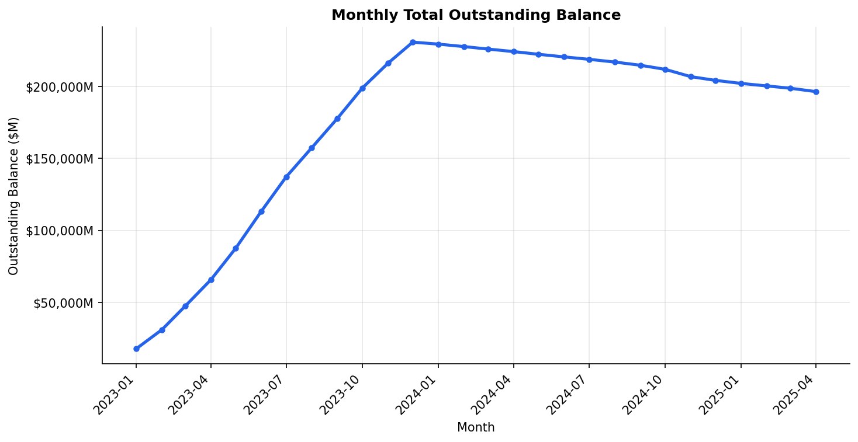

Balance grows through 2023 as new cohorts are added to data, then gradually declines as scheduled amortization and prepayments reduce outstanding principal.

Chart 3-3b: Monthly Balance-Weighted Aggregate CPR (%)
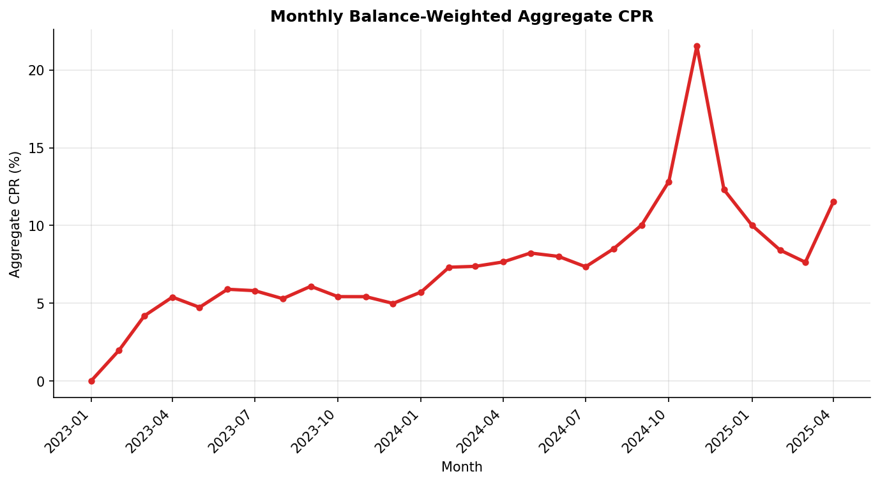

Balance-weighted aggregate CPR shows the prepayment environment over time. The elevated rate environment (30-yr rates 6-8%) has suppressed CPR in 2023-2025 as borrowers with existing loans below market rates have little refinancing incentive.

3_4 (Bonus) | WAC Impact on Prepayment Speed (CPR)
Chart 3-4a: Average & Median CPR by WAC Band
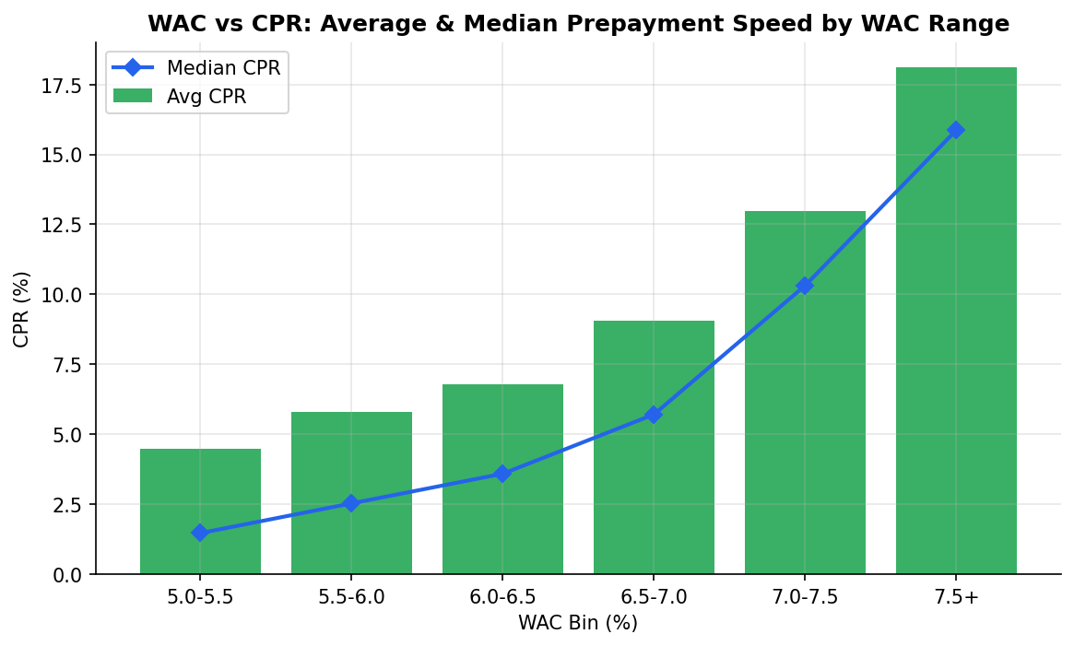

Chart 3-4b: WAC vs CPR Scatter
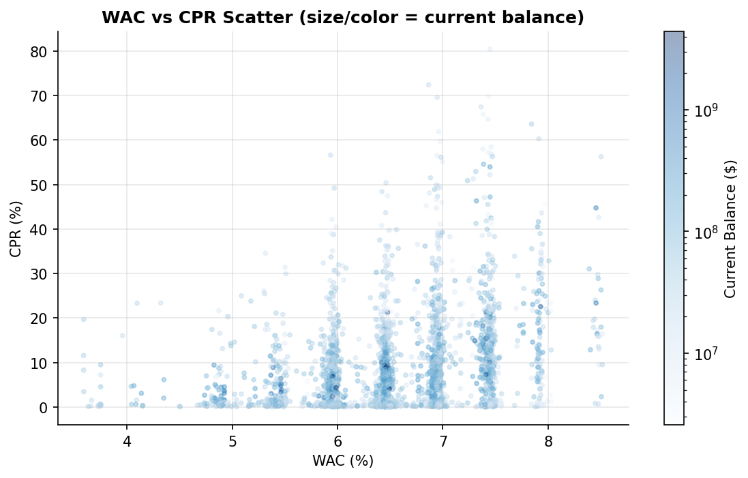

Table 3-4: CPR by WAC Band
 | WAC Band | Avg CPR (%) | Median CPR (%) | Count
 | 5.0-5.5% | 4.47 | 1.47 | 3037
 | 5.5-6.0% | 5.79 | 2.53 | 9179
 | 6.0-6.5% | 6.77 | 3.59 | 11922
 | 6.5-7.0% | 9.04 | 5.71 | 11608
 | 7.0-7.5% | 12.97 | 10.32 | 7261
 | 7.5%+ | 18.11 | 15.87 | 2654

Finding: Clear monotonic relationship — higher WAC pools prepay faster. WAC 7.5%+ avg CPR = 18.1% vs 4.5% for WAC 5.0-5.5%. Driven by refinancing incentive: borrowers with above-market rates benefit most from refinancing. Additional drivers: FICO, LTV, loan size, and pool seasoning.

Data: Fannie Mae Agency MBS Pool Dataset | Analysis: Python | HW Set #6 | Section 3

