Sheet1
Rockstar | 
Blinding Lights | 
Whats Poppin | 
Savage | 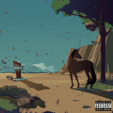
Roses | 
For The Night | 
Watermelon Sugar | 
Blueberry Faygo | 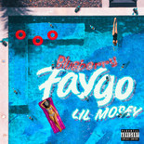
Say So | 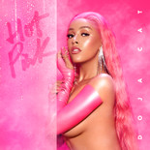
Intentions | 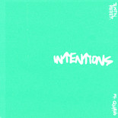
The Woo
Adore You
Circles | 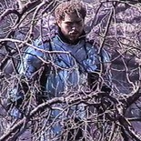
We Paid | 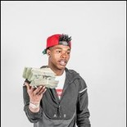
Don't Start Now | 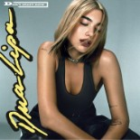
Rain On Me | 
Break My Heart | 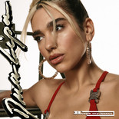
The Bones | 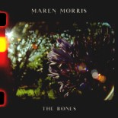
One Margarita | 
The Bigger Picture | 
The Box | 
Dior
I Hope | 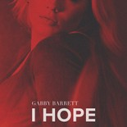
Life Is Good | 
Falling | 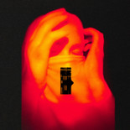
Before You Go | 
Hard To Forget | 
Go Crazy | 
Savage Love (Laxed - Siren Beat) | 
Sunday Best | 
Got It On Me
Death Bed | 
Bluebird | 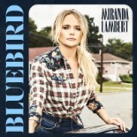
Aim For The Moon
Chasin' You
Party Girl | 
Gangstas
Toosie Slide | 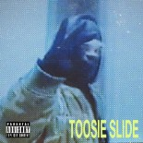
44 Bulldog
High Fashion
Something Special
Die From A Broken Heart | 
Yea Yea
Mood Swings
Stuck With U | 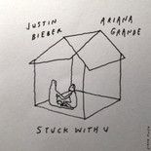
Emotionally Scarred
Supalonely | 
Walk Em Down | 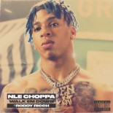
Make It Rain | 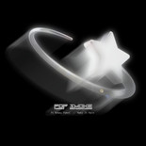
Be Kind | 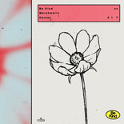
Girls In The Hood | 
What You Know Bout Love
The Scotts | 
Snitchin
Bad Bitch From Tokyo (Intro)
Enjoy Yourself
Creature
I Love My Country | 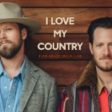
If The World Was Ending | 
Got What I Got | 
Like That | 
Here And Now | 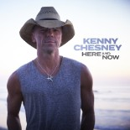
Said Sum | 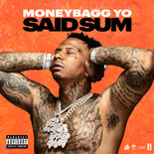
Rags2Riches | 
West Coast Shit
Be A Light | 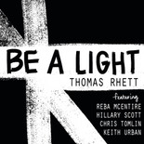
Mamacita | 
Don't Rush | 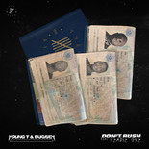
Done | 
Pretty Fairy | 
Does To Me | 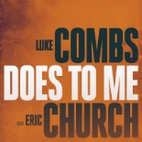
God Whispered Your Name | 
One Big Country Song | 
Life's A Mess | 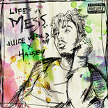
Wash Us In The Blood | 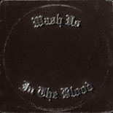
Diana
Cool Again | 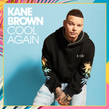
Why We Drink | 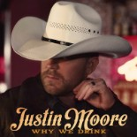
Tunnel Vision (Outro)
After Party | 
Gooba | 
Need It | 
Trollz | 
Chicago Freestyle | 
3 Headed Goat | 
ily | 
One Of Them Girls | 
Beer Can't Fix | 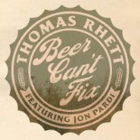
Flex | 
After A Few | 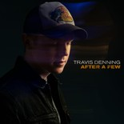
How You Like That | 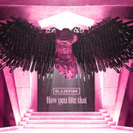
Yo Perreo Sola | 
More Than My Hometown | 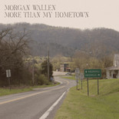
Go! | 
One Night Standards | 
In Between | 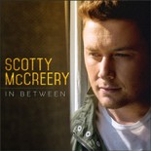
Lovin' On You | 
Girl Of My Dreams
YaYa | 
One Beer | 