1. Title Page
Basket Analysis

Project Name: Instacart Basket Analysis
Date: 8-05-2024
Analyst Name: Joanna Kaczanowska-Goetz

Contents:
Population Flow
Consistency checks
Wrangling steps
Column derivations
Visualizations
Recommendations
Data source:
"The Instacart Online Grocery Shopping Dataset 2017”, Accessed from www.instacart.com/datasets/grocery-shopping-2017 via Kaggle on 8-05-2024.

2. Population Flow
Title page

Population flow

Exclusion flag
Condition: max_order <
Obervations to be removed:
Final total count of order_products_all:

Orders_products_combined
Orders_products_merged
Orders_products_all

Total: 32435059
Total: 32640698
Total: 32435059

1.) The grey boxes in the first row of the population flow represent the original data sets as they were when you downloaded them. In the Total fields you need to add the count of the rows when you imported the data set into Jupyter.
2.) The second row of boxes (coloured) represents the data sets after you manipulated them, e.g., removed missing values and duplicates. In the Total fields you need to add the count of the rows after conducting these operations. This offers a visual oveview of how the data flows throughout the data consistency checks.
3.) The third row, where also the arrows are coloured, represents the merges you performed between the datasets. In the Total fields you need to add the count of the rows in the merged datasets, so that you end up with the final dataset (in the red box). Keep in mind the final dataset should be without exclusions (based on the exclusion flag).

3. Consistency checks
 |  |  |  | Title page
Consistency checks

Dataset | Missing values | Missing values treatment | Duplicates
orders | days_since_prior_order 206209 | calling the df_ord['user_id'].unique() returns exactly 206209 unique user IDs which corresponds to NaNs amount - no action needed, the number corresponds to the 1st orders of each user | -
products | product_name 16 | no treatment | 5 - dropped
orders_products_prior | - | - | -
customers | name 194950 | not needed | -
ord_prod_cust | days_since_prior_order 2078102 product_name 30200 aisle_id 30200 department_id 30200 prices 35327 price_range 30200 frequency_flag 1872244 name 1776905 | - | -

4. Wrangling steps
 |  |  |  | Title page
Wrangling steps

Columns dropped | Columns renamed | Columns' type changed | Comment/Reason
 |  | df_ord[order_id] as string | unique identifier not number to perform operations on
 |  | df_ord[user_id] as string | unique identifier not number to perform operations on
 |  | df_prod[product_id] as string | unique identifier not number to perform operations on
 |  | df_prod[aisle_id] as string | unique identifier not number to perform operations on
df_ord['eval_set'] |  |  | not needed
 | df_ord['order_dow'] : 'order_day_of_week' |  | ambiguous name
 |  | customers['user_id'] as string | unique identifier not number to perform operations on
 |  | customers['date_joined'] format='%m/%d/%Y' | date format required
ords_prods_merge['Unnamed: 0.1', 'Unnamed: 0_x','Unnamed: 0_y', '_merge'] |  |  | not needed

5. Column derivations
 |  |  |  |  | Title page

Column derivations and aggregations

In this tab you should add tables below that the frequences of flags/label variables that you produced after deriving them. NB: don't do this for continuous variables, only for flags.
Dataset | New column | Column/s it was derived from | Conditions
ords_prods_merge | price_range | prices* | <= 5 'Low-range product' >5 & <= 15 'Mid-range product' >15 'High-range product' | * prices data was checked for weird numbers and unreasonably high grocery prices were clipped at 25$.
ords_prods_merge | busiest_days | order_day_of_week | 2 highest values flaged as 'Busiest day' 2 lowest as 'Least busy' rest as 'Regular busy'
ords_prods_merge | busiest_period_of_day | order_hour_of_day | Most orders' for hours: 9,10,11,12,13,14,15,16 'Fewest orders' for hours: 23,0,1,2,3,4,5,6 rest as 'Average orders'
ords_prods_merge | avg_price_user | prices & user_id | ['user_id']&['prices'] mean
ords_prods_merge | spender_type | avg_price_user | avg_price_user > 10 'High spender' avg_price_user < 10 'Low spender'
ords_prods_merge | med_days_since_prior_order | user_id & days_since_prior_order | ['user_id']&['days_since_prior_order'] median
ords_prods_merge | frequency_flag | med_days_since_prior_order | med_days_since_prior_order > 20 'Non-frequent customer' med_days_since_prior_order <= 20 & >10 'Regular customer' med_days_since_prior_order <= 10'Frequent customer'
ord_prod_cust | region | state | geographical assignment of regions 1-4 (https://simple.wikipedia.org/wiki/List_of_regions_of_the_United_States)
ord_prod_cust_high-activity.pkl | low_activity | max_order | max_order' < 5
profiles | age_category | age | 10 year bins
profiles | income_category | income | 50k bins
profiles | family_flag | fam_status & n_dependants | divorced/widowed' or 'single - 'alone adult' 'married' & 'n_dependants' == 1 - 'two adults' 'married' & 'n_dependants' >1 - 'two adults with kids' 'living with parents and siblings' - 'dependent adult'

6. Visualizations
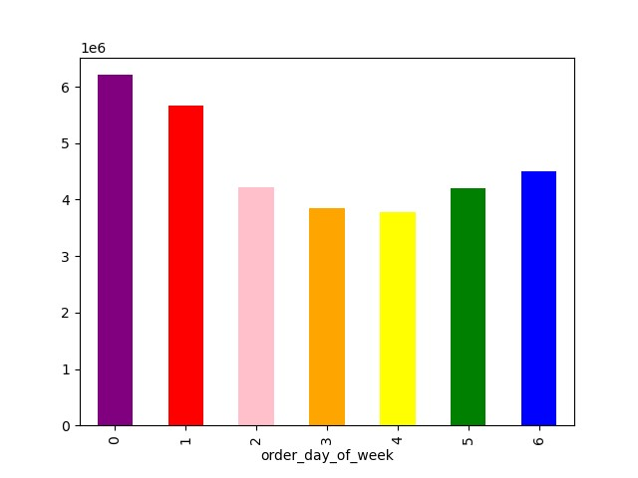

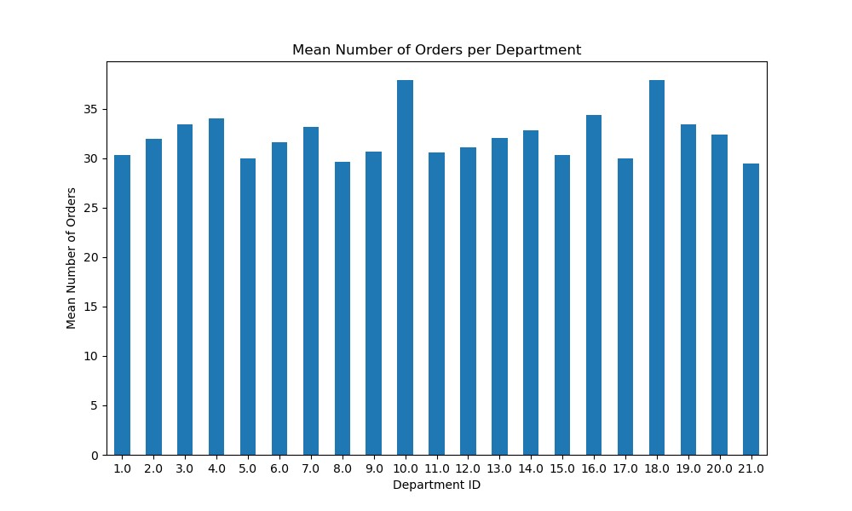
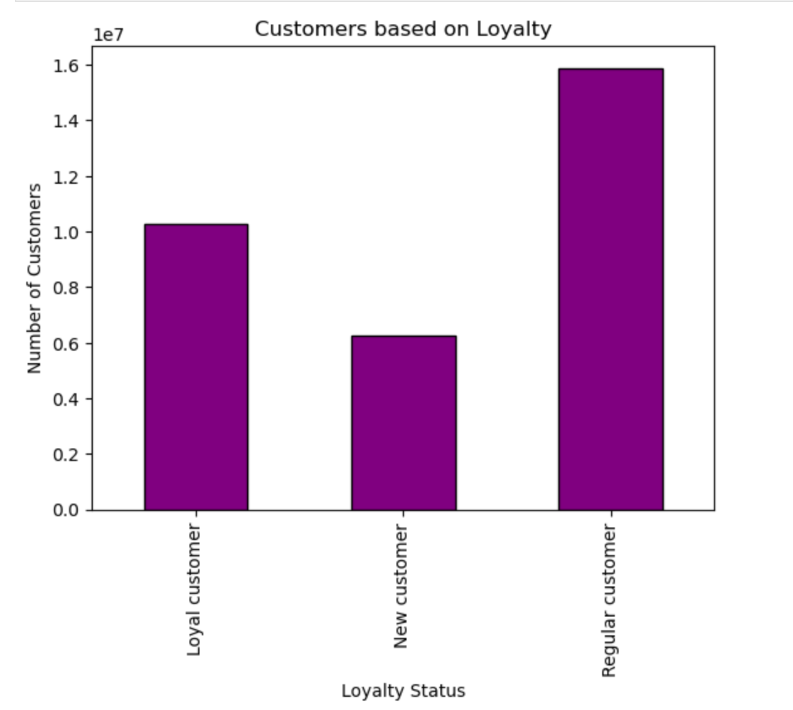
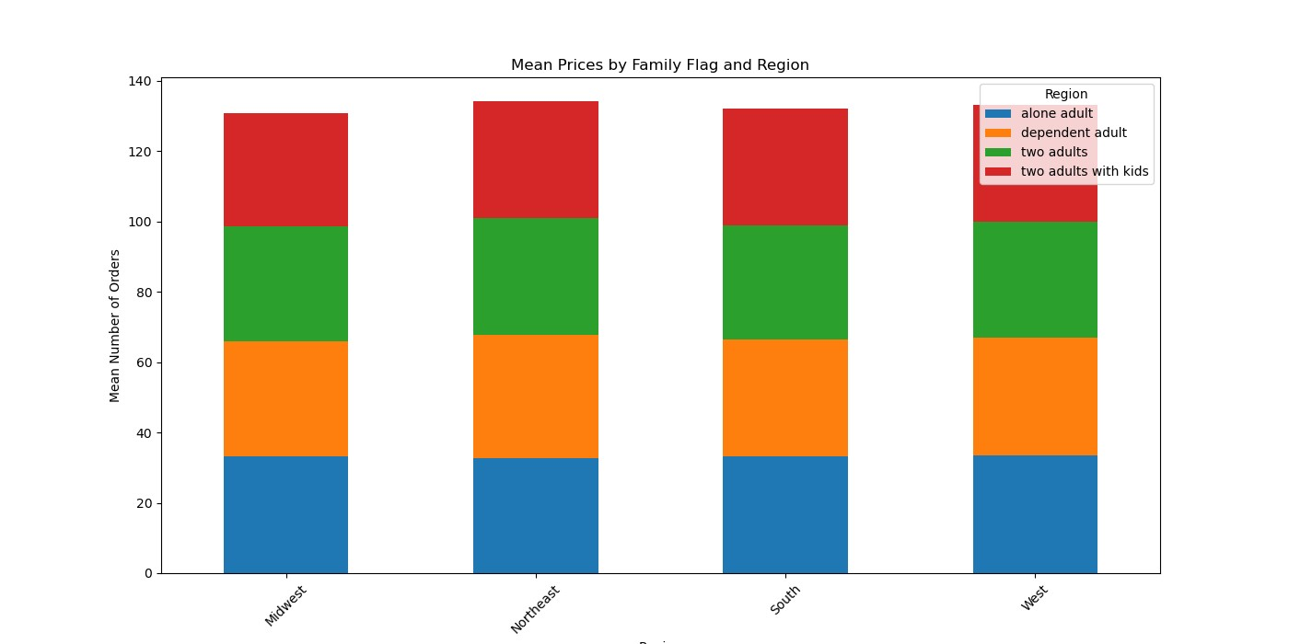
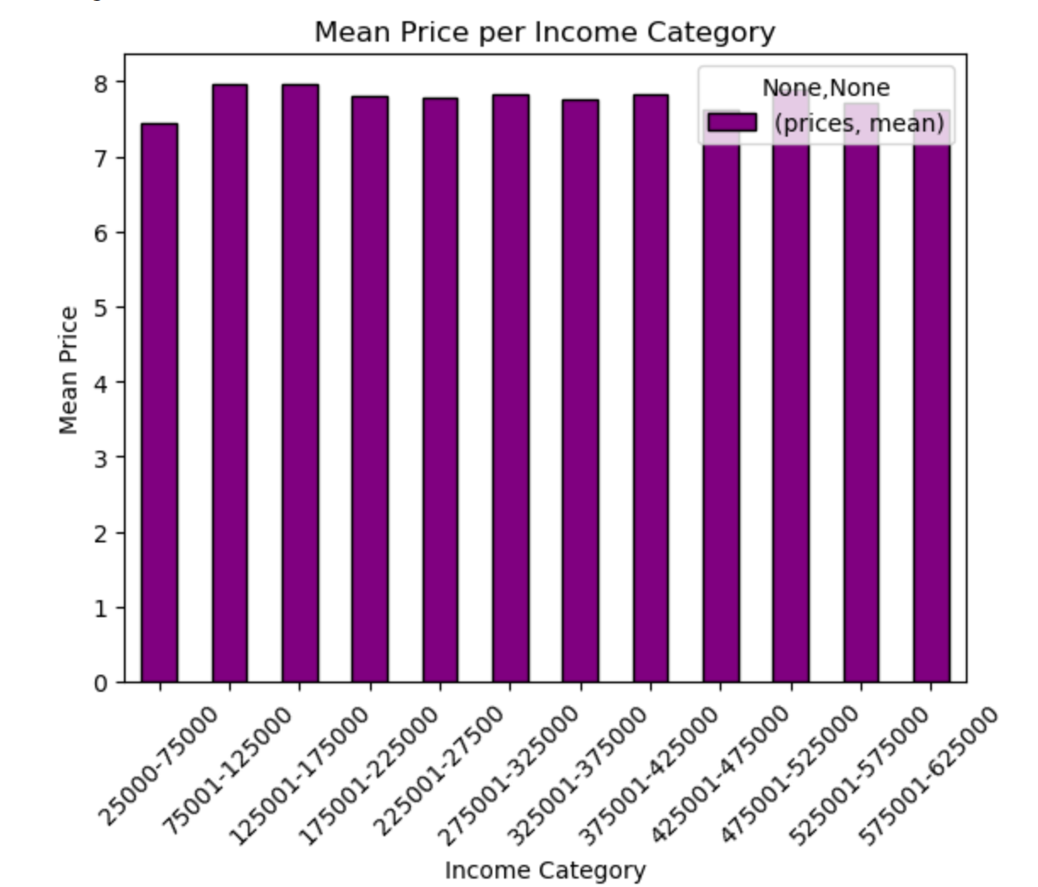
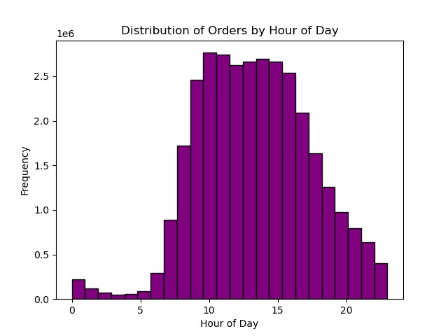
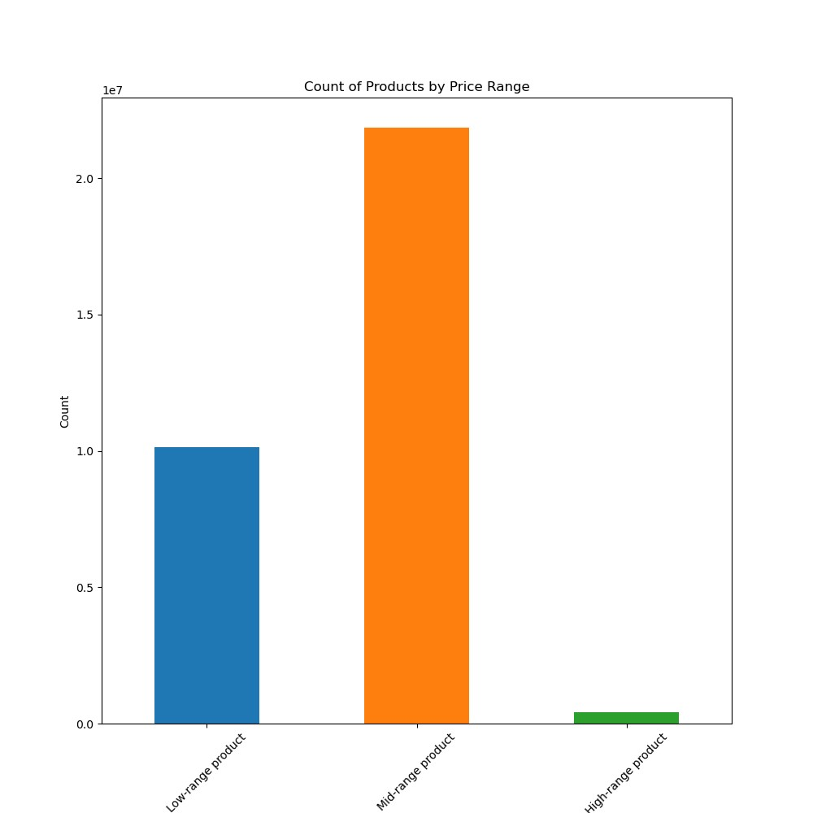
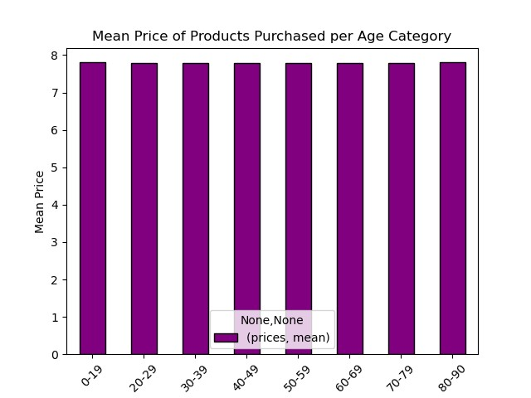
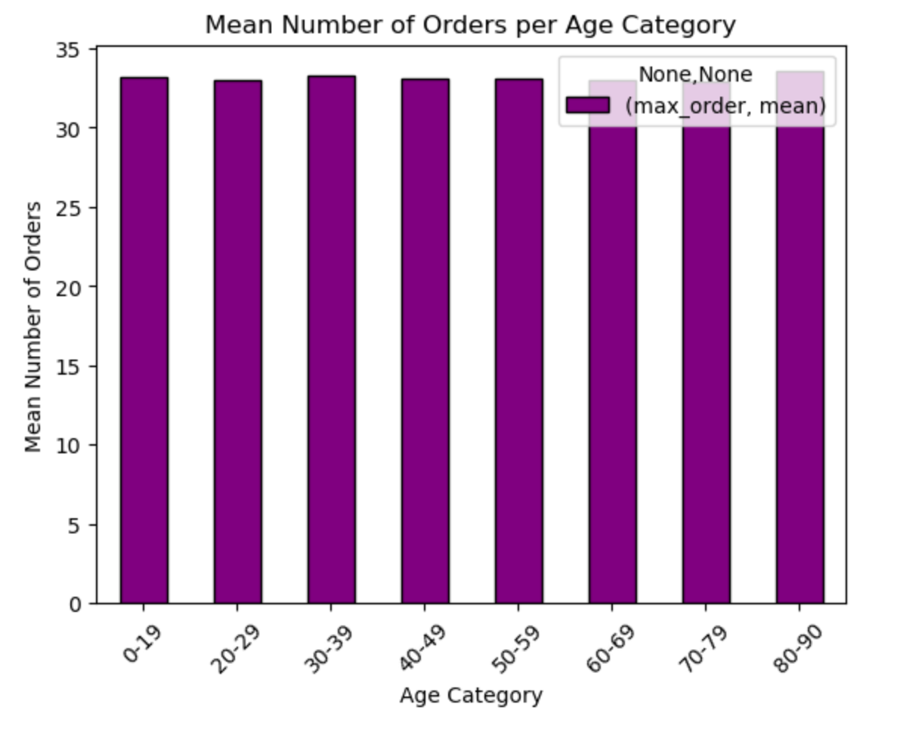
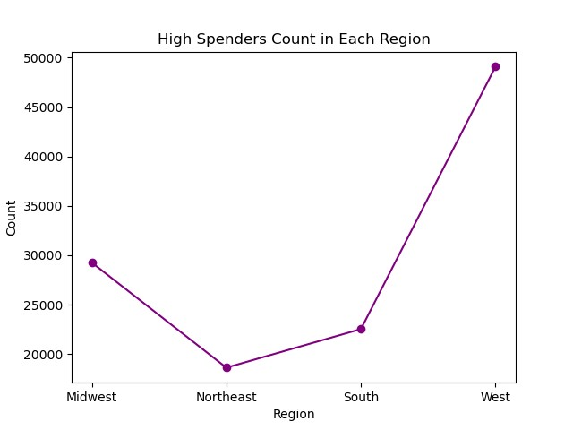
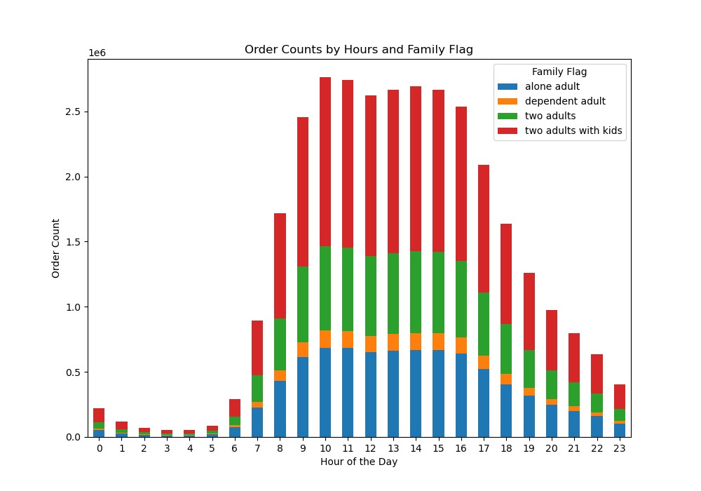
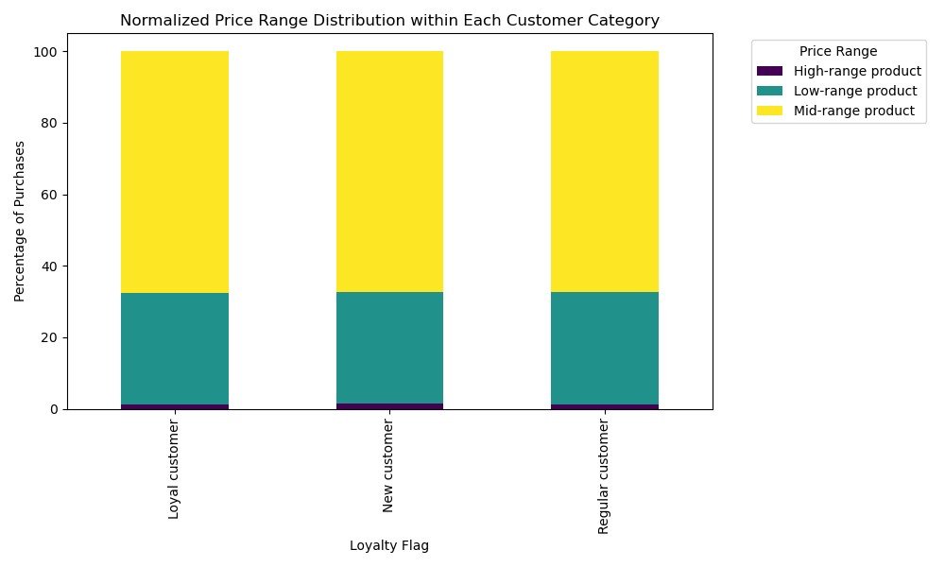
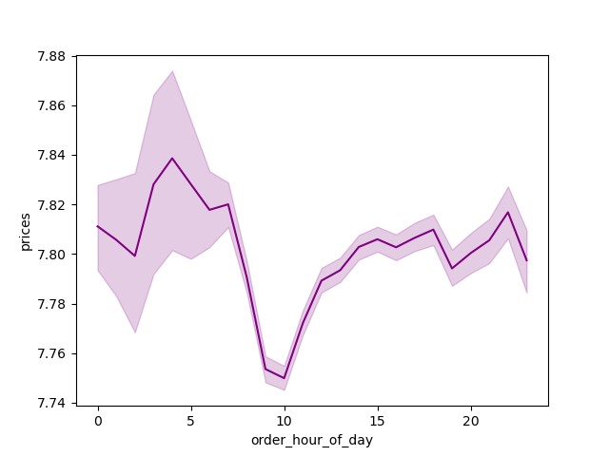
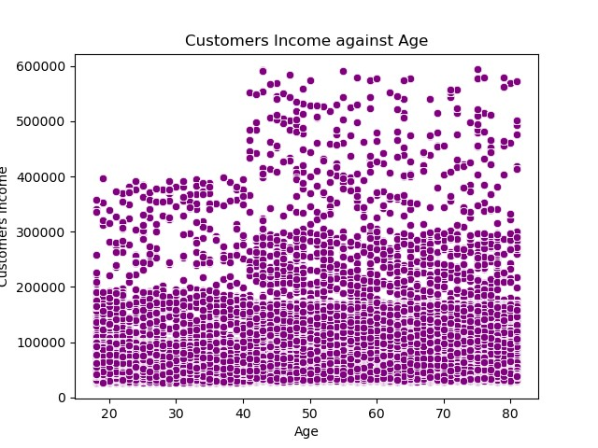
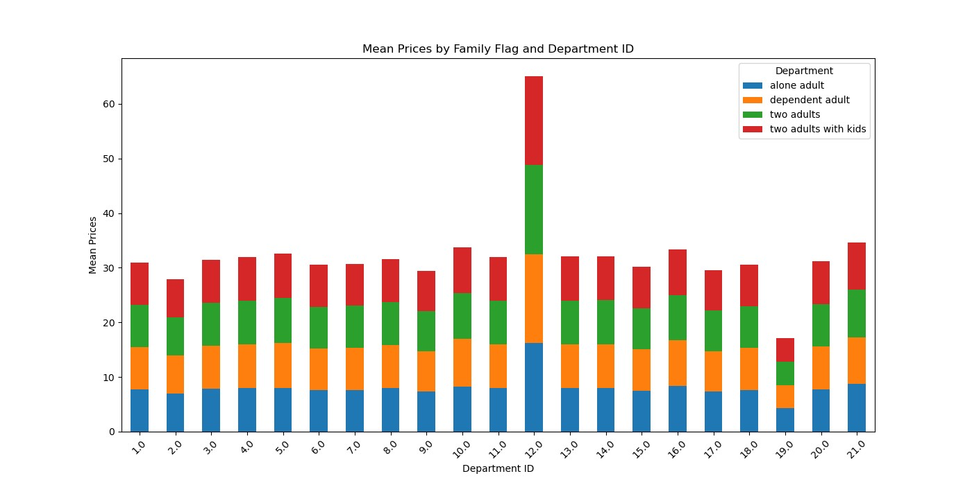
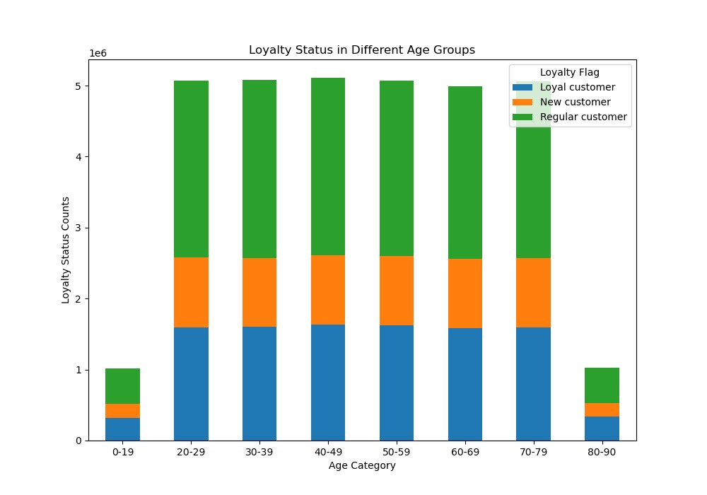
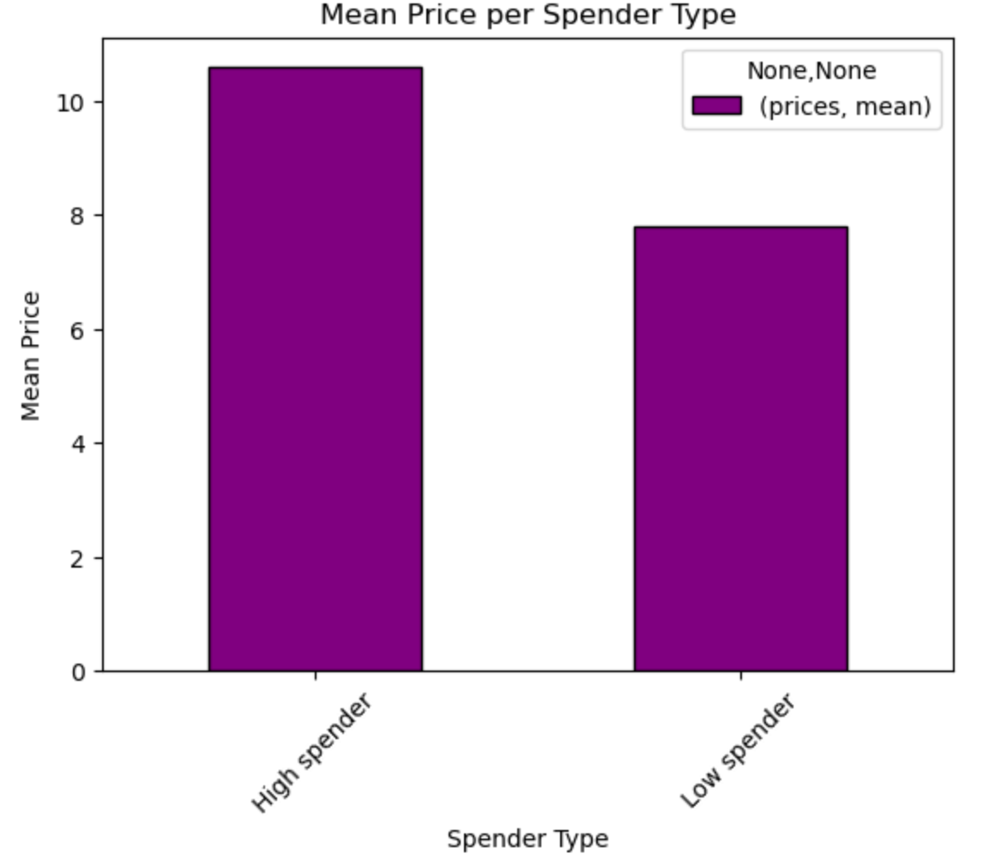
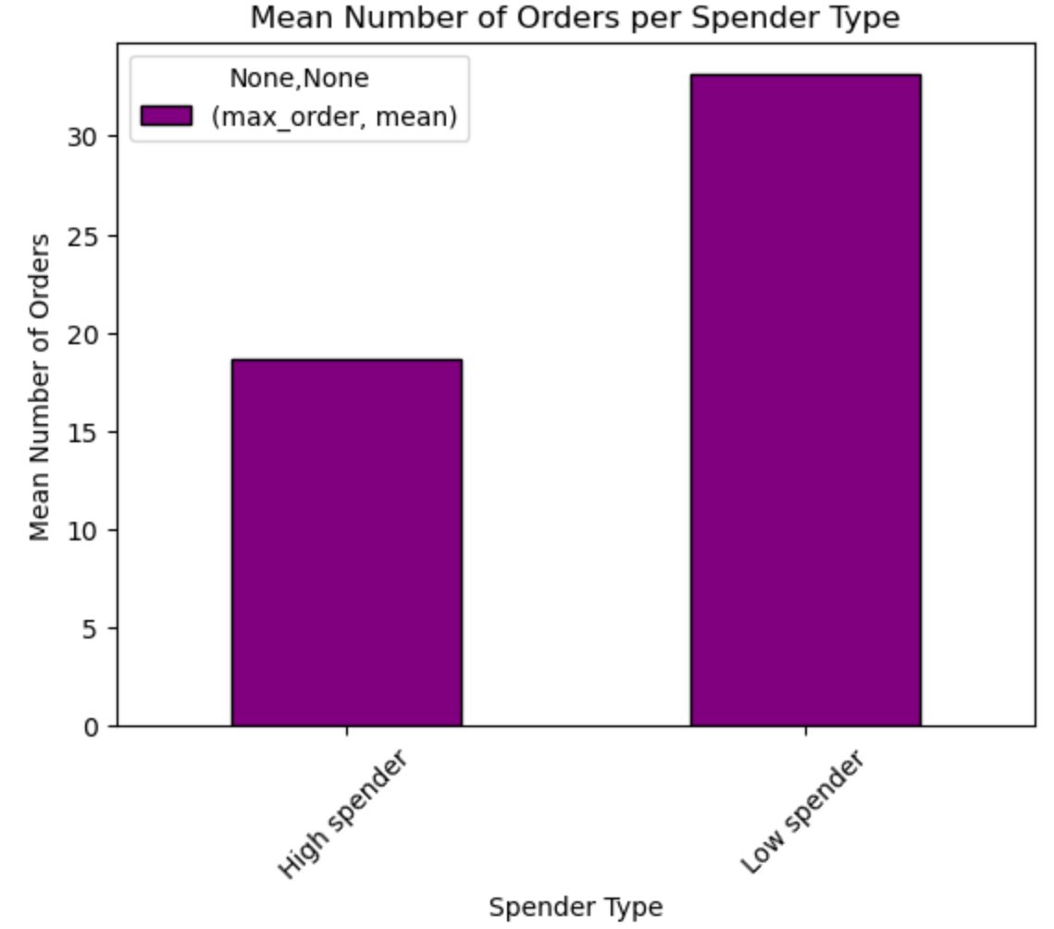
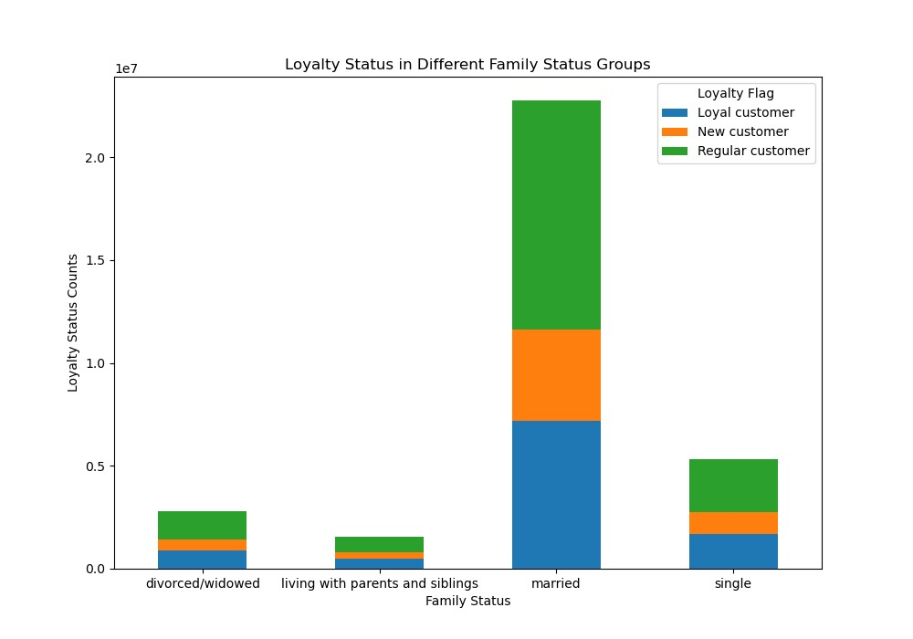
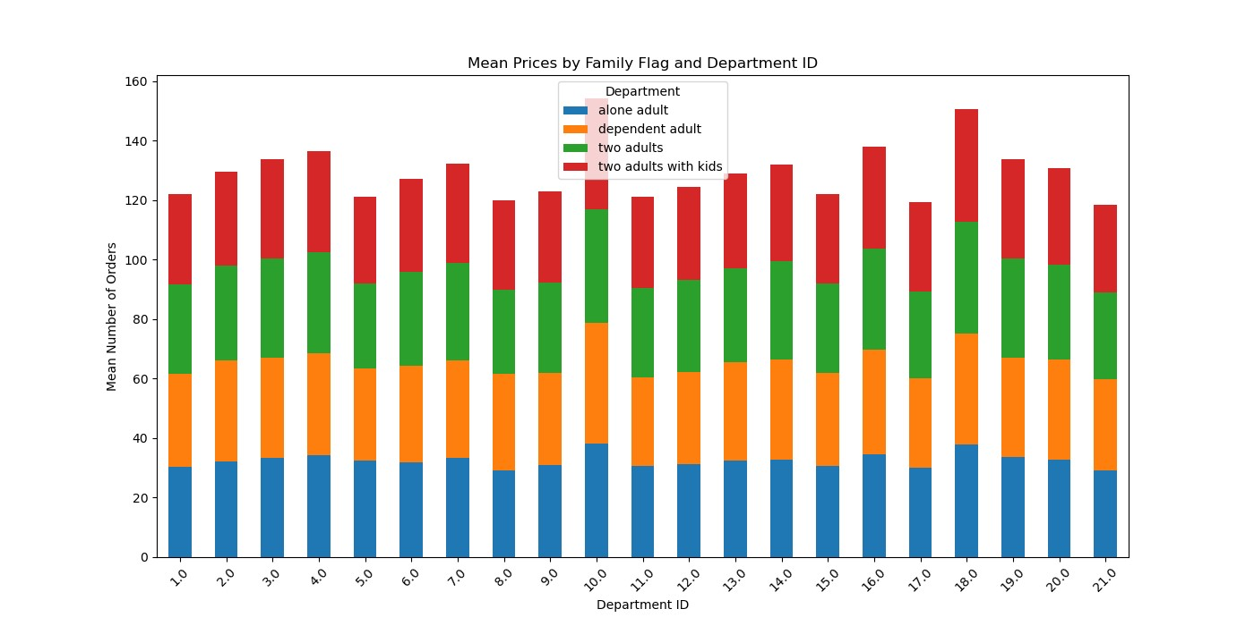
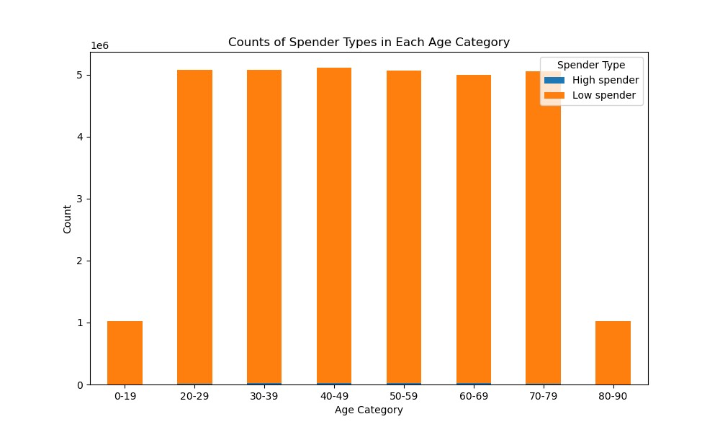
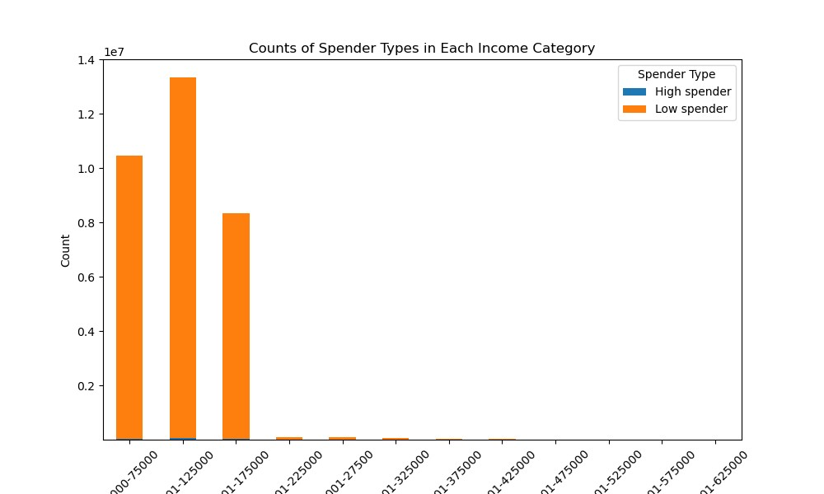
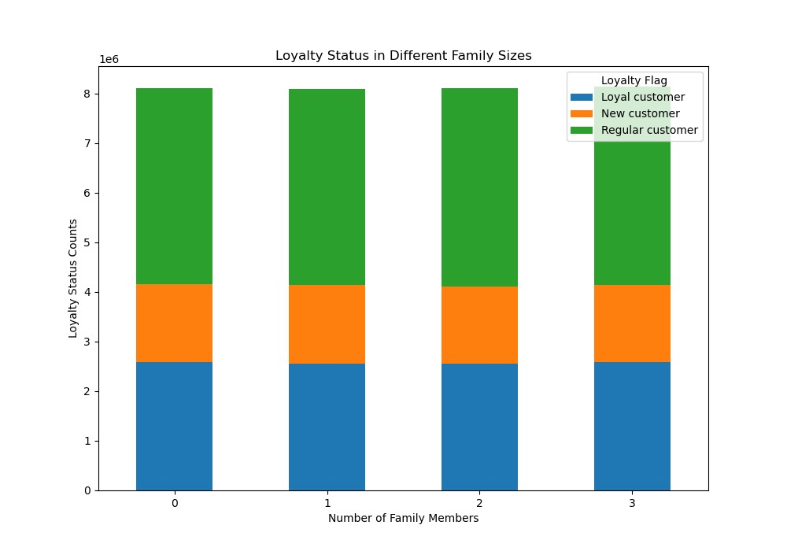
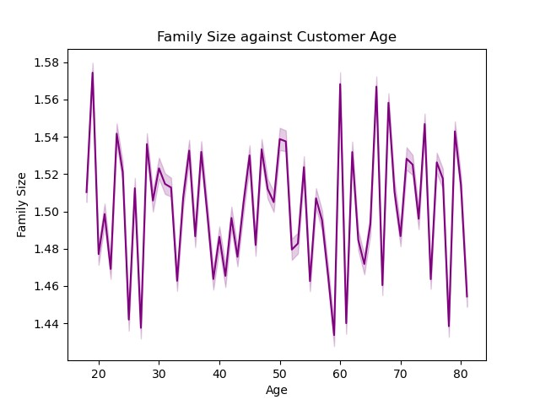
 |  | Title page

Visualisations

In this tab you should include all the visualtions from Exercises 4.9 and 4.10, alongside the questions from the project brief that they answer. Include any commentary on the relationship between different variables.
 |  |  |  |  |  | 9. What different classifications does the demographic information suggest? Age? Income? Certain types of goods? Family status?

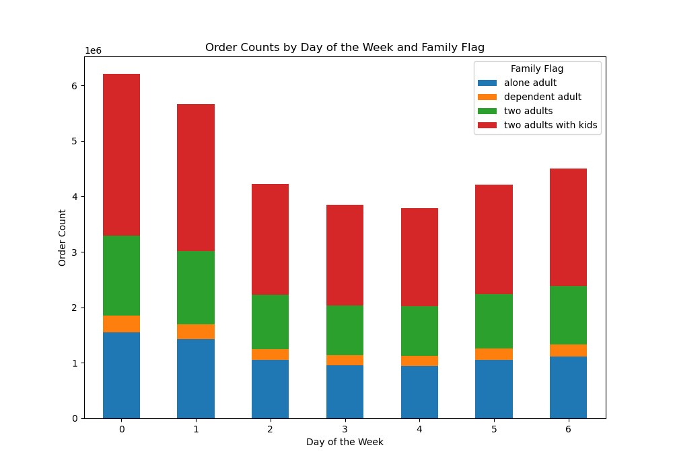
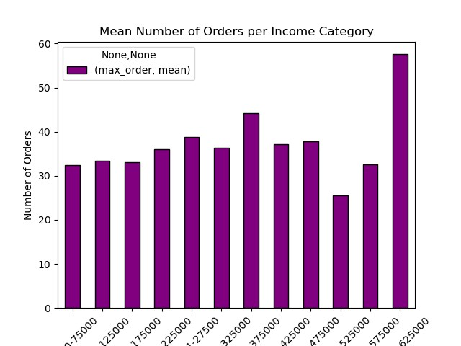
1. The days and times with the most orders |  |  |  | 4. Which departments have the highest frequency of product orders | 8. Is there a connection between age and family status in terms of ordering habits?
2. Particular times of the day when people spend the most money | 3. Price range groupings |  | 5. Distribution among users in regards to their brand loyalty

7. Recommendations
 |  | Title page

Recommendations

In this tab you should include any recommendations you would made to Instcart in terms of their marketing strategy based on the questions posed in the brief. Every key question has been covered in the Tasks of the Exercises - here you need to add an item - a visualisation or table/crosstable that is showing the answer in the data, acompanied by a comment from you. Please, list the questions below and add the answer underneath.

Question | Answer
1. The days and times with the most orders | Saturday and Sunday are the days with most orders, people tend to have more time for shopping during the weekend.
2. Particular times of the day when people spend the most money | Highest ordering happens between 9 and 16.
3. Price range groupings | Mid-range prices are definitely dominating among the purchased products. High-range prices products are a very small fraction of all products.
4. Which departments have the highest frequency of product orders | 10 & 18
5. Distribution among users in regards to their brand loyalty | The company has mostly 'Regular customers', but there is a big portion of 'Loyal customers'.
6. Are there differences in ordering habits based on a customer’s loyalty status? | Proportionally, all type of customers order the same fractions of High-, Mid- and Low-range products.
7. Are there differences in ordering habits based on a customer’s region? | Mean number of orders is very similar across the country, but high spenders dominate in West.
8. Is there a connection between age and family status in terms of ordering habits? | Nor age, neither family status doesn't influece the ordering habits.
9. What different classifications does the demographic information suggest? Age? Income? Certain types of goods? Family status? | People with highest income order much more than the rest.
10. What differences can you find in ordering habits of different customer profiles? Consider the price of orders, the frequency of orders, the products customers are ordering, and anything else you can think of. | On average, high spenders spend just a bit more than low spenders, and while high spenders are a very small fraction of all buyers, the total revenue from high spenders is very low when compared to the revenue from low spenders. Since high spenders are such a small fraction, it may be worth to invest a bit into add campagin targeted at them to increase sales in this group. As we know, the most high spenders reside in the west of the country, therefore it may be beneficial to target specifically high spenders in this region. There are not many customers with high income, and as we know people with the highest income order the most. Therefore, it is worth to target the high income group to improve sales in existing customers and to gain the new ones.

