Sheet
Bone Predictor |  |  | 2022-03-07 14:19:38

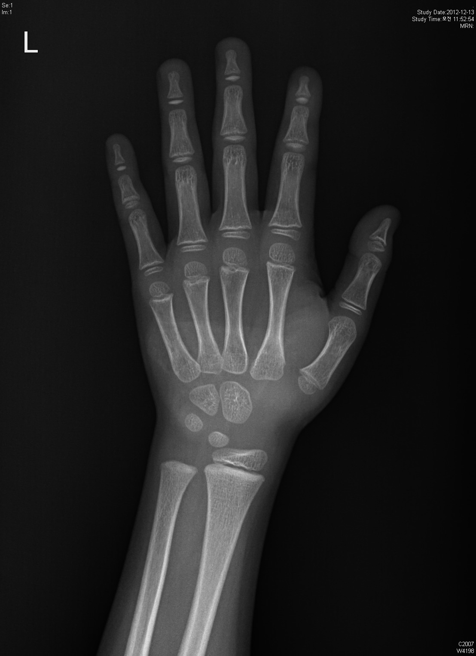
Information

Name : | d

Gender : | Female

Age : | 15.0

Height : | 160.0

Diagnosis Bone Age

Bone Age : | 5.18

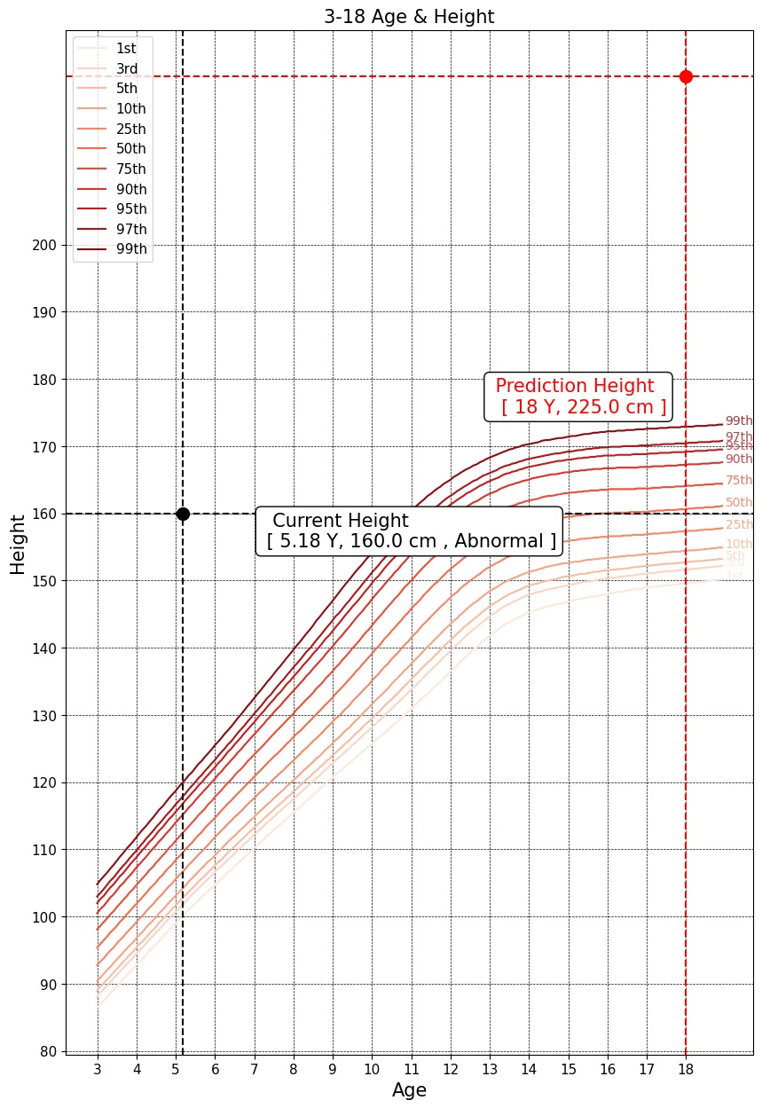

Predicted Height Growth

Current height percentile : |  | Abnormal

Predicted Height Growth : |  | 225.0
(based on 18 years old)

