Sheet1
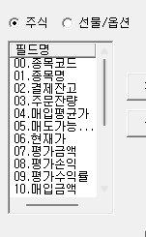
big | IB200083 | [2000] | /edit0|00|01|16|02|05|04|17|06|19|10|11|15|07|08|09|12|11|13|15|
big | IB1001F2 | [1001] | /edit0|00|01|16|02|05|04|17|06|19|10|11|15|07|08|09|12|11|13|15|
small | IB1001FB | [1001][2821] | /edit0|00|01|16|02|05|04|17|06|10|07|08|09|12|11|15|
big | IB1019F2 | [1019]
big | IB2821F2 | [2821]
small | IB10013B | [1001][1009]
small | IB20008B | [2000]
big | IB100133 | [0001][1002][1009][1010][1031][3000][5000][8000][8851] | /edit0|00|01|16|02|05|04|17|06|19|10|11|15|07|08|09|12|11|13|15|
big | IB104024 | [1040]
 | IB120190 | [1001][1008][1019][1020][1040][1201][2000][2821]

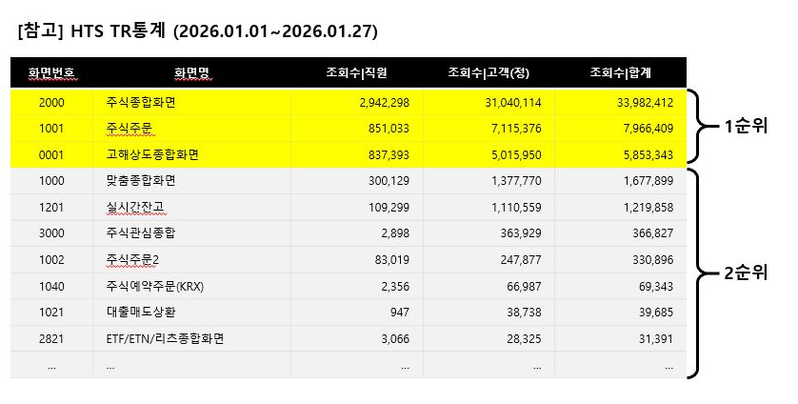
 | IB120190 | 실제 설정화면

 |  | 실시간 잔고 테스트
 |  | 1

Sheet2
