Sheet1
 | SKCommIF.dll | already Exist
 | SKCommCM.dll | already Exist
 | SKCommSC.dll | already Exist
 | SKCommEM.dll | already Exist
 | SKCommWB.exe | already Exist
 | SKCommTM.exe | already Exist
 | nsldap32.v11.dll | already Exist
 | CloudNPKI.dll | new moudle
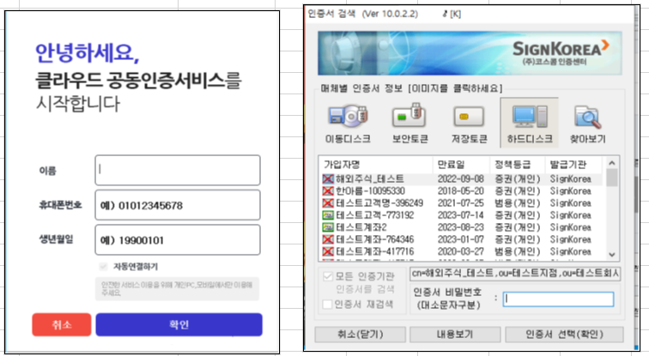

 | 로그인 화면을 바꿔야 하는가!!!!!!!

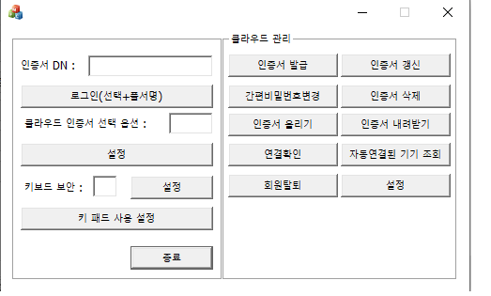

1 | 로그인선택(선택+풀서명)
 | rc = sk_if_CloudCertSetSelectExt(&Context, selectoption);
 | sk_if_cert_preset_context(&m_appContext,&Context.sd); |  | CCertifyCtrl::queryDn(CString dn_name, int* nBytes, bool retry)
 | rc = sk_if_cert_SignDataWithR(&m_appContext, "", &p1, &p2, &p3) ;

2 | 설정
 | sk_if_CloudCertSetSelectExt 의 파라미터로 사용할 selectoption 값을 받아온다
 | 0 – DN 입력한 인증서 로컬저장소에서 검색
 | 1 – DN 입력한 인증서 로컬저장소에서 검새하지 않음
 | 4 – 클라우드에 인증서가 없으면 에러반환(에러코드2500)

3 | 키보드보안 (설정버튼)
 | sk_if_SetKeySaferMode |  | CCertifyCtrl::queryDn(CString dn_name, int* nBytes, bool retry)
 | HTS에서는 1로 디폴트

4 | 키패트 사용 설정
 | sk_if_Cloud_KeyPadUse
 | 0 키보드 보안이 활성화 되어있을때는 키보드로 입력
 | 1 키보드 보안이 활성화 되어있을때도 키패드로 입력

5 | 인증서 발급
 | sk_if_IssueCert_toCloud
 | 인증서를 발급하여 클라우드에 저장

6 | 인증서 갱신
 | 클라우드에 있는 인증서 갱신

7 | 간편비밀번호 변경
 | sk_if_CertChangePin_inCloud

8 | 인증서 삭제
 | sk_if_DeleteCert_inCloud
 | 클라우드에 있는 인증서 삭제

9 | 인증서 올리기
 | sk_if_UploadPCtoCloud
 | PC에 있는 인증서 클라우드로 올리기

10 | 인증서 내려받기
 | sk_if_DownloadCloudtoPC
 | 클라우드에 있는 인증서 내려받기

11 | 연결확인
 | sk_if_Connected_CloudUser_Confirm
 | 클라우드에 연결된 사용자 정보 확인
 | 파라미터 - 0:화면으로 사용자 정보를 확인함 , 1:연결된 상태만 확인
 | 0 : 연결확인 0 , 연결끊기 성공 1, 실패 -1
 | 1 : 연결상태 0, 미연결 상태 -1

12 | 자동연결된 기기 조회
 | sk_if_Cloud_AutoConnected_Device
 | 자동연결된 기기들 확인 및 해제

13 | 회원탈퇴
 | sk_if_CloudUser_DeleteAccount
 | 클라우드 탈퇴

14 | 설정
 | CMP 서버 IP와 PORT를 설정할수 있다
 | sk_if_CMP_SetCmpConfig

