Sheet1


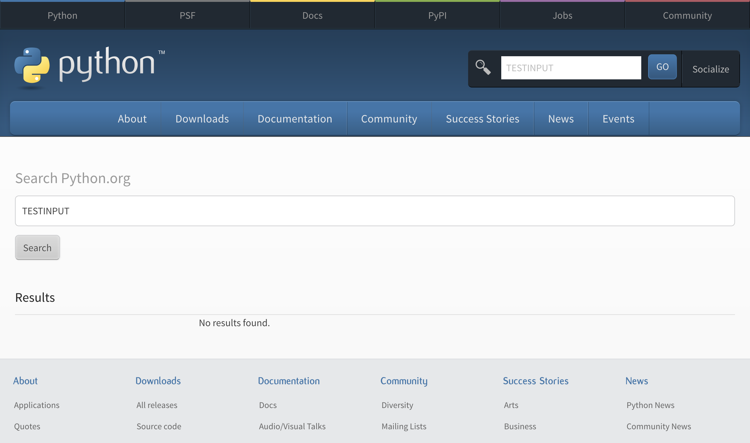

Sheet2


Sheet4


