1. Title Page
[Instacart Grocery Basket Analysis]

Project Name: Instacart Grocery Basket Analysis
Date: 2/2/2023
Analyst Name: Jodi Kim
Data Citation: The Instacart Online Grocery Shopping Dataset 2017
Accessed from https://www.instacart.com/datasets/grocery-shopping-2017
* Note: customer and product data were fabricated for the purpose of this course

Contents:
Population Flow
Consistency checks
Wrangling steps
Column derivations
Visualizations
Recommendations

2. Population Flow
 |  | Title page

Population flow

Exclusion flag
Condition: max_order <
Obervations to be removed:
Final total count of order_products_all:

Orders_products_all
Orders_products_combined
Orders_products_merged

Total:
Total:
Total: 32,434,489
32,404,859 | 32,404,859

1.) The grey boxes in the first row of the population flow represent the original data sets as they were when you downloaded them. In the Total fields you need to add the count of the rows when you imported the data set into Jupyter.
2.) The second row of boxes (coloured) represents the data sets after you manipulated them, e.g., removed missing values and duplicates. In the Total fields you need to add the count of the rows after conducting these operations. This offers a visual oveview of how the data flows throughout the data consistency checks.
3.) The third row, where also the arrows are coloured, represents the merges you performed between the datasets. In the Total fields you need to add the count of the rows in the merged datasets, so that you end up with the final dataset (in the red box). Keep in mind the final dataset should be without exclusions (based on the exclusion flag).

3. Consistency checks
 |  |  |  | Title page
Consistency checks

Dataset | Missing values | Missing values treatment | Duplicates
orders | 206,209 missing values in 'days_since_prior_order' | created a new column 'new_customer' | No duplicates found
products | 16 values missing in product_name column | removed missing values; created a new dataframe df_prods_clean | product_id: 462 (Fiber 4g Gummy Dietary Supplement), 18458 (Ranger IPA), 26808 (Black House Coffee Roasty Stout Beer), 35306 (Gluten Free Organic Peanut Butter & Chocolate), 35491 (Adore Forever Body Wash)
orders_products_prior | found no missing values |  | No duplicates found
customers | found no missing values |  | No duplicates found

4. Wrangling steps
 |  |  |  | Title page
Wrangling steps

Columns dropped | Columns renamed | Columns' type changed | Comment/Reason
eval_set |  |  | this column was dropped from orders.csv, as it did not provide any relevent information.
_merge |  |  | to merge df_ords_prods_combined with df_prods file
busiest_day |  |  | added column in exercise, but changed the column in the task to 'busiest_days'
first_name |  |  | dropped last_name for privacy protection reasons
last_name |  |  | dropped last_name for privacy protection reasons
 | dow to 'orders_day_of_week' |  | orders_day_of_week' is more intuitive from orders.csv
 | surname to last_name |  | last_name is more conistent with first_name
 | Unnamed 0: to department_id |  | the column name was missing from departments.csv
 |  | order_id to str | to ignore this column when doing descriptive statistics from orders.csv
 |  | user_id to str | to ignore this column when doing descriptive statistics from orders.csv
 |  | order_number to str | to ignore this column when doing descriptive statistics from orders.csv
 |  | order_hour_of_day to int | to figure out frequency of the busiest hour of day of sales from order.csv
 |  | first_name to str | this column had a mixed dtype (due to missing data), changed for consistency
 |  | n_dependants to int | to see if there is a correlation between age and number of dependants

5. Column derivations
 |  |  |  | Title page

Column derivations and aggregations

In this tab you should add tables below that the frequences of flags/label variables that you produced after deriving them. NB: don't do this for continuous variables, only for flags.
Dataset | New column | Column/s it was derived from | Conditions
df_ords_prods_merge | price_range | prices | If the item’s price is lower than or equal to $5, it will be labeled a “low-range product. If the item’s price is above $5 but lower than or equal to $15, it will be labeled a “mid-range product. If the item’s price is above $15, it will be labeled a “high-range product. If there is missing data, return 'not enough data'
df_ords_prods_merge | busiest_days | orders_day_of_week | This column contains 3 different values 'Regular busy days', "Busiest days' and 'Slowest days'. The top two busiest days of the week 'Busiest days'. The two slowest days of the week 'Slowest days' and everything else is 'Regular busy days'.
df_ords_prods_merge | busiest_period_of_day | order_hour_of_day | This column contains 3 different values 'Most orders', 'Average orders' and 'Fewest orders'.
df_ords_prods_merge | loyalty_flag | max_order, user_id, order_number | This column contains 3 different values. If a customer orders >= 40 'Loyal customer', <=40 'Regular customer', <= 10 orders 'New customer'.
df_ords_prods_merge | spending_flag | user_spending, user_id, prices | A spending flag for each user based on the average price across all their orders using the following criteria: If the mean of the prices of products purchased by a user is lower than 10, then flag them as a “Low spender.” If the mean of the prices of products purchased by a user is higher than or equal to 10, then flag them as a “High spender.”
df_ords_prods_merge | order_frequency_flag | median_prior_order, user_id, days_since_prior_order | The criteria for the column / flag is as follows: If the median of “days_since_prior_order” is higher than 20, then the customer is labeled a “Non-frequent customer.” If the median is higher than 10 and lower than or equal to 20, then the customer is labeled a “Regular customer.” If the median is lower than or equal to 10, then the customer is labeled a “Frequent customer.”
df_ords_prods_cust | age_flag | age | Ages are categorized by generation labels.
df_ords_prods_cust | income_flag | income | Grouped income into groups.
df_ords_prods_cust | family_flag | n_dependants and department_id | Categorized as following: 0 dependants as a single adult; 1 or more dependant and department id of 18 = family with baby; 1 or more dependant and not deparment id 18, family.

6. Visualizations
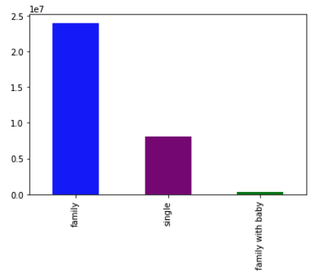
 | Title page

Visualisations

In this tab you should include all the visualtions from Exercises 4.9 and 4.10, alongside the questions from the project brief that they answer. Include any commentary on the relationship between different variables.

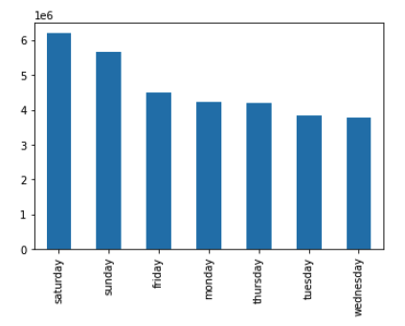
This bar chart shows the busiest day of the week for orders, which is Saturday and Sunday (the weekend).

This histogram shows the busiest hour (frequency) of the day for orders. The most orders are made at 10am (10h). Peak ordering time is from 10am - 4pm (10-16h). The least popular time is 3am.


This line chart describes the most popular day of the week for orders in relation to prices.
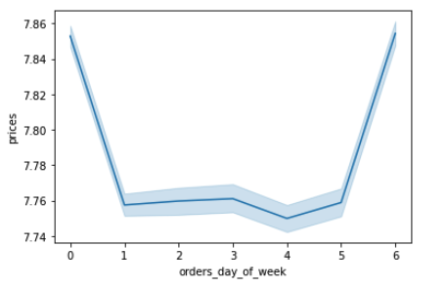

This is a histogram checking the frequency of prices. Most prices are $15 and below.



This line chart shows if there's a difference in expenditure depending on the hour of the day

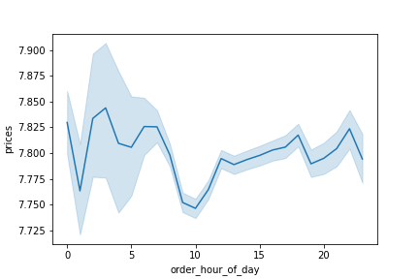

This line graph is a line chart reflecting the age of the user and the amount of dependants. It shows there is no real clear connection between age and number of dependants. More exploratory analysis is needed.
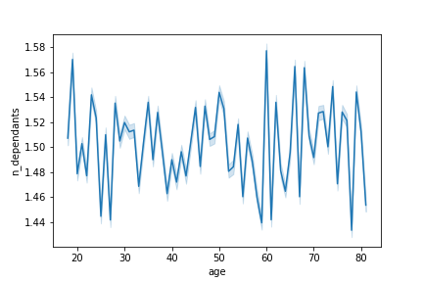


Scatterplot shows the difference between income and age.

Bar chart shows the amount of users per age group. Gen X is number one.
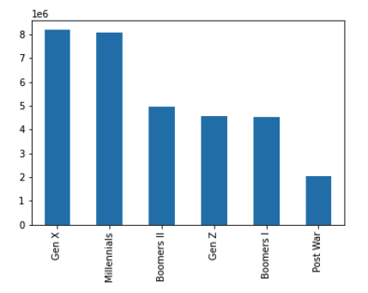

Bar chart per users categorized with income. Most fall under the middle class category.
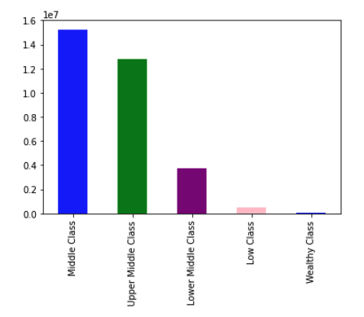

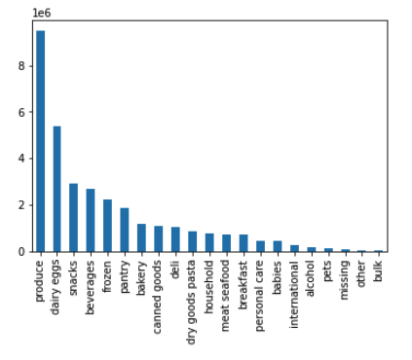
Bar chart per department category. Most orders are in produce.

Bar chart per family status. Users categorized with with one or more dependant and don't shop for babies are considered 'family'.

7. Recommendations
 |  | Title page

Recommendations

In this tab you should include any recommendations you would made to Instcart in terms of their marketing strategy based on the questions posed in the brief. Every key question has been covered in the Tasks of the Exercises - here you need to add an item - a visualisation or table/crosstable that is showing the answer in the data, acompanied by a comment from you. Please, list the questions below and add the answer underneath.

Question | Answer
The sales team needs to know what the busiest days of the week and hours of the day are (i.e., the days and times with the most orders) in order to schedule ads at times when there are fewer orders. | The busiest days of the week are: Saturday, Sunday, Friday, Monday, Thursday, Tuesday and Wednesday. I would recommend scheduling ads on the weekdays, Wednesday to boost sales.

 | The busiest hours are between 9-5 PM. I would recommend scheduling ads earlier and later in the day.

They also want to know whether there are particular times of the day when people spend the most money, as this might inform the type of products they advertise at these times. | The times of the day when people spend the most money is around 1-5 AM.

Are there certain types of products that are more popular than others? The marketing and sales team want to know which departments have the highest frequency of product orders. | The most popular products are produce, dairy/eggs, snacks and then beverages. Are people buying produce and dairy products early in the morning? This data suggests so….

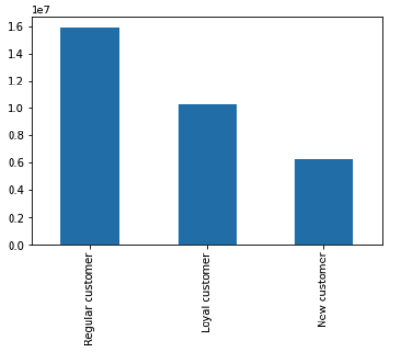
The marketing and sales teams are particularly interested in the different types of customers in their system and how their ordering behaviors differ. For example: | The distribution among users are categorized under regular customers, loyal customers and new customers. Most of the customers are regular customers.
● What's the distribution among users in regards to their brand loyalty (i.e., how often do they return to Instacart)?

● Are there differences in ordering habits based on a customer's loyalty status? | The highest mean orders per the customer's loyalty status are new customers followed by regular customers. Loyal customers actually have the lowest mean.
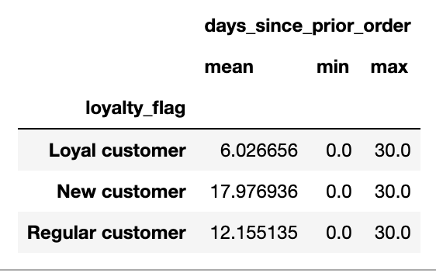

● Are there differences in ordering habits based on a customer's region? | There are slight differences in ordering habits based on a customer's region. The mean of orders are around 11 days and they spend roughly the same amount per order $11-12.
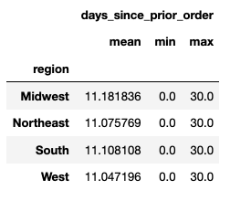
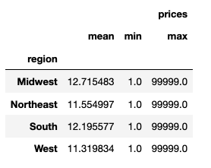

● Is there a connection between age and family status in terms of ordering habits? | Single people on average spend the most. Gen X and Millennials on average spend more than any other group. That would be single people between the ages of 27-58.
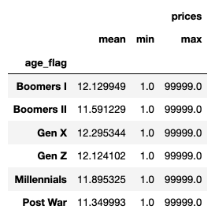
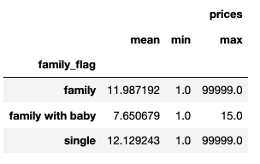

● What different classifications does the demographic information suggest? Age? Income? Certain types of goods? Family status? | Most single, Gen Xers and Millennials live in the South and West regions of the US. Families (1-3 dependants, no babies) live in South and West as well.

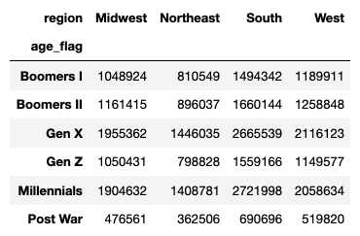
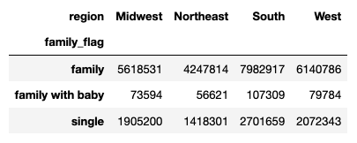

 | Families with babies ONLY buy baby products. The data shows they do not purchase any other items.
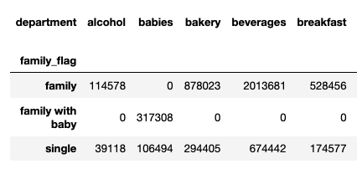

 | This visualization is from a crosstabs that I copied into Excel and did a bar graph. This shows family status by departments. It shows families also purchase a lot of produce, dairy/eggs, beverages and snacks.
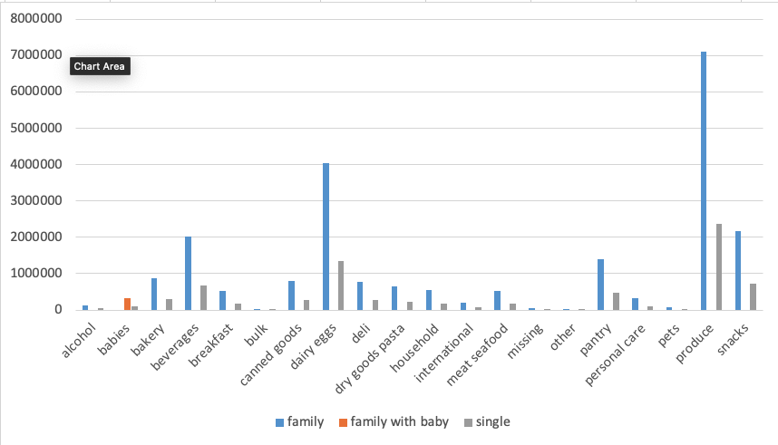

 | In terms of income, these tables show that (not too surprising) the wealthy class spends more on average. Most upper and middle-class population live in the South and West regions of the US. The Northeast has the most low and upper class groups.

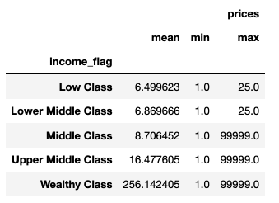
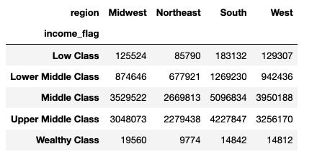

● What differences can you find in ordering habits of different customer profiles? Consider the price of orders, the frequency of orders, the products customers are ordering, and anything else you can think of. | Data suggest Instacart's top customer is: single, middle to upper-middle class, between 27-58 lives in the South or West regions of the US and purchases produce and dairy/eggs at 1-5 AM on the weekends.

 | Data also suggests that the Post War demographic ages 78-81 and families with babies living in the Northeast region of the US are the customers that are ordering the least.

 | My recommendation would be to keep a good stock of produce, dairy/eggs, beverages and snacks at all times as these are the most profitable departments.

 | It makes sense the Post War group has the lowest frequency and spending habits as they might not be as computer literate as other groups. However, their childern who may be Gen Xers or Boomers II, therefore, I would recommend targeting that group as they can order groceries for them. Start making the Instacart app easier to use with multiple users. You could have a family account with different addresses and profiles. You could also start catering ads to helping families and giving discounts if orders are for seniors, etc. Start a 'care' campaign all about taking care of elders/loved ones by doing their grocery shopping for them.

