log4j2_config
목 차 |  |  | \\192.168.3.101
 | 강사Email : |  | jamesol@paran.com
 | CAFE : |  | https://cafe.daum.net/pcwk
 | Zoom : |  | https://us06web.zoom.us/j/5774287769?pwd=TFVXV3NkZkFnVWZ3NlVSVERZK0lZdz09
 | Slack |  | https://join.slack.com/t/slack-05r6316/shared_invite/zt-12h1if6yq-TCrMZZJtNbyjh93BGBnNAA
 | 평가 |  | https://itsc.cafe24.com/
 | 긍정의 마음으로 살자

 |  | pom.xml
 |  |  | C:\DCOM_20220127\04_SPRING\repository\org\apache\logging\log4j\log4j-core\2.17.1\log4j-core-2.17.1.jar
 |  |  | C:\DCOM_20220127\04_SPRING\repository\org\apache\logging\log4j\log4j-api\2.17.1\log4j-api-2.17.1.jar

 |  |  | <!-- log4j-core -->
 |  |  | <dependency>
 |  |  | <groupId>org.apache.logging.log4j</groupId>
 |  |  | <artifactId>log4j-core</artifactId>
 |  |  | <version>${log4j-core.version}</version>
 |  |  | </dependency>
 |  |  | <!-- mybatis log4jdbc-log4j2 라이브러리 -->
 |  |  | <!-- https://mvnrepository.com/artifact/org.bgee.log4jdbc-log4j2/log4jdbc-log4j2-jdbc4.1 -->
 |  |  | <dependency>
 |  |  | <groupId>org.bgee.log4jdbc-log4j2</groupId>
 |  |  | <artifactId>log4jdbc-log4j2-jdbc4.1</artifactId>
 |  |  | <version>${org.bgee.log4jdbc-log4j2-version}</version>
 |  |  | </dependency>

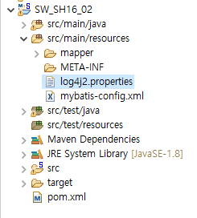

 |  | log4j2.properties
 |  |  | name = PropertiesConfig
 |  |  | property.filename = Spring_Log4j2_PCWK.log

 |  |  | appender.console.type = Console
 |  |  | appender.console.name = STDOUT
 |  |  | appender.console.layout.type = PatternLayout
 |  |  | appender.console.layout.pattern = [%d{yyyyMMdd HH:mm:ss}]::[%p] %c >> %m%n
 |  |  | appender.console.filter.threshold.type = ThresholdFilter
 |  |  | appender.console.filter.threshold.level = INFO
 |  |  | appender.rolling.type = RollingFile
 |  |  | appender.rolling.name = RollingFile
 |  |  | appender.rolling.fileName = logs/${filename}
 |  |  | appender.rolling.filePattern = ${filename}.%d{yyyy-MM-dd}.log
 |  |  | appender.rolling.layout.type = PatternLayout
 |  |  | appender.rolling.layout.pattern = [%p], %d{yyyy-MM-dd HH:mm:ss} %c{1}:%L - %m%n
 |  |  | appender.rolling.policies.type = Policies
 |  |  | appender.rolling.policies.time.type = TimeBasedTriggeringPolicy
 |  |  | appender.rolling.policies.time.interval = 1
 |  |  | appender.rolling.policies.time.modulate = true
 |  |  | appender.rolling.strategy.type = DefaultRolloverStrategy
 |  |  | appender.rolling.strategy.max = 3
 |  |  | appender.rolling.filter.threshold.type = ThresholdFilter
 |  |  | appender.rolling.filter.threshold.level = INFO
 |  |  | #for java code
 |  |  | #logger.rolling.name = Application
 |  |  | #logger.rolling.level = info
 |  |  | #logger.rolling.additivity = false
 |  |  | #logger.rolling.appenderRef.rolling.ref = RollingFile
 |  |  | rootLogger.level = all
 |  |  | rootLogger.appenderRefs = rolling, STDOUT
 |  |  | rootLogger.appenderRef.rolling.ref = RollingFile
 |  |  | rootLogger.appenderRef.stdout.ref = STDOUT

 |  | package com.pcwk.ehr;
 |  | import org.apache.logging.log4j.LogManager;
 |  | import org.apache.logging.log4j.Logger;
 |  | public class Log4j2Mybatis {
 |  | final static Logger LOG = LogManager.getLogger(Log4j2Mybatis.class);
 |  | public static void main(String[] args) {
 |  | System.out.println("--------------");
 |  | LOG.debug("This is a debug message");
 |  | LOG.info("This is an info message");
 |  | LOG.warn("This is a warn message");
 |  | LOG.error("This is an error message");
 |  | LOG.fatal("This is a fatal message");
 |  | System.out.println("--------------");
 |  | }
 |  | }

 |  | --------------
 |  | [20220616 16:02:16]::[INFO] com.pcwk.ehr.Log4j2Mybatis >> This is an info message
 |  | [20220616 16:02:16]::[WARN] com.pcwk.ehr.Log4j2Mybatis >> This is a warn message
 |  | [20220616 16:02:16]::[ERROR] com.pcwk.ehr.Log4j2Mybatis >> This is an error message
 |  | [20220616 16:02:16]::[FATAL] com.pcwk.ehr.Log4j2Mybatis >> This is a fatal message
 |  | --------------

 |  | mybatis-config.xml
 |  |  | <?xml version="1.0" encoding="UTF-8" ?>
 |  |  | <!DOCTYPE configuration
 |  |  | PUBLIC "-//mybatis.org//DTD Config 3.0//EN"
 |  |  | "http://mybatis.org/dtd/mybatis-3-config.dtd">
 |  |  | <configuration>
 |  |  | <settings>
 |  |  | <setting name="logImpl" value="LOG4J2"/>
 |  |  | </settings>
 |  |  | </configuration>

 |  | database.properties
 |  |  | #jdbc.driver=oracle.jdbc.driver.OracleDriver
 |  |  | #jdbc.url=jdbc:oracle:thin:@192.168.3.101:1521:xe
 |  |  | jdbc.driver=net.sf.log4jdbc.sql.jdbcapi.DriverSpy
 |  |  | jdbc.url=jdbc:log4jdbc:oracle:thin:@192.168.3.101:1521:xe
 |  |  | jdbc.username=SPRING
 |  |  | jdbc.password=pcwk_spring
 |  |  | jdbc.maxActive=10
 |  |  | jdbc.maxIdle=7
 |  |  | jdbc.maxWait=50000
 |  |  | jdbc.removeAbandoned=true
 |  |  | jdbc.removeAbandonedTimeout=60

mybatis_20220615
목 차 |  |  | \\192.168.3.101
 | 강사Email : |  | jamesol@paran.com
 | CAFE : |  | https://cafe.daum.net/pcwk
 | Zoom : |  | https://us06web.zoom.us/j/5774287769?pwd=TFVXV3NkZkFnVWZ3NlVSVERZK0lZdz09
 | Slack |  | https://join.slack.com/t/slack-05r6316/shared_invite/zt-12h1if6yq-TCrMZZJtNbyjh93BGBnNAA
 | 평가 |  | https://itsc.cafe24.com/
 | 긍정의 마음으로 살자

 |  | SpringMVC
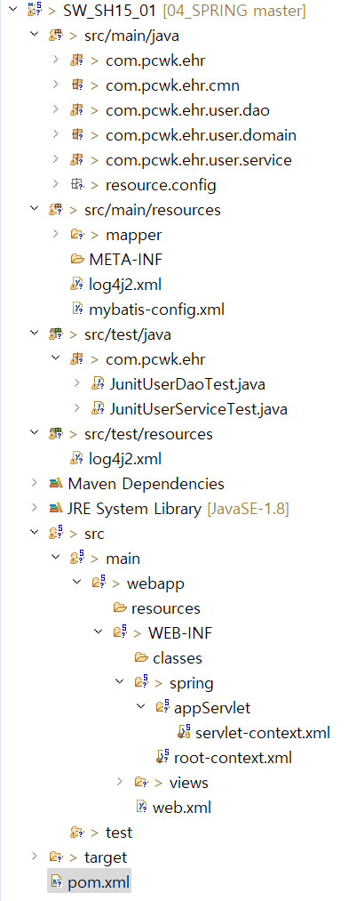

java source

db 연결정보

sql
logger 설정
mybatis main 설정 파일

junit 테스트

css. html, Image

bean 및 spring 설정
servlet에 대한 설정
jsp

servlet, filter, bean*.xml

lib와 build

 |  |  | UserDaoImpl.java |  | doInsert |  |  | user.xml
 |  |  |  | @Repository("userDao") |  |  |  |  | <?xml version="1.0" encoding="UTF-8"?>
 |  |  |  | public class UserDaoImpl implements UserDao { |  |  |  |  | <!DOCTYPE mapper PUBLIC "-//mybatis.org//DTD Mapper 3.0//EN" "http://mybatis.org/dtd/mybatis-3-mapper.dtd">
 |  |  |  | final Logger LOG = LogManager.getLogger(this.getClass()); |  |  |  |  | <mapper namespace="com.pcwk.ehr.user">
namespace+id
=com.pcwk.ehr.user.doInsert
 |  |  |  | // mybatis namespace |  |  |  |  | <!-- 단건 등록 : namespace + id = com.pcwk.ehr.user.doInsert -->
 |  |  |  | final String NAVESPACE = "com.pcwk.ehr.user"; |  |  |  |  | <insert id="doInsert" parameterType="UserVO">
 |  |  |  | /** |  |  |  |  | INSERT INTO hr_member (
 |  |  |  | * 사용자 등록 |  |  |  |  | u_id,
 |  |  |  | * |  |  |  |  | name,
 |  |  |  | * @param inVO |  |  |  |  | passwd,
 |  |  |  | * @return 1(성공)/0(실패) |  |  |  |  | u_level,
 |  |  |  | * @throws ClassCastException |  |  |  |  | login,
 |  |  |  | * @throws SQLException |  |  |  |  | recommend,
 |  |  |  | * @throws ClassNotFoundException |  |  |  |  | email,
 |  |  |  | */ |  |  |  |  | reg_dt
 |  |  |  | @Override |  |  |  |  | ) VALUES (
 |  |  |  | public int doInsert(final UserVO inVO) throws SQLException{ |  |  |  |  | #{uId},
 |  |  |  |  |  |  |  |  | #{name},
 |  |  |  | int flag = 0; |  |  |  |  | #{passwd},
 |  |  |  | String statement = NAVESPACE+".doInsert"; |  |  |  |  | #{intLevel},
 |  |  |  |  |  |  |  |  | #{login},
 |  |  |  | LOG.debug("============================="); |  |  |  |  | #{recommend},
 |  |  |  | LOG.debug("param :" + inVO.toString()); |  |  |  |  | #{email},
 |  |  |  | LOG.debug("statement :" + statement); |  |  |  |  | SYSDATE
 |  |  |  | LOG.debug("============================="); |  |  |  |  | )
 |  |  |  |  |  |  |  |  | </insert>
 |  |  |  | flag = this.sqlSessionTemplate.insert(statement, inVO);
 |  |  |  | LOG.debug("flag : " + flag); |  |  |  |  | </mapper>

 |  |  |  | return flag;
 |  |  |  | }
 |  |  |  | }

 |  |  | UserDaoImpl.java |  | doSelectOne | user.xml
 |  |  |  | @Repository("userDao") |  |  | <?xml version="1.0" encoding="UTF-8"?>
 |  |  |  | public class UserDaoImpl implements UserDao { |  |  | <!DOCTYPE mapper PUBLIC "-//mybatis.org//DTD Mapper 3.0//EN" "http://mybatis.org/dtd/mybatis-3-mapper.dtd">
 |  |  |  | final Logger LOG = LogManager.getLogger(this.getClass()); |  |  | <mapper namespace="com.pcwk.ehr.user">
 |  |  |  | // mybatis namespace
<!-- namespace + id = com.pcwk.ehr.user.doSelectOne-->
<select id="doSelectOne" parameterType="UserVO" resultType="UserVO">
<![CDATA[
SELECT u_id AS "uId",
name,
passwd,
u_level AS intLevel,
login,
recommend,
email,
TO_CHAR(reg_dt , 'yyyy-mm-dd hh24:mi:ss') AS regDt
FROM hr_member
WHERE u_id = #{uId}
]]>
</select>
 |  |  |  | final String NAVESPACE = "com.pcwk.ehr.user"; |  |  | <!-- namespace + id = com.pcwk.ehr.user.doSelectOne-->
 |  |  |  | /** |  |  | <select id="doSelectOne" parameterType="UserVO" resultType="UserVO">
 |  |  |  | * 회원 단건 |  |  | SELECT u_id AS "uId",
 |  |  |  | * |  |  | name,
 |  |  |  | * @param inVO |  |  | passwd,
CDATA는 <,> 그 외 특수 기호 사용에 이용된다.
 |  |  |  | * @return UserVO |  |  | u_level AS intLevel,
 |  |  |  | * @throws SQLException |  |  | login,
 |  |  |  | * @throws ClassNotFoundException |  |  | recommend,
 |  |  |  | */ |  |  | email,
 |  |  |  | @Override |  |  | TO_CHAR(reg_dt , 'yyyy-mm-dd hh24:mi:ss') AS regDt
 |  |  |  | @SuppressWarnings("deprecation") |  |  | FROM hr_member
 |  |  |  | public UserVO doSelectOne(UserVO inVO) throws SQLException{ |  |  | WHERE u_id = #{uId}
 |  |  |  | UserVO outVO = null; |  |  | </select>
 |  |  |  |  |  |  | </mapper>
 |  |  |  | String statement = NAVESPACE+".doSelectOne";
 |  |  |  | LOG.debug("============================="); |  |  |  |  | UserVO
 |  |  |  | LOG.debug("param : "+inVO.toString()); |  |  |  |  | public class UserVO extends DTO {
 |  |  |  | LOG.debug("statement: "+statement); |  |  |  |  | private String uId; // 사용자 아이디
 |  |  |  | LOG.debug("============================="); |  |  |  |  | private String name; // 이름
 |  |  |  |  |  |  |  |  | private String passwd; // 비밀번호
 |  |  |  | outVO = this.sqlSessionTemplate.selectOne(statement, inVO);
 |  |  |  | LOG.debug("============================="); |  |  |  |  | private Level level; // 등급 : 1 -> BASIC, 2 -> SILVER, 3 -> GOLD
 |  |  |  | LOG.debug("=**outVO="+outVO.toString()); |  |  |  |  | private int login; // 로그인
 |  |  |  | LOG.debug("============================="); |  |  |  |  | private int recommend; // 추천수
 |  |  |  |  |  |  |  |  | private String email; // 이메일
 |  |  |  | return outVO; |  |  |  |  | private String regDt; // 등록일
 |  |  |  | }
 |  |  |  | } |  |  |  |  | private int intLevel; // mybatis level
 |  |  |  |  |  |  |  |  | }

 |  |  | user.xml
 |  |  |  | <?xml version="1.0" encoding="UTF-8"?>
 |  |  |  | <!DOCTYPE mapper PUBLIC "-//mybatis.org//DTD Mapper 3.0//EN" "http://mybatis.org/dtd/mybatis-3-mapper.dtd">
 |  |  |  | <mapper namespace="com.pcwk.ehr.user">

 |  |  |  | <!-- namespace + id = com.pcwk.ehr.user.doSelectOne-->

 |  |  |  | <resultMap type="UserVO" id="userResultMap">
 |  |  |  | <id property="uId" column="u_id"/>
 |  |  |  | <result property="name" column="name"/>
컬럼 alias
테이블 컬럼
 |  |  |  | <result property="passwd" column="passwd"/>

 |  |  |  | <result property="login" column="login"/>
 |  |  |  | <result property="recommend" column="recommend"/>
 |  |  |  | <result property="email" column="email"/>
 |  |  |  | <result property="regDt" column="reg_dt"/>
 |  |  |  | </resultMap>
 |  |  |  | <select id="doSelectOne" parameterType="UserVO" resultMap="userResultMap">
 |  |  |  | <![CDATA[
 |  |  |  | SELECT u_id,
 |  |  |  | name,
 |  |  |  | passwd,
 |  |  |  | u_level,
 |  |  |  | login,
 |  |  |  | recommend,
 |  |  |  | email,
 |  |  |  | TO_CHAR(reg_dt , 'yyyy-mm-dd hh24:mi:ss') AS reg_dt
 |  |  |  | FROM hr_member
 |  |  |  | WHERE u_id = #{uId}
 |  |  |  | ]]>
 |  |  |  | </select>
 |  |  |  | </mapper>

 |  |  | UserDaoImpl.java |  | getAll |  |  |  | user.xml
 |  | @Override |  |  |  |  |  |  | <?xml version="1.0" encoding="UTF-8"?>
 |  | public List<UserVO> getAll(UserVO inVO){ |  |  |  |  |  |  | <!DOCTYPE mapper PUBLIC "-//mybatis.org//DTD Mapper 3.0//EN" "http://mybatis.org/dtd/mybatis-3-mapper.dtd">
 |  | List<UserVO> list = null; |  |  |  |  |  |  | <mapper namespace="com.pcwk.ehr.user">
 |  | String statement = NAVESPACE+".getAll";
 |  |  |  |  |  |  |  |  | <select id="getAll" parameterType="UserVO" resultType="UserVO">
 |  | LOG.debug("============================="); |  |  |  |  |  |  | SELECT u_id as "uId",
 |  | LOG.debug("param: " + inVO.toString()); |  |  |  |  |  |  | name,
 |  | LOG.debug("statement: " + statement); |  |  |  |  |  |  | passwd,
 |  | LOG.debug("============================="); |  |  |  |  |  |  | u_level as intLevel,
 |  |  |  |  |  |  |  |  | login,
 |  | list = sqlSessionTemplate.selectList(statement, inVO); |  |  |  |  |  |  | recommend,
 |  |  |  |  |  |  |  |  | email,
 |  | for(UserVO vo : list) { |  |  |  |  |  |  | TO_CHAR(reg_dt , 'yyyy-mm-dd hh24:mi:ss') AS regDt
 |  | LOG.debug("vo:"+vo.toString()); |  |  |  |  |  |  | FROM hr_member
 |  | } |  |  |  |  |  |  | WHERE u_id LIKE #{uId} || '%'
 |  |  |  |  |  |  |  |  | ORDER BY u_id
 |  | return list; |  |  |  |  |  |  | </select>
 |  | } |  |  |  |  |  |  | </mapper>

트랜잭션_20220614
목 차 |  |  | \\192.168.3.101
 | 강사Email : |  | jamesol@paran.com
 | CAFE : |  | https://cafe.daum.net/pcwk
 | Zoom : |  | https://us06web.zoom.us/j/5774287769?pwd=TFVXV3NkZkFnVWZ3NlVSVERZK0lZdz09
 | Slack |  | https://join.slack.com/t/slack-05r6316/shared_invite/zt-12h1if6yq-TCrMZZJtNbyjh93BGBnNAA
 | 평가 |  | https://itsc.cafe24.com/
 | 긍정의 마음으로 살자

 |  | Connection Pool
 |  |  | <!-- https://mvnrepository.com/artifact/commons-dbcp/commons-dbcp -->
 |  |  | <dependency>
 |  |  | <groupId>commons-dbcp</groupId>
 |  |  | <artifactId>commons-dbcp</artifactId>
 |  |  | <version>1.4</version>
 |  |  | </dependency>

 |  | DataSource 변경
 |  |  | BasicDataSource
 |  |  | 설정정보
 |  |  | resource.config
 |  |  |  | database.properties

 |  |  | database.properties |  |  |  | applicationContext.xml
 |  |  |  | jdbc.driver=oracle.jdbc.driver.OracleDriver |  |  | <!-- database.properties read -->
 |  |  |  | jdbc.url=jdbc:oracle:thin:@192.168.3.101:1521:xe |  |  | <context:property-placeholder location="classpath:/resource/config/database.properties"/>
 |  |  |  | jdbc.username=SPRING
 |  |  |  | jdbc.password=pcwk_spring |  |  | <!--DataSource를 구현한 SimpleDriverDataSource-->
 |  |  |  |  |  |  | <bean id="dataSource" class="org.apache.commons.dbcp.BasicDataSource">
 |  |  |  |  |  |  | <!-- jdbc 드라이버 -->
 |  |  |  |  |  |  | <property name="driverClassName" value="${jdbc.driver}"/>
 |  |  |  |  |  |  | <!-- jdbc url -->
 |  |  |  |  |  |  | <property name="url" value="${jdbc.url}"/>
 |  |  |  |  |  |  | <!-- username -->
 |  |  |  |  |  |  | <property name="username" value="${jdbc.username}" />
 |  |  |  |  |  |  | <!-- 비밀번호 -->
 |  |  |  |  |  |  | <property name="password" value="${jdbc.password}" />
 |  |  |  |  |  |  | </bean>

 |  | AOP 트랜잭션 관리
 |  |  | 트랜잭션 어드바이스 설정
 |  |  | <tx:advice> 스프링컨테이너가 자동으로 생성

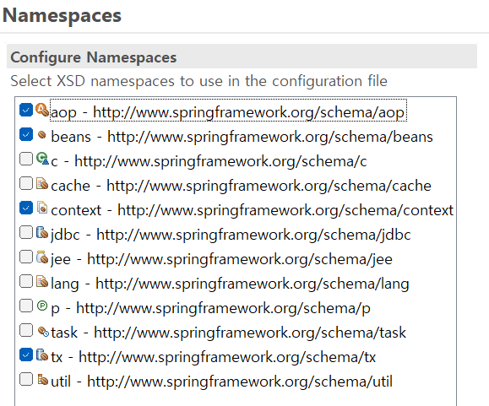

 |  |  | applicationContext.xml
 |  |  | <!-- JDBC DataSourceTransactionManager -->
 |  |  | <bean id="transactionManager" class="org.springframework.jdbc.datasource.DataSourceTransactionManager">
 |  |  | <property name="dataSource" ref="dataSource" />
 |  |  | </bean>

 |  |  | <!-- 트랜잭션 어드바이스 설정 -->
 |  |  | <tx:advice id="txAdvice" transaction-manager="transactionManager">
 |  |  | <tx:attributes>
 |  |  | <!-- do로 시작하는 모든 메소드는 트랜잭션 관리 대상에서 제외 -->
 |  |  | <tx:method name="do*" read-only="true"/>
 |  |  | <!-- up으로 시작하는 메소드는 트랜잭션 관리 대상 -->
 |  |  | <tx:method name="up*" read-only="false"/>
 |  |  | </tx:attributes>
 |  |  | </tx:advice>

 |  |  | <!-- pointcut *Service : com.pcwk.ehr.user.service -->
 |  |  | <aop:config>
 |  |  | <aop:pointcut expression="execution(* com.pcwk.ehr..service.*Impl.*(..))" id="txPointCut"/>
 |  |  | <!-- 트랜잭션 처리를 위한 advisor : advice + pointcut -->
 |  |  | <aop:advisor advice-ref="txAdvice"
 |  |  | pointcut-ref="txPointCut" />
 |  |  | </aop:config>

 |  |  | 포인트컷 표현식

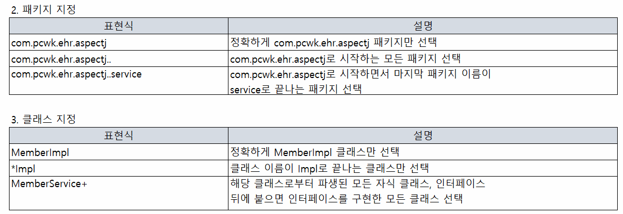

 |  |  | mybatis
 |  |  |  | mybatis는 개발자가 지정한 SQL, 저장 프로시저, 그리고 몇가지 고급 매핑을 지원하는 퍼시스턴스 프레임워크이다.

 |  |  |  | <!-- https://mvnrepository.com/artifact/org.mybatis/mybatis -->
 |  |  |  | <dependency>
 |  |  |  | <groupId>org.mybatis</groupId>
 |  |  |  | <artifactId>mybatis</artifactId>
 |  |  |  | <version>3.5.7</version>
 |  |  |  | </dependency>

 |  |  |  | <!-- https://mvnrepository.com/artifact/org.mybatis/mybatis-spring -->
 |  |  |  | <dependency>
 |  |  |  | <groupId>org.mybatis</groupId>
 |  |  |  | <artifactId>mybatis-spring</artifactId>
 |  |  |  | <version>2.0.6</version>
 |  |  |  | </dependency>

 |  | S_SH14_02와 S_SH14_03 합치기
 |  |  | pom.xml
 |  |  | web.xml
 |  |  |  | 한글 인코딩 필터
 |  |  |  | <!-- 한글 변환 코드 -->
 |  |  |  | <filter>
 |  |  |  | <filter-name>encodingFilter</filter-name>
 |  |  |  | <filter-class>org.springframework.web.filter.CharacterEncodingFilter</filter-class>
 |  |  |  | <init-param>
 |  |  |  | <param-name>encoding</param-name>
 |  |  |  | <param-value>UTF-8</param-value>
 |  |  |  | </init-param>
 |  |  |  | </filter>
 |  |  |  | <filter-mapping>
 |  |  |  | <filter-name>encodingFilter</filter-name>
 |  |  |  | <url-pattern>/*</url-pattern>
 |  |  |  | </filter-mapping>

 |  | mybatis 환경설정
 |  | mybatis-config.xml

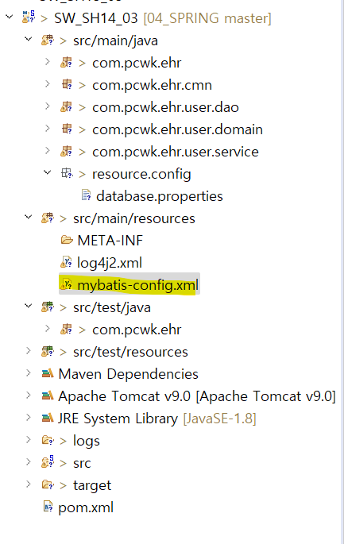

mybatis 환경 설정 파일
 |  |  |  |  | https://mybatis.org/mybatis-3/ko/index.html

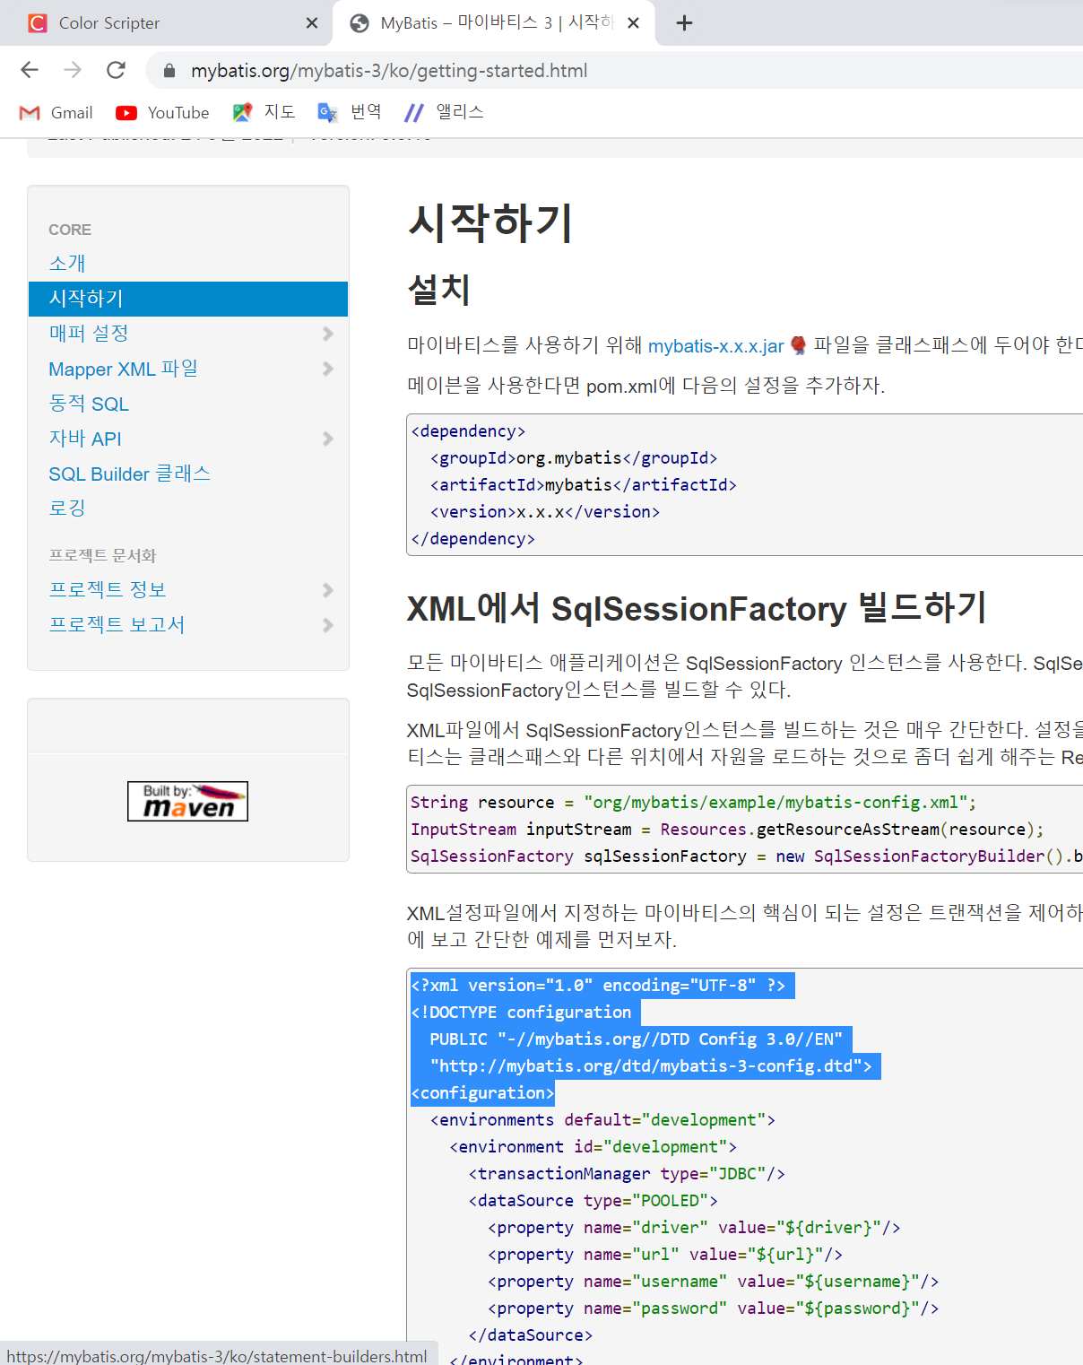

복사

 |  |  | mybatis-config.xml
 |  |  |  | <?xml version="1.0" encoding="UTF-8" ?>
 |  |  |  | <!DOCTYPE configuration
 |  |  |  | PUBLIC "-//mybatis.org//DTD Config 3.0//EN"
 |  |  |  | "http://mybatis.org/dtd/mybatis-3-config.dtd">
 |  |  |  | <configuration>
 |  |  |  | <typeAliases>
 |  |  |  | <typeAlias type="com.pcwk.ehr.user.domain.UserVO" alias="UserVO" />
 |  |  |  | </typeAliases>
 |  |  |  | </configuration>

 |  |  | STS '-> marketplace -> mybatipse 1.2.5 plug-in 다운로드
 |  |  |  | ctrl + space 할 수 있는 플러그인

 |  |  | root-context.xml
 |  |  |  | 추가

 |  |  | <!-- mybatis db연결객체 -->
 |  |  | <bean id="sqlSessionTemplate" class="org.mybatis.spring.SqlSessionTemplate">
 |  |  | <constructor-arg index="0" ref="sqlSessionFactoryBean" />
 |  |  | </bean>

 |  |  | <!-- mybatis 설정 : 환경설정 읽기-->
 |  |  | <!-- configLocation: mybatis-config.xml -->
 |  |  | <!-- mapper: -->
 |  |  | <bean id="sqlSessionFactoryBean" class="org.mybatis.spring.SqlSessionFactoryBean">
 |  |  | <property name="dataSource" ref="dataSource" />
 |  |  | <property name="configLocation" value="classpath:mybatis-config.xml" />
 |  |  | <property name="mapperLocations" value="classpath:mapper/**/*.xml" />
 |  |  | </bean>

 |  |  | mapper.xml
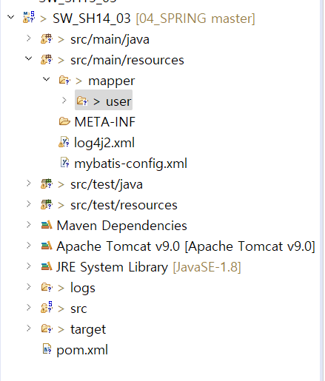
 |  |  |  |  | user.xml
 |  |  |  |  |  | <?xml version="1.0" encoding="UTF-8"?>
 |  |  |  |  |  | <!DOCTYPE mapper PUBLIC "-//mybatis.org//DTD Mapper 3.0//EN" "http://mybatis.org/dtd/mybatis-3-mapper.dtd">
 |  |  |  |  |  | <mapper namespace="com.pcwk.ehr.user">

 |  |  |  |  |  | </mapper>

mvc_20220613
목 차 |  |  | \\192.168.3.101
 | 강사Email : |  | jamesol@paran.com
 | CAFE : |  | https://cafe.daum.net/pcwk
 | Zoom : |  | https://us06web.zoom.us/j/5774287769?pwd=TFVXV3NkZkFnVWZ3NlVSVERZK0lZdz09
 | Slack |  | https://join.slack.com/t/slack-05r6316/shared_invite/zt-12h1if6yq-TCrMZZJtNbyjh93BGBnNAA
 | 평가 |  | https://itsc.cafe24.com/
 | 긍정의 마음으로 살자

 |  | SpringMVC Project

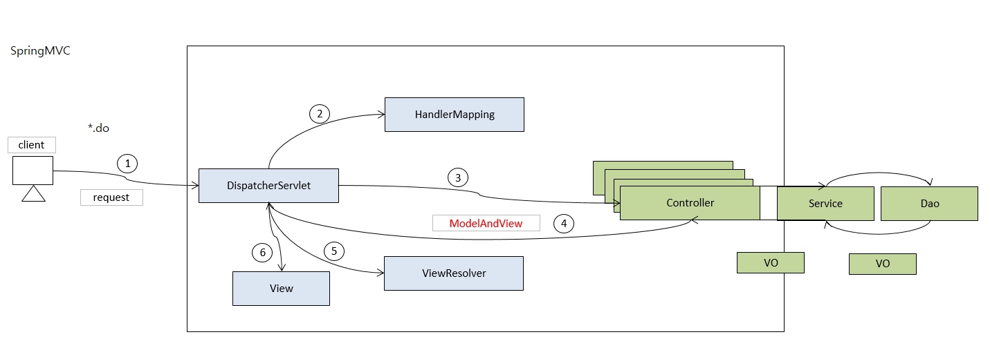

 |  |  | web.xml
 |  |  |  | <?xml version="1.0" encoding="UTF-8"?>
 |  |  |  | <web-app version="2.5" xmlns="http://java.sun.com/xml/ns/javaee"
 |  |  |  | xmlns:xsi="http://www.w3.org/2001/XMLSchema-instance"
 |  |  |  | xsi:schemaLocation="http://java.sun.com/xml/ns/javaee https://java.sun.com/xml/ns/javaee/web-app_2_5.xsd">
 |  |  |  | <!-- The definition of the Root Spring Container shared by all Servlets and Filters -->
 |  |  |  | <context-param>
 |  |  |  | <param-name>contextConfigLocation</param-name>
 |  |  |  | <param-value>/WEB-INF/spring/root-context.xml</param-value>
 |  |  |  | </context-param>

 |  |  |  | <!-- Creates the Spring Container shared by all Servlets and Filters -->
 |  |  |  | <listener>
 |  |  |  | <listener-class>org.springframework.web.context.ContextLoaderListener</listener-class>
 |  |  |  | </listener>
 |  |  |  | <!-- Processes application requests -->
 |  |  |  | <servlet>
 |  |  |  | <servlet-name>appServlet</servlet-name>
 |  |  |  | <servlet-class>org.springframework.web.servlet.DispatcherServlet</servlet-class>
 |  |  |  | <init-param>
 |  |  |  | <param-name>contextConfigLocation</param-name>
 |  |  |  | <param-value>/WEB-INF/spring/appServlet/servlet-context.xml</param-value>
 |  |  |  | </init-param>
 |  |  |  | <load-on-startup>1</load-on-startup>
 |  |  |  | </servlet>

 |  |  |  | <servlet-mapping>
 |  |  |  | <servlet-name>appServlet</servlet-name>
 |  |  |  | <url-pattern>*.do</url-pattern>
 |  |  |  | </servlet-mapping>
 |  |  |  | </web-app>

 |  |  | servlet-context.xml
 |  |  |  | <?xml version="1.0" encoding="UTF-8"?>
 |  |  |  | <beans:beans xmlns="http://www.springframework.org/schema/mvc"
 |  |  |  | xmlns:xsi="http://www.w3.org/2001/XMLSchema-instance"
 |  |  |  | xmlns:beans="http://www.springframework.org/schema/beans"
 |  |  |  | xmlns:context="http://www.springframework.org/schema/context"
 |  |  |  | xsi:schemaLocation="http://www.springframework.org/schema/mvc https://www.springframework.org/schema/mvc/spring-mvc.xsd
 |  |  |  | http://www.springframework.org/schema/beans https://www.springframework.org/schema/beans/spring-beans.xsd
 |  |  |  | http://www.springframework.org/schema/context https://www.springframework.org/schema/context/spring-context.xsd">
 |  |  |  | <!-- DispatcherServlet Context: defines this servlet's request-processing infrastructure -->

 |  |  |  | <!-- Enables the Spring MVC @Controller programming model -->
 |  |  |  | <annotation-driven /> |  |  | annotation 사용하도록 설정
 |  |  |  | <!-- Handles HTTP GET requests for /resources/** by efficiently serving up static resources in the ${webappRoot}/resources directory -->
 |  |  |  | <resources mapping="/resources/**" location="/resources/" /> |  |  | css, html, image 등 정적인 파일
 |  |  |  | <!-- Resolves views selected for rendering by @Controllers to .jsp resources in the /WEB-INF/views directory -->
 |  |  |  | <beans:bean class="org.springframework.web.servlet.view.InternalResourceViewResolver">
 |  |  |  | <beans:property name="prefix" value="/WEB-INF/views/" /> |  |  |  | /WEB-INF/view/hello.jsp
 |  |  |  | <beans:property name="suffix" value=".jsp" />
 |  |  |  | </beans:bean>

 |  |  |  | <context:component-scan base-package="com.pcwk.ehr" /> |  |  | annotaion 적용을 위해 읽을 패키지 기준

 |  |  |  | </beans:beans>

 |  |  | root-context.xml
 |  |  |  | <?xml version="1.0" encoding="UTF-8"?>
 |  |  |  | <beans xmlns="http://www.springframework.org/schema/beans"
 |  |  |  | xmlns:xsi="http://www.w3.org/2001/XMLSchema-instance"
 |  |  |  | xsi:schemaLocation="http://www.springframework.org/schema/beans https://www.springframework.org/schema/beans/spring-beans.xsd">

 |  |  |  | <!-- Root Context: defines shared resources visible to all other web components -->

 |  |  |  | </beans>

 |  |  | Tomcat 9.0
 |  |  |  | download url | https://tomcat.apache.org/download-90.cgi

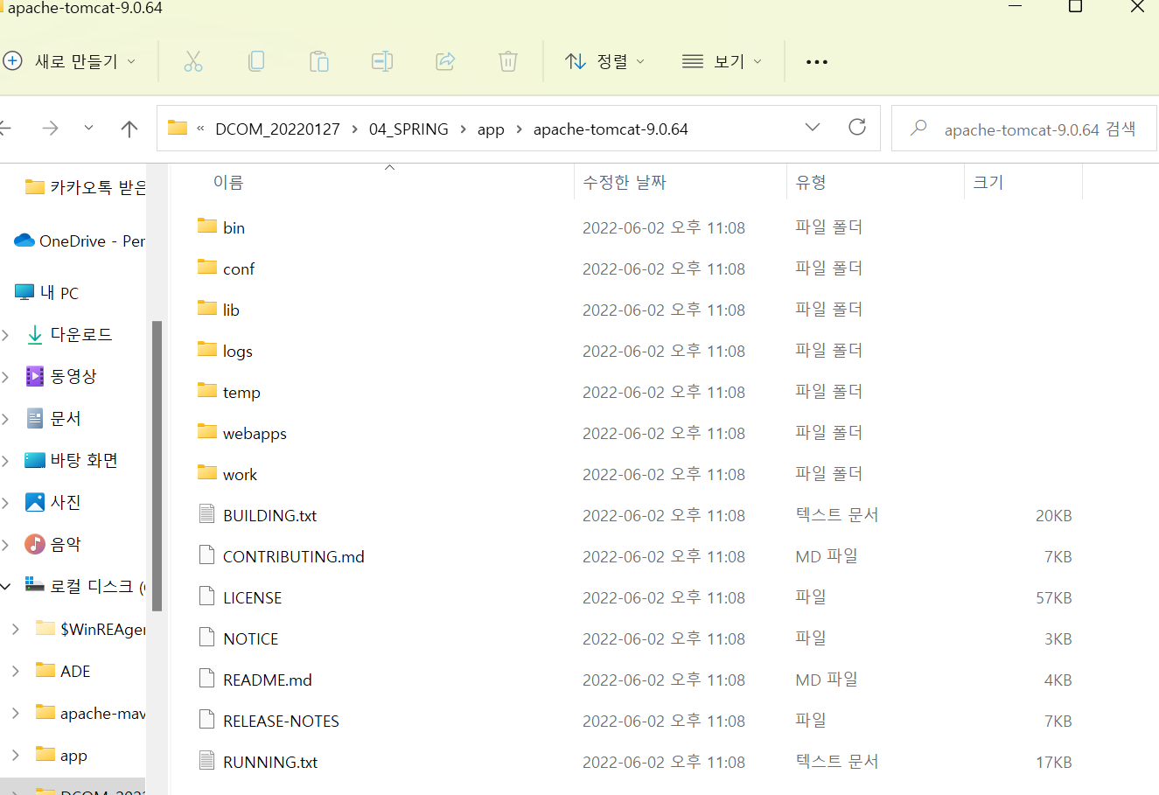

 |  |  | AnnoDao.java |  | DAO | com.pcwk.ehr.anno.dao

 |  |  | AnnoService.java |  | Service | com.pcwk.ehr.anno.service
 |  |  | AnnoServiceImpl.java

 |  |  | AnnoController.java |  | Controller | com.pcwk.ehr.anno.controller

 |  |  | /anno/anno.jsp |  | View

 |  |  | AnnoVO.java |  | Domain | com.pcwk.ehr.anno.domain

aop_20220610
목 차 |  |  | \\192.168.3.101
 | 강사Email : |  | jamesol@paran.com
 | CAFE : |  | https://cafe.daum.net/pcwk
 | Zoom : |  | https://us06web.zoom.us/j/5774287769?pwd=TFVXV3NkZkFnVWZ3NlVSVERZK0lZdz09
 | Slack |  | https://join.slack.com/t/slack-05r6316/shared_invite/zt-12h1if6yq-TCrMZZJtNbyjh93BGBnNAA
 | 평가 |  | https://itsc.cafe24.com/
 | 긍정의 마음으로 살자

 |  | AOP(Aspect of Programming) |  |  |  |  | AOP는 주로 공통관심사에 사용되는데 가장 대표적인게 logging, transaction, 인증 등의 처리가 되겠습니다.
 |  |  | 관점 지향 프로그래밍이라 불린다.
 |  |  | 관점 지향은 어떤 로직을 기준으로 핵심적인 관점, 부가적인 관점으로 나누어서 보고 그 관점을 기준으로 각각 모듈화 하겠다.

 |  |  | 용어 정리

 |  |  |  | 조인포인트(Joinpoint) |  |  | JoinPoint는 AOP를 적용할 수 있는 지점을 나타냅니다. Spring AOP에서 join point는 항상 메소드 실행을 나타냅니다.
 |  |  |  |  | 클라이언트가 호출하는 모든 비즈니스 메소드.
 |  |  |  |  | UserServiceImpl에 있는 모든 메소드가 조인포인트

 |  |  |  | 포인트컷(Pointcut) |  |  | Pointcut은 표현식이나 패턴들을 활용하는 AOP의 EL이라고 생각하시면 되고 하나 또는 여러개의 joinpoint 집합입니다.
 |  |  |  |  | 클라이언트가 호출하는 모든 비즈니스 메소드가 조인포인트라면
 |  |  |  |  | 포인트컷은 필터링된 조인포인트

 |  |  |  | 어드바이스(Advice)
 |  |  |  |  | 공통기능(횡단관심)에 해당하는 기능. 독립된 클래스로 생성

 |  |  |  | 위빙(Weaving)
 |  |  |  |  | 포인트컷으로 지정한 핵심 관심 메소드가 호출될 때, 어드바이스에 해당하는
 |  |  |  |  | 횡단관심에 메소드가 삽입되는 과정

 |  |  | * 컴파일타입, 런타입
 |  |  |  | 런타입 : 프록시를 이용하여 AOP적용(작은 규모)
 |  |  |  | 컴파일 타입 : aspectj(class)

 |  |  |  | 프록시를 이용한 부가 기능
 |  |  |  |  | 프록시의 기반 기술인 리플렉션을 이용한 프록시 생성.
 |  |  |  |  | 리플렉션이란 객체를 통해 클래스의 정보를 분석해내는 프로그램 기법을 말한다.
 |  |  |  |  | 사전적인 의미는 반사, 투영이라는 의미를 지니고 있다.

 |  |  |  |  | package com.pcwk.ehr.proxy;
 |  |  |  |  | import java.lang.reflect.InvocationTargetException;
 |  |  |  |  | import java.lang.reflect.Method;
 |  |  |  |  | import org.apache.logging.log4j.LogManager;
 |  |  |  |  | import org.apache.logging.log4j.Logger;
 |  |  |  |  | public class ReflectionTest {
 |  |  |  |  | final static Logger LOG = LogManager.getFormatterLogger(ReflectionTest.class);

 |  |  |  |  | public static void main(String[] args) throws NoSuchMethodException, SecurityException,
 |  |  |  |  | IllegalAccessException, IllegalArgumentException, InvocationTargetException {
 |  |  |  |  | // 리플렉션 : 자바코드를 추상화해서 접근
 |  |  |  |  | // 모든 자바 클래스는 Class 타입의 오브젝트를 하나씩 가지고 있다.

 |  |  |  |  | // 기존 방법 vs 리플렉션
 |  |  |  |  | String name = "Spring";

 |  |  |  |  | // 기존방법
 |  |  |  |  | LOG.debug("name의 length : " + name.length()); // name의 length : 6

 |  |  |  |  | // 리플렉션
 |  |  |  |  | Method lengthMethod = String.class.getMethod("length");
 |  |  |  |  | int nameLength = (Integer)lengthMethod.invoke(name, args);

 |  |  |  |  | LOG.debug("리플렉션: name의 length -> "+nameLength); // 리플렉션: name의 length -> 6
 |  |  |  |  | LOG.debug("----------------------------------------------");

 |  |  |  |  | // 기존 방법 vs 리플렉션
 |  |  |  |  | // 기존방법
 |  |  |  |  | LOG.debug("charAt: " + name.charAt(0)); // charAt: S

 |  |  |  |  | // 리플렉션
 |  |  |  |  | Class sClass = String.class;
 |  |  |  |  | Method charAtMethod = sClass.getMethod("charAt", int.class);
 |  |  |  |  | LOG.debug("리플렉션 charAtMethod : " + charAtMethod.invoke(name, 0)); // 리플렉션 charAtMethod : S
 |  |  |  |  | }
 |  |  |  |  | }

 |  |  |  | 프록시 클래스
 |  |  |  |  | 기존 코드에 영향을 주지 않으면서 부가 기능을 제공한다.
 |  |  |  |  | 프록시의 기반 기술은 리플렉션(java.lang.reflect)
Hello
<<interface>>
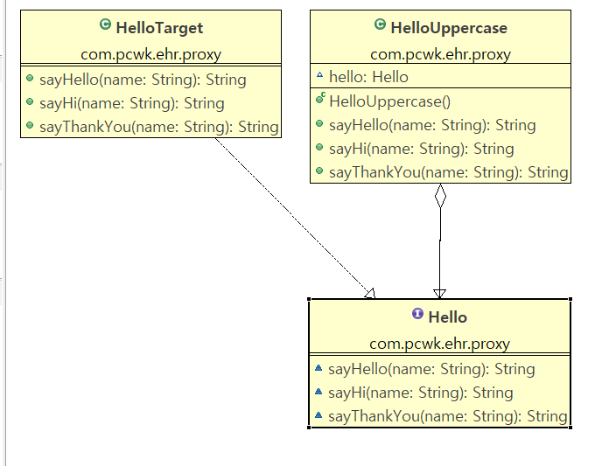

HelloTarget
HelloUpper

 |  |  |  |  |  | public class JunitProxyHelloTest {
 |  |  |  |  |  | @Test
 |  |  |  |  |  | public void proxyTest() {
 |  |  |  |  |  | LOG.debug("=======================");
 |  |  |  |  |  | LOG.debug("=proxyTest()=");
 |  |  |  |  |  | LOG.debug("=======================");

 |  |  |  |  |  | // 프록시를 통해 타깃 오브젝트에 접근하도록 구성 |  |  |  |  |  | 소스의 문제
 |  |  |  |  |  | Hello proxiedHello = new HelloUppercase(new HelloTarget()); |  |  |  |  |  | 1. toUpperCase() 메소드 중복 발생
 |  |  |  |  |  | LOG.debug(proxiedHello.sayHello("pcwk")); |  |  |  |  |  | 2. 인터페이스의 모든 메서드를 구현해야 한다.
 |  |  |  |  |  | LOG.debug(proxiedHello.sayHi("pcwk"));
 |  |  |  |  |  | LOG.debug(proxiedHello.sayThankYou("pcwk"));

 |  |  |  |  |  | assertEquals(proxiedHello.sayHello("pcwk"), "HELLO PCWK");
 |  |  |  |  |  | assertEquals(proxiedHello.sayHi("pcwk"), "HI PCWK");
 |  |  |  |  |  | assertEquals(proxiedHello.sayThankYou("pcwk"), "THANK YOU PCWK");
 |  |  |  |  |  | }
 |  |  |  |  |  | }

 |  |  |  | 다이내믹 프록시 적용

다이내믹 프록시
sayHello() {}
sayHi() {}
sayThankyou() {}
InvocationHandler
invoke(Method)
HelloTarget
sayHello() {}
sayHi() {}
sayThankyou() {}

 |  |  |  |  | 소스의 문제
 |  |  |  |  | 1. toUpperCase() 메소드 중복 발생
 |  |  |  |  | 2. 인터페이스의 모든 메서드를 구현해야 한다.

 |  |  |  |  | package com.pcwk.ehr.proxy;
 |  |  |  |  | import java.lang.reflect.InvocationHandler;
 |  |  |  |  | import java.lang.reflect.Method;
 |  |  |  |  | import org.apache.logging.log4j.LogManager;
 |  |  |  |  | import org.apache.logging.log4j.Logger;
 |  |  |  |  | // 다이내믹 프록시로부터 요청을 전달 받으려면 InvocationHandler를 구현해야 한다.
 |  |  |  |  | // 메소드는 invoke() 하나만 있다.
 |  |  |  |  | public class UppercaseHandler implements InvocationHandler {
 |  |  |  |  | final Logger LOG = LogManager.getLogger(getClass());
 |  |  |  |  | Hello target;

 |  |  |  |  | public UppercaseHandler(Hello target) {
 |  |  |  |  | this.target = target;
 |  |  |  |  | }

 |  |  |  |  | @Override
 |  |  |  |  | public Object invoke(Object proxy, Method method, Object[] args) throws Throwable {

 |  |  |  |  | // 타깃으로 위임, 인터페이스의 메소드 호출에 모두 적용.
 |  |  |  |  | String ret = (String) method.invoke(target, args);
 |  |  |  |  | LOG.debug("+++++++++++++++++++++++++++++++++++++++++");
 |  |  |  |  | LOG.debug("+invoke()+"+method.getName());
 |  |  |  |  | LOG.debug("+++++++++++++++++++++++++++++++++++++++++");

 |  |  |  |  | return ret.toUpperCase(); // 부가기능
 |  |  |  |  | }
 |  |  |  |  | }

 |  |  |  | 다이내믹 프록시의 확장

 |  |  |  |  | 1. 모든 인터페이스를 수용가능하도록 수정
 |  |  |  |  | 2. 특정 메소드만 수행하도록 수정

 |  |  |  |  | package com.pcwk.ehr.proxy;
 |  |  |  |  | import java.lang.reflect.InvocationHandler;
 |  |  |  |  | import java.lang.reflect.Method;
 |  |  |  |  | import org.apache.logging.log4j.LogManager;
 |  |  |  |  | import org.apache.logging.log4j.Logger;
 |  |  |  |  | // 다이내믹 프록시로부터 요청을 전달 받으려면 InvocationHandler를 구현해야 한다.
 |  |  |  |  | // 메소드는 invoke() 하나만 있다.
 |  |  |  |  | public class UppercaseHandler implements InvocationHandler {
 |  |  |  |  | final Logger LOG = LogManager.getLogger(getClass());
 |  |  |  |  | Object target; // 모든 인터페이스를 수용가능하도록 수정

 |  |  |  |  | // 다이내믹 프록시로부터 전달 받은 요청을 다시 타깃 오브젝트에
 |  |  |  |  | // 위임하기 위해 주입받는다.
 |  |  |  |  | public UppercaseHandler(Hello target) {
 |  |  |  |  | this.target = target;
 |  |  |  |  | }

 |  |  |  |  | @Override
 |  |  |  |  | public Object invoke(Object proxy, Method method, Object[] args) throws Throwable {

 |  |  |  |  | // 타깃으로 위임, 인터페이스의 메소드 호출에 모두 적용.

 |  |  |  |  | Object ret = (String) method.invoke(target, args);
 |  |  |  |  | LOG.debug("+++++++++++++++++++++++++++++");
 |  |  |  |  | LOG.debug("+invoke()+"+method.getName());
 |  |  |  |  | LOG.debug("+++++++++++++++++++++++++++++");
 |  |  |  |  | // sayH 경우만 대문자로 변환
 |  |  |  |  | if( ret instanceof String && method.getName().startsWith("sayH")) {
 |  |  |  |  | return ((String)ret).toUpperCase(); // 부가기능
 |  |  |  |  | }else {
 |  |  |  |  | return ret;
 |  |  |  |  | }

 |  |  |  |  | }
 |  |  |  |  | }

 |  |  |  |  | 다이내믹 프록시란(JDK Dynamic Proxy)
 |  |  |  |  |  | 런타임시 동적으로 만들어지는 오브젝트
 |  |  |  |  |  | 리플렉션 기능을 이용해서 프록시 생성(java.lang.reflext)
 |  |  |  |  |  | 타깃 인터페이스와 동일한 형태로 생성.

Business class
 |  | OOP

businessMethod(){
Logging..
비지니스 로직(3~5)
Exception..
Transaction...
Logging...
}
businessMethod(){
Logging..
비지니스 로직(3~5)
Exception..
Transaction...
Logging...
}
businessMethod(){
Logging..
비지니스 로직(3~5)
Exception..
Transaction...
Logging...
}

 |  |  |  |  |  |  |  |  |  |  | 횡단관심

C

 |  | AOP
businessMethod(){
비지니스 로직(3~5)
}
businessMethod(){
비지니스 로직(3~5)
}
businessMethod(){
비지니스 로직(3~5)
}c

Logging
Exception
Transaction

 |  |  | LoggingAOP.java
 |  |  | Member.java
 |  |  | MemberImpl.java
 |  |  | XXX_applicationContext.xml

 |  |  |  | aspectj_before-applicationContext.xml
 |  |  |  |  | <?xml version="1.0" encoding="UTF-8"?>
 |  |  |  |  | <beans xmlns="http://www.springframework.org/schema/beans"
 |  |  |  |  | xmlns:xsi="http://www.w3.org/2001/XMLSchema-instance"
 |  |  |  |  | xmlns:aop="http://www.springframework.org/schema/aop"
 |  |  |  |  | xmlns:context="http://www.springframework.org/schema/context"
 |  |  |  |  | xmlns:p="http://www.springframework.org/schema/p"
 |  |  |  |  | xsi:schemaLocation="http://www.springframework.org/schema/beans http://www.springframework.org/schema/beans/spring-beans.xsd
 |  |  |  |  | http://www.springframework.org/schema/aop http://www.springframework.org/schema/aop/spring-aop-4.3.xsd
 |  |  |  |  | http://www.springframework.org/schema/context http://www.springframework.org/schema/context/spring-context-4.3.xsd">
 |  |  |  |  | <!-- Target -->
 |  |  |  |  | <bean id="memberImpl" class="com.pcwk.ehr.aspectj.MemberImpl" />

 |  |  |  |  | <!-- Advice 부가기능(Logging) -->
 |  |  |  |  | <bean id="loggingAop" class="com.pcwk.ehr.aspectj.LoggingAop"></bean>

 |  |  |  |  | <!-- AOP Config -->
 |  |  |  |  | <!--
 |  |  |  |  | pointcut : 필터링
 |  |  |  |  | * com.pcwk.ehr.aspectj..*Impl.do*(..))

 |  |  |  |  | * : return
 |  |  |  |  | com.pcwk.ehr.aspectj : 패키지
 |  |  |  |  | .. : 하위 모든것
 |  |  |  |  | * Impl : Impl로 끝나는 모든 클래스
 |  |  |  |  | do* : 메서드가 do로 시작하는
 |  |  |  |  | (..) : 메서드의 모든 파람
 |  |  |  |  | aop:after : target이 실행된 이후 advice 수행
 |  |  |  |  | -->
 |  |  |  |  | <aop:config>
 |  |  |  |  | <aop:aspect ref="loggingAop">
 |  |  |  |  | <aop:before method="logging" pointcut="execution(* com.pcwk.ehr.aspectj..*Impl.do*(..))"/>
 |  |  |  |  | </aop:aspect>

 |  |  |  |  | </aop:config>

 |  |  |  |  | </beans>

 |  |  |  |  | [2022-06-13 09:21:52.571] DEBUG LoggingAop.logging(LoggingAop.java:17) - ===================================
 |  |  |  |  | [2022-06-13 09:21:52.571] DEBUG LoggingAop.logging(LoggingAop.java:18) - =methodName=doSave
 |  |  |  |  | [2022-06-13 09:21:52.571] DEBUG LoggingAop.logging(LoggingAop.java:19) - ===================================
 |  |  |  |  | [2022-06-13 09:21:52.571] DEBUG MemberImpl.doSave(MemberImpl.java:11) - ---------------------
 |  |  |  |  | [2022-06-13 09:21:52.571] DEBUG MemberImpl.doSave(MemberImpl.java:12) - -doSave()-
 |  |  |  |  | [2022-06-13 09:21:52.571] DEBUG MemberImpl.doSave(MemberImpl.java:13) - ---------------------

 |  |  | Around
 |  |  |  | 메소드 실행 전과 후 Advice 실행 (Before + After)
Member
<<interface>>

MemberImpl
AroundAdvice
 |  |  |  |  |  |  |  | aroundLog(ProceedingJoinPoint pjp) throw Throwable {
 |  |  |  |  |  |  |  |  | before: 메소드 수행 전 처리
 |  |  |  |  |  |  |  |  |  | pjp.proceed();
 |  |  |  |  |  |  |  |  | after: 메소드 수행 후 처리
 |  |  |  |  |  |  |  | }

 |  |  |  | package com.pcwk.ehr.aspectj; |  |  |  |  |  |  |  |  | <?xml version="1.0" encoding="UTF-8"?>
 |  |  |  | import static org.junit.Assert.*; |  |  |  |  |  |  |  |  | <beans xmlns="http://www.springframework.org/schema/beans"
 |  |  |  | import org.apache.logging.log4j.LogManager; |  |  |  |  |  |  |  |  | xmlns:xsi="http://www.w3.org/2001/XMLSchema-instance"
 |  |  |  | import org.apache.logging.log4j.Logger; |  |  |  |  |  |  |  |  | xmlns:aop="http://www.springframework.org/schema/aop"
 |  |  |  | import org.junit.Before; |  |  |  |  |  |  |  |  | xmlns:context="http://www.springframework.org/schema/context"
 |  |  |  | import org.junit.FixMethodOrder; |  |  |  |  |  |  |  |  | xmlns:p="http://www.springframework.org/schema/p"
 |  |  |  | import org.junit.Test; |  |  |  |  |  |  |  |  | xsi:schemaLocation="http://www.springframework.org/schema/beans http://www.springframework.org/schema/beans/spring-beans.xsd
 |  |  |  | import org.junit.runner.RunWith; |  |  |  |  |  |  |  |  | http://www.springframework.org/schema/aop http://www.springframework.org/schema/aop/spring-aop-4.3.xsd
 |  |  |  | import org.junit.runners.MethodSorters; |  |  |  |  |  |  |  |  | http://www.springframework.org/schema/context http://www.springframework.org/schema/context/spring-context-4.3.xsd">
 |  |  |  | import org.springframework.beans.factory.annotation.Autowired; |  |  |  |  |  |  |  |  | <!-- Target -->
 |  |  |  | import org.springframework.context.ApplicationContext; |  |  |  |  |  |  |  |  | <bean id="memberImpl" class="com.pcwk.ehr.aspectj.MemberImpl"/>
 |  |  |  | import org.springframework.test.context.ContextConfiguration;
 |  |  |  | import org.springframework.test.context.junit4.SpringJUnit4ClassRunner; |  |  |  |  |  |  |  |  | <!-- Advice -->
 |  |  |  | @FixMethodOrder(MethodSorters.NAME_ASCENDING) |  |  |  |  |  |  |  |  | <bean id="aroundAdvice" class="com.pcwk.ehr.aspectj.AroundAdvice"/> | proceed()를 기준으로 이전 코드는 before, 이후 코드는 after로 구분된다.
 |  |  |  | @RunWith(SpringJUnit4ClassRunner.class) // JUnit기능을 스프링 프레임으로 확장! |  |  |  |  |  |  |  |  | <!--
 |  |  |  | @ContextConfiguration(locations = "/com/pcwk/ehr/aspectj/aspectj-around-applicationContext.xml") |  |  |  |  |  |  |  |  | pointcut : 필터링
 |  |  |  | public class JunitAspectjAround { |  |  |  |  |  |  |  |  | * com.pcwk.ehr.aspectj..*Impl.do*(..)

 |  |  |  | final Logger LOG = LogManager.getLogger(this.getClass()); |  |  |  |  |  |  |  |  | ★★★ 설 명 ★★★
 |  |  |  |  |  |  |  |  |  |  |  |  | * : return
 |  |  |  | @Autowired // 컨텍스트 프레임워크는 변수 타입과 일치하는 컨텍스트 내의 빈을 찾고, 변수에 주입 |  |  |  |  |  |  |  |  | com.pcwk.ehr.aspectj : 패키지
 |  |  |  | ApplicationContext context; |  |  |  |  |  |  |  |  | .. : 이 패키지 안에 있는 모든것
 |  |  |  |  |  |  |  |  |  |  |  |  | *Impl : Impl로 끝나는 모든 클래스
 |  |  |  | @Autowired |  |  |  |  |  |  |  |  | do* : 메서드가 do로 시작하는
 |  |  |  | Member member; |  |  |  |  |  |  |  |  | (..) : 메서드의 (모든)파람

 |  |  |  | @Before |  |  |  |  |  |  |  |  | ★★★★★★★★★★★★★★★★★★★★★
 |  |  |  | public void setUp() throws Exception { |  |  |  |  |  |  |  |  | aop : after : target 이 실행된 이후 advice 수행
 |  |  |  | LOG.debug("======================="); |  |  |  |  |  |  |  |  | -->
 |  |  |  | LOG.debug("=0. setUp()=");
 |  |  |  | LOG.debug("======================="); |  |  |  |  |  |  |  |  | <aop:config>
 |  |  |  |  |  |  |  |  |  |  |  |  | <aop:pointcut expression="execution(* com.pcwk.ehr.aspectj..*Impl.do*(..))" id="allPointCut"/>
 |  |  |  | LOG.debug("context:"+context); |  |  |  |  |  |  |  |  | <aop:aspect ref="aroundAdvice">
 |  |  |  | LOG.debug("member:"+member); |  |  |  |  |  |  |  |  | <aop:around method="aroundLog" pointcut-ref="allPointCut"/>
 |  |  |  |  |  |  |  |  |  |  |  |  | </aop:aspect>
 |  |  |  | assertNotNull(context); |  |  |  |  |  |  |  |  | </aop:config>
 |  |  |  | assertNotNull(member); |  |  |  |  |  |  |  |  | </beans>
 |  |  |  | }
 |  |  |  | @Test
 |  |  |  | public void aspectApect() {
 |  |  |  | member.doSave();
 |  |  |  | }
 |  |  |  | }

 |  |  |  | [2022-06-14 11:56:59.366] DEBUG AroundAdvice.aroundLog(AroundAdvice.java:17) - ^^^^^^^^^^^^^^^^^^^^^^^^^^^^^^^^^^^^^^^^^
 |  |  |  | [2022-06-14 11:56:59.366] DEBUG AroundAdvice.aroundLog(AroundAdvice.java:18) - [BEFORE] 메소드 수행 전
 |  |  |  | [2022-06-14 11:56:59.369] DEBUG MemberImpl.doSave(MemberImpl.java:16) - ---------------------
 |  |  |  | [2022-06-14 11:56:59.369] DEBUG MemberImpl.doSave(MemberImpl.java:17) - -doSave()-
 |  |  |  | [2022-06-14 11:56:59.369] DEBUG MemberImpl.doSave(MemberImpl.java:18) - ---------------------
 |  |  |  | [2022-06-14 11:56:59.370] DEBUG AroundAdvice.aroundLog(AroundAdvice.java:22) - method : doSave
 |  |  |  | [2022-06-14 11:56:59.370] DEBUG AroundAdvice.aroundLog(AroundAdvice.java:23) - [AFTER] 메소드 수행 후
 |  |  |  | [2022-06-14 11:56:59.370] DEBUG AroundAdvice.aroundLog(AroundAdvice.java:24) - ^^^^^^^^^^^^^^^^^^^^^^^^^^^^^^^^^^^^^^^^^

 |  |  | 메소드 수행 결과 시간 남기기(성능 측정)
 |  |  |  | 메소드 이름
 |  |  |  | 시작시간

 |  | SpringMVC Project

메일서비스_20220610
목 차 |  |  | \\192.168.3.101
 | 강사Email : |  | jamesol@paran.com
 | CAFE : |  | https://cafe.daum.net/pcwk
 | Zoom : |  | https://us06web.zoom.us/j/5774287769?pwd=TFVXV3NkZkFnVWZ3NlVSVERZK0lZdz09
 | Slack |  | https://join.slack.com/t/slack-05r6316/shared_invite/zt-12h1if6yq-TCrMZZJtNbyjh93BGBnNAA
 | 평가 |  | https://itsc.cafe24.com/
 | 긍정의 마음으로 살자

 |  | 메일서비스 추상화

 |  |  | public interface MailSender {
 |  |  | void send(SimpleMailMessage simpleMessage) throws MailException;
 |  |  | void send(SimpleMailMessage... simpleMessages) throws MailException;
 |  |  | }

 |  |  | public class DummyMailSender implements MailSender {

JunitUserServiceTest
UserServiceImpl
JavaMailSenderImpl
JavaMail
Mail
Server

DummyMailSenderImpl

 |  |  |  | m

트랜잭션_20220609
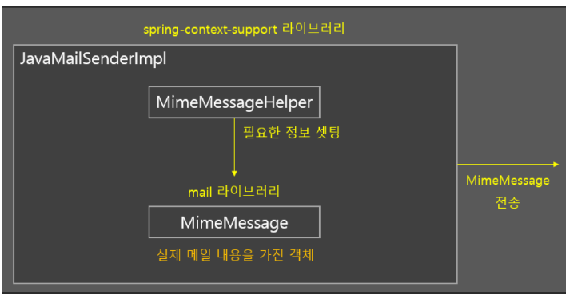
목 차 |  |  | \\192.168.3.101
 | 강사Email : |  | jamesol@paran.com
 | CAFE : |  | https://cafe.daum.net/pcwk
 | Zoom : |  | https://us06web.zoom.us/j/5774287769?pwd=TFVXV3NkZkFnVWZ3NlVSVERZK0lZdz09
 | Slack |  | https://join.slack.com/t/slack-05r6316/shared_invite/zt-12h1if6yq-TCrMZZJtNbyjh93BGBnNAA
 | 평가 |  | https://itsc.cafe24.com/
 | 긍정의 마음으로 살자

 |  | 트랜잭션 서비스 추상화
 |  |  | 사용자 레벨관리 작업은 모두 다 성공하거나, 모두 다 되돌려 놓거나

 |  |  | S_SH11_01

 |  |  |  | mail전송을 위한 lib 추가

 |  |  |  | <!-- https://mvnrepository.com/artifact/org.springframework/spring-context-support -->
 |  |  |  |  | <dependency>
 |  |  |  |  | <groupId>org.springframework</groupId>
 |  |  |  |  | <artifactId>spring-context-support</artifactId>
 |  |  |  |  | <version>5.3.20</version>
 |  |  |  |  | </dependency>

 |  |  |  |  | <!-- https://mvnrepository.com/artifact/javax.mail/mail -->
 |  |  |  |  | <dependency>
 |  |  |  |  | <groupId>javax.mail</groupId>
 |  |  |  |  | <artifactId>mail</artifactId>
 |  |  |  |  | <version>1.4.7</version>
 |  |  |  |  | </dependency>

 |  |  |  | 5명의 사용자
 |  |  |  | 등업 대상자는 2번째, 4번째있음
 |  |  |  | 4번째에서 강제로 예외 발생!
 |  |  |  | 2번째 사용자가 rollback(BASIC -> SILVER) BASIC
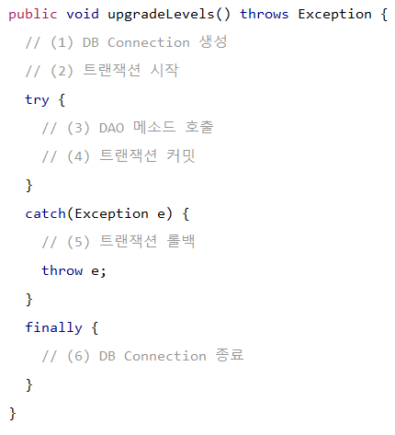
UserService
RuntimeException

TestUserService
TestUserServiceException

 |  |  |  |  | 예외 class 분류
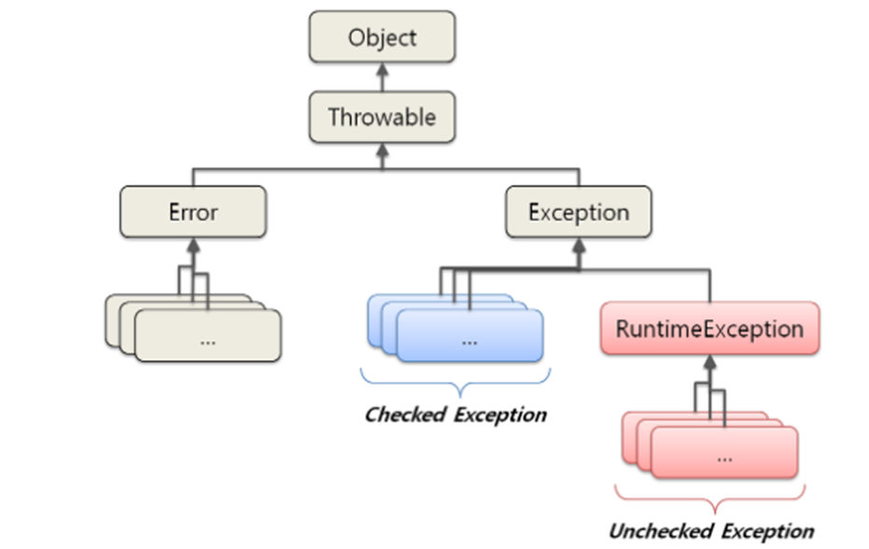
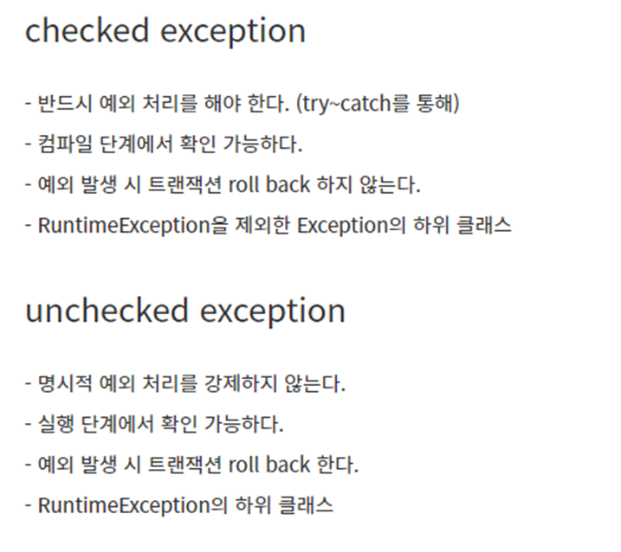

 |  |  |  |  |  | TestUserServiceException.java
 |  |  |  |  |  |  | package com.pcwk.ehr;
 |  |  |  |  |  |  | import org.apache.logging.log4j.LogManager;
 |  |  |  |  |  |  | import org.apache.logging.log4j.Logger;
 |  |  |  |  |  |  | public class TestUserServiceException extends RuntimeException {
 |  |  |  |  |  |  | final Logger LOG = LogManager.getLogger(getClass());

 |  |  |  |  |  |  | public TestUserServiceException() {}

 |  |  |  |  |  |  | public TestUserServiceException(String message) {
 |  |  |  |  |  |  | super(message);

 |  |  |  |  |  |  | LOG.debug("+++++++++++++++++++++++++++++++");
 |  |  |  |  |  |  | LOG.debug("+TestUserServiceException+" + message);
 |  |  |  |  |  |  | LOG.debug("+++++++++++++++++++++++++++++++");
 |  |  |  |  |  |  | }
 |  |  |  |  |  |  | }

 |  | 트랜잭션 동기화
 |  | UserService에서 트랜잭션을 시작하기 위해서 만든 Connection을 특별한 저장소에 보관해 두고,
 |  | 이후에 호출되는 메서드에서 저장된 Connection을 가져다가 사용하게 한다.

 |  |  | Connection파라미터 제거
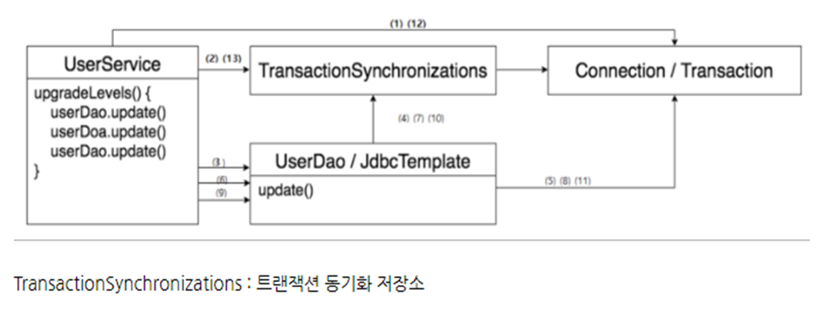

 |  |  | 트랜잭션 동기화 적용

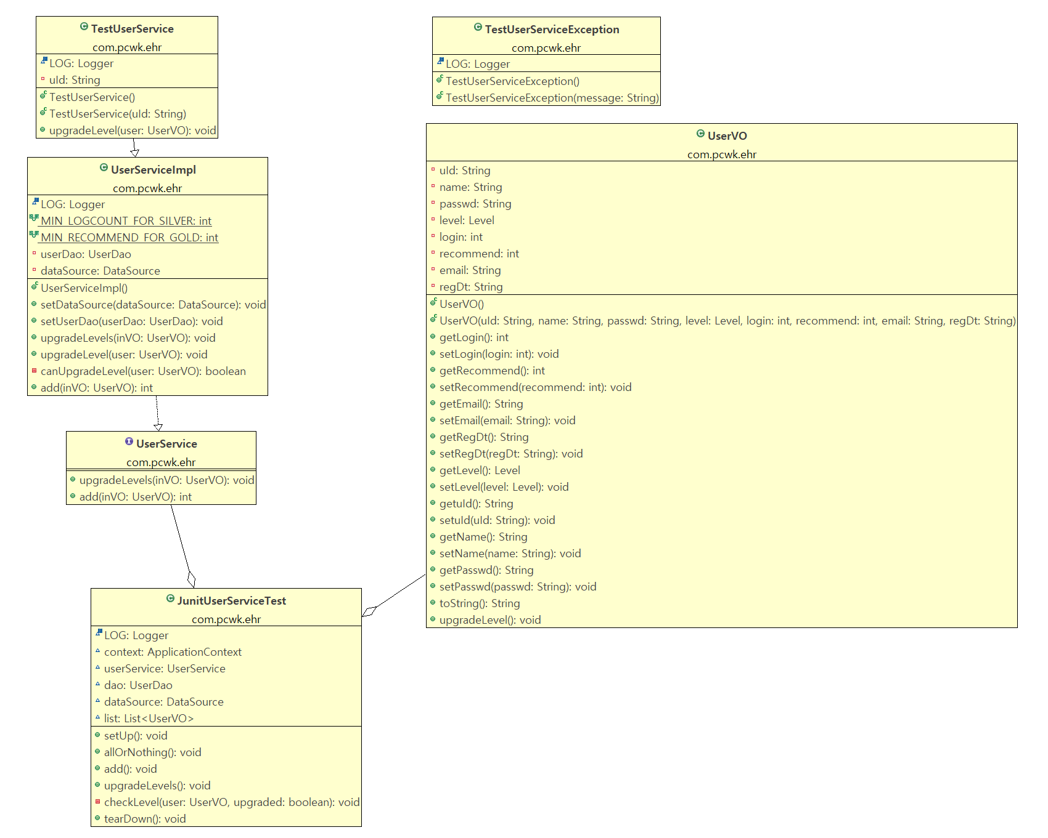
 |  |  | //테스트 메서드는 메서드 자체로 항상 동일하게(단독으로) 작동해야 한다.
 |  |  | @Test
 |  |  | public void allOrNothing() throws SQLException{
 |  |  | // 5명의 사용자
 |  |  | // 등업 대상자는 2번째, 4번째있음
 |  |  | // 4번째에서 강제로 예외 발생!
 |  |  | // 2번째 사용자가 rollback(BASIC -> SILVER) BASIC

 |  |  | //트랜잭션 테스트 위해 생성
 |  |  | TestUserService testUserService = new TestUserService(list.get(3).getuId());
 |  |  | testUserService.setUserDao(dao);
 |  |  | testUserService.setDataSource(dataSource);

 |  |  | //1.전체 삭제
 |  |  | //2.5명추가
 |  |  | //3.등업
 |  |  | //4.rollback확인

 |  |  | try {
 |  |  | //1.
 |  |  | for(UserVO user :list) {
 |  |  | this.dao.doDelete(user);
 |  |  | }
 |  |  | assertEquals(0, dao.getCount(list.get(0)));

 |  |  | //2.
 |  |  | for(UserVO user :list) {
 |  |  | dao.doInsert(user);
 |  |  | }

 |  |  | assertEquals(5, dao.getCount(list.get(0)));

 |  |  | //3.
 |  |  | testUserService.upgradeLevels(list.get(0));

 |  |  | }catch (Exception e) {
 |  |  | LOG.debug("--------------------------");
 |  |  | LOG.debug("-allOrNothing Exception---"+e.getMessage());
 |  |  | LOG.debug("--------------------------");
 |  |  | }

 |  |  | //4.
 |  |  | checkLevel(list.get(1),false);// 2번째 사용자가 rollback(BASIC -> SILVER) BASIC

 |  |  | }

 |  |  | JdbcTemplate과 트랜잭션 동기화
 |  |  |  | JdbcTemplate은 영리하게 동작하도록 설계되어 있다. 만약 미리 생성돼서 트랜잭션 동기화
 |  |  |  | 저장소에 등록된 DB 커넥션이 없는 경우 JdbcTemplate이 직접 DB 커넥션을 생성하고 트랜잭션을 시작한다.

 |  |  | 스프링의 트랜잭션 서비스의 추상화

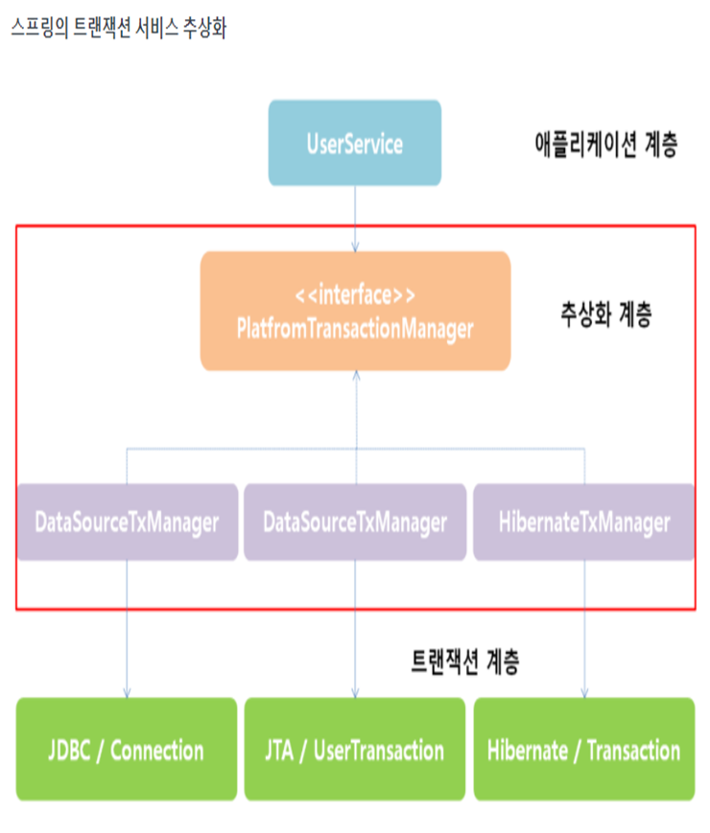

 |  |  |  |  |  |  |  | JTA | 하나 이상의 DB를 하나의 트랜잭션 안에서 동작하게 하려면 서버가 제공하는 트랜잭션 JTA를 사용해야 한다.

 |  |  |  | S_SH11_02
 |  |  |  |  | 메일 보내기

서비스추상화_20220607
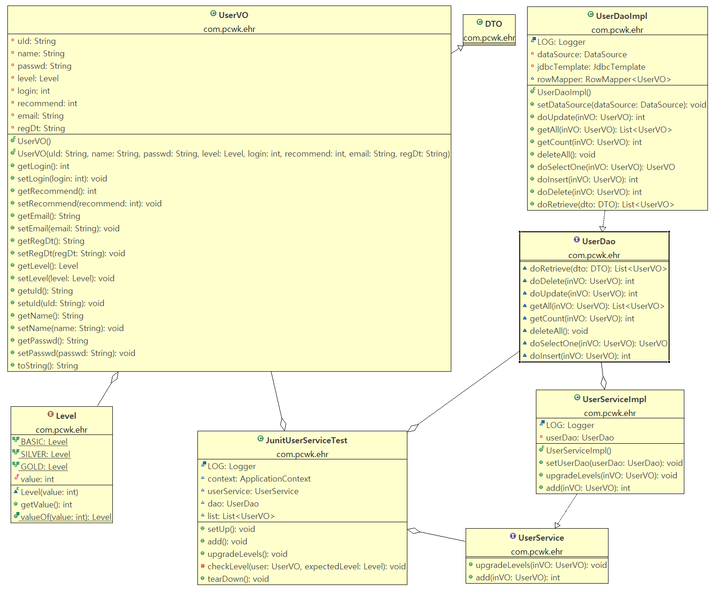
목 차 |  |  | \\192.168.3.101
 | 강사Email : |  | jamesol@paran.com
 | CAFE : |  | https://cafe.daum.net/pcwk
 | Zoom : |  | https://us06web.zoom.us/j/5774287769?pwd=TFVXV3NkZkFnVWZ3NlVSVERZK0lZdz09
 | Slack |  | https://join.slack.com/t/slack-05r6316/shared_invite/zt-12h1if6yq-TCrMZZJtNbyjh93BGBnNAA
 | 평가 |  | https://itsc.cafe24.com/
 | 긍정의 마음으로 살자

 |  | 서비스 추상화
 |  |  | 사용자 레벨관리 기능 추가

 |  |  |  | 사용자 레벨은 BASIC, SLIVER, GOLD
 |  |  |  | 사용자가 처음 가입하면 : BASIC
 |  |  |  | 가입 이후 50회 이상 로그인 하면 : SILVER
 |  |  |  | SILVER레벨이면서 30번 이상 추천을 받으면 GOLD로 레벨 UP.
 |  |  |  | 사용자 레벨의 변경 작업은 일정한 주기를 가지고 일괄처리.(트랜잭션 관리)

 |  |  |  | 테이블 컬럼 추가

 |  |  |  |  | HR_MEMBER
 |  |  |  |  | 필드명 |  | 물리명 | 타입
 |  |  |  |  | 레벨 |  | U_LEVEL | NUMBER(1)
 |  |  |  |  | 로그인 |  | LOGIN | NUMBER(8)
 |  |  |  |  | 추천수 |  | RECOMMEND | NUMBER(8)
 |  |  |  |  | 이메일 |  | EMAIL | VARCHAR2(320)
 |  |  |  |  | 등록일 |  | REG_DT | DATE

 |  |  |  |  | public class UserVO {
 |  |  |  |  | private static final int BASIC = 1; |  |  |  |  | public enum Level{
 |  |  |  |  | private static final int SILVER = 2;
 |  |  |  |  | private static final int GOLD = 3;
 |  |  |  |  |  |  |  |  |  | }
 |  |  |  |  | // jdk 1.5이후 Enum으로 처리
 |  |  |  |  | } |  |  |  | 상수대신 Enum으로 처리

 |  |  |  |  | 개발을 진행할때 Enum을 통해 얻는 기본적인 장점들은 아래와 같습니다.

 |  |  |  |  | 문자열과 비교해, IDE의 적극적인 지원을 받을 수 있습니다.
 |  |  |  |  | 자동완성, 오타검증, 텍스트 리팩토링 등등
 |  |  |  |  | 허용 가능한 값들을 제한할 수 있습니다.
 |  |  |  |  | 리팩토링시 변경 범위가 최소화 됩니다.
 |  |  |  |  | 내용의 추가가 필요하더라도, Enum 코드외에 수정할 필요가 없습니다.

 |  |  |  |  | 기능 | AS_IS |  |  | TO_BE
 |  |  |  |  | 등록 | add() |  |  | doInsert()
 |  |  |  |  | 수정 | doUpdate() |  |  | doUpdate()
 |  |  |  |  | 삭제 |  |  |  | doDelete()
 |  |  |  |  | 단건조회 | get() |  |  | doSelectOne()
 |  |  |  |  | 목록조회 |  |  |  | doRetrieve()
 |  |  |  |  | 전체조회 | getAll()
 |  |  |  |  | 등록건수 | getCount()
UserService.java { upgradeLevels()} UserServiceImpl.java

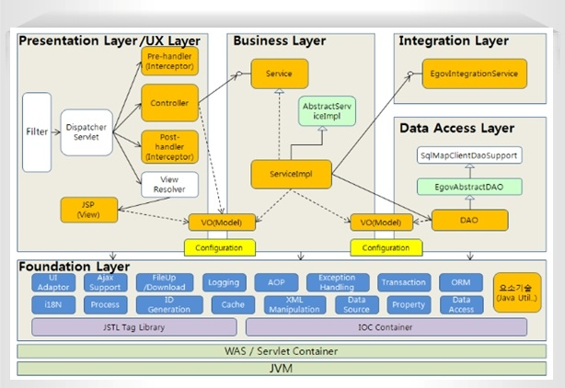

 |  | UserService클래스의 의존관계

UserServiceTest
UserService
UserDao
<<interface>>

UserDaoJdbc
<<JDBC>>
UserDaoJpa

 |  |  |  | S_SH10_01

JdbcTemplate_20220603
목 차 |  |  | \\192.168.3.101
 | 강사Email : |  | jamesol@paran.com
 | CAFE : |  | https://cafe.daum.net/pcwk
 | Zoom : |  | https://us06web.zoom.us/j/5774287769?pwd=TFVXV3NkZkFnVWZ3NlVSVERZK0lZdz09
 | Slack |  | https://join.slack.com/t/slack-05r6316/shared_invite/zt-12h1if6yq-TCrMZZJtNbyjh93BGBnNAA
 | 평가 |  | https://itsc.cafe24.com/
 | 긍정의 마음으로 살자

 |  | Spring이 제공하는 JdbcTemplate

 |  |  | public class UserDao { |  |  |  |  |  |  | @RunWith(SpringJUnit4ClassRunner.class) // JUnit기능을 스프링 프레임으로 확장!
 |  |  | final Logger LOG = LogManager.getLogger(this.getClass()); |  |  |  |  |  |  | @ContextConfiguration(locations = "/applicationContext.xml") // applicationContext.xml loading
 |  |  | private DataSource dataSource; |  |  |  |  |  |  | public class JunitUserDaoTest {
 |  |  |  |  |  |  |  |  |  | final Logger LOG = LogManager.getLogger(this.getClass());
 |  |  | // spring 제공하는 JdbcTemplate
 |  |  | private JdbcTemplate jdbcTemplate; |  |  |  |  |  |  | @Autowired // 컨텍스트 프레임워크는 변수 타입과 일치하는 컨텍스트 내의 빈을 찾고, 변수에 주입
 |  |  |  |  |  |  |  |  |  | ApplicationContext context;
 |  |  | public UserDao() {}
 |  |  |  |  |  |  |  |  |  | @Autowired
 |  |  | // setter를 통한 의존성 주입 |  |  |  |  |  |  | UserDao dao;
 |  |  | public void setDataSource(DataSource dataSource) { |  |  |  |  |  |  | UserVO user01;
 |  |  | this.dataSource = dataSource; |  |  |  |  |  |  | UserVO user02;
 |  |  | // 수동으로 생성 |  |  |  |  |  |  | UserVO user03;
 |  |  | jdbcTemplate = new JdbcTemplate(dataSource);
 |  |  | } |  |  |  |  |  |  | @Before
 |  |  |  |  |  |  |  |  |  | public void setUp() throws Exception {
 |  |  | public List<UserVO> getAll(){ |  |  |  |  |  |  | LOG.debug("=======================");
 |  |  | List<UserVO> list = null; |  |  |  |  |  |  | LOG.debug("=0. setUp()=");
 |  |  | StringBuilder sb = new StringBuilder(150); |  |  |  |  |  |  | LOG.debug("=======================");
 |  |  | sb.append("SELECT u_id, \n");
 |  |  | sb.append(" name, \n"); |  |  |  |  |  |  | user01 = new UserVO("p07","김주혜07", "4321");
 |  |  | sb.append(" passwd \n"); |  |  |  |  |  |  | user02 = new UserVO("p070","김주혜070", "4321");
 |  |  | sb.append("FROM hr_member \n"); |  |  |  |  |  |  | user03 = new UserVO("p0700","김주혜0700", "4321");
 |  |  | sb.append("ORDER BY u_id \n");
 |  |  | LOG.debug("============================="); |  |  |  |  |  |  | LOG.debug("context:"+context);
 |  |  | LOG.debug("sql: \n" + sb.toString()); |  |  |  |  |  |  | LOG.debug("dao:"+dao);
 |  |  | LOG.debug("=============================");
 |  |  |  |  |  |  |  |  |  | assertNotNull(context);
 |  |  | list = jdbcTemplate.query(sb.toString(), |  |  |  |  |  |  | assertNotNull(dao);
 |  |  |  |  |  |  |  |  |  | }
 |  |  | new RowMapper<UserVO>() {
 |  |  | @Override |  |  |  |  |  |  | @Test
 |  |  | public UserVO mapRow(ResultSet rs, int rowNum) throws SQLException { |  |  |  |  |  |  | public void getAll() throws SQLException{
 |  |  | UserVO user = new UserVO(); |  |  |  |  |  |  | // 1. 전체 삭제
 |  |  | user.setuId(rs.getString("u_id")); |  |  |  |  |  |  | // 2. 데이터 3건 각각 입력
 |  |  | user.setName(rs.getString("name")); |  |  |  |  |  |  | // 3. 전체건수 조회 = 3건
 |  |  | user.setPasswd(rs.getString("passwd"));
 |  |  | return user; |  |  |  |  |  |  | // 1.
 |  |  | }} |  |  |  |  |  |  | dao.deleteAll();
 |  |  | ); |  |  |  |  |  |  | assertEquals(0, dao.getCount(user01));

 |  |  | for(UserVO vo : list) { |  |  |  |  |  |  | // 2.
 |  |  | LOG.debug("vo:"+vo.toString()); |  |  |  |  |  |  | dao.add(user01);
 |  |  | } |  |  |  |  |  |  | assertEquals(1, dao.getCount(user01));

 |  |  | return list; |  |  |  |  |  |  | dao.add(user02);
 |  |  | } |  |  |  |  |  |  | assertEquals(2, dao.getCount(user01));

 |  |  |  |  |  |  |  |  |  | dao.add(user03);
 |  |  |  |  |  |  |  |  |  | assertEquals(3, dao.getCount(user01));

 |  |  |  |  |  |  |  |  |  | // 3.
 |  |  |  |  |  |  |  |  |  | List<UserVO> list = dao.getAll();
 |  |  |  |  |  |  |  |  |  | assertEquals(3, list.size());
 |  |  |  |  |  |  |  |  |  | }

 |  |  |  |  |  |  |  |  |  | }

UserDao
<<interface>>
makeStatement();
 |  | 기술에 독립적인 UserDao만들기
 |  |  | Interface도입
 |  |  | UserDao.java |  |  | <<interface>>
 |  |  | UserDaoImpl.java |  |  |  | UserDao구현 class

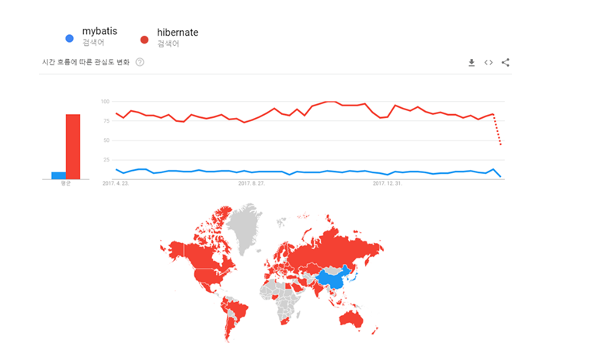

UserDaoImplHibernate
mybatis
UserDaoImpl
mybatis

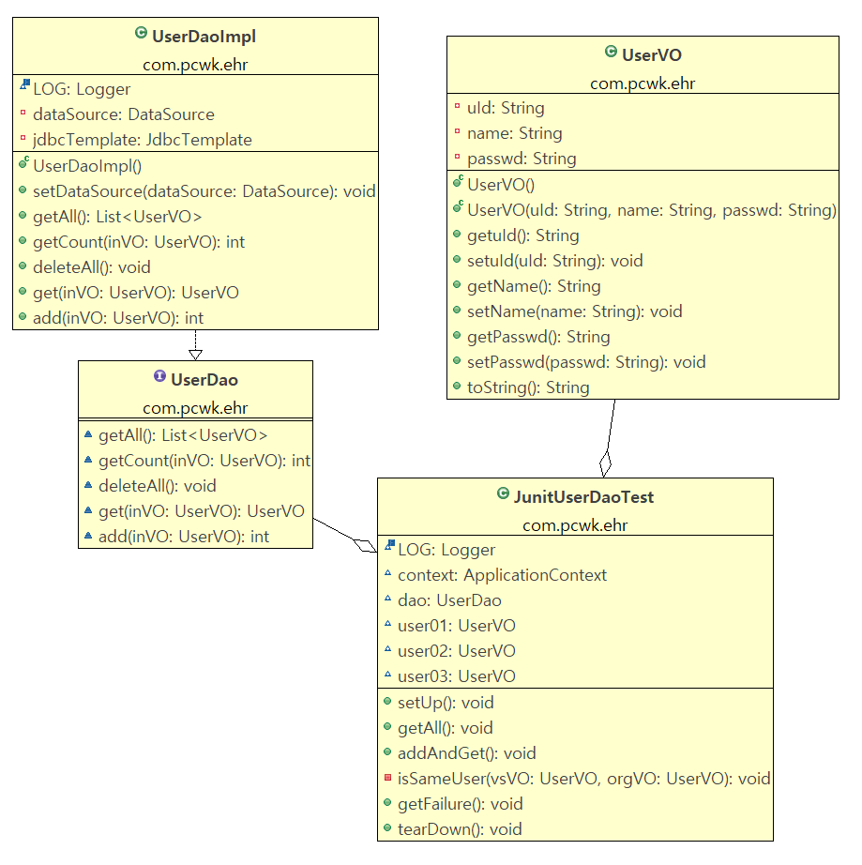

 |  | 서비스 추상화
 |  |  | 사용자 레벨관리 기능 추가

 |  |  |  | 사용자 레벨은 BASIC, SLIVER, GOLD
 |  |  |  | 사용자가 처음 가입하면 : BASIC
 |  |  |  | 가입 이후 50회 이상 로그인 하면 : SILVER
 |  |  |  | SILVER레벨이면서 30번 이상 추천을 받으면 GOLD로 레벨 UP.
 |  |  |  | 사용자 레벨의 변경 작업은 일정한 주기를 가지고 일괄처리.(트랜잭션 관리)

 |  |  |  | 테이블 컬럼 추가

 |  |  |  |  | HR_MEMBER
 |  |  |  |  | 필드명 |  |  | 물리명 | 타입
 |  |  |  |  | 레벨 |  |  | U_LEVEL | NUMBER(1)
 |  |  |  |  | 로그인 |  |  | LOGIN | NUMBER(8)
 |  |  |  |  | 추천수 |  |  | RECOMMEND | NUMBER(8)
 |  |  |  |  | 이메일 |  |  | EMIL | VARCHAR2(320)
 |  |  |  |  | 등록일 |  |  | REG_DT | DATE

어노테이션_20220603
목 차 |  |  | \\192.168.3.101
 | 강사Email : |  | jamesol@paran.com
 | CAFE : |  | https://cafe.daum.net/pcwk
 | Zoom : |  | https://us06web.zoom.us/j/5774287769?pwd=TFVXV3NkZkFnVWZ3NlVSVERZK0lZdz09
 | Slack |  | https://join.slack.com/t/slack-05r6316/shared_invite/zt-12h1if6yq-TCrMZZJtNbyjh93BGBnNAA
 | 평가 |  | https://itsc.cafe24.com/
 | 긍정의 마음으로 살자

 |  | 어노테이션 설정 기초
 |  |  | 대부분의 프레임워크가 그렇듯이 스프링 프레임워크 역시 XML 설정이 매우 중요하다.
 |  |  | 그만큼 XML파일의 과도한 설정에 대한 부담도 크다. 이로 인해 프레임워크 사용을 꺼리기도 한다.
 |  |  | 따라서 대부분 프레임워크는 어노테이션을 이용한 설정을 지원한다.

 |  | 컴포넌트 스캔(component-scan) 설정
 |  |  | 스프링 설정파일에 사용할 객체들을 <bean> 등록하지 않고 자동으로 생성하려면
 |  |  | <context:component-scan /> 이란 엘리먼트를 정의해야 한다.
 |  |  | 이설정이 추가되면 스프링 컨테이너는 클래스 패스에 있는 클래스들을 스캔하여 @Component가
 |  |  | 설정된 클래스들을 자동으로 객체 생성한다.

 |  |  | base-package속성을 com.pcwk.ehr 형태로 설정하면 "com.pcwk.her" 패키지로 시작하는 모든 패키지를
 |  |  | 스캔대상에 포함한다.

 |  |  | ex)
 |  |  |  | <context:component-scan base-package="com.pcwk.ehr"></context:component-scan>

 |  |  |  | @Component("tv") |  |  |  |  |  | <?xml version="1.0" encoding="UTF-8"?>
 |  |  |  | public class LgTV implements Tv { |  |  |  |  |  | <beans xmlns="http://www.springframework.org/schema/beans"
 |  |  |  | final Logger LOG = LogManager.getLogger(getClass()); |  |  |  |  |  | xmlns:xsi="http://www.w3.org/2001/XMLSchema-instance"
 |  |  |  | final String brand = "엘지Tv"; |  |  |  |  |  | xmlns:context="http://www.springframework.org/schema/context"
 |  |  |  |  |  |  |  |  |  | xmlns:p="http://www.springframework.org/schema/p"
 |  |  |  | public LgTV() {} |  |  |  |  |  | xsi:schemaLocation="http://www.springframework.org/schema/beans http://www.springframework.org/schema/beans/spring-beans.xsd
 |  |  |  | } |  |  |  |  |  | http://www.springframework.org/schema/context http://www.springframework.org/schema/context/spring-context-4.3.xsd">

 |  |  |  |  |  |  |  |  |  | <!-- 이설정이 추가되면 스프링 컨테이너는 클래스 패스에 있는 클래스들을 스캔하여 @Component가
 |  |  |  |  |  |  |  |  |  | 설정된 클래스들을 자동으로 객체 생성한다. base-package속성을 com.pcwk.ehr 형태로 설정하면 "com.pcwk.her" 패키지로 시작하는 모든 패키지를
 |  |  |  |  |  |  |  |  |  | 스캔대상에 포함한다.
 |  |  |  |  |  |  |  |  |  | -->
 |  |  |  |  |  |  |  |  |  | <context:component-scan base-package="com.pcwk.ehr"></context:component-scan>

 |  |  |  |  |  |  |  |  | <bean id="tv" class="com.pcwk.ehr.LgTV"></bean>
 |  |  |  |  |  |  |  |  |  | <bean id="sonySpeaker" class="com.pcwk.ehr.SonySpeaker"/>
 |  |  |  |  |  |  |  |  |  | <bean id="appleSpeaker" class="com.pcwk.ehr.AppleSpeaker"/>

 |  |  |  |  |  |  |  |  |  | <!-- lazy-init="true" : bean을 바로 생성하지 않고 호출하는 시점에 생성한다. -->
 |  |  |  |  |  |  |  |  |  | <!-- scope="singleton" : 객체가 한개만 생성됨(default) -->
 |  |  |  |  |  |  |  |  |  | <!-- scope="prototype" : 객체가 호출될때마다 새롭게 생성 -->

 |  |  |  |  |  |  |  |  |  | <!-- p 네임스페이스를 사용하면 좀 더 효율적으로 의존성을 주입할 수 있다.
 |  |  |  |  |  |  |  |  |  | p:변수명-ref = "참조할 객체이름"
 |  |  |  |  |  |  |  |  |  | p:변수명 = "설정할 값"
 |  |  |  |  |  |  |  |  |  | -->
 |  |  |  |  |  |  |  |  |  | <bean id="samsungTV" class="com.pcwk.ehr.SamsungTV" p:speaker-ref="sonySpeaker" p:price="10000000"
 |  |  |  |  |  |  |  |  |  | init-method="initMethod"
 |  |  |  |  |  |  |  |  |  | destroy-method="destroyMethod">
 |  |  |  |  |  |  |  |  |  | </bean>
 |  |  |  |  |  |  |  |  |  | </beans>

 |  |  | id나 name 속성 미지정 시 이름 규칙
 |  |  |  | @Component에 id나 이름을 지정하지 않으면, 컨테이너가 자동으로 이름을 생성해준다.
 |  |  |  | ex)
 |  |  |  |  | @Component
 |  |  |  |  | public class LgTV implements Tv {
 |  |  |  |  | }

 |  |  |  |  | id가 클래스 이름에 첫글자만 소문자로 변경해 생성한다. LgTv -> lgTv

 |  |  | 의존성 주입
 |  |  |  | 의존성 주입 어노테이션 '@Autowired, @Inject, @Qualifier, @Resource가 있다.

 |  |  |  | 어노테이션 |  |  | 설명
 |  |  |  | @Autowired |  |  | 주로 변수 위에 설정하여 해당 타입의 객체를 찾아서 자동으로 할당한다. org.springframework.beans.factory.annotation.Autowired;
 |  |  |  | @Qualifier |  |  | 특정 객체의 이름을 이용하여 의존성 주입할 때 사용한다. org.springframework.beans.factory.annotation.Qualifier
 |  |  |  | @Resource |  |  | @Autowired와 '@Qualifier의 기능을 결합한 어노테이션이다. javax.annotaion.Resource

 |  |  |  | @Autowired
 |  |  |  |  | @Autowired는 생성자나 메소드, 멤버변수 위에 모두 사용가능하다.
 |  |  |  |  | 대부분 멤버변수 위에 선언하여 사용한다.

 |  |  |  |  | @Autowired 붙은 객체가 메모리에 없다면 컨테이너가
 |  |  |  |  | NoSuchBeanDefinitionException을 발생시킨다.

 |  |  |  | @Qualifier
 |  |  |  |  | 문제는 의존성 주입 대상이 되는 Speaker 타입의 객체가 두개 이상일 때 발생한다.
 |  |  |  |  | sonySpeaker, appleSpeaker 객체가 모두 메모리에 생성되어 있는 상황이라면 컨테이너는 어떤 객체를 할당할지 스스로 판단할 수 없다.

 |  |  |  |  | org.springframework.beans.factory.UnsatisfiedDependencyException: Error creating bean with name 'lgTV': Unsatisfied dependency expressed through field 'speaker'; nested exception is org.springframework.beans.factory.NoUniqueBeanDefinitionException: No qualifying bean of type 'com.pcwk.ehr.Speaker' available: expected single matching bean but found 2: sonySpeaker,appleSpeaker

 |  |  |  |  | public class LgTV implements Tv { |  |  |  |  | <?xml version="1.0" encoding="UTF-8"?>
 |  |  |  |  | final Logger LOG = LogManager.getLogger(getClass()); |  |  |  |  | <beans xmlns="http://www.springframework.org/schema/beans"
 |  |  |  |  | final String brand = "엘지Tv"; |  |  |  |  | xmlns:xsi="http://www.w3.org/2001/XMLSchema-instance"
 |  |  |  |  |  |  |  |  |  | xmlns:context="http://www.springframework.org/schema/context"
 |  |  |  |  | @Autowired |  |  |  |  | xmlns:p="http://www.springframework.org/schema/p"
 |  |  |  |  | @Qualifier("appleSpeaker") |  |  |  |  | xsi:schemaLocation="http://www.springframework.org/schema/beans http://www.springframework.org/schema/beans/spring-beans.xsd
 |  |  |  |  | private Speaker speaker; |  |  |  |  | http://www.springframework.org/schema/context http://www.springframework.org/schema/context/spring-context-4.3.xsd">
 |  |  |  |  | }
@Qualifier("appleSpeaker")는 speaker 구현 객체를 찾고, @Autowired는 주입을 해준다.
 |  |  |  |  |  |  |  |  |  | <!-- 이설정이 추가되면 스프링 컨테이너는 클래스 패스에 있는 클래스들을 스캔하여 @Component가
 |  |  |  |  |  |  |  |  |  | 설정된 클래스들을 자동으로 객체 생성한다. base-package속성을 com.pcwk.ehr 형태로 설정하면 "com.pcwk.her" 패키지로 시작하는 모든 패키지를
 |  |  |  |  |  |  |  |  |  | 스캔대상에 포함한다.
 |  |  |  |  |  |  |  |  |  | -->
 |  |  |  |  |  |  |  |  |  | <context:component-scan base-package="com.pcwk.ehr"></context:component-scan>
 |  |  |  |  |  |  |  |  |  | <bean id="sonySpeaker" class="com.pcwk.ehr.SonySpeaker"/>
 |  |  |  |  |  |  |  |  |  | <bean id="appleSpeaker" class="com.pcwk.ehr.AppleSpeaker"/>
 |  |  |  |  |  |  |  |  |  | </beans>

 |  |  |  | @Resource
 |  |  |  |  | @Autowired는 변수의 타입을 기준으로 객체를 검색하여 의존성을 주입 처리한다.
 |  |  |  |  | @Resource는 name속성을 사용할 수 있어서, 스프링 컨테이너가 해당 이름으로
 |  |  |  |  | 생성된 객체를 검색하여 의존성을 주입한다.

 |  |  |  |  | public class LgTV implements Tv { |  |  |  |  | <?xml version="1.0" encoding="UTF-8"?>
 |  |  |  |  | final Logger LOG = LogManager.getLogger(getClass()); |  |  |  |  | <beans xmlns="http://www.springframework.org/schema/beans"
 |  |  |  |  | final String brand = "엘지Tv"; |  |  |  |  | xmlns:xsi="http://www.w3.org/2001/XMLSchema-instance"
 |  |  |  |  |  |  |  |  |  | xmlns:context="http://www.springframework.org/schema/context"
 |  |  |  |  | // @Resource(name = "appleSpeaker") -> 이것도 가능 |  |  |  |  | xmlns:p="http://www.springframework.org/schema/p"
 |  |  |  |  | @Resource(name = "sony99") |  |  |  |  | xsi:schemaLocation="http://www.springframework.org/schema/beans http://www.springframework.org/schema/beans/spring-beans.xsd
 |  |  |  |  | private Speaker speaker; |  |  |  |  | http://www.springframework.org/schema/context http://www.springframework.org/schema/context/spring-context-4.3.xsd">

 |  |  |  |  | } |  |  |  |  | <!-- 이설정이 추가되면 스프링 컨테이너는 클래스 패스에 있는 클래스들을 스캔하여 @Component가
 |  |  |  |  |  |  |  |  |  | 설정된 클래스들을 자동으로 객체 생성한다. base-package속성을 com.pcwk.ehr 형태로 설정하면 "com.pcwk.her" 패키지로 시작하는 모든 패키지를
 |  |  |  |  |  |  |  |  |  | 스캔대상에 포함한다.
 |  |  |  |  |  |  |  |  |  | -->
 |  |  |  |  |  |  |  |  |  | <context:component-scan base-package="com.pcwk.ehr"></context:component-scan>
 |  |  |  |  |  |  |  |  |  | <bean id="sonySpeaker" name="sony99" class="com.pcwk.ehr.SonySpeaker"/>
 |  |  |  |  |  |  |  |  |  | <bean id="appleSpeaker" class="com.pcwk.ehr.AppleSpeaker"/>
 |  |  |  |  |  |  |  |  |  | </beans>

 |  | 핵심(공통)적인 설정은 XML로, 개별업무(게시판)는 Annotaion으로 처리
 |  |  |  | Controller |  |  |  | Service

 |  |  |  |  |  |  |  |  | repository(DAO)

 |  |  | @Component를 상속 받은 아래의 어노테이션이 추가됨(각각의 Layer 역할이 구분되지 않아 확장해줌)
 |  |  | 어노테이션 |  |  | 의미 |  |  |  |  | 파일명
 |  |  | @Controller |  |  | 사용자의 요청 제어하는 Controller 클래스 |  |  |  |  | XXXController | BoardController.java
 |  |  | @Service |  |  | 비즈니스 로직을 처리하는 Service 클래스 |  |  |  |  | XXXServiceImpl | BoardServiceImpl.java
 |  |  | @Repository |  |  | 데이터베이스 연동을 처리하는 Dao클래스 |  |  |  |  | XXXDAO | BoardDao.java

bean_20220602
목 차 |  |  | \\192.168.3.101
 | 강사Email : |  | jamesol@paran.com
 | CAFE : |  | https://cafe.daum.net/pcwk
 | Zoom : |  | https://us06web.zoom.us/j/5774287769?pwd=TFVXV3NkZkFnVWZ3NlVSVERZK0lZdz09
 | Slack |  | https://join.slack.com/t/slack-05r6316/shared_invite/zt-12h1if6yq-TCrMZZJtNbyjh93BGBnNAA
 | 평가 |  | https://itsc.cafe24.com/
 | 긍정의 마음으로 살자

 |  | 스프링 XML 설정

 |  |  | <?xml version="1.0" encoding="UTF-8"?>
 |  |  | <beans xmlns="http://www.springframework.org/schema/beans"
 |  |  | xmlns:xsi="http://www.w3.org/2001/XMLSchema-instance"
 |  |  | xmlns:context="http://www.springframework.org/schema/context"
 |  |  | xsi:schemaLocation="http://www.springframework.org/schema/beans http://www.springframework.org/schema/beans/spring-beans.xsd
 |  |  | http://www.springframework.org/schema/context http://www.springframework.org/schema/context/spring-context-4.3.xsd">
 |  |  | <!-- 외부 XML을 읽어 들일 수 있다 -->
 |  |  | <import resource="context-datasource.xml"/>
 |  |  | </beans>

 |  |  | <bean> 엘리먼트
 |  |  |  | 스프링 설정파일에 클래스를 등록하려면 <bean> 엘리먼트를 사용한다.
 |  |  |  | id와 class속성을 사용할 수 있다. 이때 class는 필수
Tv
<<interface>>
powerOn() : void
powerOff() : void
volumeUp() : void
volumeDown() : void

SamsungTv
powerOn() : void
powerOff() : void
volumeUp() : void
volumeDown() : void
LgTv
powerOn() : void
powerOff() : void
volumeUp() : void
volumeDown() : void

 |  |  |  |  | id속성 값에 해당하는 문자열 : 자바의 식별자 규칙하고 동일, 일반적으로 CamelCase를 사용한다.

 |  |  |  |  | 아이디 |  | 문제 발생 이유
 |  |  |  |  | id="7userService" |  | 숫자로 시작
 |  |  |  |  | id="user Service" |  | 공백 포함
 |  |  |  |  | id="user#Service:ImpI" |  | 특수기호 사용

 |  |  |  |  | name은 자바 식별자 규칙을 따르지 않는다.
 |  |  |  |  | name="http:www.pcwk.com"

 |  |  |  |  | package com.pcwk.ehr; |  |  |  | <?xml version="1.0" encoding="UTF-8"?>
 |  |  |  |  | import org.apache.logging.log4j.LogManager; |  |  |  | <beans xmlns="http://www.springframework.org/schema/beans"
 |  |  |  |  | import org.apache.logging.log4j.Logger; |  |  |  | xmlns:xsi="http://www.w3.org/2001/XMLSchema-instance"
 |  |  |  |  | public class SamsungTV implements Tv { |  |  |  | xmlns:context="http://www.springframework.org/schema/context"
 |  |  |  |  | final Logger LOG = LogManager.getLogger(getClass()); |  |  |  | xsi:schemaLocation="http://www.springframework.org/schema/beans http://www.springframework.org/schema/beans/spring-beans.xsd
 |  |  |  |  | final String brand = "삼성 TV"; |  |  |  | http://www.springframework.org/schema/context http://www.springframework.org/schema/context/spring-context-4.3.xsd">
 |  |  |  |  |  |  |  |  | <!-- lazy-init="true" : bean을 바로 생성하지 않고 호출하는 시점에 생성한다. -->
 |  |  |  |  | public SamsungTV() { |  |  |  | <!-- scope="singleton" : 객체가 한개만 생성됨(default) -->
 |  |  |  |  | LOG.debug(brand + " default 생성자 SamsungTV()"); |  |  |  | <!-- scope="prototype" : 객체가 호출될때마다 새롭게 생성 -->
 |  |  |  |  | } |  |  |  | <bean id="samsungTV" class="com.pcwk.ehr.SamsungTV"
 |  |  |  |  |  |  |  |  | init-method="initMethod"
 |  |  |  |  | // 생성자 다음 초기화 |  |  |  | destroy-method="destroyMethod"
 |  |  |  |  | public void initMethod() { |  |  |  | lazy-init="true"
 |  |  |  |  | LOG.debug(brand + " initMethod()"); |  |  |  | scope="prototype"
 |  |  |  |  | } |  |  |  | >
 |  |  |  |  |  |  |  |  | </bean>
 |  |  |  |  | // 자원 반납, applicationContext 종료 시 수행
 |  |  |  |  | public void destroyMethod() { |  |  |  | </beans>
 |  |  |  |  | LOG.debug(brand + " destroyMethod()");
 |  |  |  |  | }

 |  |  |  |  | @Override
 |  |  |  |  | public void powerOn() {
 |  |  |  |  | LOG.debug(brand+" 전원을 켠다.");
 |  |  |  |  | }
 |  |  |  |  | @Override
 |  |  |  |  | public void powerOff() {
 |  |  |  |  | LOG.debug(brand+" 전원을 끈다.");
 |  |  |  |  | }
 |  |  |  |  | @Override
 |  |  |  |  | public void volumeUp() {
 |  |  |  |  | LOG.debug(brand+" 볼륨을 높인다..");
 |  |  |  |  | }
 |  |  |  |  | @Override
 |  |  |  |  | public void volumeDown() {
 |  |  |  |  | LOG.debug(brand+" 볼륨을 낮춘다..");
 |  |  |  |  | }
 |  |  |  |  | }

 |  | 의존성 관리
 |  |  | 스프링 프레임워크의 가장 중요한 특징은 객체의 생성과 의존관계를 컨테이너가 자동으로 관리한다.
 |  |  | 이것이 스프링 IoC의 핵심원리

 |  |  | IoC를 다음 두가지 형태로 지원
 |  |  |  | Dependency Lookup
 |  |  |  | Dependency InJection
Inversion of Control

Dependency Lookup
Dependency InJection

Setter InJection
Constructor InJection

Tv
<<interface>>
powerOn() : void
powerOff() : void
volumeUp() : void
volumeDown() : void

SamsungTv
powerOn() : void
powerOff() : void
volumeUp() : void
volumeDown() : void
SonySpeaker
powerOn() : void
powerOff() : void
volumeUp() : void
volumeDown() : void

 |  |  | Constructor InJection
 |  |  |  | <?xml version="1.0" encoding="UTF-8"?>
 |  |  |  | <beans xmlns="http://www.springframework.org/schema/beans"
 |  |  |  | xmlns:xsi="http://www.w3.org/2001/XMLSchema-instance"
 |  |  |  | xmlns:context="http://www.springframework.org/schema/context"
 |  |  |  | xsi:schemaLocation="http://www.springframework.org/schema/beans http://www.springframework.org/schema/beans/spring-beans.xsd
 |  |  |  | http://www.springframework.org/schema/context http://www.springframework.org/schema/context/spring-context-4.3.xsd">

 |  |  |  | <bean id="speaker" class="com.pcwk.ehr.SonySpeaker"/>

 |  |  |  | <!-- lazy-init="true" : bean을 바로 생성하지 않고 호출하는 시점에 생성한다. -->
 |  |  |  | <!-- scope="singleton" : 객체가 한개만 생성됨(default) -->
 |  |  |  | <!-- scope="prototype" : 객체가 호출될때마다 새롭게 생성 -->
 |  |  |  | <bean id="samsungTV" class="com.pcwk.ehr.SamsungTV"
 |  |  |  | init-method="initMethod"
 |  |  |  | destroy-method="destroyMethod">

 |  |  |  | <!-- 생성자 통한 주입 -->
 |  |  |  | <constructor-arg ref="speaker"></constructor-arg>
 |  |  |  | </bean>
 |  |  |  | </beans>

 |  |  |  | public class SamsungTV implements Tv {
 |  |  |  | final Logger LOG = LogManager.getLogger(getClass());
 |  |  |  | final String brand = "삼성 TV";
 |  |  |  | private SonySpeaker speaker;

 |  |  |  | public SamsungTV() {
 |  |  |  | LOG.debug(brand + " default 생성자 SamsungTV()");
 |  |  |  | }

 |  |  |  | // 생성자 인젝션
 |  |  |  | public SamsungTV(SonySpeaker speaker) {
 |  |  |  | super();
 |  |  |  | this.speaker = speaker;
 |  |  |  | }
 |  |  |  | }

 |  |  | 생성자 다중변수 매핑
 |  |  |  | 생성자에 인자가 여러 개인 경우

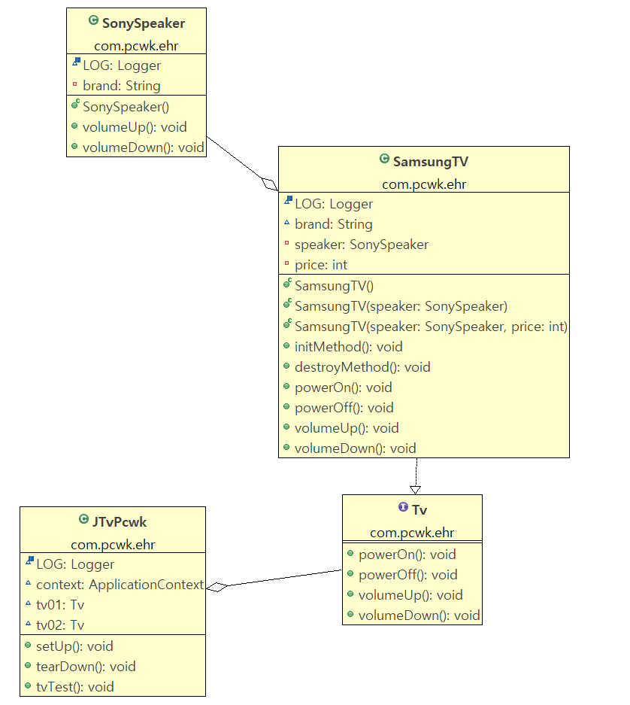

 |  |  |  | public class SamsungTV implements Tv { |  |  |  |  | <?xml version="1.0" encoding="UTF-8"?>
 |  |  |  | final Logger LOG = LogManager.getLogger(getClass()); |  |  |  |  | <beans xmlns="http://www.springframework.org/schema/beans"
 |  |  |  | String brand = "삼성 TV"; |  |  |  |  | xmlns:xsi="http://www.w3.org/2001/XMLSchema-instance"
 |  |  |  | private SonySpeaker speaker; |  |  |  |  | xmlns:context="http://www.springframework.org/schema/context"
 |  |  |  | private int price; |  |  |  |  | xsi:schemaLocation="http://www.springframework.org/schema/beans http://www.springframework.org/schema/beans/spring-beans.xsd
 |  |  |  |  |  |  |  |  | http://www.springframework.org/schema/context http://www.springframework.org/schema/context/spring-context-4.3.xsd">
 |  |  |  | public SamsungTV() {
 |  |  |  | LOG.debug(brand + " default 생성자 SamsungTV()"); |  |  |  |  | <bean id="speaker" class="com.pcwk.ehr.SonySpeaker"/>
 |  |  |  | }
 |  |  |  |  |  |  |  |  | <!-- lazy-init="true" : bean을 바로 생성하지 않고 호출하는 시점에 생성한다. -->
 |  |  |  | // 생성자 인젝션 |  |  |  |  | <!-- scope="singleton" : 객체가 한개만 생성됨(default) -->
 |  |  |  | public SamsungTV(SonySpeaker speaker) { |  |  |  |  | <!-- scope="prototype" : 객체가 호출될때마다 새롭게 생성 -->
 |  |  |  | super(); |  |  |  |  | <bean id="samsungTV" class="com.pcwk.ehr.SamsungTV"
 |  |  |  | this.speaker = speaker; |  |  |  |  | init-method="initMethod"
 |  |  |  | } |  |  |  |  | destroy-method="destroyMethod">

 |  |  |  | // 인자 여러 개 생성자 인젝션 |  |  |  |  | <!-- 생성자 통한 주입 -->
 |  |  |  | public SamsungTV(SonySpeaker speaker, int price) { |  |  |  |  | <constructor-arg ref="speaker" index="0"/>
 |  |  |  | super(); |  |  |  |  | <constructor-arg value="20000000" index="1"/>
 |  |  |  | this.speaker = speaker; |  |  |  |  | </bean>
 |  |  |  | this.price = price; |  |  |  |  | </beans>

 |  |  |  | LOG.debug(brand+" 인자 2개 생성자 호출!");
 |  |  |  | LOG.debug("price:"+price);
 |  |  |  | }
 |  |  |  | }

 |  |  | 의존관계 변경
 |  |  |  | SonySpeaker에서 유지보수 과정에서 다른 스피커로 변경
 |  |  |  | (DI 외부에서 변경)

Tv
<<interface>>
powerOn() : void
powerOff() : void
volumeUp() : void
volumeDown() : void
Speaker
<<interface>>
volumeUp() : void
volumeDown() : void

SamsungTv
powerOn() : void
powerOff() : void
volumeUp() : void
volumeDown() : void
SonySpeaker
volumeUp() : void
volumeDown() : void
AppleSpeaker
volumeUp() : void
volumeDown() : void

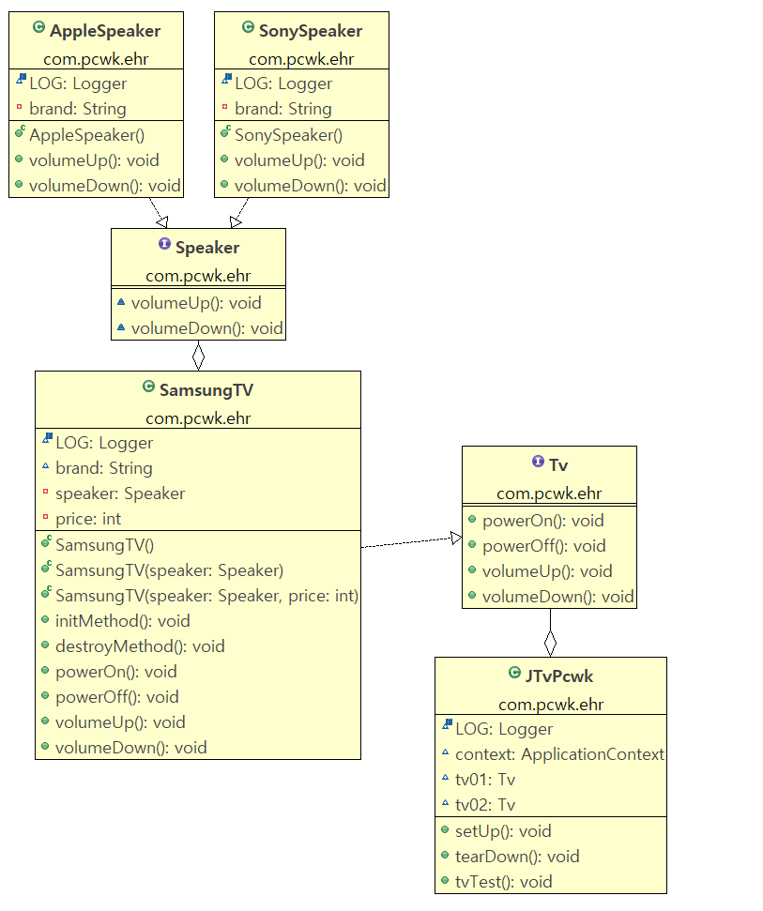
 |  |  |  |  |  |  |  | <?xml version="1.0" encoding="UTF-8"?>
 |  |  |  |  |  |  |  | <beans xmlns="http://www.springframework.org/schema/beans"
 |  |  |  |  |  |  |  | xmlns:xsi="http://www.w3.org/2001/XMLSchema-instance"
 |  |  |  |  |  |  |  | xmlns:context="http://www.springframework.org/schema/context"
 |  |  |  |  |  |  |  | xsi:schemaLocation="http://www.springframework.org/schema/beans http://www.springframework.org/schema/beans/spring-beans.xsd
 |  |  |  |  |  |  |  | http://www.springframework.org/schema/context http://www.springframework.org/schema/context/spring-context-4.3.xsd">

 |  |  |  |  |  |  |  | <bean id="sonySpeaker" class="com.pcwk.ehr.SonySpeaker"/>
 |  |  |  |  |  |  |  | <bean id="appleSpeaker" class="com.pcwk.ehr.AppleSpeaker"/>

 |  |  |  |  |  |  |  | <!-- lazy-init="true" : bean을 바로 생성하지 않고 호출하는 시점에 생성한다. -->
 |  |  |  |  |  |  |  | <!-- scope="singleton" : 객체가 한개만 생성됨(default) -->
 |  |  |  |  |  |  |  | <!-- scope="prototype" : 객체가 호출될때마다 새롭게 생성 -->
 |  |  |  |  |  |  |  | <bean id="samsungTV" class="com.pcwk.ehr.SamsungTV"
 |  |  |  |  |  |  |  | init-method="initMethod"
 |  |  |  |  |  |  |  | destroy-method="destroyMethod">

 |  |  |  |  |  |  |  | <!-- 생성자 통한 주입 -->
 |  |  |  |  |  |  |  | <constructor-arg ref="sonySpeaker" index="0"/>
 |  |  |  |  |  |  |  | <constructor-arg value="20000000" index="1"/>
 |  |  |  |  |  |  |  | </bean>
 |  |  |  |  |  |  |  | </beans>

 |  |  |  |  | public class SamsungTV implements Tv {
 |  |  |  |  | final Logger LOG = LogManager.getLogger(getClass());
 |  |  |  |  | String brand = "삼성 TV";
 |  |  |  |  | private Speaker speaker;
 |  |  |  |  | private int price;

 |  |  |  |  | public SamsungTV() {
 |  |  |  |  | LOG.debug(brand + " default 생성자 SamsungTV()");
 |  |  |  |  | }

 |  |  |  |  | // 생성자 인젝션
 |  |  |  |  | public SamsungTV(Speaker speaker) {
 |  |  |  |  | super();
 |  |  |  |  | this.speaker = speaker;
 |  |  |  |  | }

 |  |  |  |  | // 인자 여러 개 생성자 인젝션
 |  |  |  |  | public SamsungTV(Speaker speaker, int price) {
 |  |  |  |  | super();
 |  |  |  |  | this.speaker = speaker;
 |  |  |  |  | this.price = price;

 |  |  |  |  | LOG.debug(brand+" 인자 2개 생성자 호출!");
 |  |  |  |  | LOG.debug("price:"+price);
 |  |  |  |  | }

 |  |  | Setter 인젝션

 |  |  |  | <?xml version="1.0" encoding="UTF-8"?> |  |  |  |  |  |  |  | public class SamsungTV implements Tv {
 |  |  |  | <beans xmlns="http://www.springframework.org/schema/beans" |  |  |  |  |  |  |  | final Logger LOG = LogManager.getLogger(getClass());
 |  |  |  | xmlns:xsi="http://www.w3.org/2001/XMLSchema-instance" |  |  |  |  |  |  |  | String brand = "삼성 TV";
 |  |  |  | xmlns:context="http://www.springframework.org/schema/context" |  |  |  |  |  |  |  | private Speaker speaker;
 |  |  |  | xsi:schemaLocation="http://www.springframework.org/schema/beans http://www.springframework.org/schema/beans/spring-beans.xsd |  |  |  |  |  |  |  | private int price;
 |  |  |  | http://www.springframework.org/schema/context http://www.springframework.org/schema/context/spring-context-4.3.xsd">
 |  |  |  |  |  |  |  |  |  |  |  | public SamsungTV() {
 |  |  |  | <bean id="sonySpeaker" class="com.pcwk.ehr.SonySpeaker"/> |  |  |  |  |  |  |  | LOG.debug(brand + " default 생성자 SamsungTV()");
 |  |  |  | <bean id="appleSpeaker" class="com.pcwk.ehr.AppleSpeaker"/> |  |  |  |  |  |  |  | }

 |  |  |  | <!-- lazy-init="true" : bean을 바로 생성하지 않고 호출하는 시점에 생성한다. --> |  |  |  |  |  |  |  | // 생성자 인젝션
 |  |  |  | <!-- scope="singleton" : 객체가 한개만 생성됨(default) --> |  |  |  |  |  |  |  | public SamsungTV(Speaker speaker) {
 |  |  |  | <!-- scope="prototype" : 객체가 호출될때마다 새롭게 생성 --> |  |  |  |  |  |  |  | super();
 |  |  |  | <bean id="samsungTV" class="com.pcwk.ehr.SamsungTV" |  |  |  |  |  |  |  | this.speaker = speaker;
 |  |  |  | init-method="initMethod" |  |  |  |  |  |  |  | }
 |  |  |  | destroy-method="destroyMethod">
 |  |  |  |  |  |  |  |  |  |  |  | // 인자 여러 개 생성자 인젝션
 |  |  |  | <property name="speaker" ref="appleSpeaker" /> |  |  |  |  |  |  |  | public SamsungTV(Speaker speaker, int price) {
 |  |  |  | <property name="price" value="10000000" /> |  |  |  |  |  |  |  | super();
 |  |  |  | </bean> |  |  |  |  |  |  |  | this.speaker = speaker;
 |  |  |  | </beans> |  |  |  |  |  |  |  | this.price = price;

 |  |  |  |  |  |  |  |  |  |  |  | LOG.debug(brand+" 인자 2개 생성자 호출!");
 |  |  |  |  |  |  |  |  |  |  |  | LOG.debug("price:"+price);
 |  |  |  |  |  |  |  |  |  |  |  | }
 |  |  |  |  |  |  |  |  |  |  |  | public void setSpeaker(Speaker speaker) {
 |  |  |  |  |  |  |  |  |  |  |  | this.speaker = speaker;
 |  |  |  |  |  |  |  |  |  |  |  | LOG.debug(brand + "setSpeaker 호출!");
 |  |  |  |  |  |  |  |  |  |  |  | }

 |  |  |  |  |  |  |  |  |  |  |  | public void setPrice(int price) {
 |  |  |  |  |  |  |  |  |  |  |  | this.price = price;
 |  |  |  |  |  |  |  |  |  |  |  | LOG.debug(brand + "setPrice 호출! (price="+price+")");
 |  |  |  |  |  |  |  |  |  |  |  | }
 |  |  | <?xml version="1.0" encoding="UTF-8"?>
 |  |  | <beans xmlns="http://www.springframework.org/schema/beans"
 |  |  | xmlns:xsi="http://www.w3.org/2001/XMLSchema-instance"
 |  |  | xmlns:context="http://www.springframework.org/schema/context"
 |  |  | xmlns:p="http://www.springframework.org/schema/p"
 |  |  | xsi:schemaLocation="http://www.springframework.org/schema/beans http://www.springframework.org/schema/beans/spring-beans.xsd
 |  |  | http://www.springframework.org/schema/context http://www.springframework.org/schema/context/spring-context-4.3.xsd">

 |  |  | <bean id="sonySpeaker" class="com.pcwk.ehr.SonySpeaker"/>
 |  |  | <bean id="appleSpeaker" class="com.pcwk.ehr.AppleSpeaker"/>

 |  |  | <!-- lazy-init="true" : bean을 바로 생성하지 않고 호출하는 시점에 생성한다. -->
 |  |  | <!-- scope="singleton" : 객체가 한개만 생성됨(default) -->
 |  |  | <!-- scope="prototype" : 객체가 호출될때마다 새롭게 생성 -->

 |  |  | <!-- p 네임스페이스를 사용하면 좀 더 효율적으로 의존성을 주입할 수 있다.
 |  |  | p:변수명-ref = "참조할 객체이름"
 |  |  | p:변수명 = "설정할 값"
 |  |  | -->
 |  |  | <bean id="samsungTV" class="com.pcwk.ehr.SamsungTV" p:speaker-ref="sonySpeaker" p:price="10000000"
 |  |  | init-method="initMethod"
 |  |  | destroy-method="destroyMethod">
 |  |  | </bean>
 |  |  | </beans>

 |  | 컬렉션(Collection) 객체 설정

 |  |  | 컬렉션 유형 |  |  | 엘리먼트
 |  |  | java.util.List, 배열 |  |  | <list>
 |  |  | java.util.Set |  |  | <set>
 |  |  | java.util.Map |  |  | <map>
 |  |  | java.util.Properties |  |  | <props>

 |  |  | <list>
 |  |  |  | <?xml version="1.0" encoding="UTF-8"?> |  |  |  |  |  | @RunWith(SpringJUnit4ClassRunner.class) // JUnit기능을 스프링 프레임으로 확장!
 |  |  |  | <beans xmlns="http://www.springframework.org/schema/beans" |  |  |  |  |  | @ContextConfiguration(locations = "/applicationCollectionListBean.xml")
 |  |  |  | xmlns:xsi="http://www.w3.org/2001/XMLSchema-instance" |  |  |  |  |  | public class JCollectionListBeanTest {
 |  |  |  | xmlns:context="http://www.springframework.org/schema/context" |  |  |  |  |  | final Logger LOG = LogManager.getLogger(getClass());
 |  |  |  | xmlns:p="http://www.springframework.org/schema/p"
 |  |  |  | xsi:schemaLocation="http://www.springframework.org/schema/beans http://www.springframework.org/schema/beans/spring-beans.xsd |  |  |  |  |  | @Autowired // 컨텍스트 프레임워크는 변수 타입과 일치하는 컨텍스트 내의 빈을 찾고, 변수에 주입
 |  |  |  | http://www.springframework.org/schema/context http://www.springframework.org/schema/context/spring-context-4.3.xsd"> |  |  |  |  |  | ApplicationContext context;

 |  |  |  | <!-- public void setAddressList(List<String> addressList) { --> |  |  |  |  |  | CollectionListBean collectionListBean;
 |  |  |  | <bean id="collectionListBean" class="com.pcwk.ehr.collection.CollectionListBean">
 |  |  |  | <property name="addressList"> |  |  |  |  |  | @Before
 |  |  |  | <list> |  |  |  |  |  | public void setUp() throws Exception {
 |  |  |  | <value>서울시 강남구 역삼동</value> |  |  |  |  |  | LOG.debug("-------------------------");
 |  |  |  | <value>서울시 서대문구 신촌</value> |  |  |  |  |  | LOG.debug("-0. setUp()-");
 |  |  |  | </list> |  |  |  |  |  | LOG.debug("-------------------------");
 |  |  |  | </property> |  |  |  |  |  | collectionListBean = context.getBean("collectionListBean", CollectionListBean.class);
 |  |  |  | </bean>
 |  |  |  |  |  |  |  |  |  | LOG.debug("-context-"+context);
 |  |  |  | </beans> |  |  |  |  |  | LOG.debug("-collectionListBean-"+ collectionListBean);
 |  |  |  |  |  |  |  |  |  | assertNotNull(collectionListBean);
 |  |  |  |  |  |  |  |  |  | assertNotNull(context);
 |  |  |  |  |  |  |  |  |  | }
 |  |  |  |  |  |  |  |  |  | @After
 |  |  |  |  |  |  |  |  |  | public void tearDown() throws Exception {
 |  |  |  |  |  |  |  |  |  | LOG.debug("-------------------------");
 |  |  |  |  |  |  |  |  |  | LOG.debug("-9. tearDown()-");
 |  |  |  |  |  |  |  |  |  | LOG.debug("-------------------------");
 |  |  |  |  |  |  |  |  |  | }
 |  |  |  |  |  |  |  |  |  | @Test
 |  |  |  |  |  |  |  |  |  | public void tvTest() {
 |  |  |  |  |  |  |  |  |  | LOG.debug("==========================");
 |  |  |  |  |  |  |  |  |  | LOG.debug("=test()=");
 |  |  |  |  |  |  |  |  |  | LOG.debug("==========================");

 |  |  |  |  |  |  |  |  |  | List<String> list = collectionListBean.getAddressList();
 |  |  |  |  |  |  |  |  |  | for(String str : list) {
 |  |  |  |  |  |  |  |  |  | LOG.debug("str: "+str);
 |  |  |  |  |  |  |  |  |  | }
 |  |  |  |  |  |  |  |  |  | }
 |  |  |  |  |  |  |  |  |  | }

 |  |  | <set>
 |  |  |  | <?xml version="1.0" encoding="UTF-8"?> |  |  |  |  |  |  | @RunWith(SpringJUnit4ClassRunner.class) // JUnit기능을 스프링 프레임으로 확장!
 |  |  |  | <beans xmlns="http://www.springframework.org/schema/beans" |  |  |  |  |  |  | @ContextConfiguration(locations = "/applicationCollectionSetBean.xml")
 |  |  |  | xmlns:xsi="http://www.w3.org/2001/XMLSchema-instance" |  |  |  |  |  |  | public class JCollectionSetBeanTest {
 |  |  |  | xmlns:context="http://www.springframework.org/schema/context" |  |  |  |  |  |  | final Logger LOG = LogManager.getLogger(getClass());
 |  |  |  | xmlns:p="http://www.springframework.org/schema/p"
 |  |  |  | xsi:schemaLocation="http://www.springframework.org/schema/beans http://www.springframework.org/schema/beans/spring-beans.xsd |  |  |  |  |  |  | @Autowired // 컨텍스트 프레임워크는 변수 타입과 일치하는 컨텍스트 내의 빈을 찾고, 변수에 주입
 |  |  |  | http://www.springframework.org/schema/context http://www.springframework.org/schema/context/spring-context-4.3.xsd"> |  |  |  |  |  |  | ApplicationContext context;

 |  |  |  | <!-- public void setAddressList(List<String> addressList) { --> |  |  |  |  |  |  | CollectionSetBean collectionSetBean;
 |  |  |  | <bean id="collectionSetBean" class="com.pcwk.ehr.collection.CollectionSetBean">
 |  |  |  | <property name="addressList"> |  |  |  |  |  |  | @Before
 |  |  |  | <set value-type="java.lang.String"> |  |  |  |  |  |  | public void setUp() throws Exception {
 |  |  |  | <value>서울시 강남구 삼성동</value> |  |  |  |  |  |  | LOG.debug("-------------------------");
 |  |  |  | <value>서울시 영등포 여의도</value> |  |  |  |  |  |  | LOG.debug("-0. setUp()-");
 |  |  |  | <value>서울시 마포구 DMC</value> |  |  |  |  |  |  | LOG.debug("-------------------------");
 |  |  |  | <value>경기도 판교</value> |  |  |  |  |  |  | collectionSetBean = (CollectionSetBean)context.getBean("collectionSetBean");
 |  |  |  | </set> |  |  |  |  |  |  | LOG.debug("-context-"+context);
 |  |  |  | </property> |  |  |  |  |  |  | LOG.debug("-collectionSetBean-"+collectionSetBean);
 |  |  |  | </bean> |  |  |  |  |  |  | assertNotNull(collectionSetBean);
 |  |  |  |  |  |  |  |  |  |  | assertNotNull(context);
 |  |  |  | </beans> |  |  |  |  |  |  | }
 |  |  |  |  |  |  |  |  |  |  | @After
 |  |  |  |  |  |  |  |  |  |  | public void tearDown() throws Exception {
 |  |  |  |  |  |  |  |  |  |  | LOG.debug("-------------------------");
 |  |  |  |  |  |  |  |  |  |  | LOG.debug("-9. tearDown()-");
 |  |  |  |  |  |  |  |  |  |  | LOG.debug("-------------------------");
 |  |  |  |  |  |  |  |  |  |  | }
 |  |  |  |  |  |  |  |  |  |  | @Test
 |  |  |  |  |  |  |  |  |  |  | public void tvTest() {
 |  |  |  |  |  |  |  |  |  |  | LOG.debug("==========================");
 |  |  |  |  |  |  |  |  |  |  | LOG.debug("=test()=");
 |  |  |  |  |  |  |  |  |  |  | LOG.debug("==========================");
 |  |  |  |  |  |  |  |  |  |  | Set<String> list = collectionSetBean.getAddressList();

 |  |  |  |  |  |  |  |  |  |  | for(String str : list) {
 |  |  |  |  |  |  |  |  |  |  | LOG.debug("str:"+str);
 |  |  |  |  |  |  |  |  |  |  | }
 |  |  |  |  |  |  |  |  |  |  | }
 |  |  |  |  |  |  |  |  |  |  | }

 |  |  | <props>
 |  |  |  | <?xml version="1.0" encoding="UTF-8"?> |  |  |  |  |  |  | @RunWith(SpringJUnit4ClassRunner.class) // JUnit기능을 스프링 프레임으로 확장!
 |  |  |  | <beans xmlns="http://www.springframework.org/schema/beans" |  |  |  |  |  |  | @ContextConfiguration(locations = "/applicationCollectionPropBean.xml")
 |  |  |  | xmlns:xsi="http://www.w3.org/2001/XMLSchema-instance" |  |  |  |  |  |  | public class JCollectionPropBeanTest {
 |  |  |  | xmlns:context="http://www.springframework.org/schema/context" |  |  |  |  |  |  | final Logger LOG = LogManager.getLogger(getClass());
 |  |  |  | xmlns:p="http://www.springframework.org/schema/p"
 |  |  |  | xsi:schemaLocation="http://www.springframework.org/schema/beans http://www.springframework.org/schema/beans/spring-beans.xsd |  |  |  |  |  |  | @Autowired // 컨텍스트 프레임워크는 변수 타입과 일치하는 컨텍스트 내의 빈을 찾고, 변수에 주입
 |  |  |  | http://www.springframework.org/schema/context http://www.springframework.org/schema/context/spring-context-4.3.xsd"> |  |  |  |  |  |  | ApplicationContext context;

 |  |  |  | <!-- public void setAddressList(List<String> addressList) { --> |  |  |  |  |  |  | @Autowired
 |  |  |  | <bean id="collectionProp" class="com.pcwk.ehr.collection.CollectionProp"> |  |  |  |  |  |  | CollectionProp collectionProp;
 |  |  |  | <property name="addressList">
 |  |  |  | <props> |  |  |  |  |  |  | @Before
 |  |  |  | <prop key="이상무">서울시 강남구 삼성동</prop> |  |  |  |  |  |  | public void setUp() throws Exception {
 |  |  |  | <prop key="홍길동">서울시 마포구 DMC</prop> |  |  |  |  |  |  | LOG.debug("-------------------------");
 |  |  |  | </props> |  |  |  |  |  |  | LOG.debug("-0. setUp()-");
 |  |  |  | </property> |  |  |  |  |  |  | LOG.debug("-------------------------");
 |  |  |  | </bean> |  |  |  |  |  |  | LOG.debug("-context-"+context);
 |  |  |  |  |  |  |  |  |  |  | LOG.debug("-collectionProp"+collectionProp);
 |  |  |  | </beans> |  |  |  |  |  |  | assertNotNull(context);
 |  |  |  |  |  |  |  |  |  |  | assertNotNull(collectionProp);
 |  |  |  |  |  |  |  |  |  |  | }
 |  |  |  |  |  |  |  |  |  |  | @After
 |  |  |  |  |  |  |  |  |  |  | public void tearDown() throws Exception {
 |  |  |  |  |  |  |  |  |  |  | LOG.debug("-------------------------");
 |  |  |  |  |  |  |  |  |  |  | LOG.debug("-9. tearDown()-");
 |  |  |  |  |  |  |  |  |  |  | LOG.debug("-------------------------");
 |  |  |  |  |  |  |  |  |  |  | }
 |  |  |  |  |  |  |  |  |  |  | @Test
 |  |  |  |  |  |  |  |  |  |  | public void tvTest() {
 |  |  |  |  |  |  |  |  |  |  | LOG.debug("==========================");
 |  |  |  |  |  |  |  |  |  |  | LOG.debug("=test()=");
 |  |  |  |  |  |  |  |  |  |  | LOG.debug("==========================");

 |  |  |  |  |  |  |  |  |  |  | Properties prop = collectionProp.getAddressList();
 |  |  |  |  |  |  |  |  |  |  | Set<Object> keys = prop.keySet();

 |  |  |  |  |  |  |  |  |  |  | for(Object obj : keys) {
 |  |  |  |  |  |  |  |  |  |  | LOG.debug("key: "+obj.toString()+","+prop.getProperty(obj.toString()));
 |  |  |  |  |  |  |  |  |  |  | }
 |  |  |  |  |  |  |  |  |  |  | }
 |  |  |  |  |  |  |  |  |  |  | }

junit_20220531
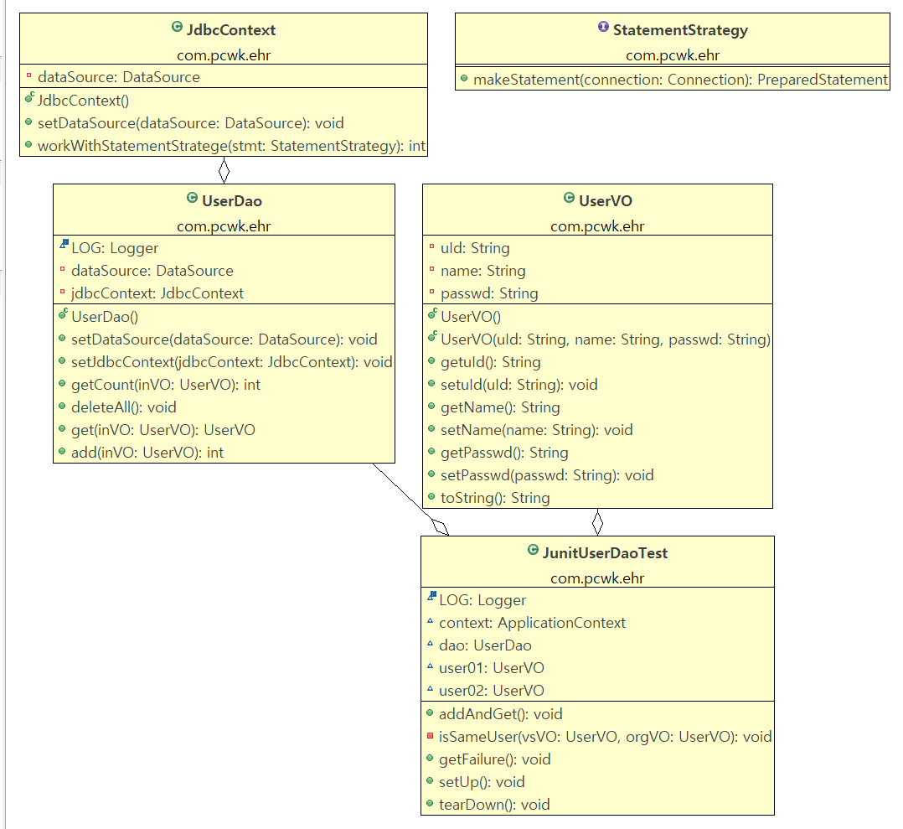
목 차 |  |  | \\192.168.3.101
 | 강사Email : |  | jamesol@paran.com
 | CAFE : |  | https://cafe.daum.net/pcwk
 | Zoom : |  | https://us06web.zoom.us/j/5774287769?pwd=TFVXV3NkZkFnVWZ3NlVSVERZK0lZdz09
 | Slack |  | https://join.slack.com/t/slack-05r6316/shared_invite/zt-12h1if6yq-TCrMZZJtNbyjh93BGBnNAA
 | 평가 |  | https://itsc.cafe24.com/
 | 긍정의 마음으로 살자

 |  | Junit setUp
 | @Before
 | public void setUp() throws Exception {
 | context = new GenericXmlApplicationContext("/applicationContext.xml");
 | dao = context.getBean("userDao", UserDao.class);
 | }

 |  |  | 문제) 테스트 메소드가 수행될 때마다 context를 새로이 읽고 있음
 |  |  |  | (테스트에 오랜 시간이 걸림!)

 |  |  |  | 해결)
 |  |  |  |  | @RunWith(SpringJUnit4ClassRunner.class) // JUnit기능을 스프링 프레임으로 확장!
 |  |  |  |  | @ContextConfiguration(locations = "/applicationContext.xml") // applicationContext.xml loading
 |  |  |  |  | public class JunitUserDaoTest {
 |  |  |  |  | final Logger LOG = LogManager.getLogger(this.getClass());

 |  |  |  |  | @Autowired // 컨텍스트 프레임워크는 변수 타입과 일치하는 컨텍스트 내의 빈을 찾고, 변수에 주입
 |  |  |  |  | ApplicationContext context;

 |  |  |  |  | @Autowired
 |  |  |  |  | UserDao dao;
 |  |  |  |  | }

 |  | TDD(Test Driven Development)

 |  |  | 학습 테스트의 장점
 |  |  |  | 다양한 조건에 따른 기능을 손쉽게 확인할 수 있다.
 |  |  |  | 학습 테스트 코드를 개발 중에 참고 할 수 있다.
 |  |  |  | 제품을 업그레이드할 때 호환성 검증을 도와준다.
 |  |  |  | 테스트 작성에 대한 좋은 훈련이 된다.
 |  |  |  | 새로운 기술을 공부하는 과정이 즐거워진다.

 |  |  | package com.pcwk.ehr;
 |  |  | import static org.junit.Assert.*;
 |  |  | import java.sql.SQLException;
 |  |  | import org.apache.logging.log4j.LogManager;
 |  |  | import org.apache.logging.log4j.Logger;
 |  |  | import org.junit.After;
 |  |  | import org.junit.Before;
 |  |  | import org.junit.Test;
 |  |  | import org.junit.runner.RunWith;
 |  |  | import org.springframework.beans.factory.annotation.Autowired;
 |  |  | import org.springframework.context.ApplicationContext;
 |  |  | import org.springframework.context.support.GenericXmlApplicationContext;
 |  |  | import org.springframework.test.context.ContextConfiguration;
 |  |  | import org.springframework.test.context.junit4.SpringJUnit4ClassRunner;
 |  |  | @RunWith(SpringJUnit4ClassRunner.class) // JUnit기능을 스프링 프레임으로 확장!
 |  |  | @ContextConfiguration(locations = "/applicationContext.xml") // applicationContext.xml loading
 |  |  | public class JunitUserDaoTest {
 |  |  | final Logger LOG = LogManager.getLogger(this.getClass());

 |  |  | @Autowired // 컨텍스트 프레임워크는 변수 타입과 일치하는 컨텍스트 내의 빈을 찾고, 변수에 주입
 |  |  | ApplicationContext context;

 |  |  | @Autowired
 |  |  | UserDao dao;
 |  |  | UserVO user01;
 |  |  | UserVO user02;

 |  |  | @Test
 |  |  | public void addAndGet() {
 |  |  | LOG.debug("=======================");
 |  |  | LOG.debug("=1. setUp()=");
 |  |  | LOG.debug("=======================");

 |  |  | // 전체 삭제
 |  |  | try {
 |  |  | dao.deleteAll();
 |  |  | assertEquals(0, dao.getCount(user01));

 |  |  | // 1건 추가
 |  |  | dao.add(user01);
 |  |  | assertEquals(1, dao.getCount(user01));

 |  |  | // 1건 추가
 |  |  | dao.add(user02);
 |  |  | assertEquals(2, dao.getCount(user01));

 |  |  | // 단건조회
 |  |  | UserVO vsUser01 = dao.get(user01);
 |  |  | isSameUser(vsUser01, user01);

 |  |  | // 단건조회
 |  |  | UserVO vsUser02 = dao.get(user02);
 |  |  | isSameUser(vsUser02, user02);

 |  |  | } catch (SQLException e) {
 |  |  | LOG.debug("----------------------");
 |  |  | LOG.debug("-SQLException-"+e.getMessage());
 |  |  | LOG.debug("----------------------");
 |  |  | e.printStackTrace();
 |  |  | }
 |  |  | }

 |  |  | private void isSameUser(UserVO vsVO, UserVO orgVO) {
 |  |  | assertEquals(vsVO.getuId(), orgVO.getuId());
 |  |  | assertEquals(vsVO.getName(), orgVO.getName());
 |  |  | assertEquals(vsVO.getPasswd(), orgVO.getPasswd());
 |  |  | }

 |  |  | @Test(expected = NullPointerException.class)
 |  |  | public void getFailure() throws SQLException {
 |  |  | LOG.debug("=======================");
 |  |  | LOG.debug("=2. getFailure()=");
 |  |  | LOG.debug("=======================");

 |  |  | dao.deleteAll();

 |  |  | dao.get(user01);
 |  |  | }

 |  |  | @Before
 |  |  | public void setUp() throws Exception {
 |  |  | LOG.debug("=======================");
 |  |  | LOG.debug("=0. setUp()=");
 |  |  | LOG.debug("=======================");

 |  |  | user01 = new UserVO("p07","김주혜07", "4321");
 |  |  | user02 = new UserVO("p070","김주혜070", "4321");

 |  |  | // context = new GenericXmlApplicationContext("/applicationContext.xml");
 |  |  | // dao = context.getBean("userDao", UserDao.class);

 |  |  | LOG.debug("context:"+context);
 |  |  | LOG.debug("dao:"+dao);

 |  |  | assertNotNull(context);
 |  |  | assertNotNull(dao);
 |  |  | }

 |  |  | @After
 |  |  | public void tearDown() throws Exception {
 |  |  | LOG.debug("=======================");
 |  |  | LOG.debug("=9. tearDown()=");
 |  |  | LOG.debug("=======================");

 |  |  | }

 |  |  | }

 |  | 코드 단순화
 | public void deleteAll() throws SQLException {
 | int flag = 0;
 | // 1. db연결
 | // 2. sql Statement(X), PreparedStatement
 | // 3. PreparedStatement 수행
 | // 4. ResultSet으로 정보를 받아와 처리
 | // 5. 자원 반납

 | // 1.
 | Connection connection = null; |  |  |  |  |  |  | 자원반납
 | connection = dataSource.getConnection();

 | // 2.
 | StringBuilder sb = new StringBuilder(100);
 | sb.append(" DELETE FROM hr_member \n");
 | LOG.debug("============================="); |  |  |  |  |  |  |  | DB 연결, 5. 자원반납 부분을 OOP로
 | LOG.debug("sql: \n" + sb.toString()); |  |  |  |  |  |  |  | 개발자가 구현하지 않도록 처리
 | LOG.debug("=============================");

 | // 3.
 | PreparedStatement pstmt = connection.prepareStatement(sb.toString());

 | // 4.
 | flag = pstmt.executeUpdate();
 | LOG.debug("flag : " + flag);

 | // 5.
 | pstmt.close(); |  |  |  |  |  | 자원반납
 | connection.close();
 | }

 |  |  | 변하는 부분과 변하지 않는 부분을 메소드 통해 분리!
 |  |  | // 메서드를 통해 변하는 부분(SQL, SQL 수행 부분), 변하지 않는 부분(db연결, 자원반납)
 |  |  | private PreparedStatement makeStatement(Connection c) throws SQLException {
 |  |  | PreparedStatement pstmt = null;

 |  |  | StringBuilder sb = new StringBuilder(100);
 |  |  | sb.append(" DELETE FROM hr_member \n");
 |  |  | LOG.debug("=============================");
 |  |  | LOG.debug("sql: \n" + sb.toString());
 |  |  | LOG.debug("=============================");

 |  |  | // 3.
 |  |  | pstmt = c.prepareStatement(sb.toString());
 |  |  | return pstmt;
 |  |  | }

 |  |  | public void deleteAll() throws SQLException {
 |  |  | int flag = 0;
 |  |  | // 1. db연결
 |  |  | // 2. sql Statement(X), PreparedStatement
 |  |  | // 3. PreparedStatement 수행
 |  |  | // 4. ResultSet으로 정보를 받아와 처리
 |  |  | // 5. 자원 반납

 |  |  | // 1.
 |  |  | Connection connection = null;
 |  |  | PreparedStatement pstmt = null;
 |  |  | try {
 |  |  | connection = dataSource.getConnection();

 |  |  | pstmt = makeStatement(connection);

 |  |  | // 4.
 |  |  | flag = pstmt.executeUpdate();
 |  |  | LOG.debug("flag : " + flag);
 |  |  | }catch(SQLException e) {
 |  |  | throw e;
 |  |  | }finally {
 |  |  | if(null != pstmt) {
 |  |  | try {
 |  |  | pstmt.close();
 |  |  | }catch(SQLException e) {

 |  |  | }
 |  |  | }
 |  |  | // connection 자원반납
 |  |  | if(null != connection ) {
 |  |  | try {
 |  |  | connection.close();
 |  |  | }catch(SQLException e) {

 |  |  | }
 |  |  | }

 |  |  | }
 |  |  | }

문제점
1. 자바는 단일 상속이라, 기존에 상속이 되어 있으면 상속으로 구현할 수 없다.
2. class 개수가 증가, 관리 포인트 증가
2. 확장 구조가 고정이 된다.
 |  |  | 상속을 통한 확장
UserDao
<<abstract>>
makeStatement

UserDaoAdd
makeStatement
UserDaoDeleteAll
makeStatement
UserDaoGet
makeStatement
UserDaoGetCount
makeStatement

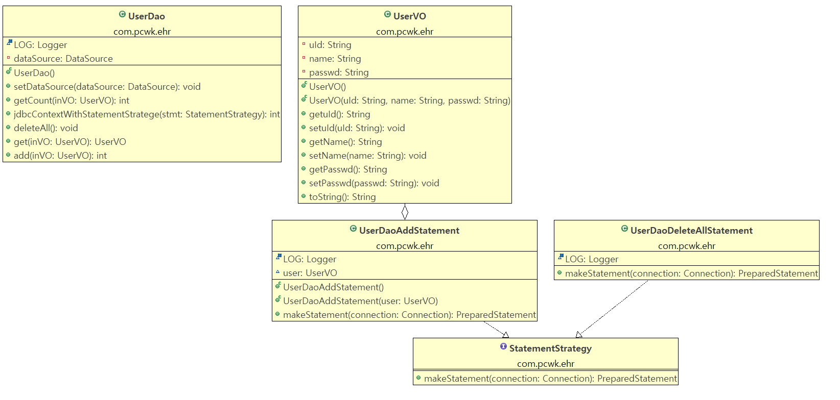
 |  |  |  |  | 개선 : 전략패턴
UserDao
jdbcContextWithStatementStratege();
StatementStrategy
<<interface>>
makeStatement();

변하지 않는 부분

UserDaoDeleteAllStatement
makeStatement
UserDaoAdd
makeStatement

변하는 부분

 |  |  |  |  |  | public class UserDao { |  |  |  | package com.pcwk.ehr;
 |  |  |  |  |  | // 변하지 않는 부분(db연결, 자원반납) |  |  |  | import java.sql.Connection;
 |  |  |  |  |  | public void jdbcContextWithStatementStratege(StatementStrategy stmt) throws SQLException { |  |  |  | import java.sql.PreparedStatement;
 |  |  |  |  |  | // 1. |  |  |  | import java.sql.SQLException;
 |  |  |  |  |  | Connection connection = null; |  |  |  | import org.apache.logging.log4j.LogManager;
 |  |  |  |  |  | PreparedStatement pstmt = null; |  |  |  | import org.apache.logging.log4j.Logger;
 |  |  |  |  |  |  |  |  |  | public class UserDaoDeleteAllStatement implements StatementStrategy {
 |  |  |  |  |  | try { |  |  |  | final Logger LOG = LogManager.getLogger(this.getClass());
 |  |  |  |  |  | connection = dataSource.getConnection(); |  |  |  | @Override
 |  |  |  |  |  | pstmt = stmt.makeStatement(connection); |  |  |  | public PreparedStatement makeStatement(Connection connection) throws SQLException {
 |  |  |  |  |  | pstmt.executeUpdate(); |  |  |  | PreparedStatement pstmt = null;
 |  |  |  |  |  | }catch(SQLException e) {
 |  |  |  |  |  | throw e; |  |  |  | StringBuilder sb = new StringBuilder(100);
 |  |  |  |  |  | }finally { |  |  |  | sb.append(" DELETE FROM hr_member \n");
 |  |  |  |  |  | if(null != pstmt) { |  |  |  | LOG.debug("=============================");
 |  |  |  |  |  | try { |  |  |  | LOG.debug("sql: \n" + sb.toString());
 |  |  |  |  |  | pstmt.close(); |  |  |  | LOG.debug("=============================");
 |  |  |  |  |  | }catch(SQLException e) {
 |  |  |  |  |  |  |  |  |  | // 3.
 |  |  |  |  |  | } |  |  |  | pstmt = connection.prepareStatement(sb.toString());
 |  |  |  |  |  | } |  |  |  | return pstmt;
 |  |  |  |  |  | // connection 자원반납 |  |  |  | }
 |  |  |  |  |  | if(null != connection ) { |  |  |  | }
 |  |  |  |  |  | try {
 |  |  |  |  |  | connection.close();
 |  |  |  |  |  | }catch(SQLException e) {

 |  |  |  |  |  | }
 |  |  |  |  |  | }

 |  |  |  |  |  | }

 |  |  |  |  |  | }

 |  |  |  |  |  | public void deleteAll() throws SQLException {
 |  |  |  |  |  | StatementStrategy strategy = new UserDaoDeleteAllStatement();
 |  |  |  |  |  | jdbcContextWithStatementStratege(strategy);
 |  |  |  |  |  | }
 |  |  |  |  |  | }
 |  |  |  |  |  | }

 |  |  | S_SH06_03
 |  |  |  | 익명 내부 클래스

 |  |  |  |  | public interface StatementStrategy {
 |  |  |  |  | public PreparedStatement makeStatement(Connection connection) throws SQLException;
 |  |  |  |  | }

 |  |  |  |  | public class UserDao {
 |  |  |  |  | public void deleteAll() throws SQLException {

 |  |  |  |  | // StatementStrategy st = new StatementStrategy() { 무명 이너 class의 메소드}

 |  |  |  |  | jdbcContextWithStatementStratege(
 |  |  |  |  | new StatementStrategy() {
 |  |  |  |  | public PreparedStatement makeStatement(Connection connection) throws SQLException {
 |  |  |  |  | PreparedStatement pstmt = null;

 |  |  |  |  | StringBuilder sb = new StringBuilder(100);
 |  |  |  |  | sb.append(" DELETE FROM hr_member \n");
 |  |  |  |  | LOG.debug("=============================");
 |  |  |  |  | LOG.debug("sql: \n" + sb.toString());
 |  |  |  |  | LOG.debug("=============================");

 |  |  |  |  | pstmt = connection.prepareStatement(sb.toString());
 |  |  |  |  | return pstmt;
 |  |  |  |  | }
 |  |  |  |  | }
 |  |  |  |  | );
 |  |  |  |  | }
 |  |  |  |  | /**
 |  |  |  |  | * 사용자 등록
 |  |  |  |  | *
 |  |  |  |  | * @param inVO
 |  |  |  |  | * @return 1(성공)/0(실패)
 |  |  |  |  | * @throws ClassCastException
 |  |  |  |  | * @throws SQLException
 |  |  |  |  | * @throws ClassNotFoundException
 |  |  |  |  | */
 |  |  |  |  | public int add(UserVO inVO) throws SQLException{

 |  |  |  |  | int flag = 0;

 |  |  |  |  | flag = jdbcContextWithStatementStratege(
 |  |  |  |  | new StatementStrategy() {
 |  |  |  |  | public PreparedStatement makeStatement(Connection connection) throws SQLException {

 |  |  |  |  | PreparedStatement pstmt = null;

 |  |  |  |  | StringBuilder sb = new StringBuilder(100);
 |  |  |  |  | sb.append(" INSERT INTO hr_member ( \n");
 |  |  |  |  | sb.append(" u_id, \n");
 |  |  |  |  | sb.append(" name, \n");
 |  |  |  |  | sb.append(" passwd \n");
 |  |  |  |  | sb.append(" ) VALUES ( \n");
 |  |  |  |  | sb.append(" ?, \n");
 |  |  |  |  | sb.append(" ?, \n");
 |  |  |  |  | sb.append(" ? \n");
 |  |  |  |  | sb.append(" ) \n");

 |  |  |  |  | LOG.debug("=============================");
 |  |  |  |  | LOG.debug("param :" + inVO.toString());
 |  |  |  |  | LOG.debug("sql : \n" + sb.toString());
 |  |  |  |  | LOG.debug("=============================");

 |  |  |  |  | pstmt = connection.prepareStatement(sb.toString());
 |  |  |  |  | pstmt.setString(1, inVO.getuId());
 |  |  |  |  | pstmt.setString(2, inVO.getName());
 |  |  |  |  | pstmt.setString(3, inVO.getPasswd());

 |  |  |  |  | return pstmt;
 |  |  |  |  | }
 |  |  |  |  | }
 |  |  |  |  | );

 |  |  |  |  | return flag;
 |  |  |  |  | }
 |  |  |  |  | }

 |  |  | S_SH07_01
 |  |  |  | UserDao.java
 |  |  |  |  | jdbcContextWithStatementStratege() 다른 Dao에서도 사용할 수 있게 별도의 클래스로 작성

JdbcContext
workWithStatementStratege()

 |  |  | public void deleteAll() throws SQLException {

 |  |  | // StatementStrategy st = new StatementStrategy() { 무명 이너 class의 메소드}

 |  |  | jdbcContext.workWithStatementStratege (
 |  |  | new StatementStrategy() {
 |  |  | public PreparedStatement makeStatement(Connection connection) throws SQLException {
 |  |  | PreparedStatement pstmt = null;

 |  |  | StringBuilder sb = new StringBuilder(100);
 |  |  | sb.append(" DELETE FROM hr_member \n");
 |  |  | LOG.debug("=============================");
 |  |  | LOG.debug("sql: \n" + sb.toString());
 |  |  | LOG.debug("=============================");

 |  |  | pstmt = connection.prepareStatement(sb.toString());
 |  |  | return pstmt;
 |  |  | }
 |  |  | }
 |  |  | );
 |  |  | }

loC_20220527
목 차 |  |  | \\192.168.3.101
 | 강사Email : |  | jamesol@paran.com
 | CAFE : |  | https://cafe.daum.net/pcwk
 | Zoom : |  | https://us06web.zoom.us/j/5774287769?pwd=TFVXV3NkZkFnVWZ3NlVSVERZK0lZdz09
 | Slack |  | https://join.slack.com/t/slack-05r6316/shared_invite/zt-12h1if6yq-TCrMZZJtNbyjh93BGBnNAA
 | 평가 |  | https://itsc.cafe24.com/
 | 긍정의 마음으로 살자

 |  | 제어의 역전(loC)
 |  |  | Inversion of Control
 |  |  | 오브젝트가 자신이 사용할 오브젝트를 스스로 선택하지 않는다.
 |  |  | 당연히 생성하지도 않는다. 모든 제어 권한을 자신이 아닌 다른 대상에게 위임한다.

 |  |  | 오브젝트 팩토리
 |  |  |  | 객체의 생성 방법을 결정하고 그렇게 만들어진 오브젝트를 돌려준다.

UserDaoTest
<<Client>>
UserDao
ConnectionMaker

<<사용>>

<<생성>>
DaoFactory
NConnectionMaker

<<요청>>
<<생성>>

 |  |  |  |  |  | 오브젝트 팩토리를 활용한 구조

 |  |  |  |  |  |  | 제어권의 이전을 통한 제어관계의 역전
 |  |  |  |  |  |  |  | 제어의 역전에서는 오브젝트가 자신이 사용할 오브젝트를 스스로 선택하지 않는다, 당연히 생성도 하지 않는다.
 |  |  |  |  |  |  |  | 자신이 어떻게 만들어지고 어디서 사용되는지를 알 수 없다. 모든 제어 권한을 자신이 아닌 다른 대상자에게 위임하기 때문이다.

 |  |  |  |  |  |  |  | ApplicationContext가 동작하는 방식

 |  |  |  |  |  |  |  | DaoFactory를 사용하지 않고 ApplicationContext를 사용시 장점
 |  |  |  |  |  |  |  | - 클라이언트는 구체적인 팩토리 클래스를 알 필요가 없다.
 |  |  |  |  |  |  |  | - 애플리케이션 컨텍스트는 종합 IoC 서비스를 제공한다.
 |  |  |  |  |  |  |  | - 애플리케이션 컨텍스트는 빈을 검색하는 다양한 방법을 제공한다.

 |  |  |  |  |  |  |  | 싱글톤 레지스트리와 오브젝트 스코프
 |  |  |  |  |  |  |  |  | DaoFactory VS ApplicationContext

 |  |  |  |  |  |  |  |  | package com.pcwk.ehr;
 |  |  |  |  |  |  |  |  | import org.apache.logging.log4j.LogManager;
 |  |  |  |  |  |  |  |  | import org.apache.logging.log4j.Logger;
 |  |  |  |  |  |  |  |  | import org.springframework.context.ApplicationContext;
 |  |  |  |  |  |  |  |  | import org.springframework.context.annotation.AnnotationConfigApplicationContext;
 |  |  |  |  |  |  |  |  | public class SingleToneMain {
 |  |  |  |  |  |  |  |  | final static Logger LOG = LogManager.getLogger(SingleToneMain.class);

 |  |  |  |  |  |  |  |  | public static void main(String[] args) {
 |  |  |  |  |  |  |  |  | DaoFactory factory = new DaoFactory();
 |  |  |  |  |  |  |  |  | UserDao userDao01 = factory.userDao();
 |  |  |  |  |  |  |  |  | UserDao userDao02 = factory.userDao();

 |  |  |  |  |  |  |  |  | LOG.debug("------------------");
 |  |  |  |  |  |  |  |  | LOG.debug("-userDao01-"+userDao01);
 |  |  |  |  |  |  |  |  | LOG.debug("-userDao02-"+userDao02);
 |  |  |  |  |  |  |  |  | LOG.debug("------------------");

 |  |  |  |  |  |  |  |  | // 싱글톤 패턴
 |  |  |  |  |  |  |  |  | // 애플리케이션 내에서 제한된 인스턴스 개수, 이름처럼 하나만 존재하도록 강제하는 패턴
 |  |  |  |  |  |  |  |  | ApplicationContext context = new AnnotationConfigApplicationContext(DaoFactory.class);
 |  |  |  |  |  |  |  |  | UserDao userDao03 = (UserDao)context.getBean("userDao");
 |  |  |  |  |  |  |  |  | UserDao userDao04 = context.getBean("userDao", UserDao.class);

 |  |  |  |  |  |  |  |  | LOG.debug("=========================");
 |  |  |  |  |  |  |  |  | LOG.debug("=userDao03="+userDao03);
 |  |  |  |  |  |  |  |  | LOG.debug("=userDao04="+userDao04);
 |  |  |  |  |  |  |  |  | LOG.debug("=========================");
 |  |  |  |  |  |  |  |  | }
 |  |  |  |  |  |  |  |  | }

 |  |  |  |  |  |  |  |  | [2022-05-27 12:45:31.566] DEBUG SingleToneMain.main(SingleToneMain.java:17) - ------------------
 |  |  |  |  |  |  |  |  | [2022-05-27 12:45:31.568] DEBUG SingleToneMain.main(SingleToneMain.java:18) - -userDao01-com.pcwk.ehr.UserDao@6279cee3
 |  |  |  |  |  |  |  |  | [2022-05-27 12:45:31.568] DEBUG SingleToneMain.main(SingleToneMain.java:19) - -userDao02-com.pcwk.ehr.UserDao@4206a205
 |  |  |  |  |  |  |  |  | [2022-05-27 12:45:31.568] DEBUG SingleToneMain.main(SingleToneMain.java:20) - ------------------
 |  |  |  |  |  |  |  |  | [2022-05-27 12:45:31.775] DEBUG SingleToneMain.main(SingleToneMain.java:28) - =========================
 |  |  |  |  |  |  |  |  | [2022-05-27 12:45:31.775] DEBUG SingleToneMain.main(SingleToneMain.java:29) - =userDao03=com.pcwk.ehr.UserDao@7161d8d1
 |  |  |  |  |  |  |  |  | [2022-05-27 12:45:31.775] DEBUG SingleToneMain.main(SingleToneMain.java:30) - =userDao04=com.pcwk.ehr.UserDao@7161d8d1
 |  |  |  |  |  |  |  |  | [2022-05-27 12:45:31.775] DEBUG SingleToneMain.main(SingleToneMain.java:31) - =========================

 |  | DI(의존관계의 주입)
 |  |  | Dependency Injection

 |  |  | DI는 오브젝트 레퍼런스를 외부로부터 제공(주입)받고
 |  |  | 이를 통해 여타 오브젝트와 다이내믹하게 의존관계가 만들어지는 것이 핵심

 |  |  | XML을 이용한 DI
 |  |  |  | 클래스 설정과 XML설정의 대응정보
 |  |  |  |  |  |  |  |  | 자바코드 |  | XML
 |  |  |  | 빈설정 파일 |  |  |  |  | @Configuration |  | <beans>
 |  |  |  | 빈의 이름 |  |  |  |  | @Bean 메소드이름() |  | <bean id="메소드이름">
 |  |  |  | 빈의 클래스 |  |  |  |  | return new BeanClass(); |  | class="com.pcwk.ehr.UserDao"

 |  |  | 메소드를 통해서 의존관계 주입
 |  |  |  | setter 메서드, 일반 메서드를 이용한 주입
 |  |  | 생성자를 통한 의존관계 주입
 |  |  |  | 생성자

 |  |  |  | 의존관계 표현
UserDao
NConnectionMaker

 |  | DataSource 적용
 |  |  | DB 커넥션을 가져오는 오브젝트(Interface)
 |  |  | ex) DB연결, 커넥션 풀

 |  |  | <!-- https://mvnrepository.com/artifact/org.springframework/spring-jdbc -->
 |  |  | <dependency>
 |  |  | <groupId>org.springframework</groupId>
 |  |  | <artifactId>spring-jdbc</artifactId>
 |  |  | <version>5.3.18</version>
 |  |  | </dependency>

 |  |  | S_SH05_01
 |  |  |  | applicationContext.xml
 |  |  |  |  | <?xml version="1.0" encoding="UTF-8"?>
 |  |  |  |  | <beans xmlns="http://www.springframework.org/schema/beans"
 |  |  |  |  | xmlns:xsi="http://www.w3.org/2001/XMLSchema-instance"
 |  |  |  |  | xmlns:context="http://www.springframework.org/schema/context"
 |  |  |  |  | xsi:schemaLocation="http://www.springframework.org/schema/beans http://www.springframework.org/schema/beans/spring-beans.xsd
 |  |  |  |  | http://www.springframework.org/schema/context http://www.springframework.org/schema/context/spring-context-4.3.xsd">
 |  |  |  |  | <!--DataSource를 구현한 SimpleDriverDataSource-->
 |  |  |  |  | <bean id="dataSource" class="org.springframework.jdbc.datasource.SimpleDriverDataSource">
 |  |  |  |  | <!-- jdbc 드라이버 -->
 |  |  |  |  | <property name="driverClass" value="oracle.jdbc.driver.OracleDriver"/>
 |  |  |  |  | <!-- jdbc url -->
 |  |  |  |  | <property name="url" value="jdbc:oracle:thin:@192.168.3.101:1521:xe"/>
 |  |  |  |  | <!-- username -->
 |  |  |  |  | <property name="username" value="SPRING" />
 |  |  |  |  | <!-- 비밀번호 -->
 |  |  |  |  | <property name="password" value="pcwk_spring" />
 |  |  |  |  | </bean>

 |  |  |  |  | <bean id="userDao" class="com.pcwk.ehr.UserDao">
 |  |  |  |  | <!-- setter통한 의존관계 주입 -->
 |  |  |  |  | <property name="dataSource" ref="dataSource"/>
 |  |  |  |  | </bean> |  |  |  | setDataSource() | set param

 |  |  |  |  | </beans>

Log4j_20220526
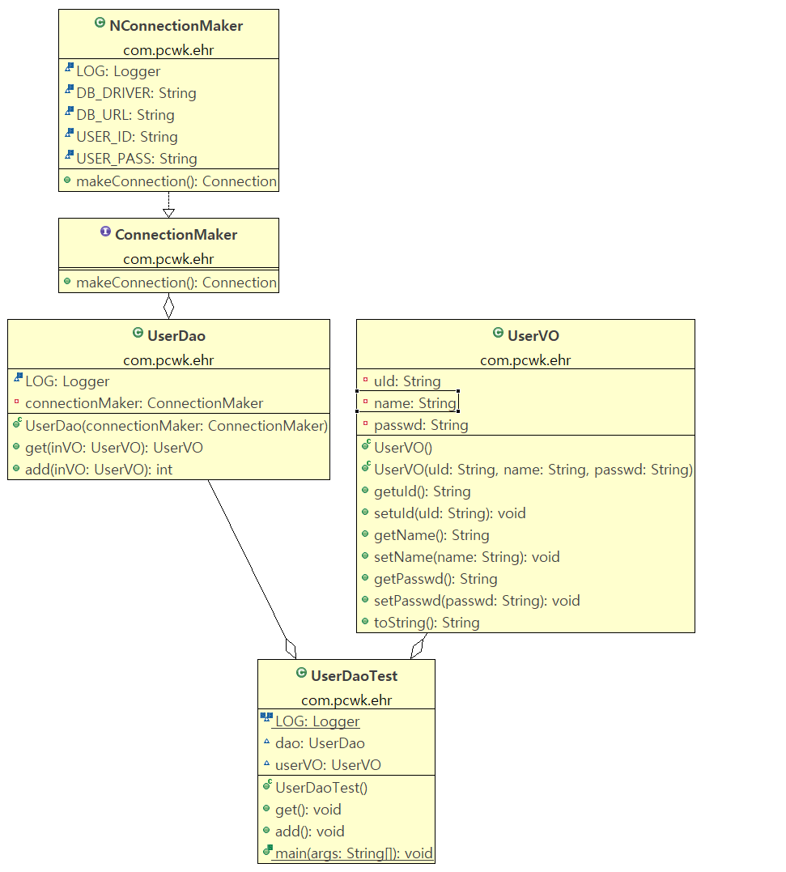
목 차 |  |  | \\192.168.3.101
 | 강사Email : |  | jamesol@paran.com
 | CAFE : |  | https://cafe.daum.net/pcwk
 | Zoom : |  | https://us06web.zoom.us/j/5774287769?pwd=TFVXV3NkZkFnVWZ3NlVSVERZK0lZdz09
 | Slack |  | https://join.slack.com/t/slack-05r6316/shared_invite/zt-12h1if6yq-TCrMZZJtNbyjh93BGBnNAA
 | 평가 |  | https://itsc.cafe24.com/
 | 긍정의 마음으로 살자

 |  | DB 생성
 |  |  | SPRING/pcwk_spring
 |  |  | DB IP : 192.168.3.101

 |  |  |  | CREATE TABLE HR_MEMBER(
 |  |  |  |  | U_ID VARCHAR2(20 BYTE) NOT NULL,
 |  |  |  |  | NAME VARCHAR2(50 CHAR),
 |  |  |  |  | PASSWD VARCHAR2(50 BYTE),
 |  |  |  |  | CONSTRAINT PK_HR_MEMBER PRIMARY KEY(U_ID)
 |  |  |  | );

 |  |  | pom.xml(Oracle JDBC Lib)
 |  |  | <!-- lib version관리 -->
 |  |  | <junit-version>4.13.1</junit-version>
 |  |  | <log4j-core-version>2.17.2</log4j-core-version>
 |  |  | <ojdbc8-version>18.3.0.0</ojdbc8-version>
 |  |  | </properties>

 |  |  |  | <dependency>
 |  |  |  | <groupId>com.oracle.database.jdbc</groupId>
 |  |  |  | <artifactId>ojdbc8</artifactId>
 |  |  |  | <version>18.3.0.0</version>
 |  |  |  | </dependency>

 |  | log4j2.xml
 |  |  | <?xml version="1.0" encoding="UTF-8"?>
 |  |  | <Configuration status="INFO">
 |  |  | <!-- 해당 설정파일에서 사용하는 프로퍼티-->
 |  |  | <Properties>
 |  |  | <Property name="logNm">Spring Log4j2 PCWK</Property>
 |  |  | <Property name="layoutPattern">[%d{yyyy-MM-dd HH:mm:ss.SSS}] %-5p %C{1}.%M(%F:%L) - %m%n</Property>
 |  |  | </Properties>
 |  |  | <!-- LogEvent를 전달해주는 Appender-->
 |  |  | <Appenders>
 |  |  | <Console name="Console_Appender" target="SYSTEM_OUT">
 |  |  | <PatternLayout pattern="${layoutPattern}"/>
 |  |  | </Console>
 |  |  | <RollingFile name="File_Appender" fileName="logs/${logNm}.log" filePattern="logs/${logNm}_%d{yyyy-MM-dd}_%i.log.gz">
 |  |  | <PatternLayout pattern="${layoutPattern}"/>
 |  |  | <Policies>
 |  |  | <SizeBasedTriggeringPolicy size="200KB"/>
 |  |  | <TimeBasedTriggeringPolicy interval="1"/>
 |  |  | </Policies>
 |  |  | <DefaultRolloverStrategy max="10" fileIndex="min"/>
 |  |  | </RollingFile>
 |  |  | </Appenders>
 |  |  | <!-- 실제 Logger-->
 |  |  | <Loggers>
 |  |  | <Root level="DEBUG" additivity="false">
 |  |  | <AppenderRef ref="Console_Appender"/>
 |  |  | <AppenderRef ref="File_Appender"/>
 |  |  | </Root>
 |  |  | <Logger name="org.springframework" level="INFO"
 |  |  | additivity="false">
 |  |  | <AppenderRef ref="Console_Appender" />
 |  |  | <AppenderRef ref="File_Appender"/>
 |  |  | </Logger>
 |  |  | <Logger name="com.fucct" level="INFO" additivity="false">
 |  |  | <AppenderRef ref="Console_Appender" />
 |  |  | <AppenderRef ref="File_Appender"/>
 |  |  | </Logger>
 |  |  | <Logger name="com.fucct.springlog4j2.loggertest" level="TRACE" additivity="false">
 |  |  | <AppenderRef ref="Console_Appender" />
 |  |  | </Logger>
 |  |  | </Loggers>
 |  |  | </Configuration>

 |  | S_SH02_02

 |  |  | N사와 D사에 본 프로그램 납품
 |  |  |  |  |  | <<추상클래스>>
UserDao
UserDao
add();
get();
getConnection();

NUserDao
getConnection();
DUserDao
getConnection();

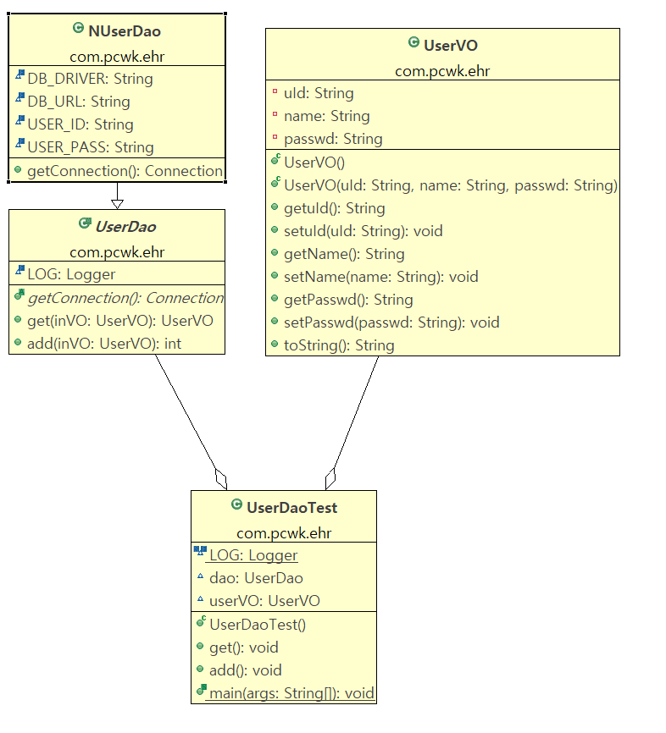

 |  |  | Dao확장
 |  |  |  | 자바는 단일 상속이므로 상속을 통한 확장에는 한계가 있다.

UserDao
add();
get();
SimpleConnectionMaker
getConnection();

 |  |  |  | UserDao와 SimpleConnectionMaker가 강한 결합을 이루고 있다.
 |  |  |  | (N사와 D사에 납품시 문제 발생)

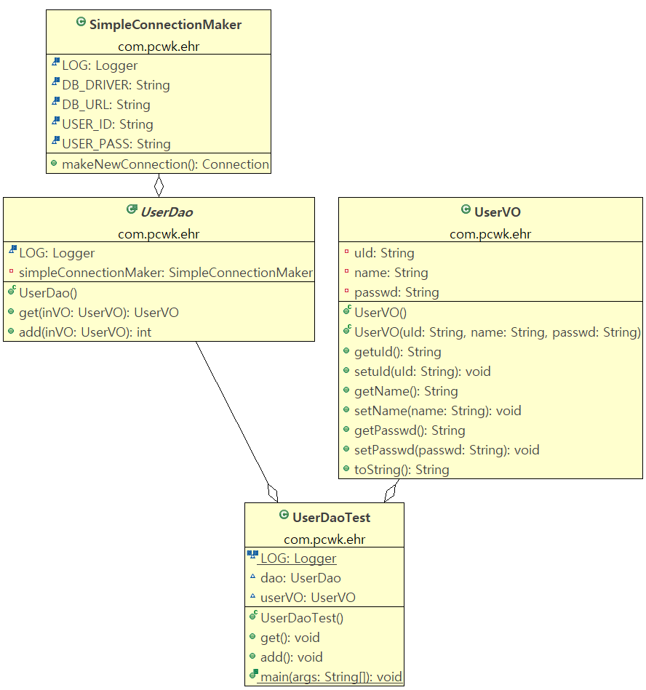

 |  | S_SH03_01
 |  |  | 인터페이스 도입을 통한 강한 결합 문제 해결
 |  |  | (UserDao는 NConnectionMaker를 알지 못한다.)
ConnectionMaker
<<interface>>
makeConnection();
UserDao
add();
get();

NConnectionMaker
makeConnection();
DConnectionMaker
makeConnection();

환경설정_20220525
목 차 |  |  | \\192.168.3.101
 | 강사Email : |  | jamesol@paran.com
 | CAFE : |  | https://cafe.daum.net/pcwk
 | Zoom : |  | https://us06web.zoom.us/j/5774287769?pwd=TFVXV3NkZkFnVWZ3NlVSVERZK0lZdz09
 | Slack |  | https://join.slack.com/t/slack-05r6316/shared_invite/zt-12h1if6yq-TCrMZZJtNbyjh93BGBnNAA
 | 평가 |  | https://itsc.cafe24.com/
 | 긍정의 마음으로 살자

 |  | SPRING 핵심 가치
 |  |  | OOP, Test(JUnit)

 |  |  | 전자정부 프레임, anyframe, ...

 |  | SPRING 개념
 |  |  | 1. IoC(제어의 역전)
 |  |  | 2. DI(의존관계의 주입)
 |  |  | 3. AOP(관점지향 프로그래밍)

 |  | 개발환경
 |  |  | tool : STS
 |  |  | build, lib : Maven
 |  |  | DB계정 생성

 |  |  |  | 전자정부 아키텍처
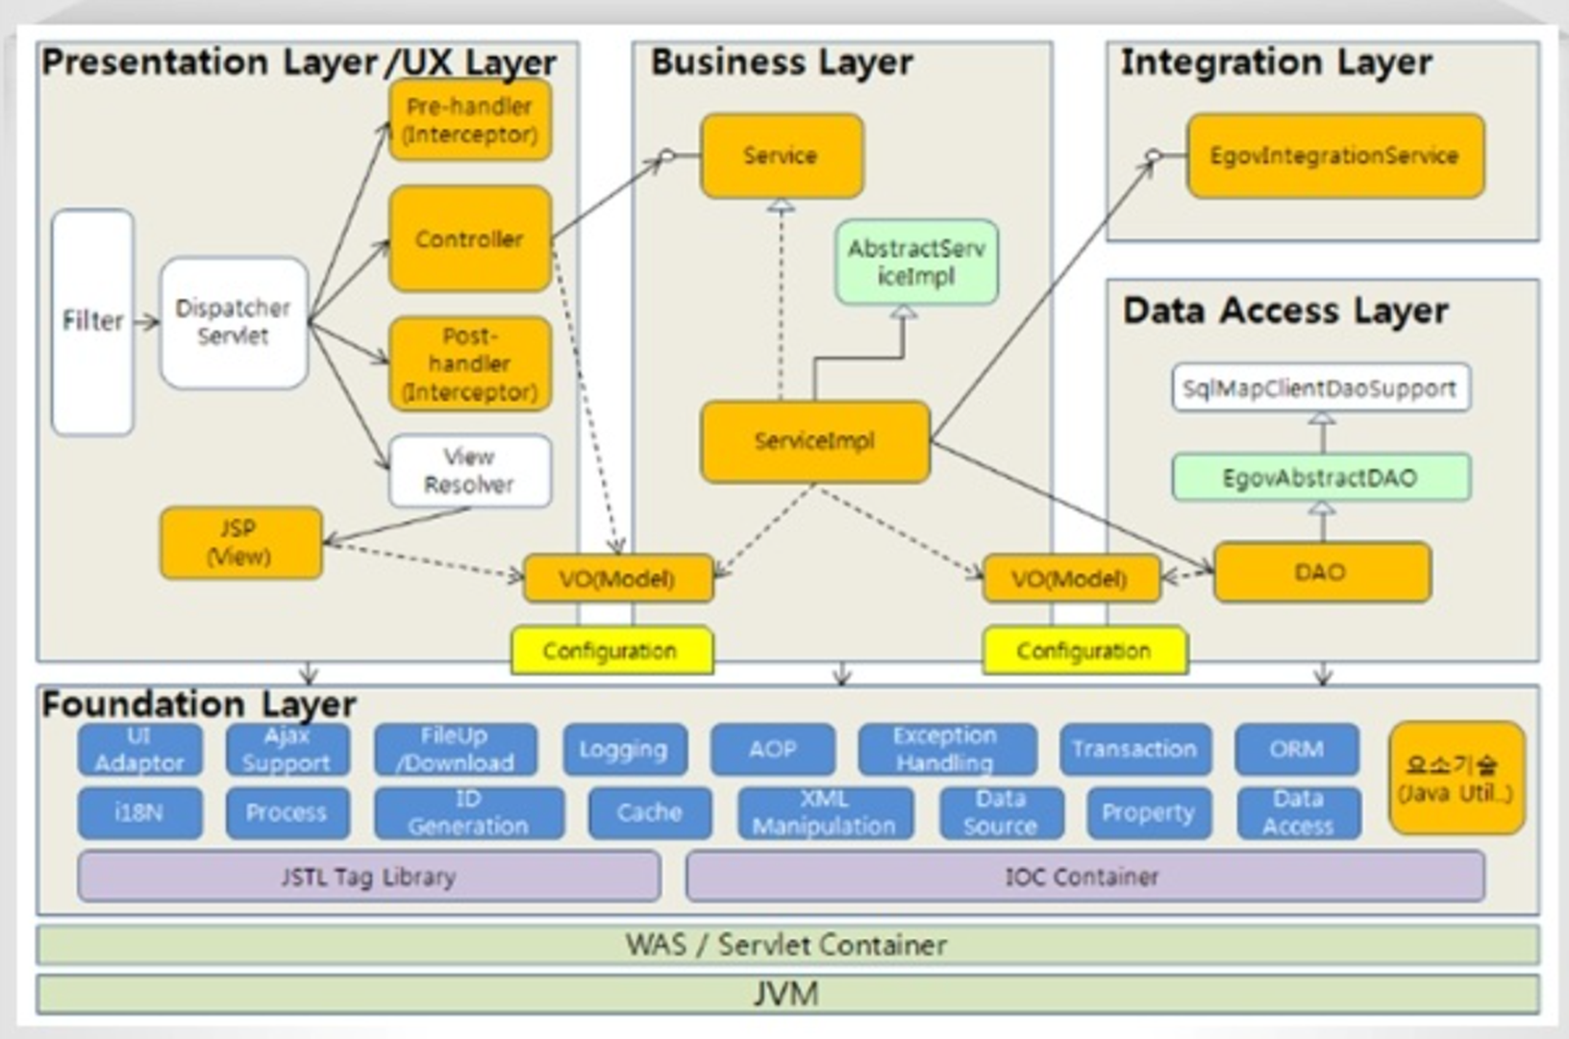

 |  |  |  | STS Download URL
 |  |  |  |  | https://github.com/spring-projects/toolsuite-distribution/wiki/Spring-Tool-Suite-3

 |  |  |  | DB 계정 생성
 |  |  |  |  | SPRING/pcwk_spring

 |  |  |  |  | tablespace
 |  |  |  |  |  | SPRING_TS |  |  | C:\APP\JOOHE\PRODUCT\18.0.0\ORADATA\XE\SPRING_TS

 |  |  |  |  | 실습
 |  |  |  |  |  | sqlplus접근 |  |  | sqlplus /nolog
 |  |  |  |  |  | 권한 변경 |  |  | conn /as sysdba

 |  |  |  |  |  | 테이블스페이스 정보 확인
 |  |  |  |  |  |  |  | SQL> col tablespace_name for a10
 |  |  |  |  |  |  |  | SQL> col file_name for a50
 |  |  |  |  |  |  |  | SQL> SELECT tablespace_name,
 |  |  |  |  |  |  |  | 2 bytes/1024/1024 mb,
 |  |  |  |  |  |  |  | 3 file_name
 |  |  |  |  |  |  |  | 4 FROM dba_data_files;

 |  |  |  |  |  |  |  | 결과
 |  |  |  |  |  |  |  | TABLESPACE MB FILE_NAME
 |  |  |  |  |  |  |  | ---------- ---------- --------------------------------------------------
 |  |  |  |  |  |  |  | SYSTEM 850 C:\APP\JOOHE\PRODUCT\18.0.0\ORADATA\XE\SYSTEM01.DB
 |  |  |  |  |  |  |  | F

 |  |  |  |  |  |  |  | SYSAUX 630 C:\APP\JOOHE\PRODUCT\18.0.0\ORADATA\XE\SYSAUX01.DB
 |  |  |  |  |  |  |  | F

 |  |  |  |  |  |  |  | UNDOTBS1 335 C:\APP\JOOHE\PRODUCT\18.0.0\ORADATA\XE\UNDOTBS01.D
 |  |  |  |  |  |  |  | BF

 |  |  |  |  |  |  |  | USERS 361.25 C:\APP\JOOHE\PRODUCT\18.0.0\ORADATA\XE\USERS01.DBF
 |  |  |  |  |  |  |  | GOODMAN_TS 300 C:\APP\JOOHE\PRODUCT\18.0.0\ORADATA\XE\GOOMAN01.DB

 |  |  |  |  |  |  |  | TABLESPACE MB FILE_NAME
 |  |  |  |  |  |  |  | ---------- ---------- --------------------------------------------------
 |  |  |  |  |  |  |  | F

 |  |  |  |  |  |  |  | PREV_HW_TS 300 C:\APP\JOOHE\PRODUCT\18.0.0\ORADATA\XE\PREV_HW_TS.
 |  |  |  |  |  |  |  | DBF

 |  |  |  |  |  |  |  | GOODMAN 300 C:\APP\JOOHE\PRODUCT\18.0.0\ORADATA\XE\GOODMAN.DBF
 |  |  |  |  |  |  |  | GOOD 300 C:\APP\JOOHE\PRODUCT\18.0.0\ORADATA\XE\GOODMAN02.D
 |  |  |  |  |  |  |  | BF

 |  |  |  |  |  | 테이블스페이스 생성
 |  |  |  |  |  |  |  | SPRING_TS |  | C:\APP\JOOHE\PRODUCT\18.0.0\ORADATA\XE\SPRING_TS

 |  |  |  |  |  | 계정생성

 |  |  |  |  |  |  | 12c 이전 방법으로 계정 생성
 |  |  |  |  |  |  |  | ALTER SESSION SET "_ORACLE_SCRIPT" =true;

 |  |  |  |  |  |  | 아이디/비번 생성
 |  |  |  |  |  |  |  | CREATE USER SPRING IDENTIFIED BY pcwk_spring
 |  |  |  |  |  |  |  | default tablespace SPRING_TS
 |  |  |  |  |  |  |  | temporary tablespace temp;

 |  |  |  |  |  |  | 권한 부여
 |  |  |  |  |  |  |  | GRANT CONNECT, RESOURCE, CREATE VIEW, DBA TO SPRING;

 |  |  |  |  |  | MAVEN
 |  |  |  |  |  |  | MAVEN_HOME |  |  | C:\apache-maven-3.8.5
 |  |  |  |  |  |  | PATH |  |  | C:\apache-maven-3.8.5\bin

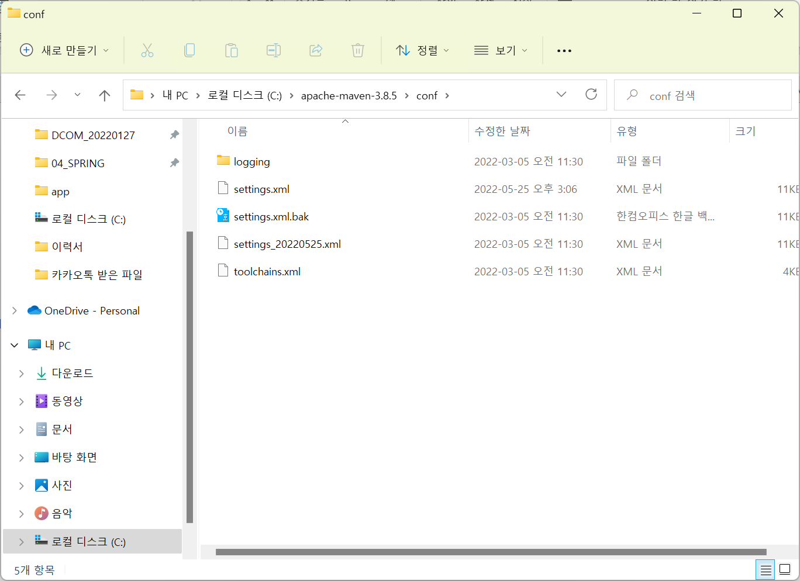

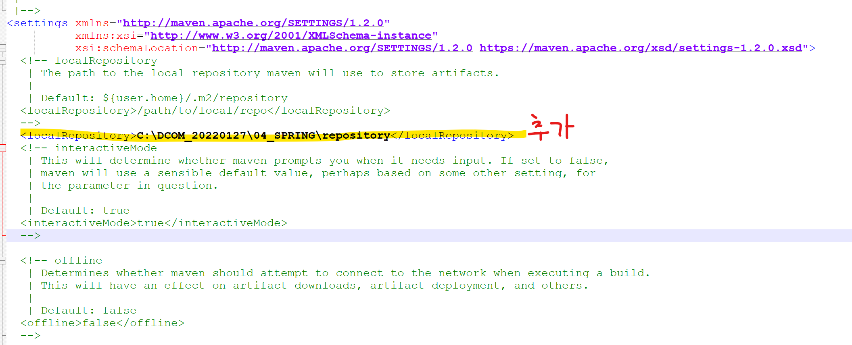

 |  |  |  |  |  | maven 프로젝트 생성
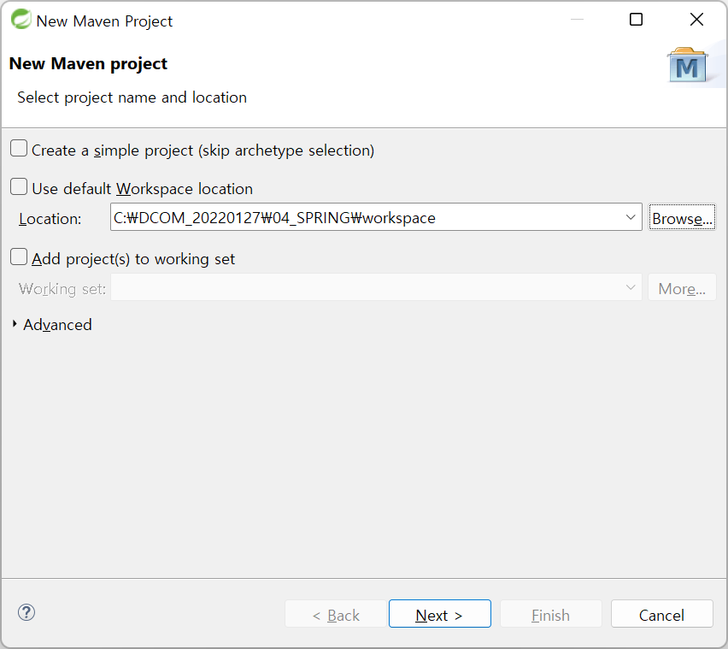

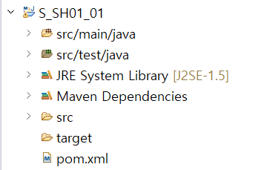
JAVA소스

TEST(JUnit)

LIB

LIB/BUILD

