Proforma Invoice
HONG KONG UNICORN TECHNOLOGY LIMITED

RM A07.1701-02, New Trend Centre, 704 Prince Edward Rd East, San Po Kong, Hong Kong
Contact: Joy Kim | joy@unicornsemi.com | (+86) 177-2781-0735

PROFORMA INVOICE

Invoice No.: |  |  | UNI2026031018
Date: |  |  | 2026-03-10

BILL TO
Company: |  | Braintech Co., Ltd.
Contact: |  | Sungwook Park
Email: |  | ygwspark@braintechco.com
Phone: |  | +82) 010-2873-8923
Address: |  | 5th Floor, 82, Pajang-ro, Jangan-gu, Suwon-si, Gyeonggi-do, Korea

# | Part No. | Manufacturer | D/C | Qty | L/T | Unit Price (USD) | Total Amount (USD)
1 | PIC16F72-I/SP | MICROCHIP | 23+ | 1,520 | 1~3days | 0.97 | 1,474.40
Total Amount: |  |  |  |  |  |  | 1,474.40

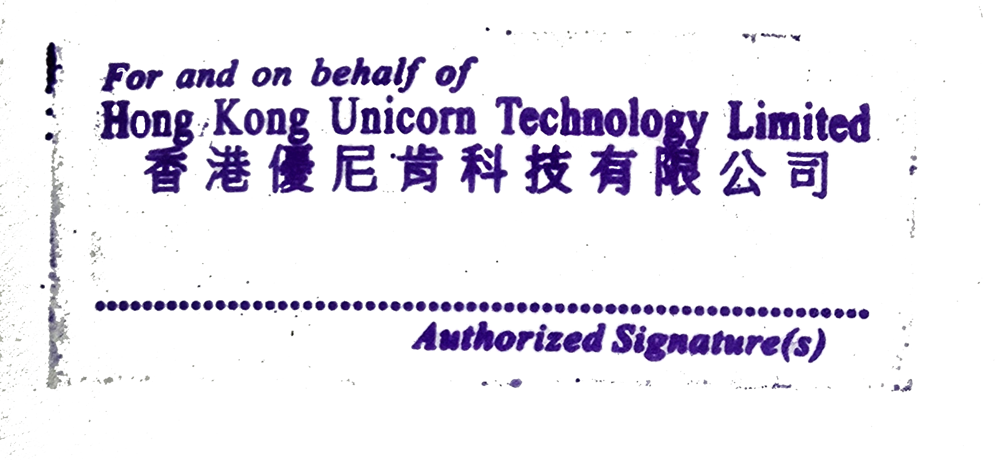
TERMS & CONDITIONS
1. Currency: USD
2. Trade Terms: DAP – Delivered at Place
3. Payment time: Payment before shipment
4. Quality Warranty: 1 year from delivery date
5. This PI requires company stamp/seal before confirmation

PAYMENT METHOD – BANK TRANSFER
Account number：79969000638306 Account name：Hong Kong Unicorn Technology Limited SWIFT/BIC code：DHBKHKHH Bank name：DBS Bank (Hong Kong) Limited Bank address：11th Floor, The Center, 99 Queen's Road Central, Central, Hong Kong Country/region：Hong Kong (China) Account type：Business Account Sort code：016 Branch code：478

THANK YOU FOR YOUR BUSINESS!

