Proforma Invoice
HONG KONG UNICORN TECHNOLOGY LIMITED

RM A07.1701-02, New Trend Centre, 704 Prince Edward Rd East, San Po Kong, Hong Kong
Contact: Joy Kim | joy@unicornsemi.com | (+86) 177-2781-0735

PROFORMA INVOICE

Invoice No.: |  |  | UNI2025110501
Date: |  |  | 2025-11-05

BILL TO
Company: |  | TAEJU CO., LTD.
Contact: |  | Donghyun Kim
Email: |  | kdh@taeju.net
Phone: |  | +82) 010-4168-7778
Address: |  | 908, 301, 397, Seokcheon-ro, Bucheon-si, Gyeonggi-do, Republic of Korea

# | Part No. | Manufacturer | D/C | Qty | L/T | Unit Price (KRW) | Total Amount (KRW)
1 | TLP3109A(TP,F) | TOSHIBA | Within 4year | 2500 | 1-3 days | 4,050
2 | CPA2512E27R0FS-T10 | SUSUMU | Within 4year | 2000 | 2-3 wks | 3,250
TOTAL AMOUNT

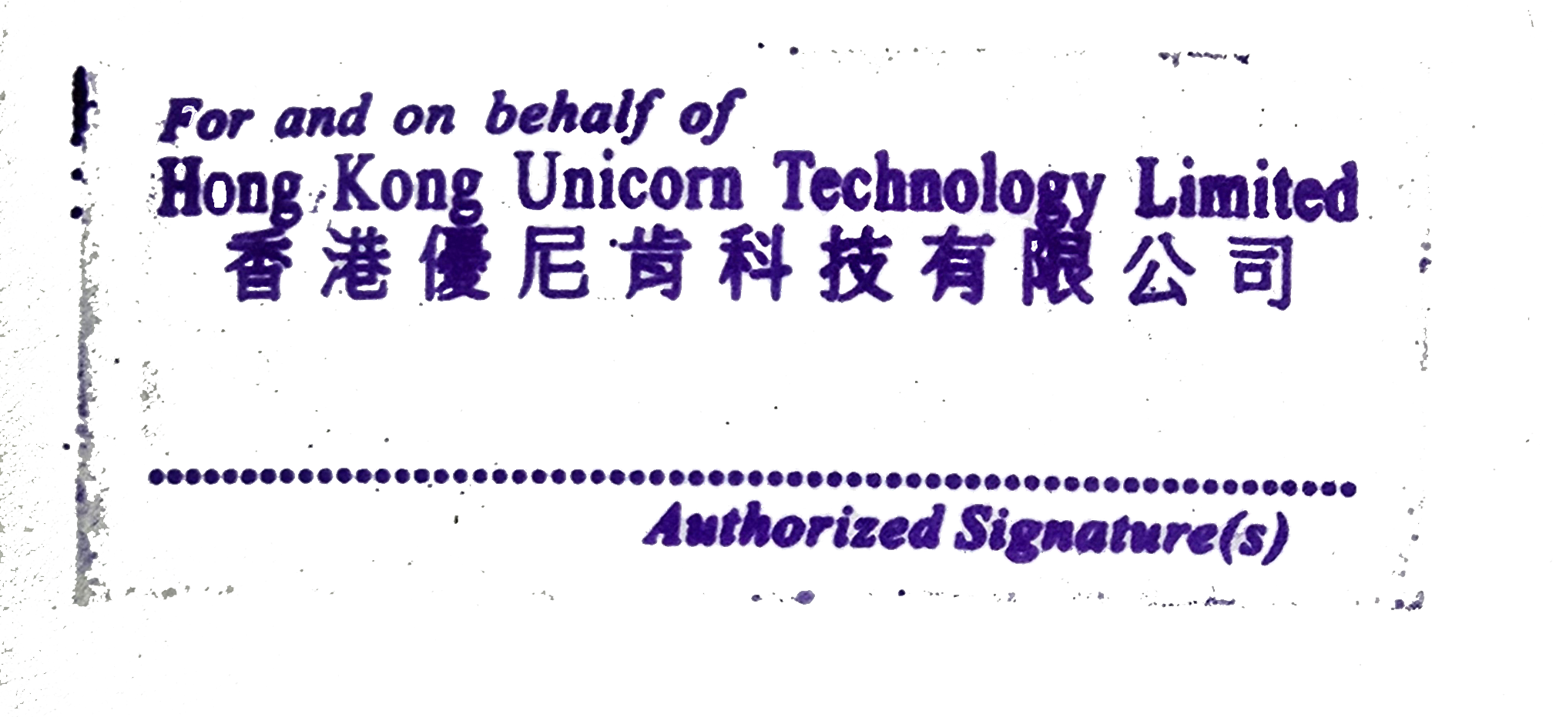
TERMS & CONDITIONS
1. Currency: KRW
2. Trade Terms: DAP – Delivered at Place
3. Payment time: The next month after receiving the goods
4. Quality Warranty: 1 year from delivery date
5. This PI requires company stamp/seal before confirmation

PAYMENT METHOD – BANK TRANSFER
Account Number: |  |  | 06201739597884
Account Name: |  |  | Hong Kong Unicorn Technology Limited
Bank Code: |  |  | 003
Bank Name: |  |  | IBK - Industrial Bank of Korea
Bank Address: |  |  | 91, Ogeum-ro, Songpa-gu, Seoul, Korea Industrial Bank of Korea Jamsil Branch
Country/Region: |  |  | Korea
Type of Account: |  |  | Business account

THANK YOU FOR YOUR BUSINESS!

