Sheet1
COMMERCIAL INVOICE
Invoice No. | UNI2026012101 |  |  | Invoice Date | 2026-01-21
Country of Origin | CHINA
Shipper Information (发货人)
Company 公司 | HONG KONG UNICORN TECHNOLOGY LIMITED
Contact 联系人 | Joy Kim |  |  | TEL 电话 | +86 177-2781-0735
Address 详细地址 | Room 701, Unit 108B, 7/F, TowerB New Mandarin Plaza 14 Science Museum Road, Tsim Sha Tsui, Kowloon, Hong Kong
Consignee Information (收货人)
Company 公司 | [客户公司名] |  |  | Contact 联系人 | [联系人]
Country 目的国 | [国家] |  |  | TEL 电话 | [电话]
Address 详细地址 | [地址]
NO. | DESCRIPTION OF GOODS 品类 | Part No 型号 | HS Code 海关编码 | Qty (pcs) 数量 | Unit Price(JPY) 单价 | Total (JPY) 总价
1 | 集成电路/IC | TSX-3225 24.0000MF10Z-C3 | 8542399000 | 2,000 | 176 | 352,000
2 | 集成电路/IC | CL31A106KBHNNNE | 8542399000 | 2,000 | 13 | 26,000
3 | 集成电路/IC | MAKK2016T3R3M | 8542399000 | 3,000 | 33 | 99,000
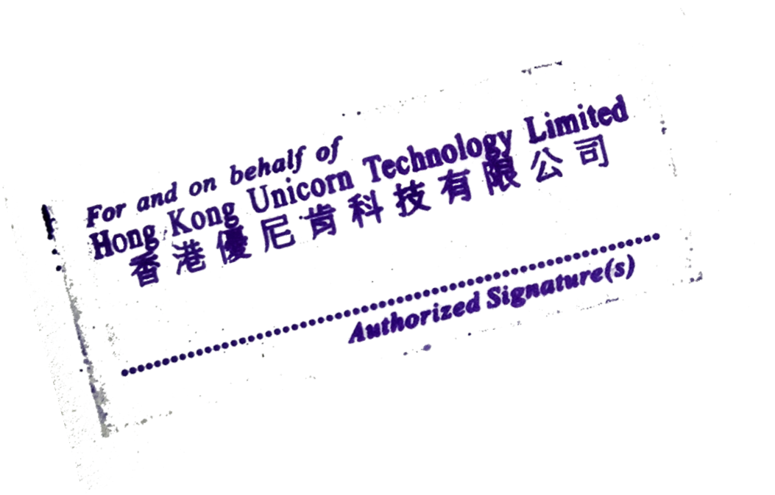
 |  |  | Total Qty: | 7,000
Total invoice amount: |  |  |  |  |  | 477,000
SHIPPER'S SIGNATURE & STAMP:

