Sheet
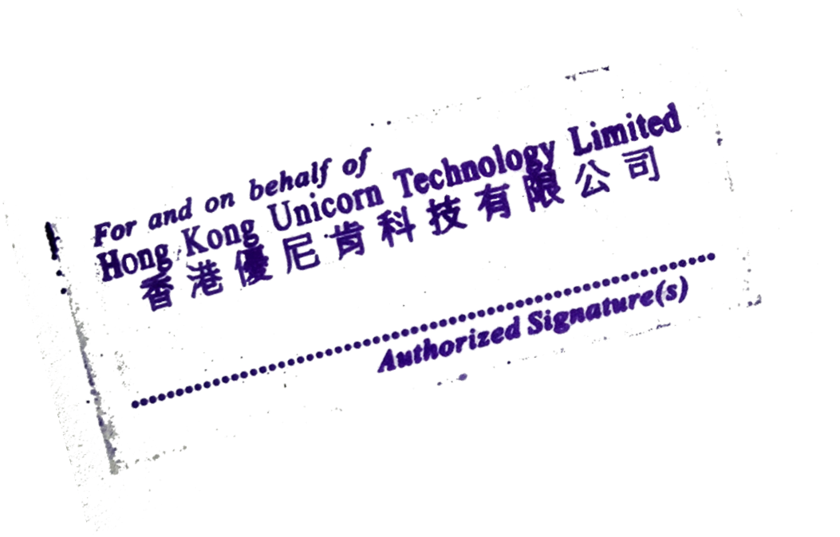
 | Total Qty: | 7,000
Total invoice amount: |  |  | 477,000
SHIPPER'S SIGNATURE & STAMP:

