quotation
 |  |  |  | HONG KONG UNICORN TECHNOLOGY LIMITED

 |  |  |  | Address: | Room 701, Unit 108, 7/F,TowerB New Mandarin Plaza 14 ScienceMuseum Road,Tsim Sha Tsui, Kowloon, Hong Kong

 |  |  |  | Contact Person: | Joy Kim
 |  |  |  | Email: | joy@unicornsemi.com
 |  |  |  | Phone Number: | (+86) 177-2781-0735
Proforma Invoice
Customer |  |  |  |  |  | Date: | 2026-01-21
Name: | Donghyun Kim |  |  |  |  | Invoice No. | UNI2026012102
Company Name: | TAEJU CO.,LTD .
Address: | 908, 301, 397, Seokcheon-ro, Bucheon-si, Gyeonggi-do, Republic of Korea

Email: | kdh@taeju.net
Phone Number: | +82) 010-4168-7778
Item | Part No. | Maker | QTY | D/C | L/T | price/unit（KWR） | Total amount （KWR）
1 | TSX-3225 24.0000MF10Z-C3 | EPSON | 2000 | 4년내 | 1wks | ₩176 | ₩352,000
2 | CL31A106KBHNNNE | Samsung | 2000 | 4년내 | 1wks | ₩13 | ₩26,000
3 | MAKK2016T3R3M | Taiyo Yuden | 3000 | 4년내 | 1wks | ₩33 | ₩99,000
 |  |  |  |  | Total amount： |  | ₩477,000
TERMS & CONDITIONS
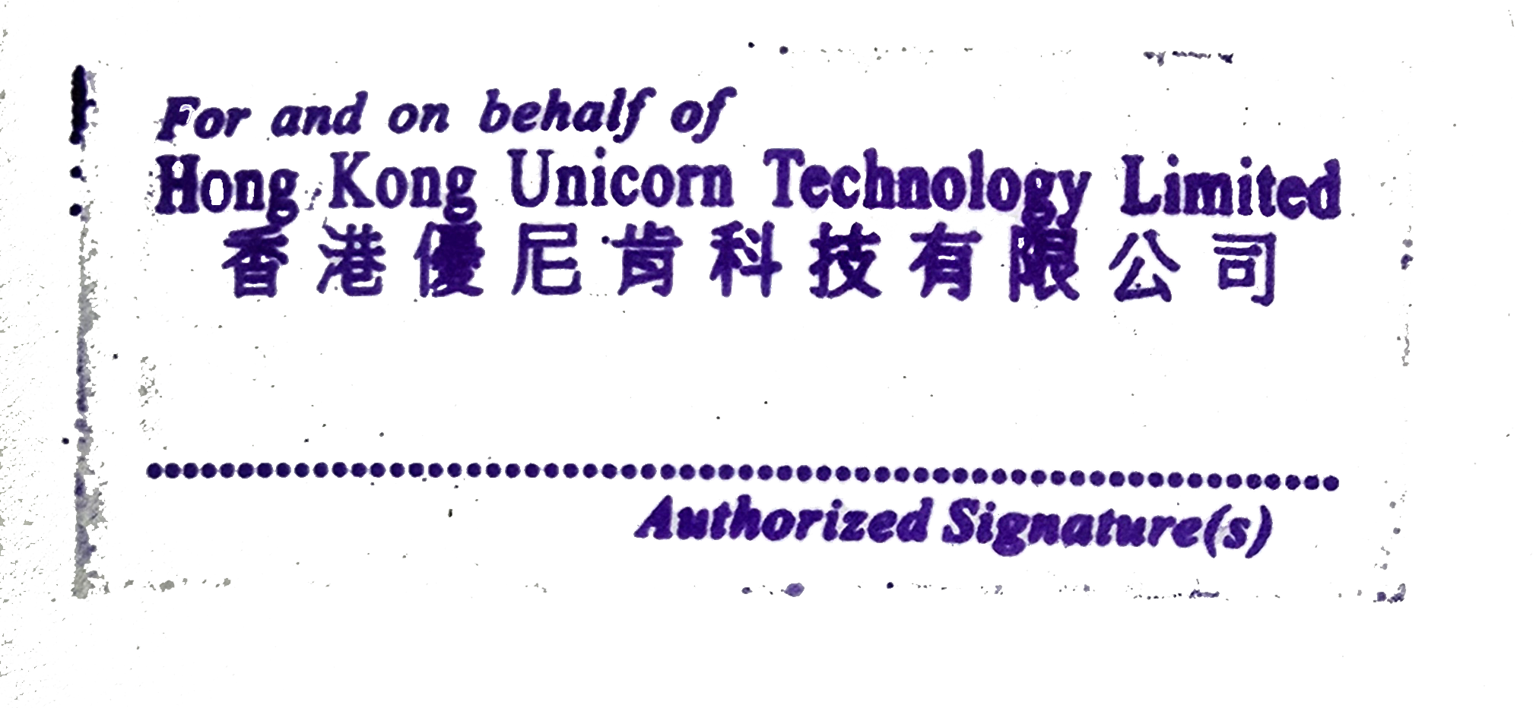 1.Currency:KWR 2.Trade Terms: DAP-Delivered at Place 3.Payment time:The next month after receiving the goods 4.Quality warrantey: 1 year date deliver 5.The PI needs to be stamped

PAYMENT METHOD
Bank Tansfer: | Account Number: 06201739597884 Account Name: Hong Kong Unicorn Technology Limited Bank Code: 003 Bank Name: IBK - Industrial Bank of Korea Bank Address: 91, Ogeum-ro, Songpa-gu, Seoul, Korea Industrial Bank of Korea Jamsil Branch Country/Region: Korea Type of Account: Business account

Please be noted that if you want to choose bank transfer, bank charge will be paid by your side .
THANK YOU FOR YOUR BUSINESS!

