Charts
Averages Per Class - 2019
2019 Averages - Test

Grade | Average | No. Students | No. Passed | No. Failed
8A | 80 | 30 | 20 | 10
8B | 62.5 | 30 | 18 | 12
9A | 85 | 35 | 32 | 3
9B | 80 | 35 | 30 | 5
10A | 80 | 30 | 20 | 10
10B | 75 | 30 | 18 | 12
11A | 90 | 35 | 32 | 3
11B | 81 | 35 | 30 | 5
Total |  | 260 | 200 | 60

Average | Total
79.1875 | 100

Averages Per Class - 2020
2020 Averages - Test

Grade | Average | No. Students | No. Passed | No. Failed
8A | 80 | 30 | 20 | 10
8B | 70 | 30 | 18 | 12
9A | 85 | 35 | 32 | 3
9B | 90 | 35 | 30 | 5
10A | 80 | 30 | 20 | 10
10B | 75 | 30 | 18 | 12
11A | 85 | 35 | 32 | 3
11B | 90 | 35 | 30 | 5
Total |  | 260 | 200 | 60

Average | Total
81.875 | 100

Screen
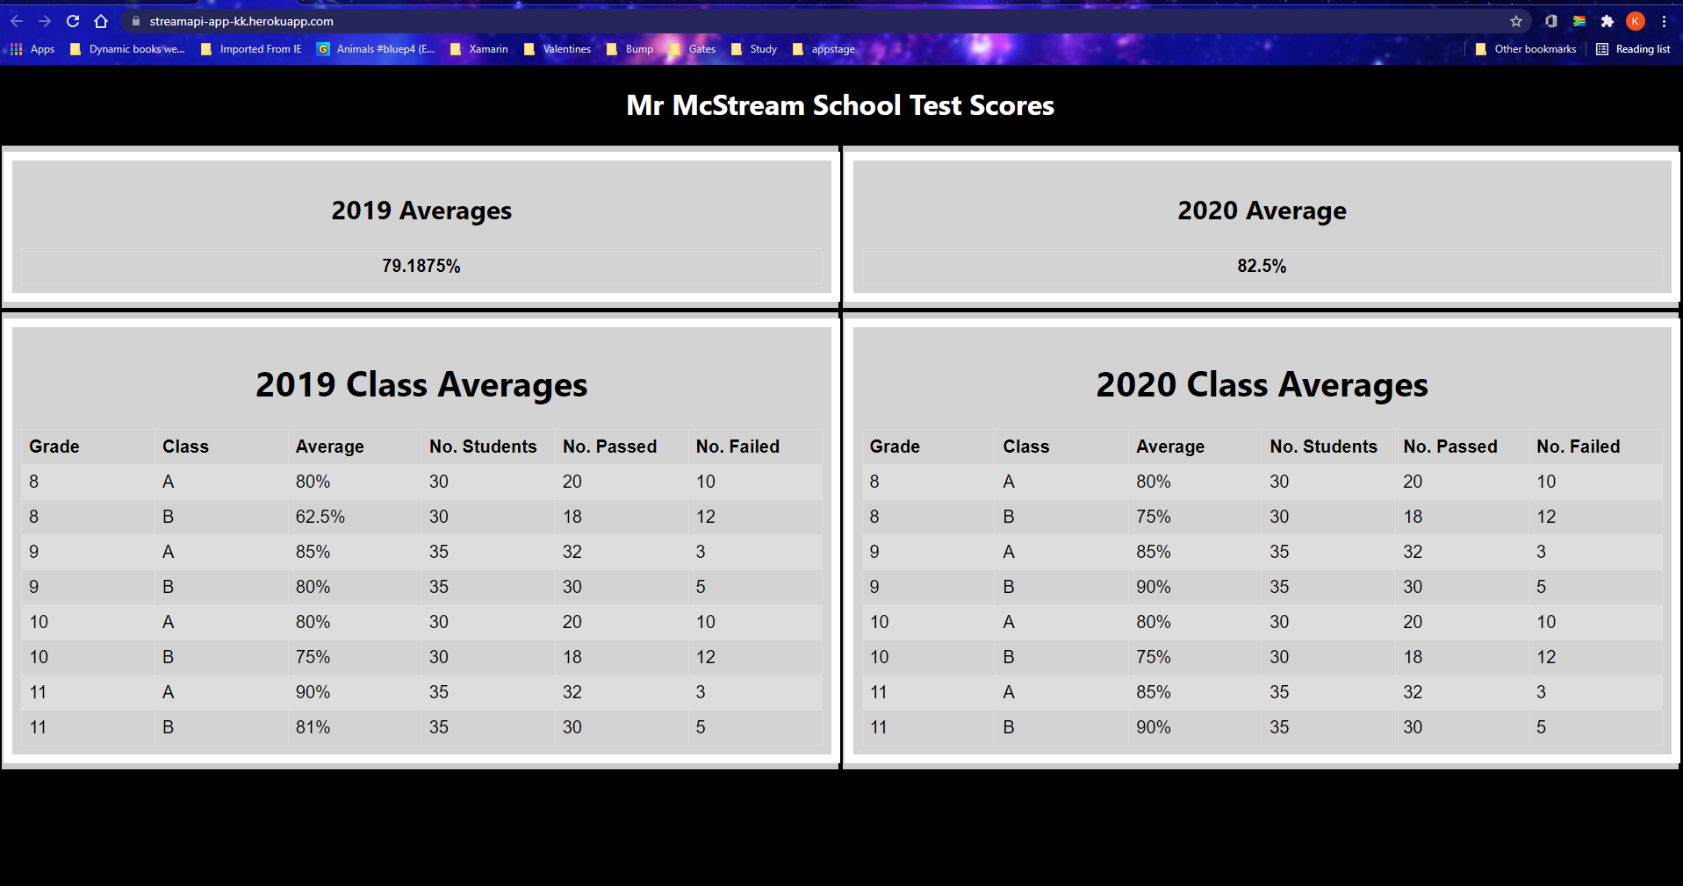
Static Screen - to show average test scores per class and well as a school average

