table-page
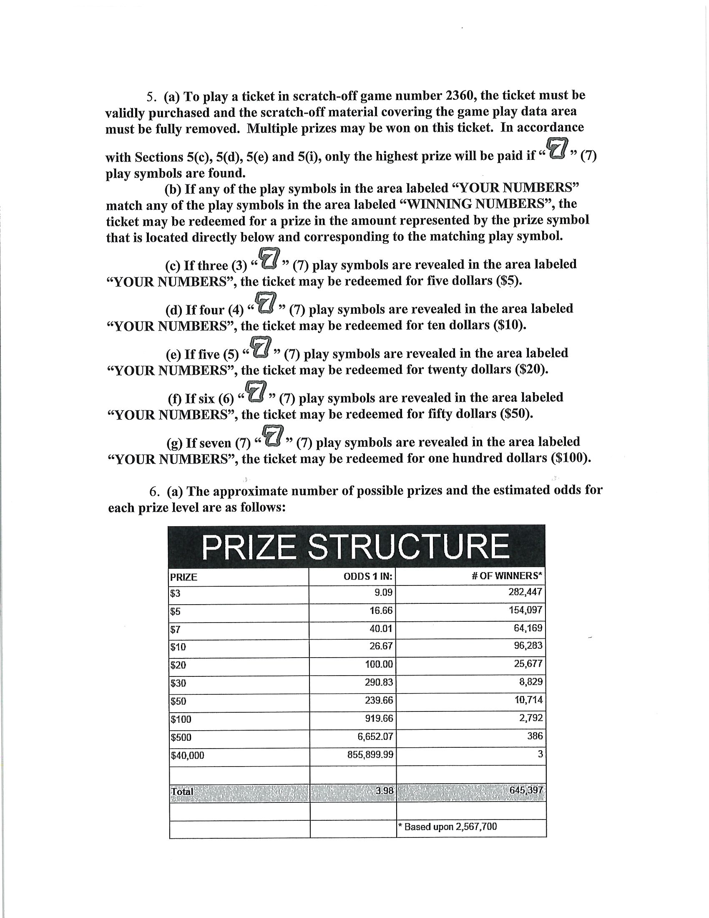
PRIZE | ODDS 1 IN: | # OF WINNERS*
$3 | 9.09 | 282,447
$5 | 16.66 | 154,097
$7 | 40.01 | 64,169
$10 | 26.67 | 96,283
$20 | 100.00 | 25,677
$30 | 290.83 | 8,829
$50 | 239.66 | 10,714
$100 | 919.66 | 2,792
$500 | 6,652.07 | 386
$40,000 | 855,899.99 | 3

Total | 3.98 | 645,397

 |  | * Based upon 2,567,700

