Sheet1
Self-attention
Exercise: Transform 6D Features to 3D Attention Weighted Features

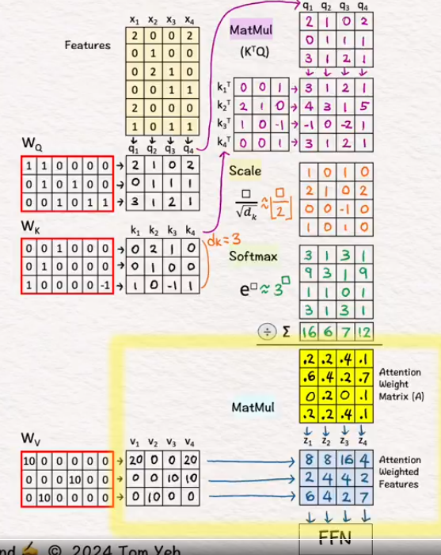
Given : 4 feature vectors (6-D): x1,x2,x3,x4
 |  |  |  |  |  |  |  |  |  |  |  |  |  |  | Copy Query vectors matrix
 |  |  |  |  |  |  | x1 | x2 | x3 | x4 |  |  |  |  | q1 | q2 | q3 | q4
 |  |  |  |  |  |  | 2 | 0 | 0 | 2 |  |  |  |  | 2 | 1 | 0 | 2
 |  |  |  |  |  |  | 0 | 1 | 0 | 0 |  |  |  |  | 0 | 1 | 1 | 1
 |  |  |  |  |  |  | 0 | 2 | 1 | 0 |  |  |  |  | 3 | 2 | 2 | 1
 |  |  |  |  |  |  | 0 | 0 | 1 | 1 | Transpose Key vector |  |  |  | Mat Mult kT x Q
 |  |  |  |  |  |  | 2 | 0 | 0 | 0 | k1T | 0 | 0 | 1 | 3 | 2 | 2 | 1
 |  |  |  |  |  |  | 1 | 0 | 1 | 1 | k2T | 2 | 1 | 0 | 4 | 3 | 1 | 5
 |  |  |  |  |  |  |  |  |  |  | k3T | 1 | 0 | -1 | -1 | -1 | -2 | 1
Use Linear transformation matrices WQ, WK, and WV, to obtain query vectors (q1,q2,q3,q4), key vectors (k1,k2,k3,k4), and value vectors (v1,v2,v3,v4). |  |  |  |  |  |  |  |  |  |  | k4T | 0 | 0 | 1 | 3 | 2 | 2 | 1
 |  |  |  |  |  |  | Query vectors
Wq | Query Matrix |  |  |  |  |  | q1 | q2 | q3 | q4 |  | Scale each element by the square root of dk, which is the dimension of key vectors (dk=3). ↳ The purpose is to normalize the impact of the dk on matching scores, even if we scale dk to 32, 64, or 128. ↳ To simplify hand calculation, we approximate [ □/sqrt(3) ] with [ floor(□/2) ].
 | 1 | 1 | 0 | 0 | 0 | 0 | 2 | 1 | 0 | 2 |  | 0.57735026919 |  |  | 2 | 1 | 1 | 1
 | 0 | 1 | 0 | 1 | 0 | 0 | 0 | 1 | 1 | 1 |  |  |  |  | 2 | 2 | 1 | 3
 | 0 | 0 | 1 | 0 | 1 | 1 | 3 | 2 | 2 | 1 |  |  |  |  | -1 | -1 | -1 | 1
 |  |  |  |  |  |  |  |  |  |  |  |  |  |  | 2 | 1 | 1 | 1
 |  |  |  |  |  |  | Key vectors
Wk | Key Matrix |  |  |  |  |  | k1 | k2 | k3 | k4 |  | Softmax e^x
 | 0 | 0 | 1 | 0 | 0 | 0 | 0 | 2 | 1 | 0 |  |  |  |  | 6 | 3 | 3 | 2
 | 0 | 1 | 0 | 0 | 0 | 0 | 0 | 1 | 0 | 0 |  |  |  |  | 10 | 6 | 2 | 18
 | 1 | 0 | 0 | 0 | 0 | -1 | 1 | 0 | -1 | 1 |  |  |  |  | 1 | 1 | 0 | 2
 |  |  |  |  |  |  | Dim: 3x4 |  |  |  |  |  |  |  | 6 | 3 | 3 | 2

 |  |  |  |  |  |  |  |  |  |  |  | Softmax sum |  |  | 22 | 13 | 8 | 23

 |  |  |  |  |  |  |  |  |  |  |  | Normalize |  |  | 0.2576899252 | 0.25263795837 | 0.37584028967 | 0.076520504582
 |  |  |  |  |  |  |  |  |  |  |  | Attention weight matrix |  |  | 0.4590262009 | 0.45002707089 | 0.21099069278 | 0.77043848625
 |  |  |  |  |  |  |  |  |  |  |  | A |  |  | 0.025593948711 | 0.044697012357 | 0.037328727888 | 0.076520504582
 |  |  |  |  |  |  |  |  |  |  |  |  |  |  | 0.2576899252 | 0.25263795837 | 0.37584028967 | 0.076520504582
 |  |  |  |  |  |  | Value vectors
Wv | Value Matrix |  |  |  |  |  | v1 | v2 | v3 | v4 |  |  |  |  | z1 | z2 | z3 | z4
 | 10 | 0 | 0 | 0 | 0 | 0 | 20 | 0 | 0 | 20 |  | Attention weithed features |  |  | 10.3 | 10.1 | 15.0 | 3.1
 | 0 | 0 | 0 | 10 | 0 | 0 | 0 | 0 | 10 | 10 |  |  |  |  | 2.8 | 3.0 | 4.1 | 1.5
 | 0 | 10 | 0 | 0 | 0 | 0 | 0 | 10 | 0 | 0 |  |  |  |  | 4.6 | 4.5 | 2.1 | 7.7
 |  |  |  |  |  |  |  |  |  |  |  |  |  |  | fed to the position-wise feed forward network in the next layer.

