Level0_Python_In_Excel
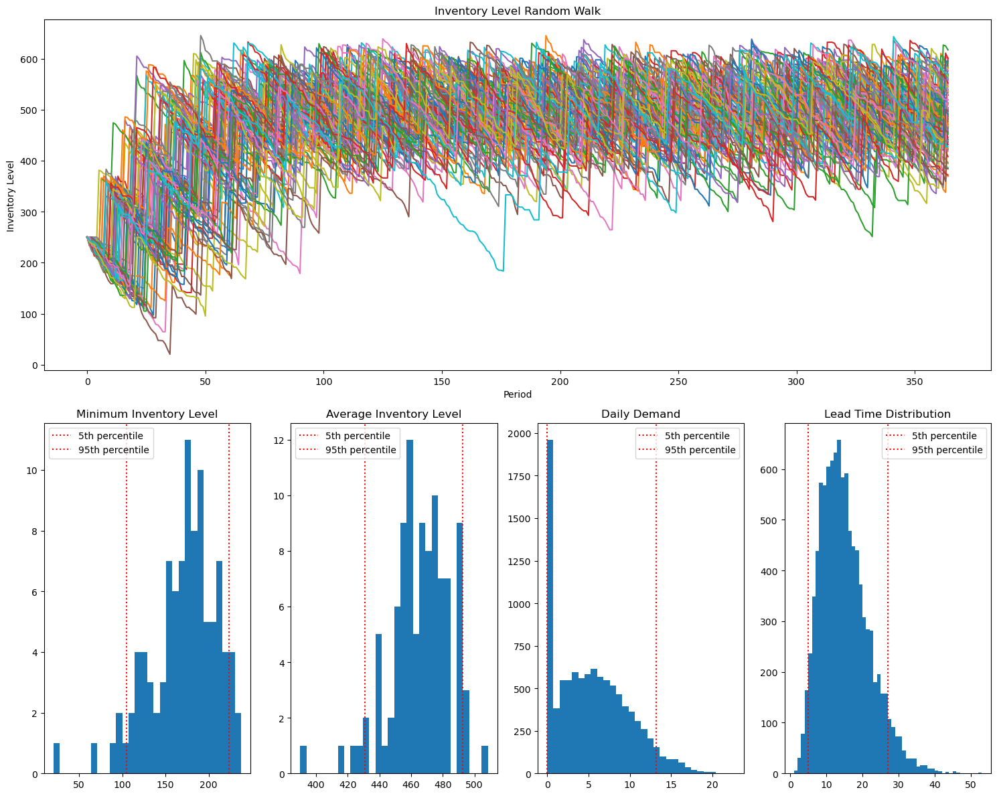

Python In Excel Code:

