image
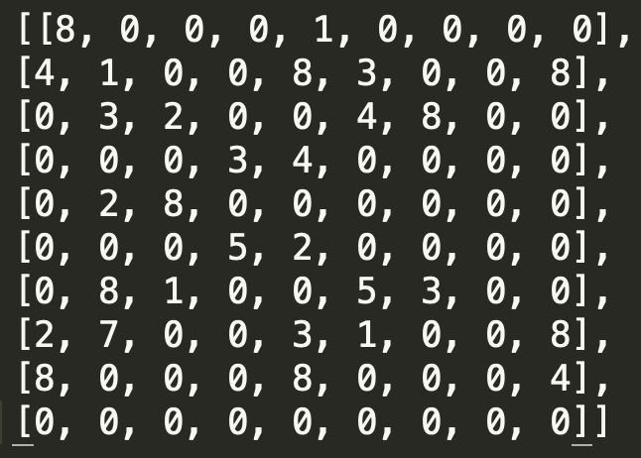
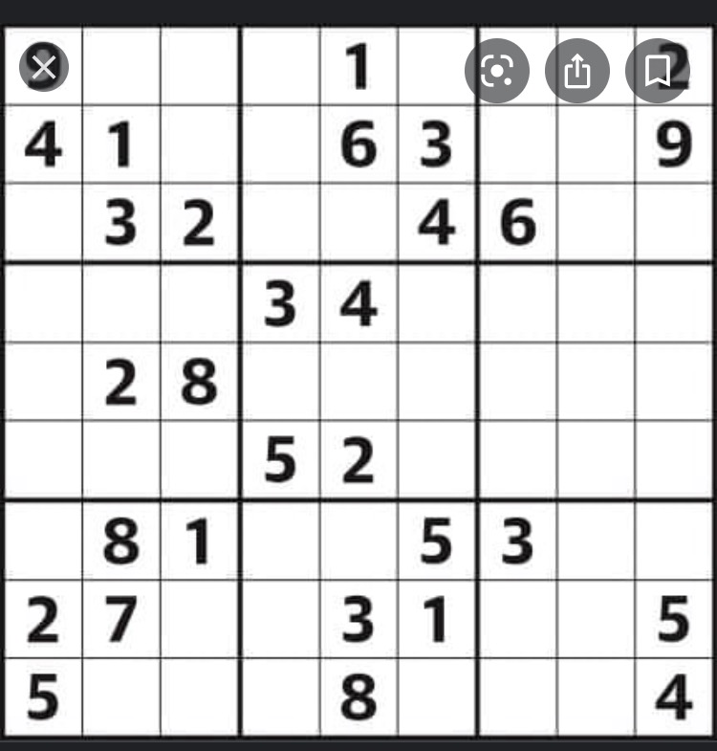
Distance is square | Compare is x * y | Distance is sqrt | Compare is product unless 8. if 8, use y axis.
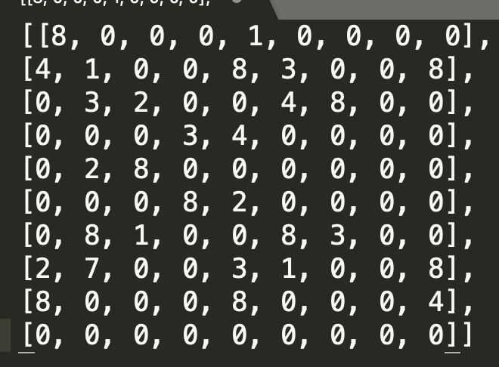
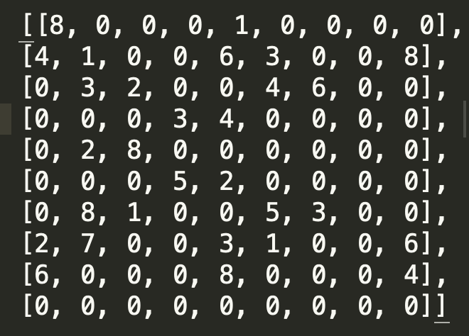

Distance is sqrt | Compare ix x * y

