Sheet1
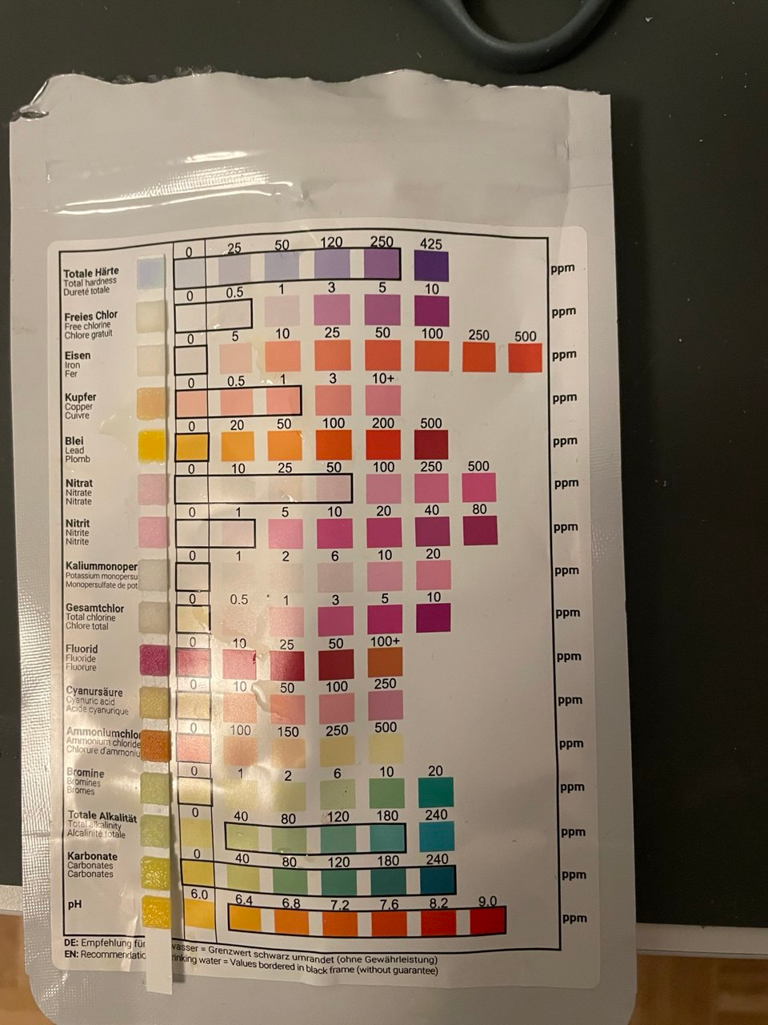
 |  | ppm | NOx/N | mg/L |  |  |  |  |  |  | Basic pH |  | 6.8
 |  | 500
Nitrit | NO2- | 100 | 0.30 | 30 | Type | DBD |  |  |  |  | pH | H+ | ΔH+ | M
Nitrat | NO3- | 400 | 0.23 | 90 |  |  |  |  |  |  | 6.80 | 1.6E-07 | 0.00E+00 | 58.8 | 0 | 0
Total |  |  |  | 121 |  |  |  |  |  |  | 6.70 | 2.0E-07 | 4.10E-08 | 58.8 | 0 | 0
Volume | 5 | l |  |  |  |  |  |  |  |  | 6.60 | 2.5E-07 | 9.27E-08 | 58.8 | 0 | 0
N | 0.6 | g | 3622.7208976 |  |  |  |  |  |  |  | 6.50 | 3.2E-07 | 1.58E-07 | 58.8 | 0 | 0
 |  |  |  |  |  |  |  |  |  |  | 6.40 | 4.0E-07 | 2.40E-07 | 58.8 | 0 | 0
Time | 10 | min |  |  |  |  |  |  |  |  | 6.30 | 5.0E-07 | 3.43E-07 | 58.8 | 0 | 0
Power | 0.3 | kW |  |  |  |  |  |  |  |  | 6.20 | 6.3E-07 | 4.72E-07 | 58.8 | 0 | 0
 |  |  |  |  |  |  |  |  |  |  | 6.10 | 7.9E-07 | 6.36E-07 | 58.8 | 0 | 0
Prototype Energy Efficiency |  |  |  |  |  |  |  |  |  |  | 6.00 | 1.0E-06 | 8.42E-07 | 58.8 | 0 | 0
Energy consuption | 0.050 | kWh/cycle |  |  |  |  |  |  |  |  | 5.90 | 1.3E-06 | 1.10E-06 | 58.8 | 0 | 0
kWh/kg | 82.8 | kWh/kg |  |  |  |  |  |  |  |  | 5.80 | 1.6E-06 | 1.43E-06 | 58.8 | 0 | 0
USD/kWh | 0.05 |  |  |  |  |  |  |  |  |  | 5.70 | 2.0E-06 | 1.84E-06 | 58.8 | 0 | 0
Price | 4.14 |  |  |  |  |  |  |  |  |  | 5.60 | 2.5E-06 | 2.35E-06 | 58.8 | 0 | 0
 |  |  |  |  |  |  |  |  |  |  | 5.50 | 3.2E-06 | 3.00E-06 | 58.8 | 0 | 0
Prototype Production Capacity |  |  |  |  |  |  |  |  |  |  | 5.40 | 4.0E-06 | 3.82E-06 | 58.8 | 0 | 0
N | 0.09 | kg/day |  |  |  |  |  |  |  |  | 5.30 | 5.0E-06 | 4.85E-06 | 58.8 | 0 | 0
 | 32 | kg/year |  |  |  |  |  |  |  |  | 5.20 | 6.3E-06 | 6.15E-06 | 58.8 | 0 | 0
 |  |  |  |  |  |  |  |  |  |  | 5.10 | 7.9E-06 | 7.78E-06 | 58.8 | 0 | 0
 |  |  |  |  |  |  |  |  |  |  | 5.00 | 1.0E-05 | 9.84E-06 | 58.8 | 1 | 1
 |  |  |  |  |  |  |  |  |  |  | 4.90 | 1.3E-05 | 1.24E-05 | 58.8 | 1 | 1
 |  |  |  |  |  |  |  |  |  |  | 4.80 | 1.6E-05 | 1.57E-05 | 58.8 | 1 | 1
 |  |  |  |  |  |  | 0.00158 |  |  |  | 4.70 | 2.0E-05 | 1.98E-05 | 58.8 | 1 | 1
 |  |  |  |  |  |  |  |  |  |  | 4.60 | 2.5E-05 | 2.50E-05 | 58.8 | 1 | 1
 |  |  |  |  |  |  | NO2- | 0.00031697863849 | 46 | 14.581017371 | 4.50 | 3.2E-05 | 3.15E-05 | 58.8 | 2 | 2
 |  |  |  |  |  |  | NO3- | 0.001267914554 | 62 | 78.610702346 | 4.40 | 4.0E-05 | 3.97E-05 | 58.8 | 2 | 2
 |  |  |  |  |  |  |  |  |  |  | 4.30 | 5.0E-05 | 5.00E-05 | 58.8 | 3 | 3
 |  |  |  |  |  |  |  |  |  |  | 4.20 | 6.3E-05 | 6.29E-05 | 58.8 | 4 | 4
 |  |  |  |  |  |  |  |  |  |  | 4.10 | 7.9E-05 | 7.93E-05 | 58.8 | 5 | 5
 |  |  |  |  |  |  |  |  |  |  | 4.00 | 1.0E-04 | 9.98E-05 | 58.8 | 6 | 6
 |  |  |  |  |  |  |  |  |  |  | 3.90 | 1.3E-04 | 1.26E-04 | 58.8 | 7 | 7
 |  |  |  |  |  |  |  |  |  |  | 3.80 | 1.6E-04 | 1.58E-04 | 58.8 | 9 | 9
 |  |  |  |  |  |  |  |  |  |  | 3.70 | 2.0E-04 | 1.99E-04 | 58.8 | 12 | 12
 |  |  |  |  |  |  |  |  |  |  | 3.60 | 2.5E-04 | 2.51E-04 | 58.8 | 15 | 15
 |  |  |  |  |  |  |  |  |  |  | 3.50 | 3.2E-04 | 3.16E-04 | 58.8 | 19 | 19
 |  |  |  |  |  |  |  |  |  |  | 3.40 | 4.0E-04 | 3.98E-04 | 58.8 | 23 | 23
 |  |  |  |  |  |  |  |  |  |  | 3.30 | 5.0E-04 | 5.01E-04 | 58.8 | 29 | 29
 |  |  |  |  |  |  |  |  |  |  | 3.20 | 6.3E-04 | 6.31E-04 | 58.8 | 37 | 37
 |  |  |  |  |  |  |  |  |  |  | 3.10 | 7.9E-04 | 7.94E-04 | 58.8 | 47 | 47
 |  |  |  |  |  |  |  |  |  |  | 3.00 | 1.0E-03 | 1.00E-03 | 58.8 | 59 | 59
 |  |  |  |  |  |  |  |  |  |  | 2.90 | 1.3E-03 | 1.26E-03 | 58.8 | 74 | 74
 |  |  |  |  |  |  |  |  | 0.001585 |  | 2.80 | 1.6E-03 | 1.58E-03 | 58.8 | 93 | 93
 |  |  |  |  |  |  |  |  |  |  | 2.70 | 2.0E-03 | 2.00E-03 | 58.8 | 117 | 117
 |  |  |  |  |  |  |  |  |  |  | 2.60 | 2.5E-03 | 2.51E-03 | 58.8 | 148 | 148
 |  |  |  |  |  |  |  |  |  |  | 2.50 | 3.2E-03 | 3.16E-03 | 58.8 | 186 | 186
 |  |  |  |  |  |  |  |  |  |  | 2.40 | 4.0E-03 | 3.98E-03 | 58.8 | 234 | 234
 |  |  |  |  |  |  |  |  |  |  | 2.30 | 5.0E-03 | 5.01E-03 | 58.8 | 295 | 295
 |  |  |  |  |  |  |  |  |  |  | 2.20 | 6.3E-03 | 6.31E-03 | 58.8 | 371 | 371
 |  |  |  |  |  |  |  |  |  |  | 2.10 | 7.9E-03 | 7.94E-03 | 58.8 | 467 | 467
 |  |  |  |  |  |  |  |  |  |  | 2.00 | 1.0E-02 | 1.00E-02 | 58.8 | 588 | 588
 |  |  |  |  |  |  |  |  |  |  | 1.90 | 1.3E-02 | 1.26E-02 | 58.8 | 740 | 740
 |  |  |  |  |  |  |  |  |  |  | 1.80 | 1.6E-02 | 1.58E-02 | 58.8 | 932 | 932
 |  |  |  |  |  |  |  |  |  |  | 1.70 | 2.0E-02 | 2.00E-02 | 58.8 | 1,173 | 1,173
 |  |  |  |  |  |  |  |  |  |  | 1.60 | 2.5E-02 | 2.51E-02 | 58.8 | 1,477 | 1,477
 |  |  |  |  |  |  |  |  |  |  | 1.50 | 3.2E-02 | 3.16E-02 | 58.8 | 1,859 | 1,859
 |  |  |  |  |  |  |  |  |  |  | 1.40 | 4.0E-02 | 3.98E-02 | 58.8 | 2,341 | 2,341
 |  |  |  |  |  |  |  |  |  |  | 1.30 | 5.0E-02 | 5.01E-02 | 58.8 | 2,947 | 2,947
 |  |  |  |  |  |  |  |  |  |  | 1.20 | 6.3E-02 | 6.31E-02 | 58.8 | 3,710 | 3,710
 |  |  |  |  |  |  |  |  |  |  | 1.10 | 7.9E-02 | 7.94E-02 | 58.8 | 4,671 | 4,671
 |  |  |  |  |  |  |  |  |  |  | 1.00 | 1.0E-01 | 1.00E-01 | 58.8 | 5,880 | 5,880
 |  |  |  |  |  |  |  |  |  |  | 0.90 | 1.3E-01 | 1.26E-01 | 58.8 | 7,402 | 7,402
 |  |  |  |  |  |  |  |  |  |  | 0.80 | 1.6E-01 | 1.58E-01 | 58.8 | 9,319 | 9,319
 |  |  |  |  |  |  |  |  |  |  | 0.70 | 2.0E-01 | 2.00E-01 | 58.8 | 11,732 | 11,732
 |  |  |  |  |  |  |  |  |  |  | 0.60 | 2.5E-01 | 2.51E-01 | 58.8 | 14,770 | 14,770
 |  |  |  |  |  |  |  |  |  |  | 0.50 | 3.2E-01 | 3.16E-01 | 58.8 | 18,594 | 18,594
 |  |  |  |  |  |  |  |  |  |  | 0.40 | 4.0E-01 | 3.98E-01 | 58.8 | 23,409 | 23,409
 |  |  |  |  |  |  |  |  |  |  | 0.30 | 5.0E-01 | 5.01E-01 | 58.8 | 29,470 | 29,470
 |  |  |  |  |  |  |  |  |  |  | 0.20 | 6.3E-01 | 6.31E-01 | 58.8 | 37,100 | 37,100
 |  |  |  |  |  |  |  |  |  |  | 0.10 | 7.9E-01 | 7.94E-01 | 58.8 | 46,707 | 46,706
 |  |  |  |  |  |  |  |  |  |  | 0.00 | 1.0E+00 | 1.00E+00 | 58.8 | 58,800 | 58,800

20250206
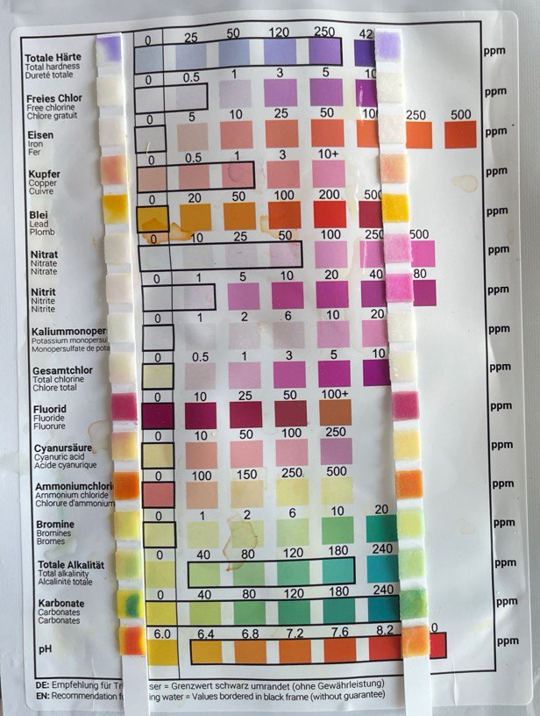
 |  | ppm | NOx/N | mg/L
 |  | 250
Nitrit | NO2- | 50 | 0.30 | 15 | Current result | 0.91 | USD/kg N
Nitrat | NO3- | 200 | 0.23 | 45 | Gaber Bosch | 0.87 - 1.3 | USD/kg N
Total |  |  |  | 60
Volume | 6 | l
N | 0.4 | g | 2173.6325386

Time | 3 | min
Power | 0.1312 | kW

Prototype Energy Efficiency
Energy consuption | 0.007 | kWh/cycle
kWh/kg | 18.1 | kWh/kg
USD/kWh | 0.05
Price | 0.91 | USD/kg

Prototype Production Capacity
N | 0.17 | kg/day
 | 63 | kg/year

Discharge
Current | 12 | A
Voltage | 2.6 | V

Pump
 | 100 | W

