工作表1
 | 0 | 1 | 2 | 3 | 4 |  |  | 0 | 1 | 2 | 3 | 4 | 5 | 6 | 7
0 | (0,0) | (0,1) | (0,2) | (0,3) | (0,4) |  | 0 | (0,0) | (0,1) | (0,2) | (0,3) | (0,4) | (0,5) | (0,6) | (0,7)
1 | (1,0) | (1,1) | (1,2) | (1,3) | (1,4) |  | 1 | (1,0) | (1,1) | (1,2) | (1,3) | (1,4) | (1,5) | (1,6) | (1,7)
2 | (2,0) | (2,1) | (2,2) | (2,3) | (2,4) |  | 2 | (2,0) | (2,1) | (2,2) | (2,3) | (2,4) | (2,5) | (2,6) | (2,7)
3 | (3,0) | (3,1) | (3,2) | (3,3) | (3,4) |  | 3 | (3,0) | (3,1) | (3,2) | (3,3) | (3,4) | (3,5) | (3,6) | (3,7)
4 | (4,0) | (4,1) | (4,2) | (4,3) | (4,4) |  | 4 | (4,0) | (4,1) | (4,2) | (4,3) | (4,4) | (4,5) | (4,6) | (4,7)
 |  |  |  |  |  |  | 5 | (5,0) | (5,1) | (5,2) | (5,3) | (5,4) | (5,5) | (5,6) | (5,7)
 |  |  |  |  |  |  | 6 | (6,0) | (6,1) | (6,2) | (6,3) | (6,4) | (6,5) | (6,6) | (6,7)
 |  |  |  |  |  |  | 7 | (7,0) | (7,1) | (7,2) | (7,3) | (7,4) | (7,5) | (7,6) | (7,7)

 | 唯讀：只能改倉庫、充電、客戶底色 |  |  |  |  |  |  |  | 唯讀：只能數字0,1，底色會自動改 |  |  |  |  |  |  | 唯讀：陣列自動產生
 | 0 | 1 | 2 | 3 | 4 | 5 |  |  | 0 | 1 | 2 | 3 | 4 | 5
0 | (0,0) | (0,1) | (0,2) | (0,3) | (0,4) | (0,5) |  | 0 | 1 | 1 | 0 | 1 | 1 | 1 |  | {1,1,0,1,1,1},
1 | (1,0) | (1,1) | (1,2) | (1,3) | (1,4) | (1,5) |  | 1 | 1 | 0 | 0 | 1 | 0 | 1 |  | {1,0,0,1,0,1},
2 | (2,0) | (2,1) | (2,2) | (2,3) | (2,4) | (2,5) | → | 2 | 1 | 0 | 1 | 1 | 0 | 1 | → | {1,0,1,1,0,1},
3 | (3,0) | (3,1) | (3,2) | (3,3) | (3,4) | (3,5) |  | 3 | 1 | 1 | 1 | 0 | 0 | 1 |  | {1,1,1,0,0,1}

 | (0,0) | 物流
 | (3,0) | 充電
 | (0,5) | 地圖
 | (3,5) | 客戶

 | 電線長度： |  |  |  |  |  |  |  |  | 電線長度： |  |  |  |  |  |  | 電線長度(final)：
 |  | 150 | 180 | 210 | 240 |  | 地圖 |  |  |  | 135 | 165 | 195 | 225 |  | 地圖 |  | 155 | 185 | 215 | 245 |  | 地圖
 |  | 120 | 150 | 180 | 210 |  |  |  |  |  | 105 | 135 | 165 | 195 |  |  |  | 125 | 155 | 185 | 215
 |  | 90 | 120 | 150 | 180 |  |  |  |  |  | 75 | 105 | 135 | 165 |  |  |  | 95 | 125 | 155 | 185
 |  | 60 | 90 | 120 | 150 |  |  |  |  |  | 45 | 75 | 105 | 135 |  |  |  | 65 | 95 | 125 | 155
 |  | 420 | 540 | 660 | 780 | 2400 |  |  |  |  | 360 | 480 | 600 | 720 | 2160 |  |  | 440 | 560 | 680 | 800 | 2480
 |  |  |  |  |  | 24m | *3 |  |  |  |  |  |  |  | 21.6m | *3 |  |  |  |  |  | 24.8m | *3
 |  |  |  |  |  | 72m |  |  |  |  |  |  |  |  | 64.8m |  | 電線長度： |  |  |  |  | 74.4m
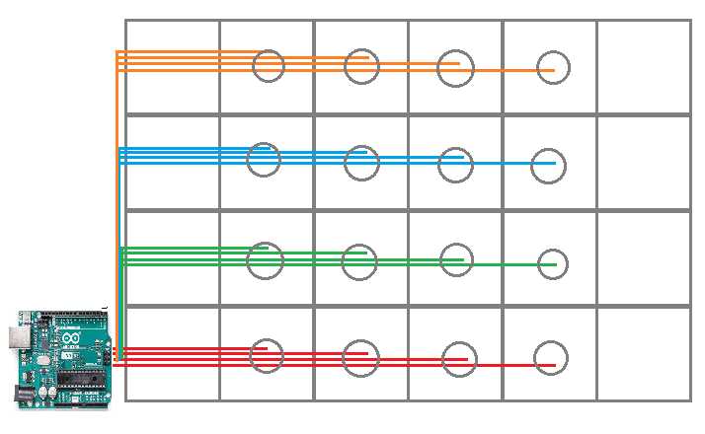
 | 安裝磁簧管的格子(藍色)
 | 0 | 1 | 2 | 3 | 4 | 5
0 | (0,0) | (0,1) | (0,2) | (0,3) | (0,4) | (0,5)
1 | (1,0) | (1,1) | (1,2) | (1,3) | (1,4) | (1,5)
2 | (2,0) | (2,1) | (2,2) | (2,3) | (2,4) | (2,5)
3 | (3,0) | (3,1) | (3,2) | (3,3) | (3,4) | (3,5)

 | 物流 | (0,0) | (0,1) | (0,2) | (0,3) | (0,4) | (0,5) | 地圖
 |  | (1,0) | (1,1) | (1,2) | (1,3) | (1,4) | (1,5)
 |  | (2,0) | (2,1) | (2,2) | (2,3) | (2,4) | (2,5)
 | 充電 | (3,0) | (3,1) | (3,2) | (3,3) | (3,4) | (3,5) | 客戶

