Sheet2
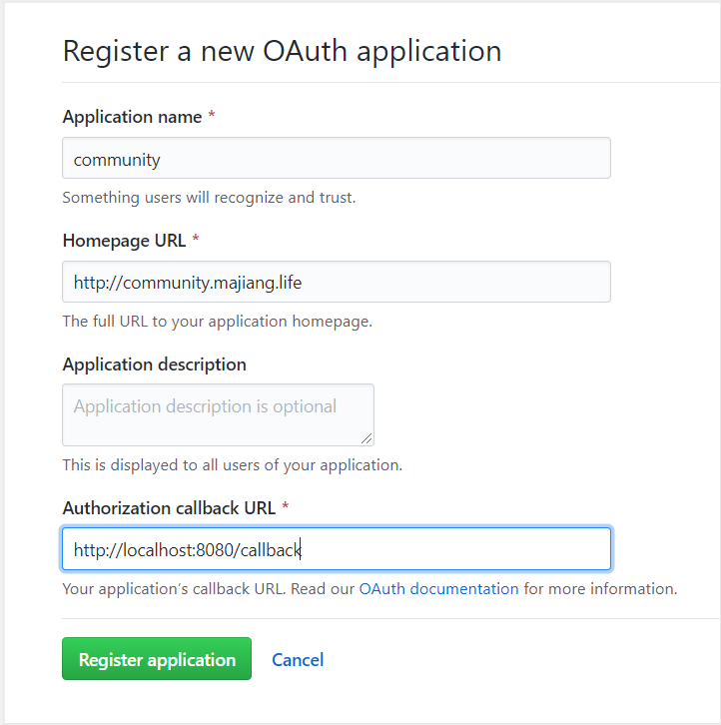

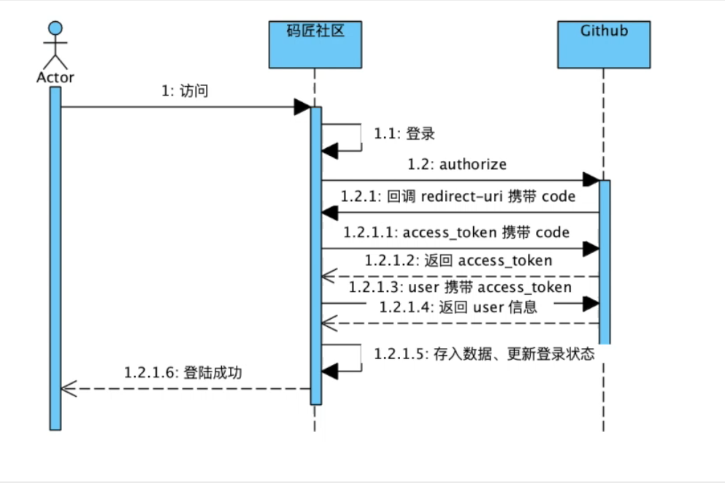

index | 登录
 | https://github.com/login/oauth/authorize?client_id=13c76186ed2b03a98721&&redirect_uri=http://localhost:8080/callback&&scope=user&&state=1

public String callback(String code,String state,Model model,HttpServletResponse response)

