Sheet2
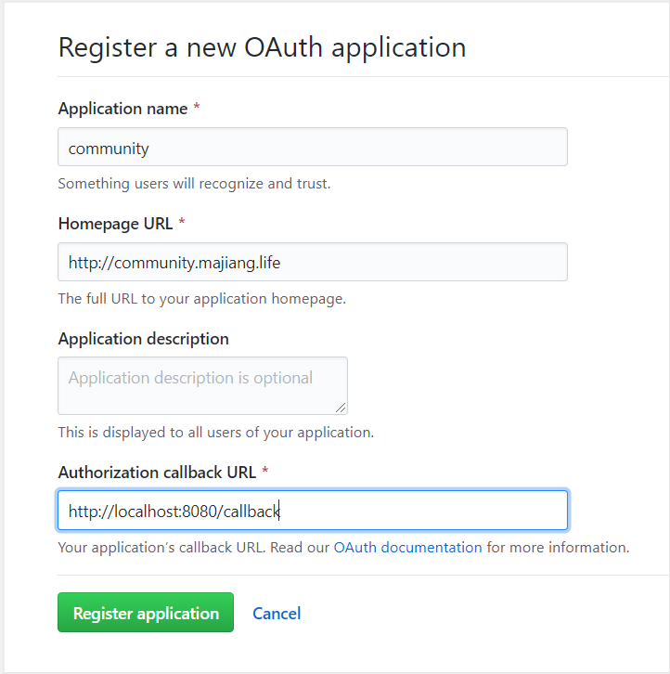

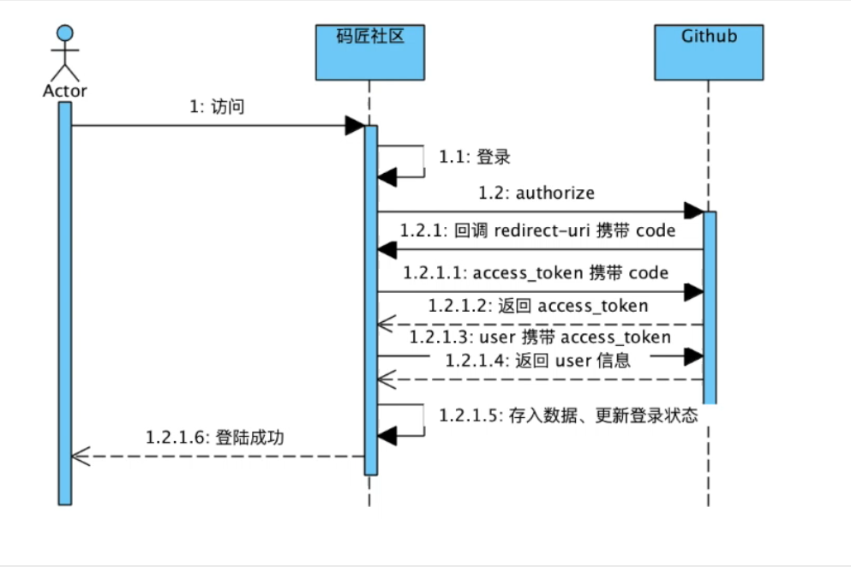

 |  | 访问授权app
 |  | client_id=0233f5bf1978fea2e062
 |  | redirect_uri=http://localhost:8081/callback&&scope=user&&state=1

 |  | 带回code

 |  | https://github.com/login/oauth/access_token
 |  | 待回token

index | 登录
 | https://github.com/login/oauth/authorize?client_id=13c76186ed2b03a98721&&redirect_uri=http://localhost:8080/callback&&scope=user&&state=1

public String callback(String code,String state,Model model,HttpServletResponse response)

