MODE SETTINGS
Yellow Cell : Sony's requested value
Pink Cell : Calibration required
Light blue : Gremsy reccommended value

Settings | MAPPING ANGLE | 0
 | HOME RETURN | Disable
 | REDUCED DRIFT by DRONE PAN AXIS | Enable
 | REDUCED DRIFT by DRONE TILT & ROLL AXISES | Disable

STIFFNESS
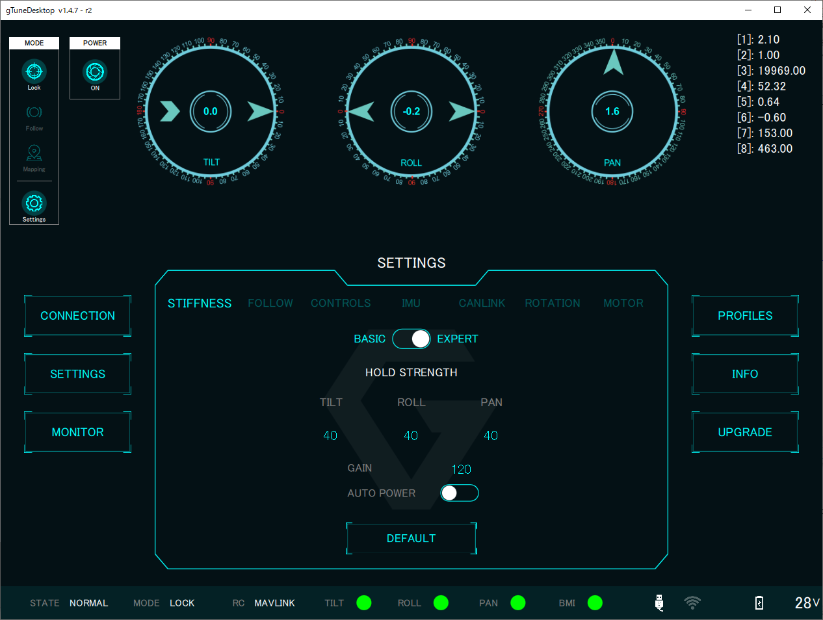
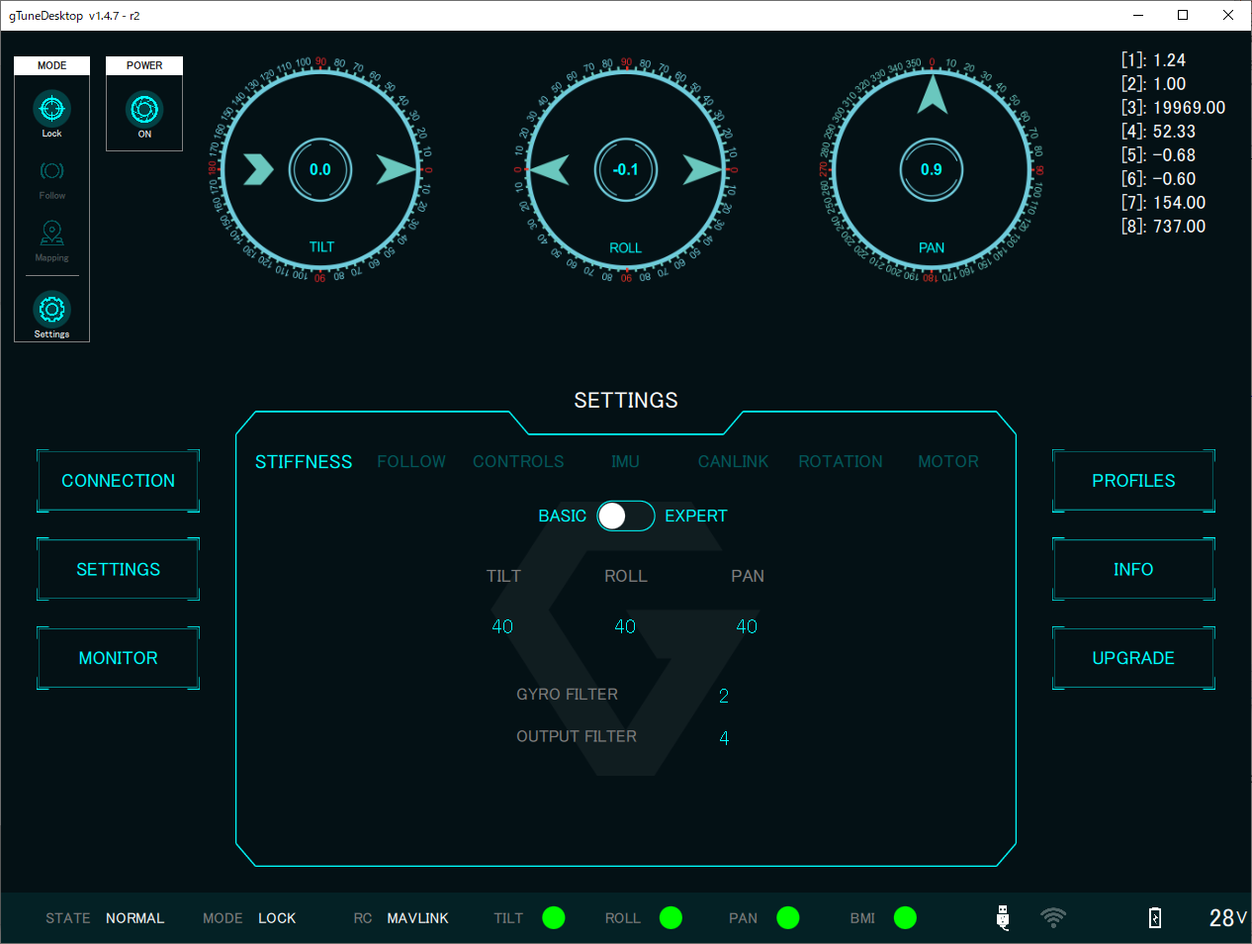
STIFFNESS BASIC | TILT | Recommended | v
 | ROLL | Recommended | v
 | PAN | Recommended | v
 | GYRO FILTER | Recommended | v
 | OUTPUT FILTER | Recommended | v
STIFFNESS EXPERT | HOLD STRENGTH TILT | Recommended | v
 | HOLD STRENGTH ROLL | Recommended | v
 | HOLD STRENGTH PAN | Recommended | v
 | GAIN | Recommended | v
 | AUTO POWER | Enable | v

FOLLOW
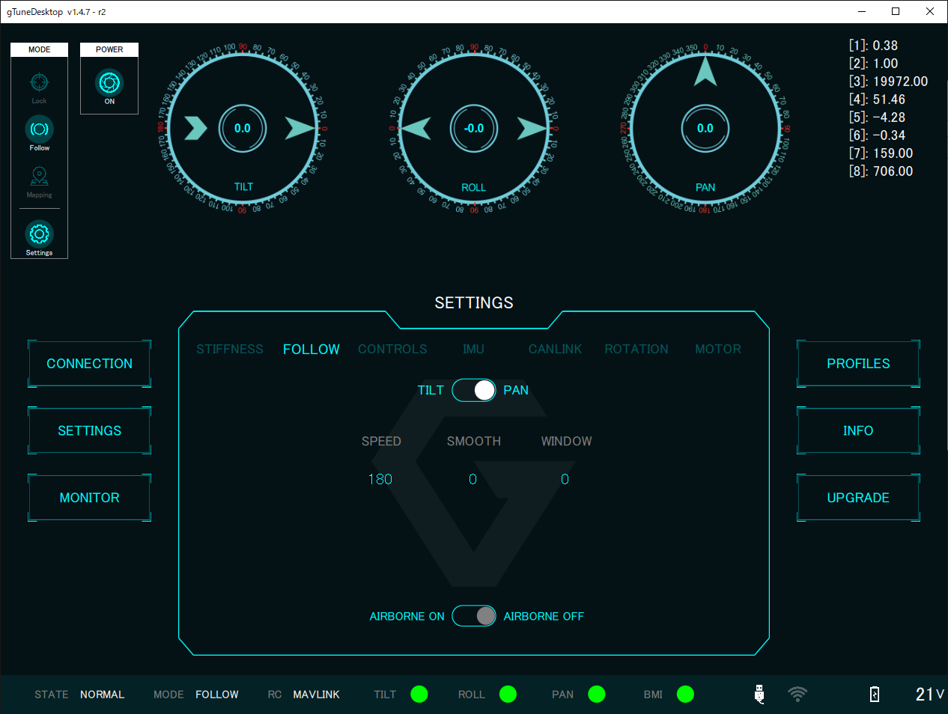
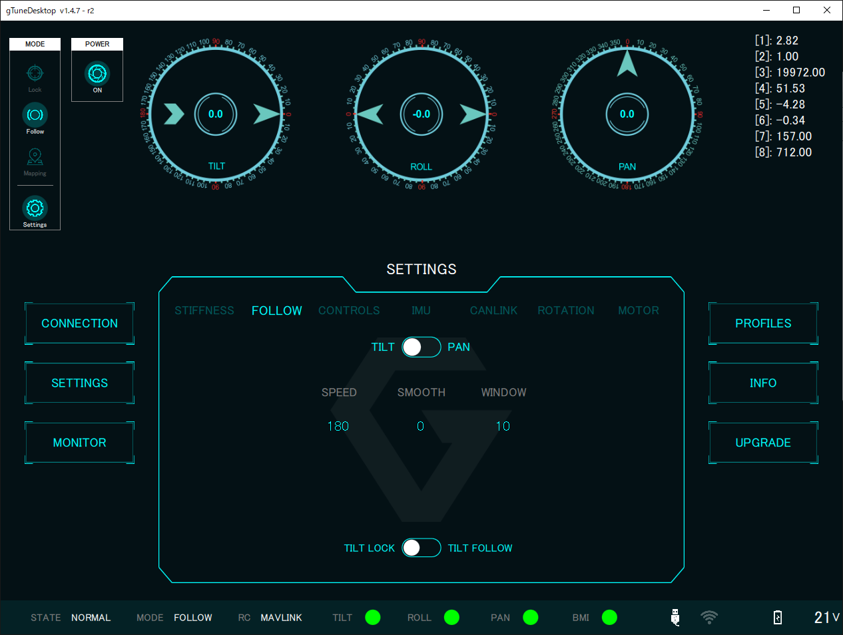
FOLLOW TILT | SPEED | Recommended | v
 | SMOOTH | Recommended | v
 | WINDOW | Recommended | v
 | TILT LOCK OR FOLLOW | LOCK is ON | v
FOLLOW PAN | SPEED | Recommended | v
 | SMOOTH | Recommended | v
 | WINDOW | Recommended | v
 | AIRBORNE | Recommended | v

CONTROLS
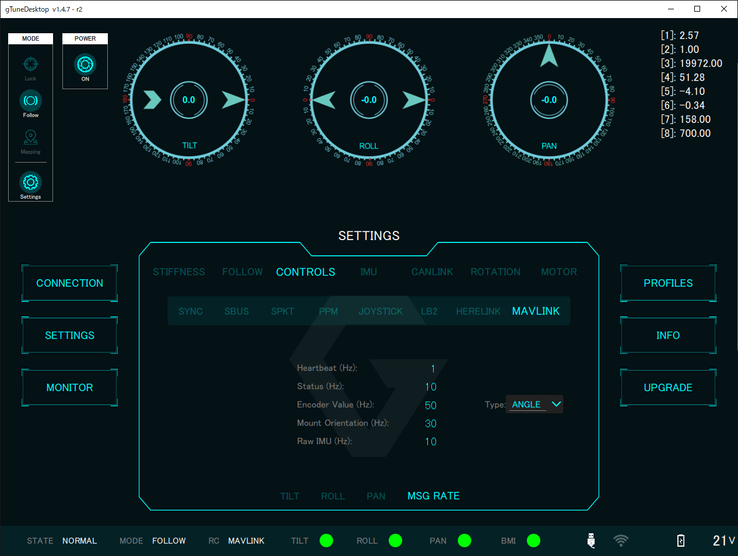
CONTROLS | SYNC | Recommended
 | SBUS | Recommended
 | SPKT | Recommended
 | PPM | Recommended
 | JOYSTICK | Recommended
 | LB2 | Recommended
 | HERELINK | Recommended
 | MAVLINK - TILT | Recommended | v
 | MAVLINK - ROLL | Recommended | v
 | MAVLINK - PAN | Recommended | v
 | MAVLINK - MSG RATE | Recommended | v

IMU
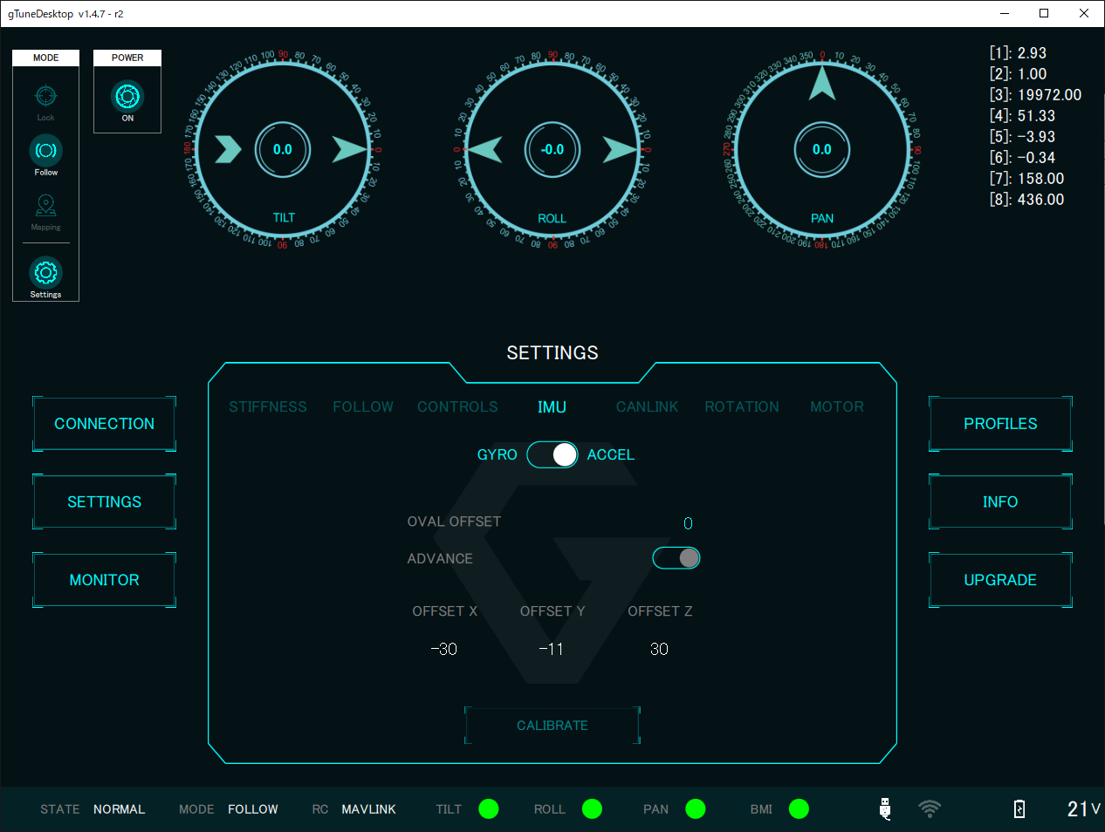
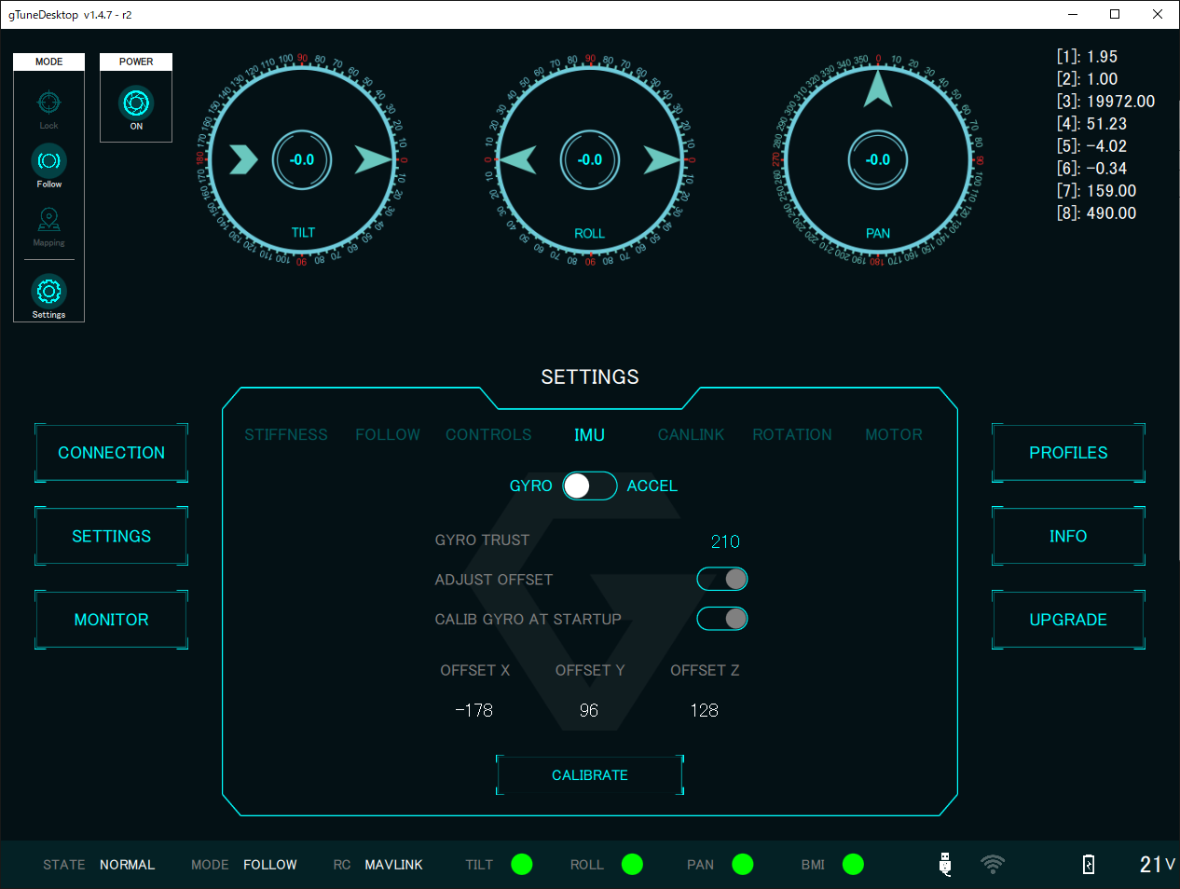
IMU GYRO | GYRO TRUST | 210
 | ADJUST OFFSET | Disable
 | CALIB GYRO AT STARTUP | Disable
 | OFFSET X | calibrate
 | OFFSET Y | calibrate
 | OFFSET Z | calibrate
IMU ACCEL | OVAL OFFSET | Recommended
 | ADVANCE | Disable
 | OFFSET X | calibrate
 | OFFSET Y | calibrate
 | OFFSET Z | calibrate

CANLINK
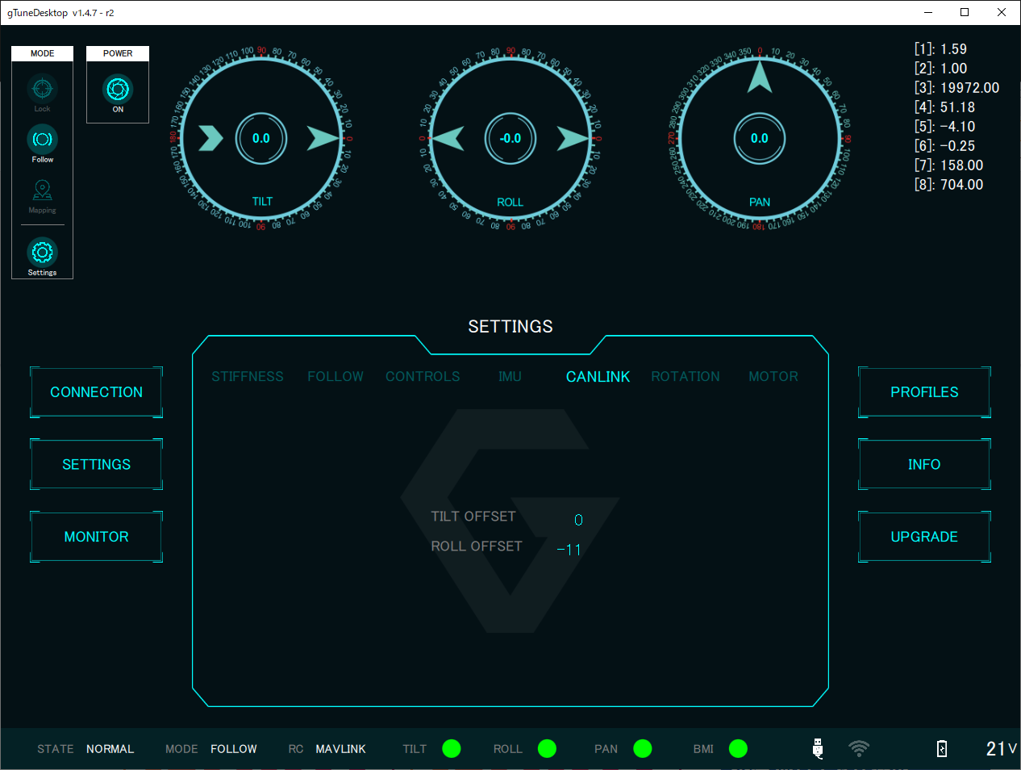
CANLINK | TILT OFFSET | calibrate
 | ROLL OFFSET | calibrate

ROTATION
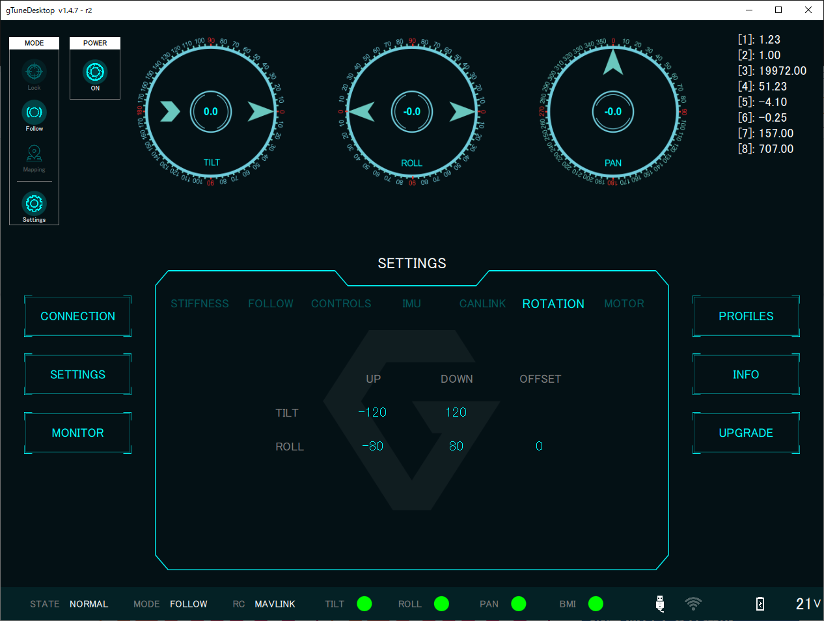
ROTATION | TILT UP | Recommended
 | TILT DOWN | Recommended
 | ROLL UP | Recommended
 | ROLL DOWN | Recommended
 | ROLL OFFSET | Recommended

MOTOR
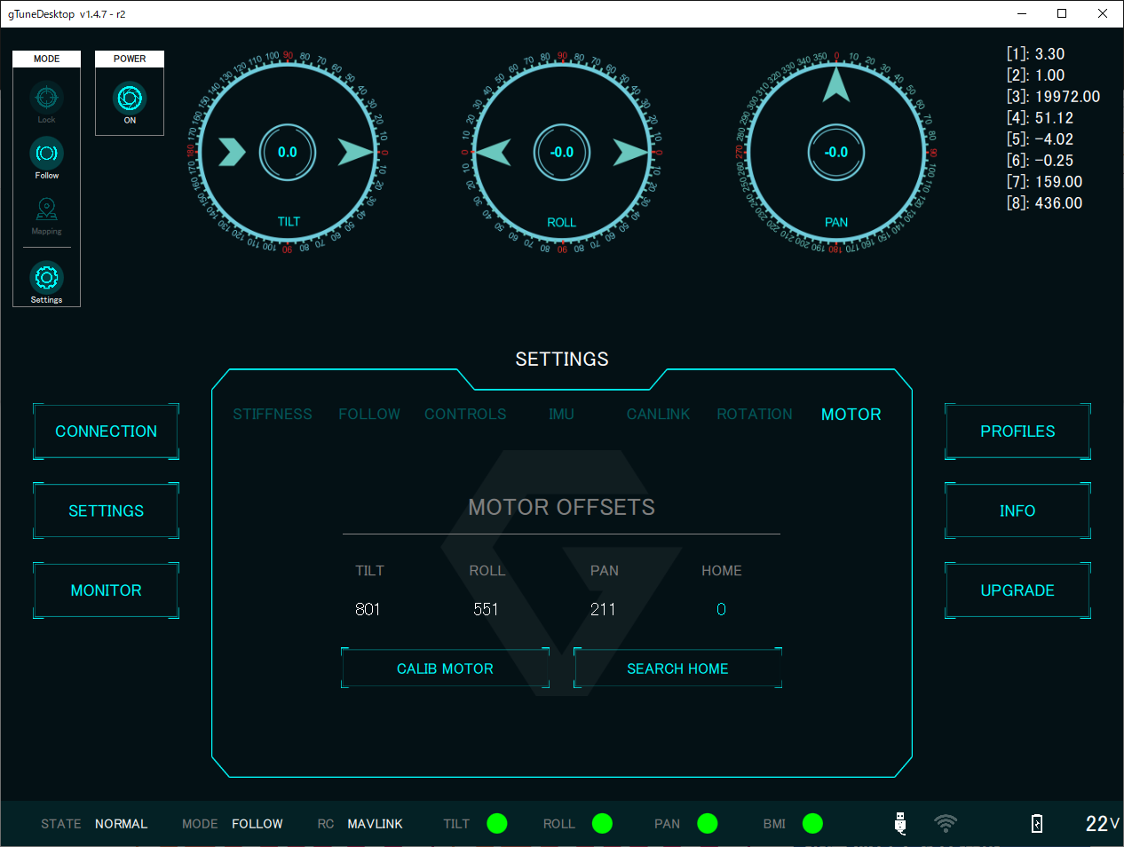
MOTOR | TILT | calibrate
 | ROLL | calibrate
 | PAN | calibrate
 | HOME | calibrate

