MODE SETTINGS
Yellow Cell : Sony's requested value
Pink Cell : Calibration required
Light blue : Gremsy reccommended value

Settings | MAPPING ANGLE | 0 | v
 | HOME RETURN | Disable | v
 | REDUCED DRIFT by DRONE PAN AXIS | Enable | v
 | REDUCED DRIFT by DRONE TILT & ROLL AXISES | Disable | v

GREMSY | CONFIRMED

STIFFNESS
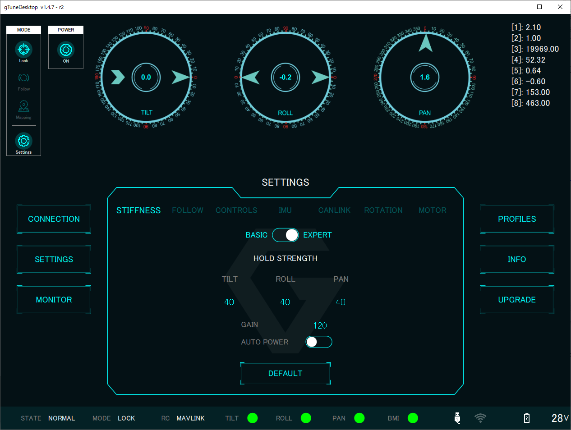
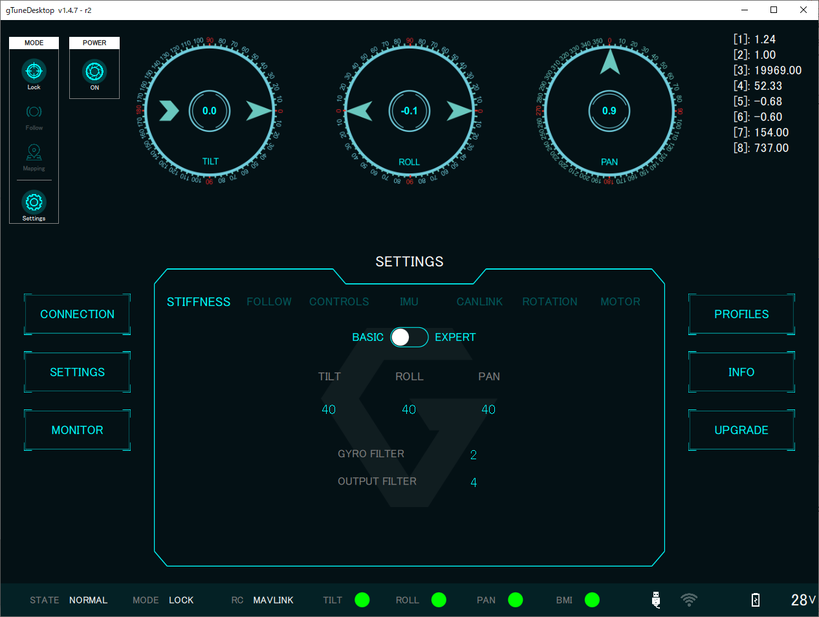
STIFFNESS BASIC | TILT | Recommended | v
 | ROLL | Recommended | v
 | PAN | Recommended | v
 | GYRO FILTER | Recommended | v
 | OUTPUT FILTER | Recommended | v
STIFFNESS EXPERT | HOLD STRENGTH TILT | Recommended | v
 | HOLD STRENGTH ROLL | Recommended | v
 | HOLD STRENGTH PAN | Recommended | v
 | GAIN | Recommended | v
 | AUTO POWER | Enable | v

GREMSY | MODIFY
 | TILT = 70 | v
 | ROLL = 80 | v
 | PAN = 90 | v

FOLLOW
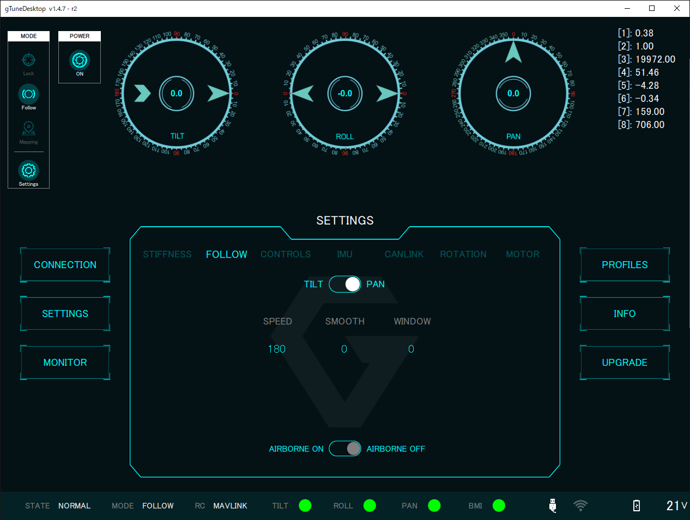
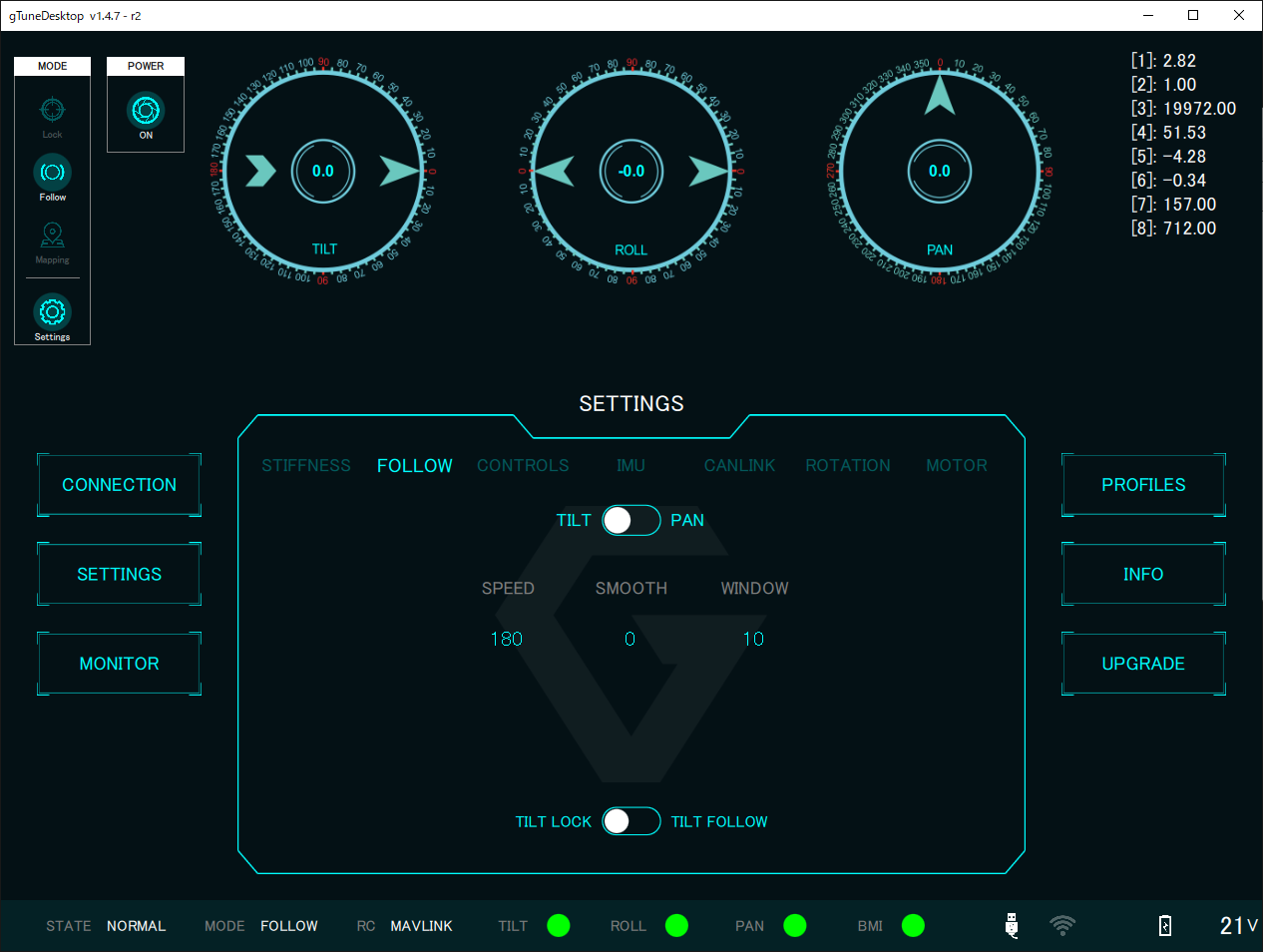
FOLLOW TILT | SPEED | Recommended | v
 | SMOOTH | Recommended | v
 | WINDOW | Recommended | v
 | TILT LOCK OR FOLLOW | LOCK is ON | v
FOLLOW PAN | SPEED | Recommended | v
 | SMOOTH | Recommended | v
 | WINDOW | Recommended | v
 | AIRBORNE | Recommended | v

GREMSY | MODIFY
 | FOLLOW->TILT->WINDOW = 0 | v

CONTROLS
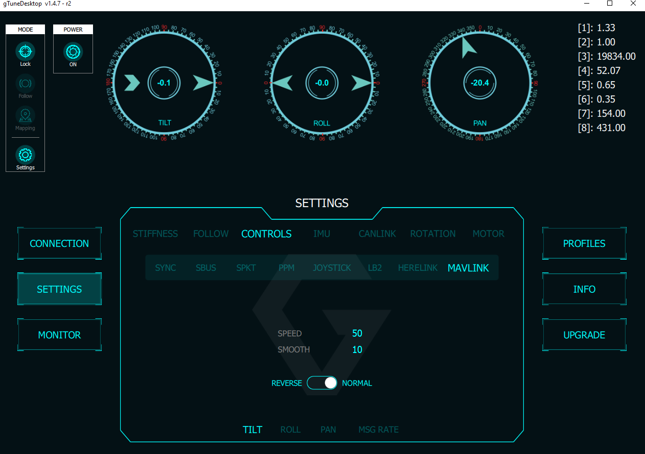
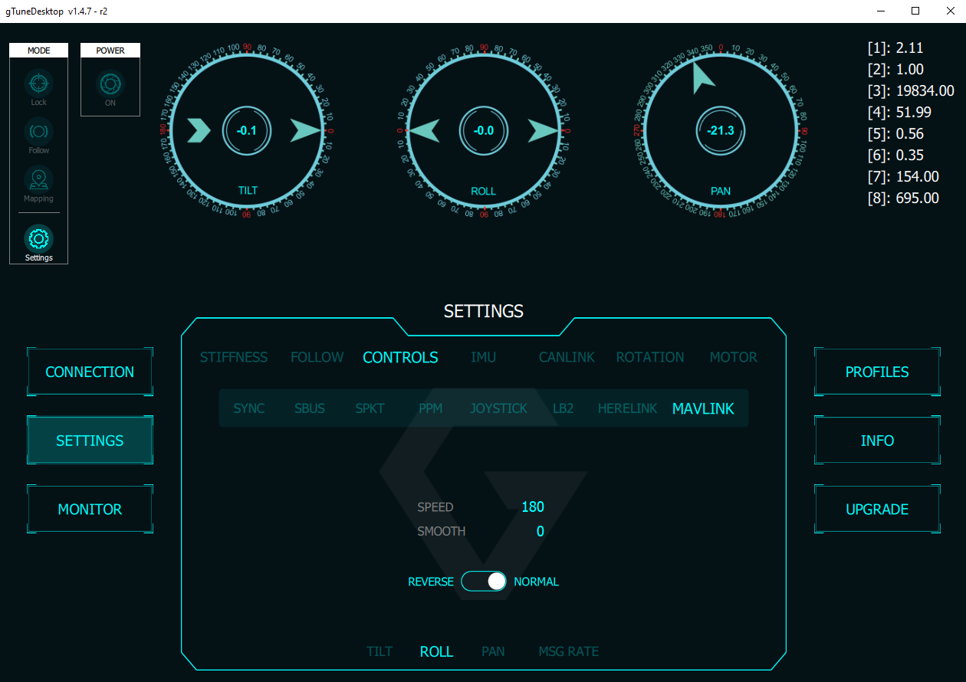
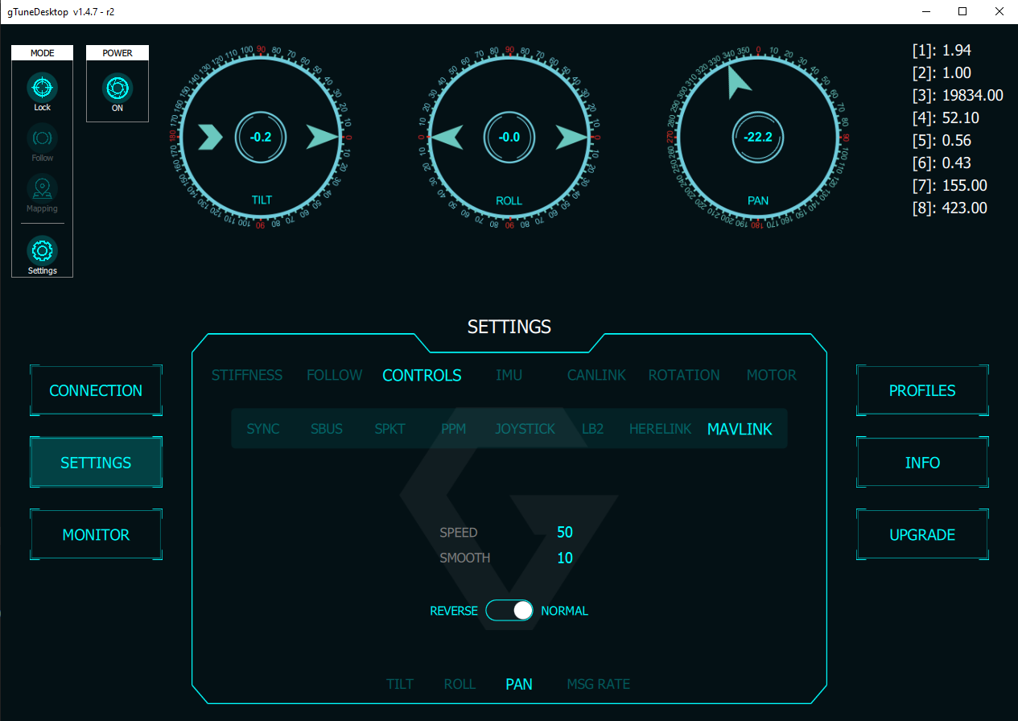
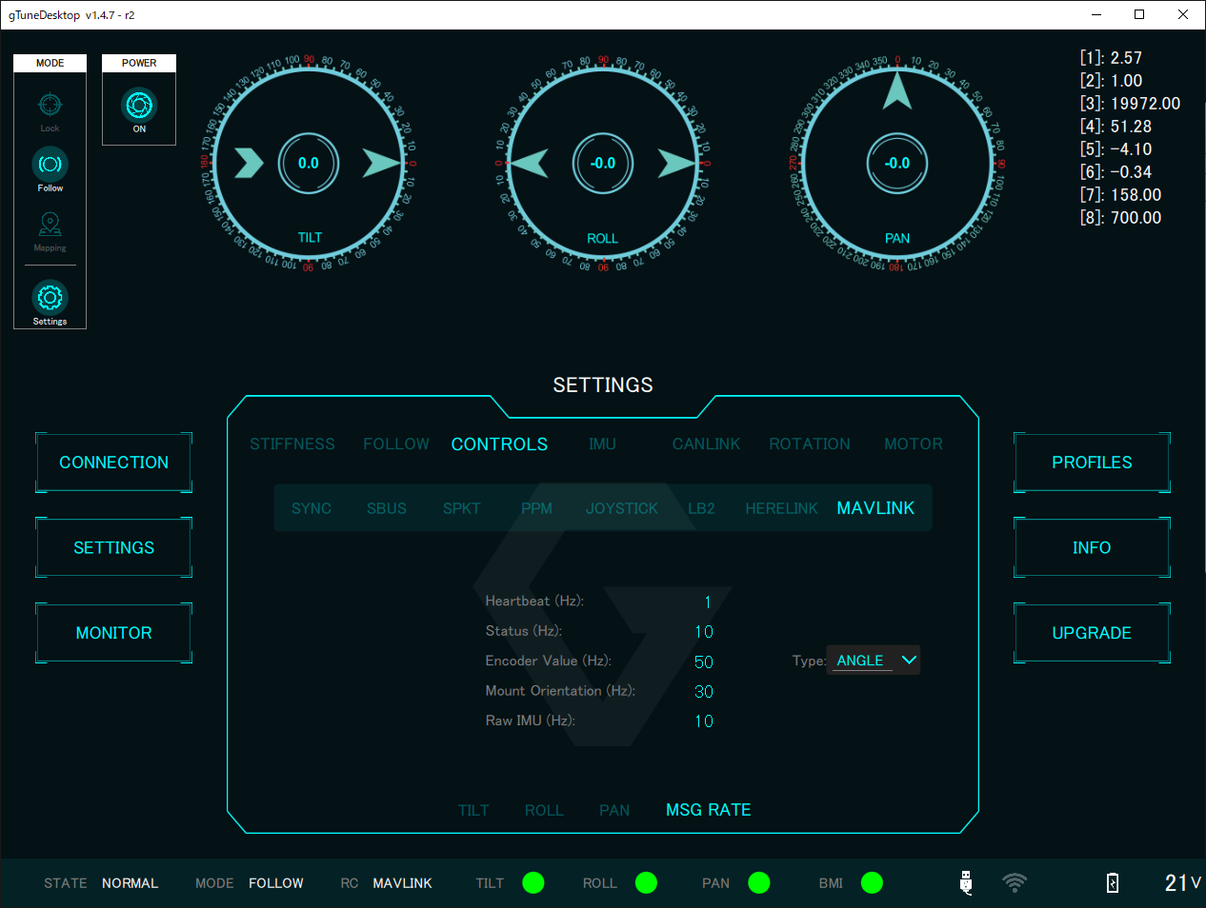
CONTROLS | SYNC | Recommended
 | SBUS | Recommended
 | SPKT | Recommended
 | PPM | Recommended
 | JOYSTICK | Recommended
 | LB2 | Recommended
 | HERELINK | Recommended
 | MAVLINK - TILT | Recommended | v
 | MAVLINK - ROLL | Recommended | v
 | MAVLINK - PAN | Recommended | v
 | MAVLINK - MSG RATE | Recommended | v

GREMSY | MODIFY

IMU
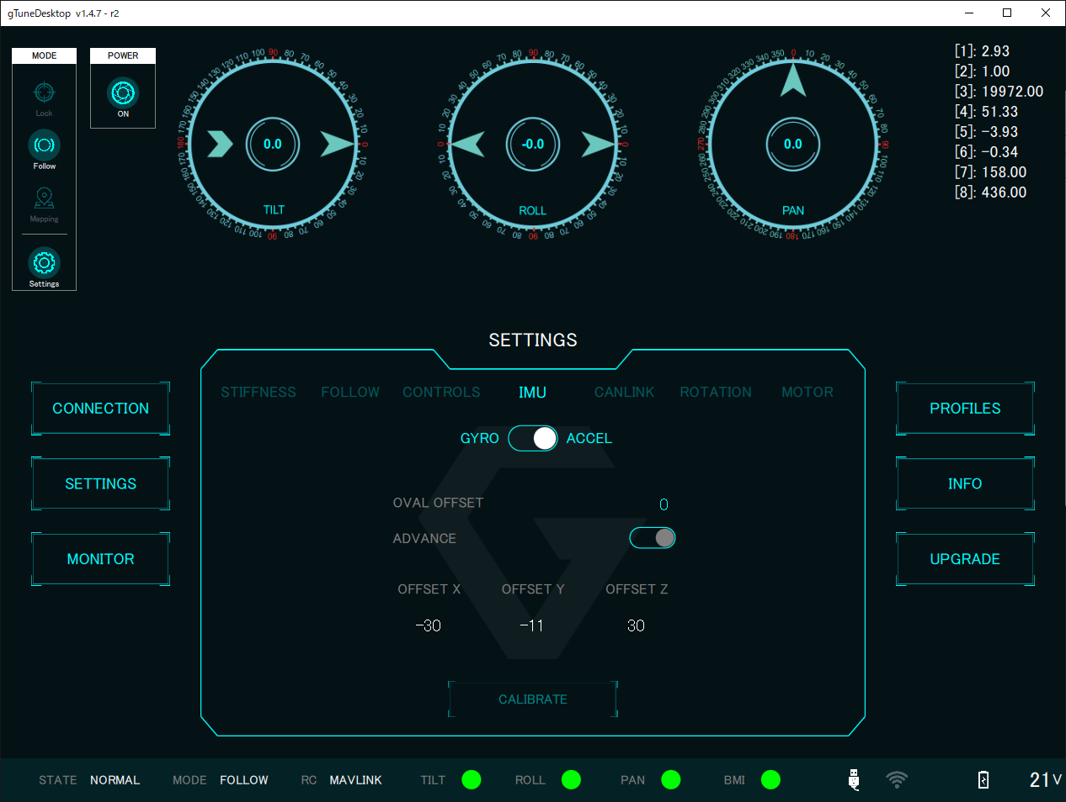
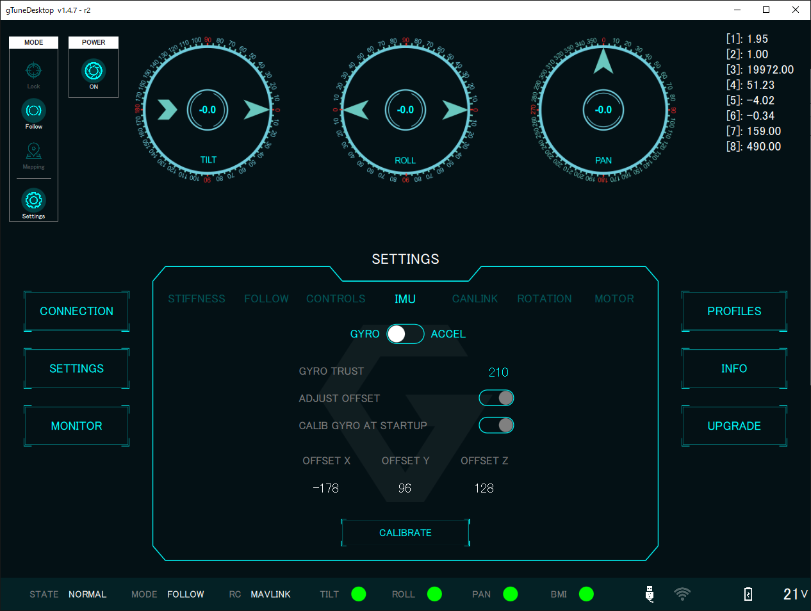
IMU GYRO | GYRO TRUST | 210 | v
 | ADJUST OFFSET | Disable
 | CALIB GYRO AT STARTUP | Disable | v
 | OFFSET X | calibrate
 | OFFSET Y | calibrate
 | OFFSET Z | calibrate
IMU ACCEL | OVAL OFFSET | Recommended
 | ADVANCE | Disable
 | OFFSET X | calibrate
 | OFFSET Y | calibrate
 | OFFSET Z | calibrate

GREMSY | CONFIRMED

CANLINK
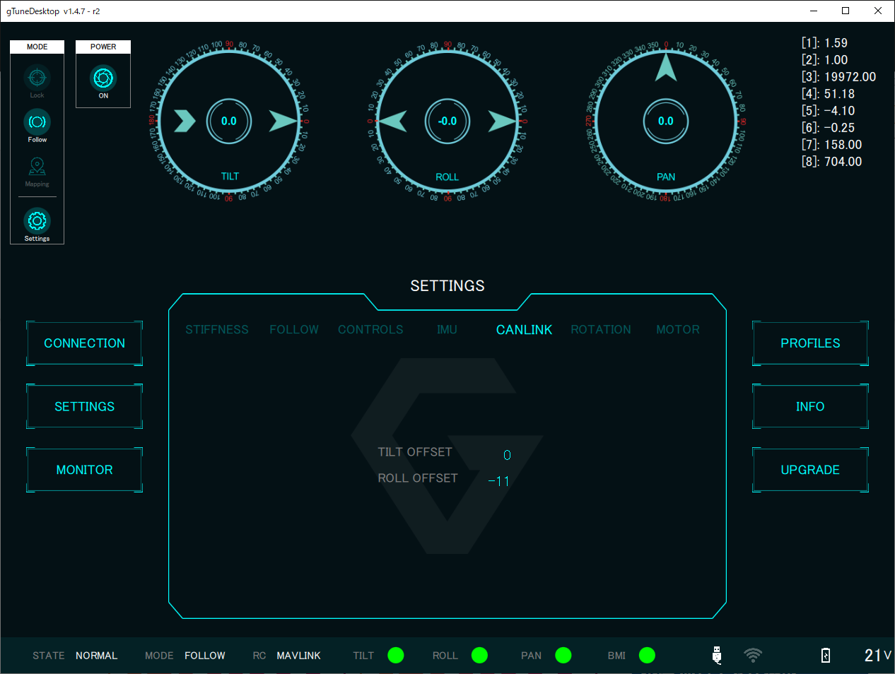
CANLINK | TILT OFFSET | calibrate | v
 | ROLL OFFSET | calibrate | v

GREMSY | MODIFY

 | Set ROLL_OFFSET = 0 | v

ROTATION
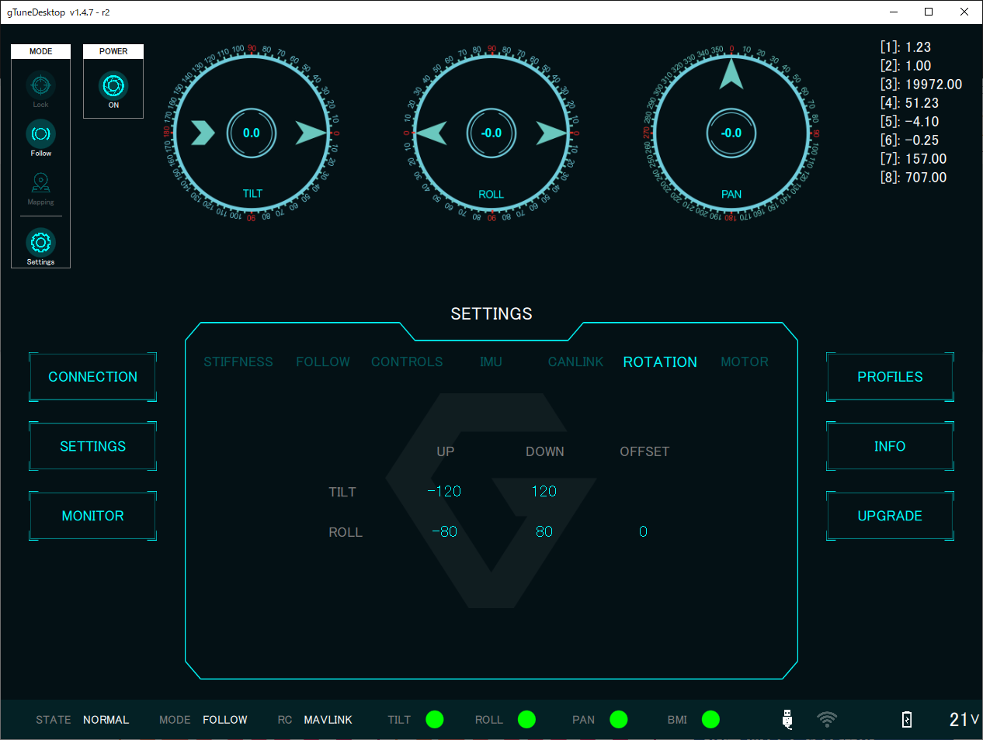
ROTATION | TILT UP | Recommended | v
 | TILT DOWN | Recommended | v
 | ROLL UP | Recommended | v
 | ROLL DOWN | Recommended | v
 | ROLL OFFSET | Recommended | v

GREMSY | CONFIRMED

 | PAN [-320 : 320] Set by GSDK | v

MOTOR
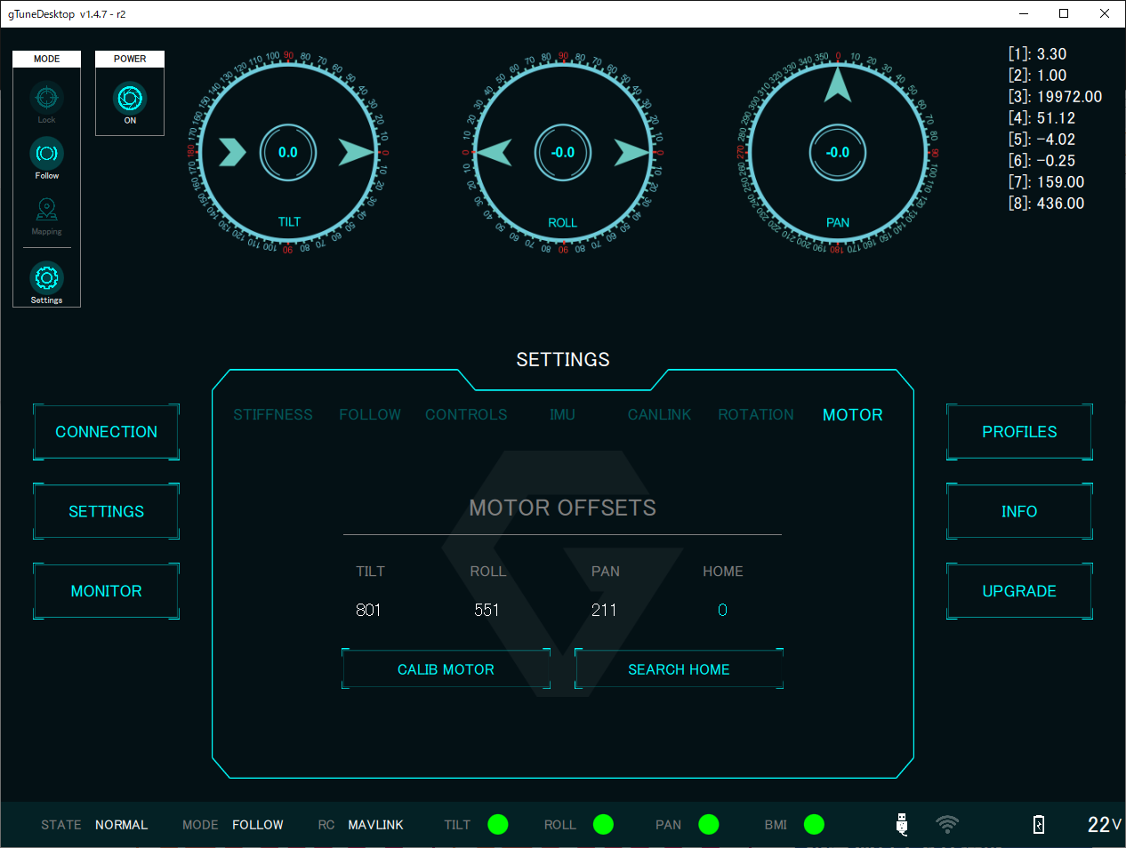
MOTOR | TILT | calibrate
 | ROLL | calibrate
 | PAN | calibrate
 | HOME | calibrate | v

GREMSY | CONFIRMED

