Sheet1
id | product_name | rent_per_month | available_for_month | owner_name | owner_address | owner_contact | Equipment_photo
1 | Bicycle | 800 | 4 | Mr.joshi | 202,gitangli park, althan, surat | 987654567 | 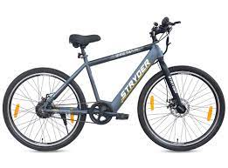
2 | Bicycle | 750 | 2 | Mr.parmar | 401, pahal apartment, bhatar, surat | 8765432111 | 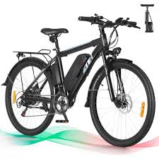
3 | Bicycle | 1000 | 7 | ms. singhaniya | 302,singhaniya sadan, bhimrad, surat | 9234567891 | 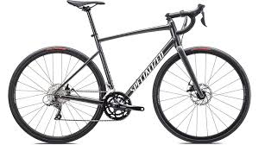
4 | Football shoes | 200 | 3 | mrs. Patel | 607, anupam square | 8765432345 | 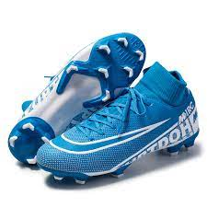
5 | Football shoes | 350 | 4 | mrs. Rajput | 509, jadav flats,ramnagar, surat | 9887675534
6 | Cricket Kit | 400 | 5 | mrs. Shah | 101, shree krishna apartment, surat | 8986746556
7 | Cricket Kit | 500 | 3 | ms. Singh | 904, Ram flats, rander, surat | 987656452
8 | SkateBoard | 200 | 10 | mr. gandhi | 102, jalaram nagar,adajan | 9261739940
9 | SkateBoard | 450 | 8 | ms. Patil | 205, swastik park ,katargram, surat | 6139479462
10 | SkateBoard | 300 | 7 | mrs. Patidar | 809, sivani park, magura gate, surat | 9573951877
11 | carrom board | 490 | 9 | mr.mehta | 501, ranjan apartment, pal, surat | 9048319855
12 | hockey stick | 100 | 5 | mr.yadav | 106, shikhar apartment, bhagal, surat | 8883456190
13 | table tennis | 750 | 10 | mr.sharma | 402, narayan nagar, navsari, surat | 9999345681
14 | table tennis | 590 | 5 | mr. pratap | 901, harihar apartment, bardoli, surat | 9182736450

