Лист1
Account: | {{Account_name}} |  | Terminal: |  | OLIR |  | Port of call: | {{enter_port}}
Pre-payment account (PDA) |  |  | Berth No: |  | 22 |  | Date: | 2024-09-25

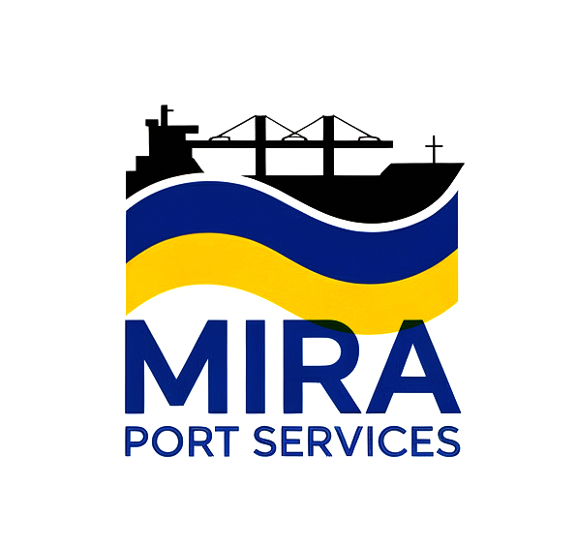
 |  |  |  |  | Bank details:
 |  | Mira Port Services LLC
 |  | Chornomorsk, Odesa, Ukraine
 |  | Ph. +380674850218
 |  | email: agency@mira.port.ua

Vessel's name: |  | {{vessel_name}} |  | Cargo operation: |  | Loading
Vessel flag: |  | {{vessel_flag}} |  | Type of cargo: |  | {{cargo_loaded}}
Length betw perpendiculars, m: |  | {{lbp}} |  | Qtty of cgo, mts: |  | {{cargo_qtty}}
Breadth moulded, m: |  | {{beam}}
Depth moulded, m: |  | {{rdm}}
Volume, cbm: |  | {{cv}}

Dues |  |  | VAT |  | Amount, USD |  | Comments
{{ fee.name }} |  |  | {{ fee.vat }} |  | {{ fee.amount }}

Subtotal dues: |  |  |  |  | {{subtotal_dues}}
Agency Fees
Agency fee
Bank charges

Subtotal (Agency Fees): |  |  |  |  | {{subtotal_agfee}}

TOTAL WITH NO OVERTIME: |  |  |  |  | {{total}}

