Лист1
Account: | {{Account_name}} |  | Terminal: |  | OLIR |  | Port of call: | {{enter_port}}
Pre-payment account (PDA) |  |  | Berth No: |  | 22 |  | Date: | 2024-10-04

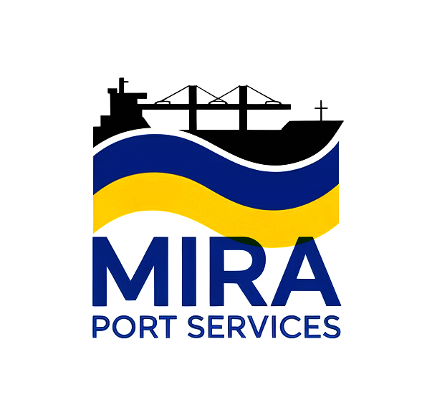
 |  |  |  |  | Bank details:
 |  | Mira Port Services LLC
 |  | Chornomorsk, Odesa, Ukraine
 |  | Ph. +380674850218
 |  | email: agency@mira.port.ua

Vessel's name: |  | {{vessel_name}} |  | Cargo operation: |  | Loading
Vessel flag: |  | {{vessel_flag}} |  | Type of cargo: |  | {{cargo_loaded}}
Length betw perpendiculars, m: |  | {{lbp}} |  | Qtty of cgo, mts: |  | {{cargo_qtty}}
Breadth moulded, m: |  | {{beam}}
Depth moulded, m: |  | {{rdm}}
Volume, cbm: |  | {{cv}}

Dues |  |  | VAT |  | Amount, USD |  | Comments
{{ fee.name }} |  |  | {{ fee.vat }} |  | {{ fee.amount }}

Subtotal dues: |  |  |  |  | {{subtotal_dues}}
Agency Fees
Agency fee
Bank charges

Subtotal (Agency Fees): |  |  |  |  | {{subtotal_agfee}}

TOTAL WITH NO OVERTIME: |  |  |  |  | {{total}}

TABLE OF THE PDA AMOUNT BASIS OVERTIME:
Name |  |  |  |  | Sum 25% Overtime |  | Sum 50% Overtime |  | Sum 100% Overtime
Total fee with 25% overtime (for in and out) |  |  |  |  | {{total_fee_25_ot}} |  | {{total_fee_50_ot}} |  | {{total_fee_100_ot}}
Total agency fee basis 25% overtime (for in and out) |  |  |  |  | {{total_agency_fee_25_ot}} |  | {{total_agency_fee_50_ot}} |  | {{total_agency_fee_100_ot}}
Grand total basis 25% overtime (for in and out) |  |  |  |  | {{grand_total_25_ot}} |  | {{grand_total_50_ot}} |  | {{grand_total_100_ot}}

