Лист15
Subscribers
 | Итог
Маша и Медведь | 37600000
A4 | 39400000
Alan Walker | 41700000
BANGTANTV | 65600000
BLACKPINK | 73600000
Canal KondZilla | 65600000
ChuChu TV Nursery Rhymes & Kids Songs | 55800000
Daddy Yankee | 36200000
El Reino Infantil | 49300000
Fernanfloo | 44800000
Goldmines | 68800000
Infobells - Hindi | 43200000
JuegaGerman | 45500000
Kids Diana Show | 93800000
Like Nastya | 91000000
Little Baby Bum - Nursery Rhymes & Kids Songs | 38600000
LooLoo Kids - Nursery Rhymes and Children's Songs | 48900000
LUCCAS NETO - LUCCAS TOON | 37100000
Markiplier | 32600000
Marshmello | 55100000
MrBeast | 93900000
Pinkfong Baby Shark - Kids' Songs & Stories | 57000000
Shfa | 35100000
Toys and Colors | 35300000
Voot Kids | 36300000
The best average amount of video views per video count
The best average amount of subscribers per one video
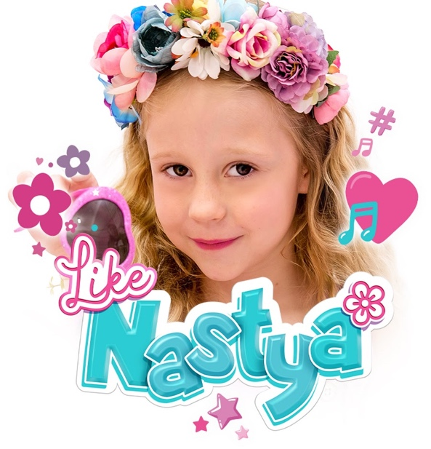   | youtuber | subscribers | video views | video count | started
 | Education
 | ChuChu TV Nursery Rhymes & Kids Songs | 55,800,000 | 37,609,551,674 | 474 | 2013
 | Infobells - Hindi | 43,200,000 | 24,014,102,724 | 462 | 2014
 | Little Baby Bum - Nursery Rhymes & Kids Songs | 38,600,000 | 35,945,824,996 | 1,728 | 2011
The best average amount of video views per subscriber
 | Pinkfong Baby Shark - Kids' Songs & Stories | 57,000,000 | 30,097,233,928 | 2,227 | 2011
 | Entertainment
 | Marshmello | 55,100,000 | 12,967,930,243 | 393 | 2015
 | MrBeast | 93,900,000 | 15,417,304,461 | 721 | 2012
 | Toys and Colors | 35,300,000 | 38,339,684,179 | 765 | 2016
 | Voot Kids | 36,300,000 | 16,096,496,089 | 2,875 | 2016
 | Film & Animation
 | Маша и Медведь | 37,600,000 | 31,845,287,102 | 1,139 | 2011
 | Goldmines | 68,800,000 | 16,271,446,682 | 3,050 | 2012
 | Gaming
 | A4 | 39,400,000 | 14,391,209,548 | 582 | 2014
 | Fernanfloo | 44,800,000 | 9,834,587,080 | 541 | 2011
 | JuegaGerman | 45,500,000 | 13,400,179,485 | 1,918 | 2013
 | Markiplier | 32,600,000 | 18,011,837,263 | 5,129 | 2012
Video count
 | Итог
Маша и Медведь | 1139
A4 | 582
Alan Walker | 302
BANGTANTV | 1686
BLACKPINK | 394
Canal KondZilla | 2252
ChuChu TV Nursery Rhymes & Kids Songs | 474
Daddy Yankee | 409
El Reino Infantil | 1222
Fernanfloo | 541
Goldmines | 3050
Infobells - Hindi | 462
JuegaGerman | 1918
Kids Diana Show | 977
Like Nastya | 670
Little Baby Bum - Nursery Rhymes & Kids Songs | 1728
LooLoo Kids - Nursery Rhymes and Children's Songs | 505
LUCCAS NETO - LUCCAS TOON | 1781
Markiplier | 5129
Marshmello | 393
MrBeast | 721
Pinkfong Baby Shark - Kids' Songs & Stories | 2227
Shfa | 795
Toys and Colors | 765
Voot Kids | 2875
 | Music
Video views
 | Итог
Маша и Медведь | 31845287102
A4 | 14391209548
Alan Walker | 11358287657
BANGTANTV | 15827521495
BLACKPINK | 23351994944
Canal KondZilla | 36145092618
ChuChu TV Nursery Rhymes & Kids Songs | 37609551674
Daddy Yankee | 19516597967
El Reino Infantil | 47232834583
Fernanfloo | 9834587080
Goldmines | 16271446682
Infobells - Hindi | 24014102724
JuegaGerman | 13400179485
Kids Diana Show | 73296417664
Like Nastya | 74204846514
Little Baby Bum - Nursery Rhymes & Kids Songs | 35945824996
LooLoo Kids - Nursery Rhymes and Children's Songs | 28034396603
LUCCAS NETO - LUCCAS TOON | 19721474289
Markiplier | 18011837263
Marshmello | 12967930243
MrBeast | 15417304461
Pinkfong Baby Shark - Kids' Songs & Stories | 30097233928
Shfa | 18171683239
Toys and Colors | 38339684179
Voot Kids | 16096496089
 | Alan Walker | 41,700,000 | 11,358,287,657 | 302 | 2012
 | BANGTANTV | 65,600,000 | 15,827,521,495 | 1,686 | 2012
 | Canal KondZilla | 65,600,000 | 36,145,092,618 | 2,252 | 2012
 | Daddy Yankee | 36,200,000 | 19,516,597,967 | 409 | 2011
 | El Reino Infantil | 49,300,000 | 47,232,834,583 | 1,222 | 2011
 | LooLoo Kids - Nursery Rhymes and Children's Songs | 48,900,000 | 28,034,396,603 | 505 | 2014
 | People & Blogs
 | BLACKPINK | 73,600,000 | 23,351,994,944 | 394 | 2016
 | Kids Diana Show | 93,800,000 | 73,296,417,664 | 977 | 2015
 | Like Nastya | 91,000,000 | 74,204,846,514 | 670 | 2016
 | LUCCAS NETO - LUCCAS TOON | 37,100,000 | 19,721,474,289 | 1,781 | 2014
 | Shfa | 35,100,000 | 18,171,683,239 | 795 | 2015

Лист14
Названия строк | Сумма по полю subscribers | Названия строк | Сумма по полю video views | Названия строк | Сумма по полю video count
Маша и Медведь | 37,600,000 | Маша и Медведь | 31,845,287,102 | Маша и Медведь | 1,139
A4 | 39,400,000 | A4 | 14,391,209,548 | A4 | 582
Alan Walker | 41,700,000 | Alan Walker | 11,358,287,657 | Alan Walker | 302
BANGTANTV | 65,600,000 | BANGTANTV | 15,827,521,495 | BANGTANTV | 1,686
BLACKPINK | 73,600,000 | BLACKPINK | 23,351,994,944 | BLACKPINK | 394
Canal KondZilla | 65,600,000 | Canal KondZilla | 36,145,092,618 | Canal KondZilla | 2,252
ChuChu TV Nursery Rhymes & Kids Songs | 55,800,000 | ChuChu TV Nursery Rhymes & Kids Songs | 37,609,551,674 | ChuChu TV Nursery Rhymes & Kids Songs | 474
Daddy Yankee | 36,200,000 | Daddy Yankee | 19,516,597,967 | Daddy Yankee | 409
El Reino Infantil | 49,300,000 | El Reino Infantil | 47,232,834,583 | El Reino Infantil | 1,222
Fernanfloo | 44,800,000 | Fernanfloo | 9,834,587,080 | Fernanfloo | 541
Goldmines | 68,800,000 | Goldmines | 16,271,446,682 | Goldmines | 3,050
Infobells - Hindi | 43,200,000 | Infobells - Hindi | 24,014,102,724 | Infobells - Hindi | 462
JuegaGerman | 45,500,000 | JuegaGerman | 13,400,179,485 | JuegaGerman | 1,918
Kids Diana Show | 93,800,000 | Kids Diana Show | 73,296,417,664 | Kids Diana Show | 977
Like Nastya | 91,000,000 | Like Nastya | 74,204,846,514 | Like Nastya | 670
Little Baby Bum - Nursery Rhymes & Kids Songs | 38,600,000 | Little Baby Bum - Nursery Rhymes & Kids Songs | 35,945,824,996 | Little Baby Bum - Nursery Rhymes & Kids Songs | 1,728
LooLoo Kids - Nursery Rhymes and Children's Songs | 48,900,000 | LooLoo Kids - Nursery Rhymes and Children's Songs | 28,034,396,603 | LooLoo Kids - Nursery Rhymes and Children's Songs | 505
LUCCAS NETO - LUCCAS TOON | 37,100,000 | LUCCAS NETO - LUCCAS TOON | 19,721,474,289 | LUCCAS NETO - LUCCAS TOON | 1,781
Markiplier | 32,600,000 | Markiplier | 18,011,837,263 | Markiplier | 5,129
Marshmello | 55,100,000 | Marshmello | 12,967,930,243 | Marshmello | 393
MrBeast | 93,900,000 | MrBeast | 15,417,304,461 | MrBeast | 721
Pinkfong Baby Shark - Kids' Songs & Stories | 57,000,000 | Pinkfong Baby Shark - Kids' Songs & Stories | 30,097,233,928 | Pinkfong Baby Shark - Kids' Songs & Stories | 2,227
Shfa | 35,100,000 | Shfa | 18,171,683,239 | Shfa | 795
Toys and Colors | 35,300,000 | Toys and Colors | 38,339,684,179 | Toys and Colors | 765
Voot Kids | 36,300,000 | Voot Kids | 16,096,496,089 | Voot Kids | 2,875
Общий итог | 1,321,800,000 | Общий итог | 681,103,823,027 | Общий итог | 32,997

Subscribers

Video views
Video views
Video count

