Step 1
Step | Description

1 | We will create a folder and follow basic steps - 1 from documents

2 | Create a folder in your machine

 | e.g - I have created folder under C Drive - Angular_Project - Mean_stack_project

3 | through command prompt - enter below command
 | npm init
 | enter
 | keep pressing enter till we get below output
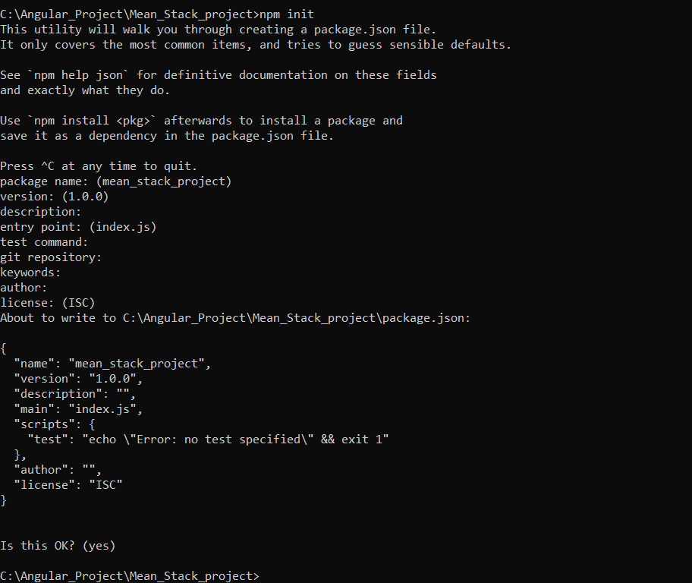

4 | create a new file - server.js inside Mean_Stack_project and add below line of code
 | var express = require('express'); var app = express(); app.get('/first', function(req, res){ res.send("First Hello world!"); }); app.listen(3000,function(){ console.log('Express Server listening at port 3000...'); });

5 | on cmd save express also

 | npm install --save express

6 | run server.js using below command on cmd

 | nodemon server.js

