Invoice Config
TC ID | Test Scenario | Test Steps and Evidences
TC-022 | Verify 'Invoice Number' is read-only and not editable | Navigate to the Invoice Config screen and attempt to click/type into the 'Invoice Number' field.
 |  | Field is disabled/read-only; cursor/focus is not allowed and value cannot be changed.

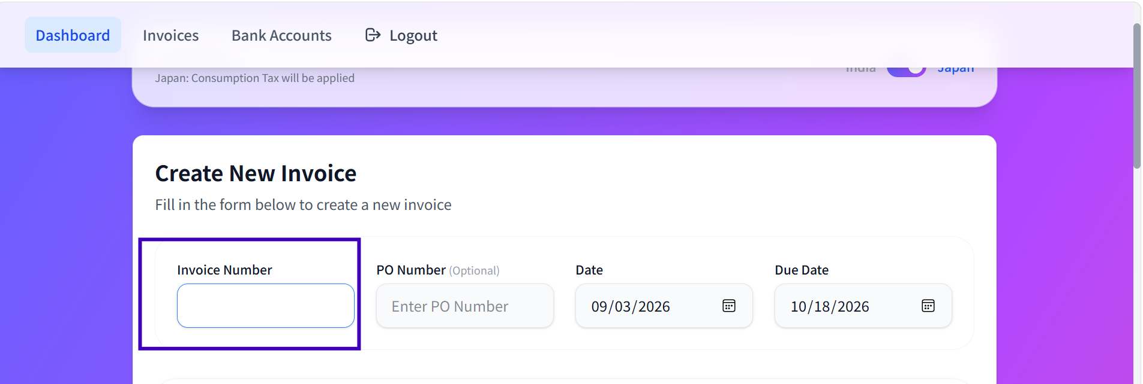

TC-023 | Verify 'Invoice Number' is auto-generated by the system | Create a new record and observe the 'Invoice Number' field.
 |  | 'Invoice Number' is auto-populated by the system in the correct format without user input.

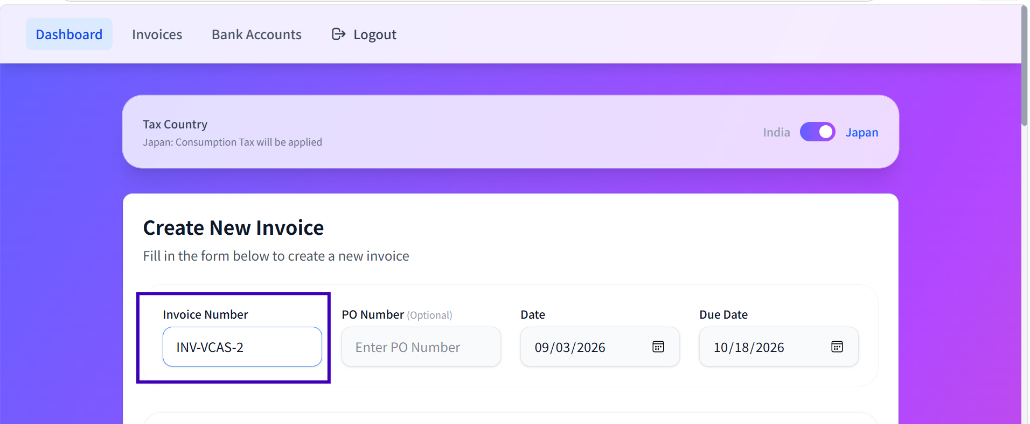

TC-024 | Verify form accepts 'PO Number' left blank (optional field) | Leave 'PO Number' empty and submit/proceed the form.
 |  | Field is accepted as blank; no validation error is raised; form proceeds.

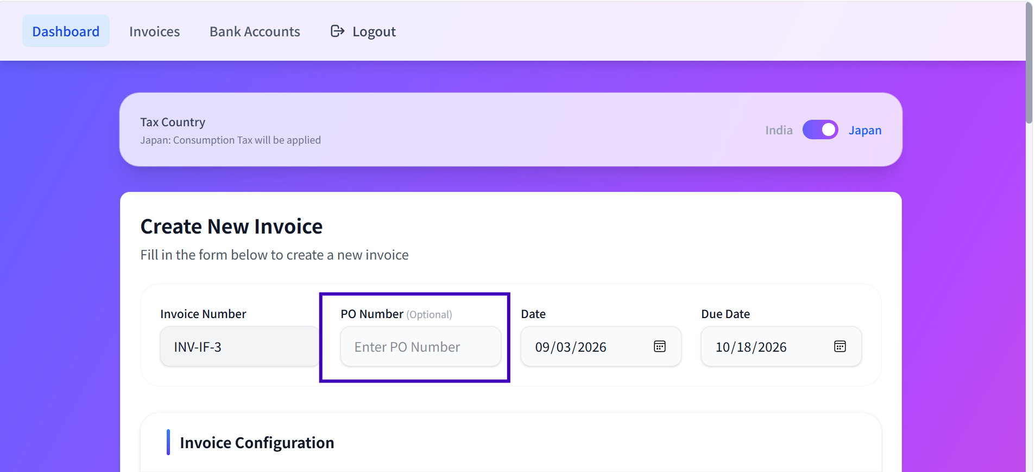

TC-025 | Verify 'PO Number' accepts a valid non-empty value | Enter a valid value into 'PO Number' and submit.
 |  | Value is accepted; no validation error is shown.

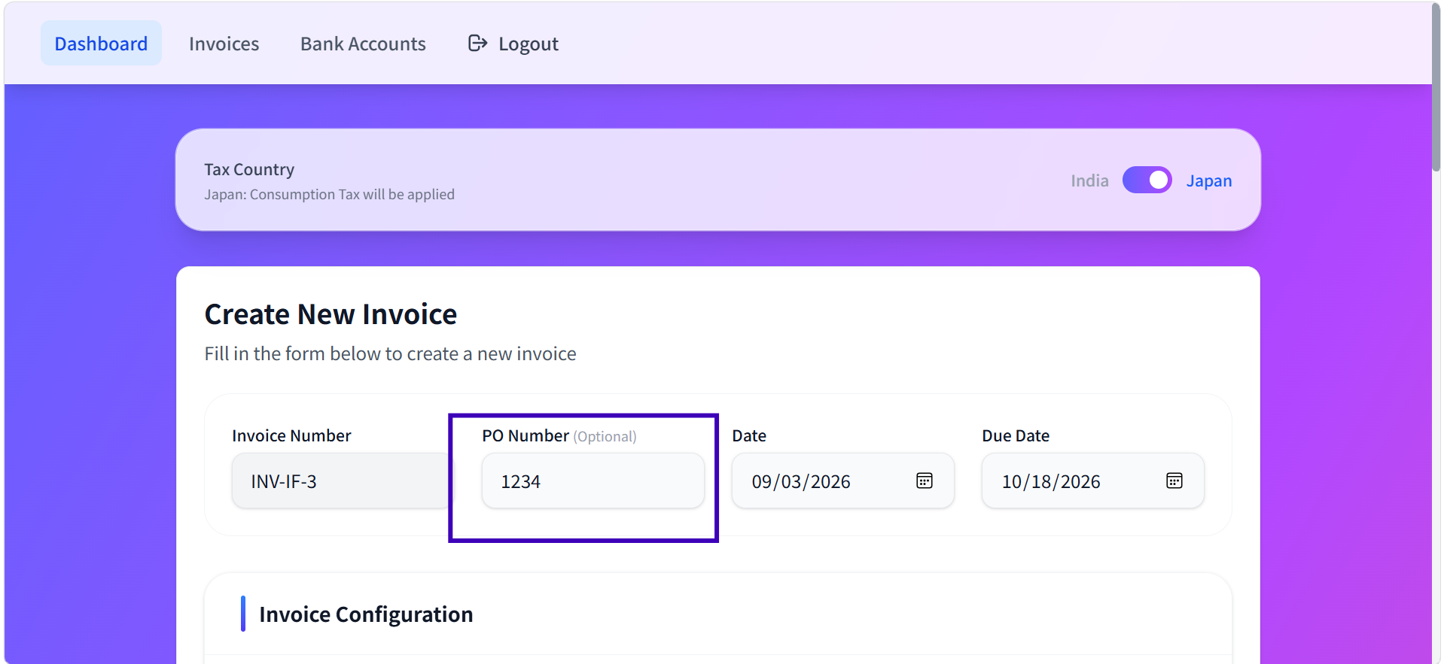

TC-028 | Verify 'PO Number' rejects a whitespace-only value | Enter only spaces into 'PO Number' and submit.
 |  | Field accepts the entry; no validation error is shown.

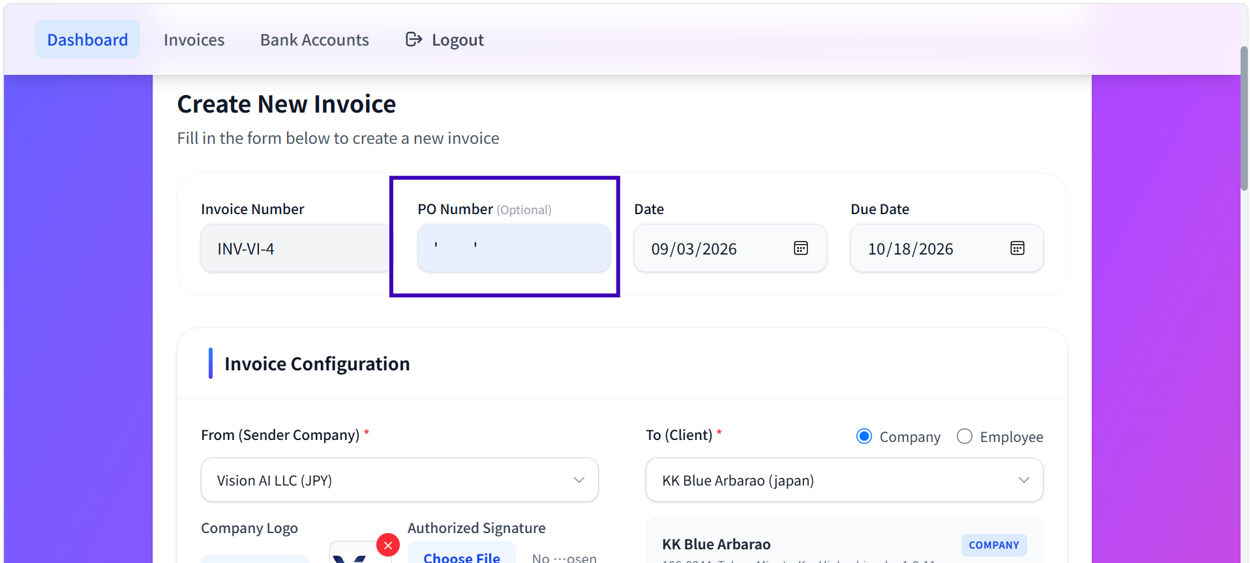

TC-029 | Verify 'PO Number' accepts value at max length (50) | Enter a value of exactly 50 characters into 'PO Number' and submit.
 |  | Value is accepted; no validation error is shown.


TC-030 | Verify 'PO Number' rejects/truncates value exceeding max length (50) | Enter a value of 51 characters into 'PO Number' and submit.
 |  | Field either blocks further input at the max length, truncates, or shows a validation error (confirm exact behavior with dev).



 |  | Bug Title: PO Number field accepts more than the maximum allowed length of 50 characters

 |  | Actual Result

 |  | PO Number field accepts and saves a value containing 51 characters without displaying any validation message.

 |  | Expected Result

 |  | PO Number field should allow a maximum of 50 characters only. The system should prevent entry of the 51st character or display an appropriate validation message.

TC-031 | Verify error when mandatory field 'Invoice Date' is left blank | Leave 'Invoice Date' empty and submit/proceed the form.
 |  | Validation error is displayed: "Invoice Date is required"

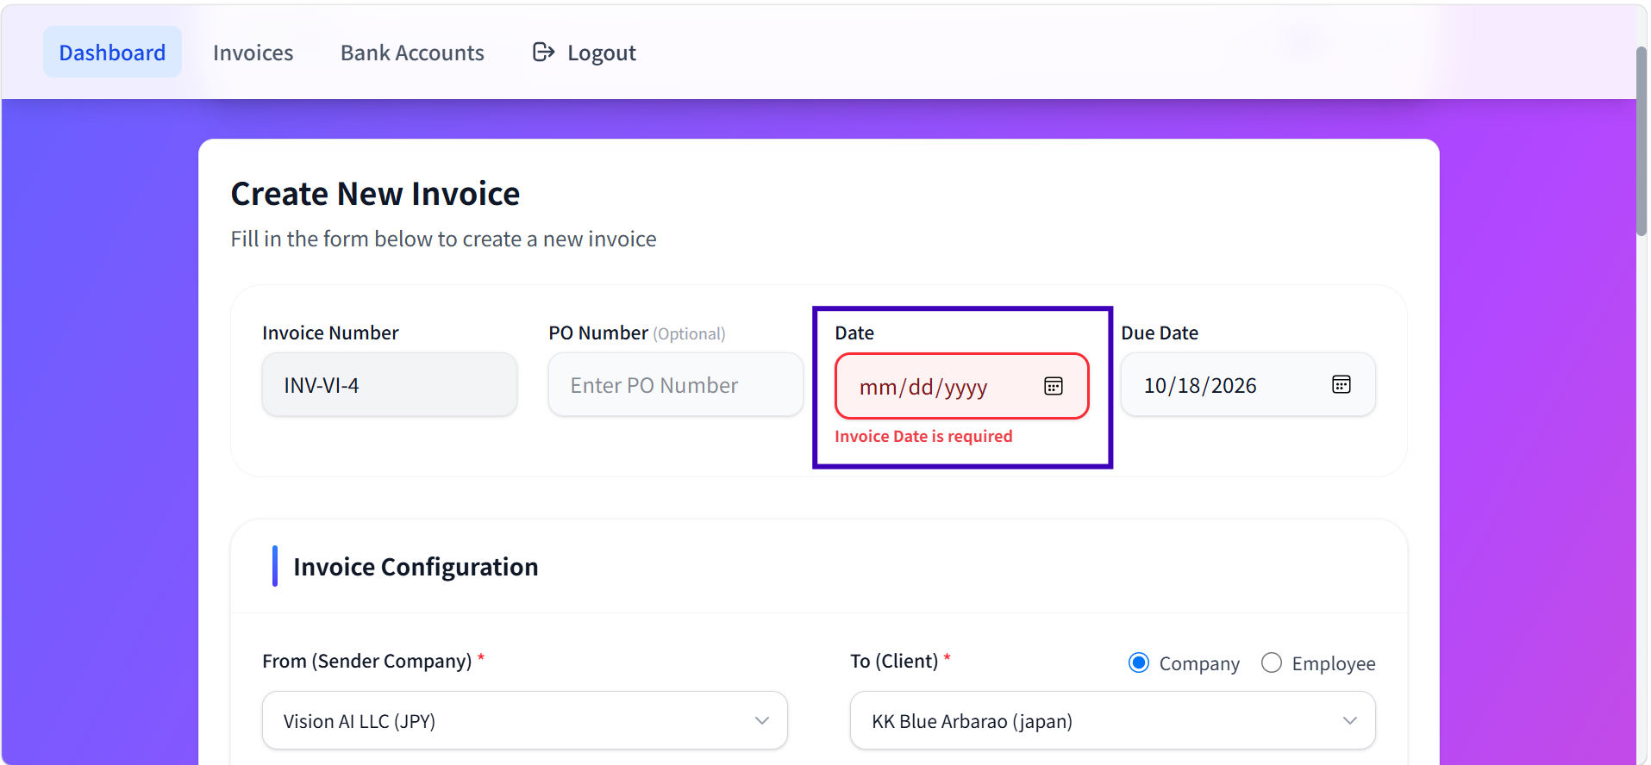

TC-032 | Verify 'Invoice Date' accepts a valid date in YYYY-MM-DD format | Select/enter a valid calendar date into 'Invoice Date' and submit.

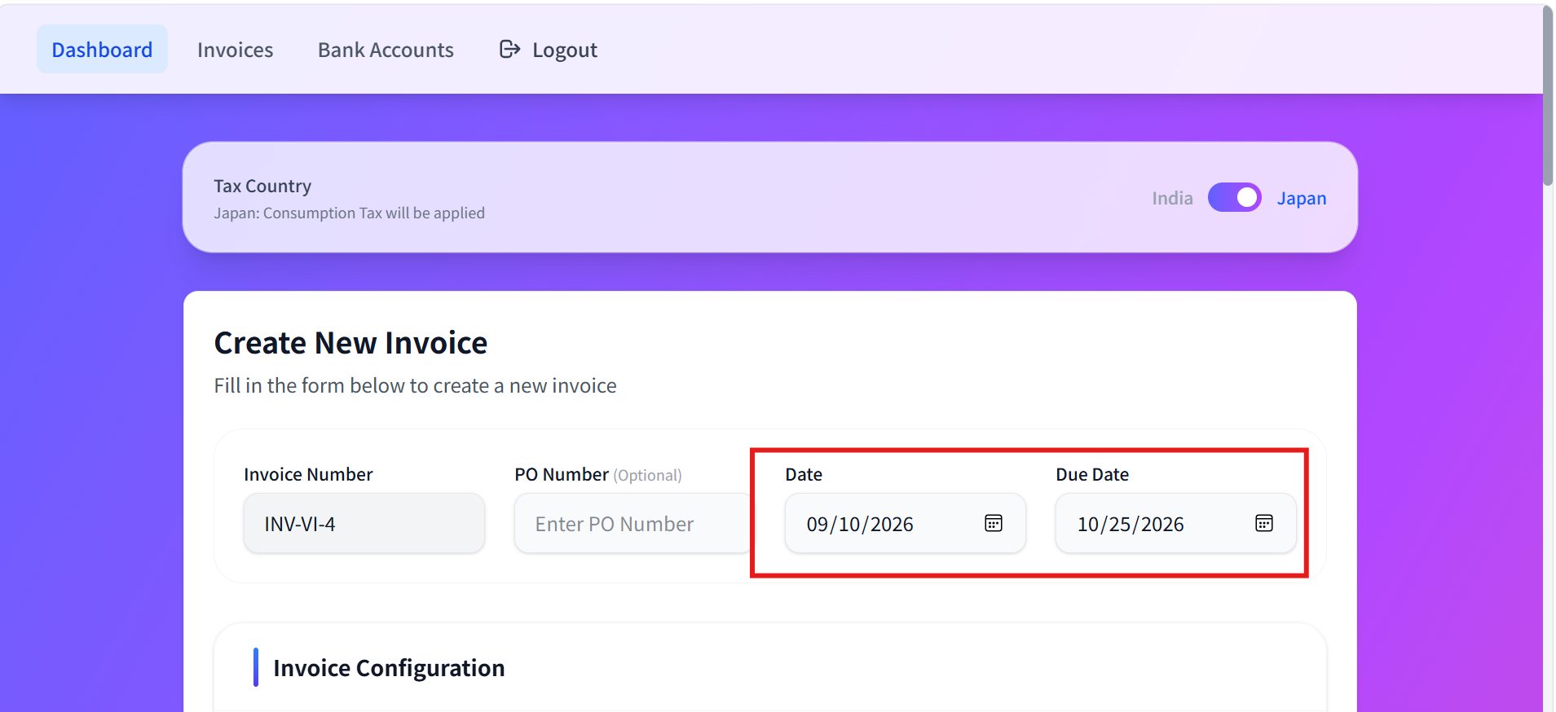

 |  | Bug Title:
 |  | Invoice Date is displayed in MM/DD/YYYY format instead of YYYY-MM-DD format

 |  | Actual Result:
 |  | The Date field displays the date as 09/10/2026 (MM/DD/YYYY) and the Due Date field displays 10/25/2026 (MM/DD/YYYY).

 |  | Expected Result:
 |  | The Date and Due Date fields should display dates in the required YYYY-MM-DD format, for example:

 |  | Date: 2026-09-10
 |  | Due Date: 2026-10-25

TC-034 | Verify 'Invoice Date' rejects an invalid calendar date | Enter a non-existent date into 'Invoice Date' and submit.
 |  | Validation error is displayed: "Invoice Date is required"

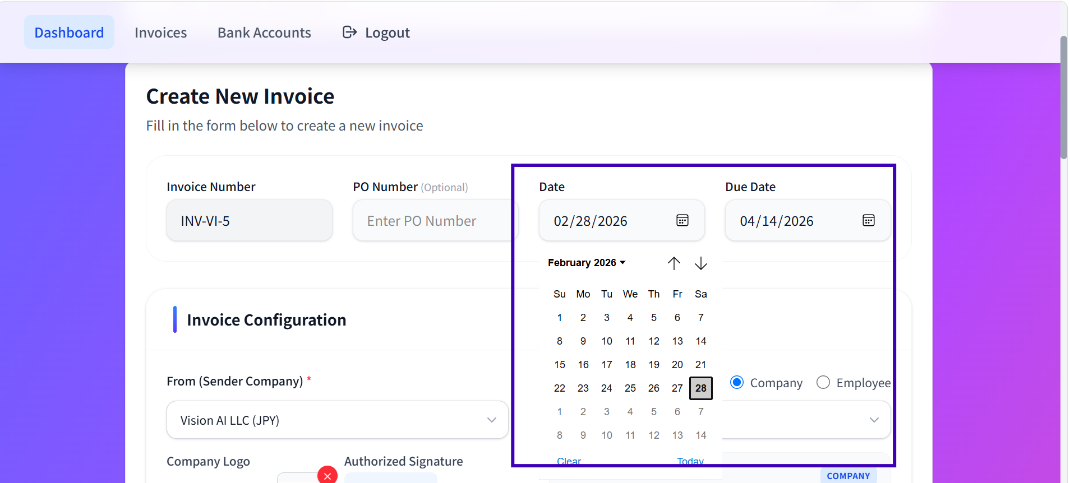

TC-035 | Verify error when mandatory field 'Due Date' is left blank | Leave 'Due Date' empty and submit/proceed the form.
 |  | Validation error is displayed: "Due Date is required"

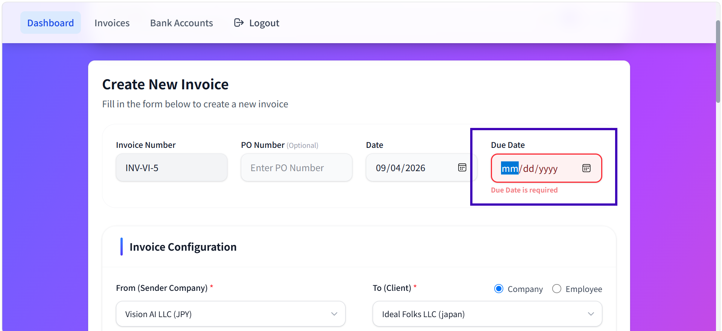

TC-038 | Verify 'Due Date' rejects an invalid calendar date | Enter a non-existent date into 'Due Date' and submit.
 |  | Validation error is displayed: "Due Date is required"
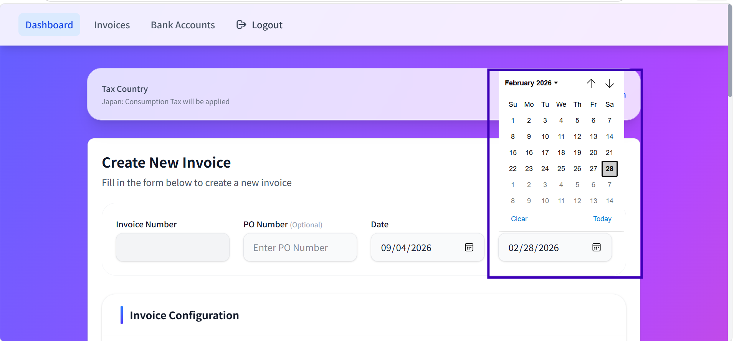

TC-039 | Verify 'Due Date' cannot be earlier than Invoice Date | Set Invoice Date, then set 'Due Date' to a date before it, and submit.
 |  | Field shows a validation error preventing a Due Date earlier than the Invoice Date (confirm exact behavior with dev).

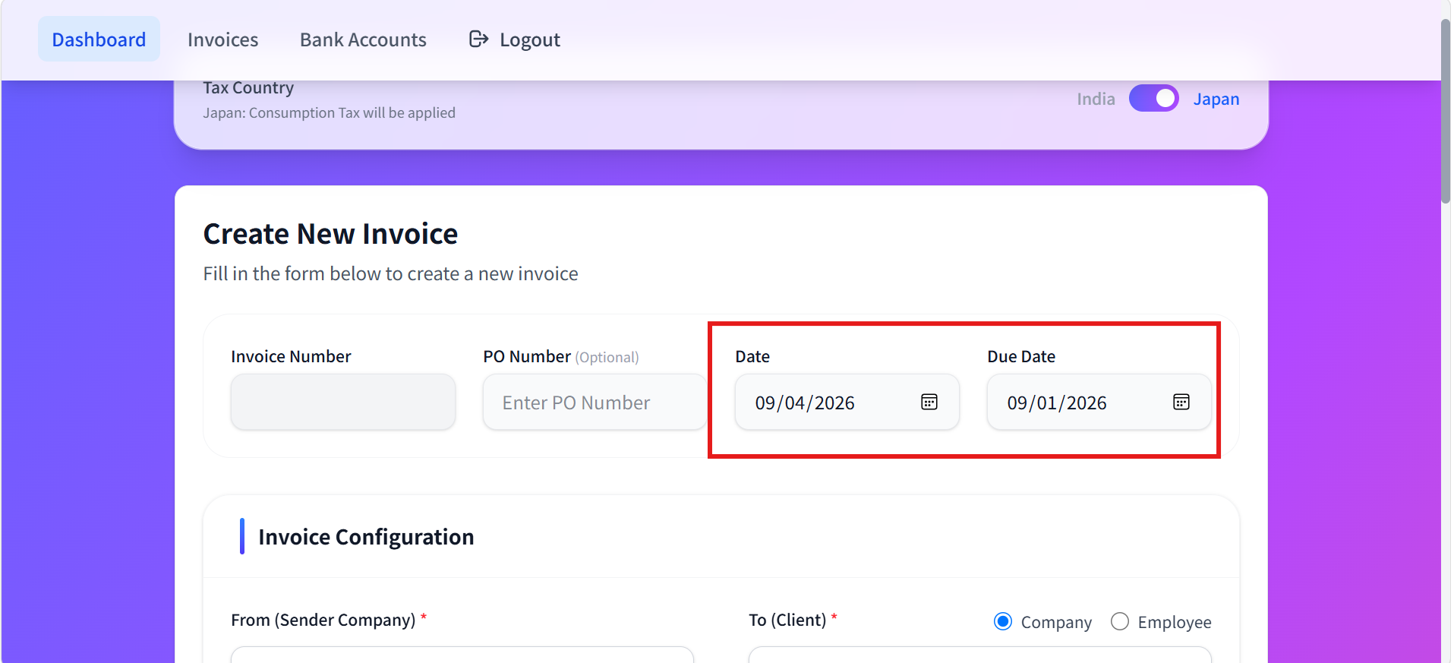

 |  | Bug Title: System allows Due Date earlier than Invoice Date

 |  | Actual Result:
 |  | The system allows the invoice to be created with Invoice Date 2026-09-04 and Due Date 2026-09-01

 |  | Expected Result:
 |  | The system should not allow invoice creation when the Due Date is earlier than the Invoice Date. The system should prevent submission and display an appropriate validation message.

