Monthly Class Attendance
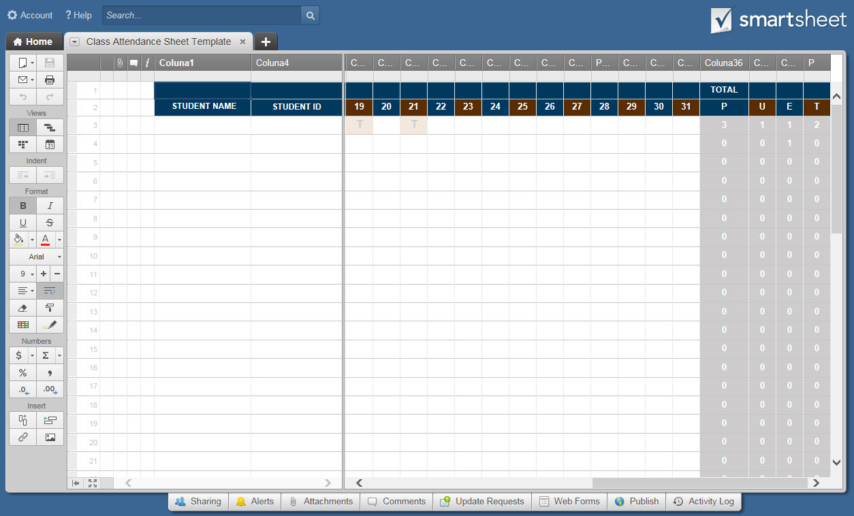
MONTHLY CLASS ATTENDANCE SHEET

SCHOOL NAME |  |  | COURSE TITLE |  |  |  |  |  |  |  |  |  |  |  |  | TIME / CLASS PERIOD |  |  |  |  |  |  |  |  |  |  |  |  | KEY
 |  |  |  |  |  |  |  |  |  |  |  |  |  |  |  |  |  |  |  |  |  |  |  |  |  |  |  |  | PRESENT |  |  |  |  |  |  | P
 |  |  |  |  |  |  |  |  |  |  |  |  |  |  |  |  |  |  |  |  |  |  |  |  |  |  |  |  | UNEXCUSED ABSENCE |  |  |  |  |  |  | U
PROFESSOR NAME |  |  | LOCATION |  |  |  |  |  |  |  |  |  |  |  |  | SEMESTER |  |  |  | MONTH |  |  |  |  | YEAR |  |  |  | EXCUSED ABSENCE |  |  |  |  |  |  | E
 |  |  |  |  |  |  |  |  |  |  |  |  |  |  |  |  |  |  |  |  |  |  |  |  |  |  |  |  | TARDY |  |  |  |  |  |  | T

STUDENT NAME | STUDENT ID | DATE |  |  |  |  |  |  |  |  |  |  |  |  |  |  |  |  |  |  |  |  |  |  |  |  |  |  |  |  |  |  | TOTAL
 |  | 1 | 2 | 3 | 4 | 5 | 6 | 7 | 8 | 9 | 10 | 11 | 12 | 13 | 14 | 15 | 16 | 17 | 18 | 19 | 20 | 21 | 22 | 23 | 24 | 25 | 26 | 27 | 28 | 29 | 30 | 31 | P | U | E | T
 |  | P |  | P |  |  |  |  | E |  | P |  |  | U |  |  |  |  |  | T |  | T |  |  |  |  |  |  |  |  |  |  | 3 | 1 | 1 | 2
 |  |  |  |  |  |  |  |  |  |  |  |  |  |  |  |  |  |  |  |  |  |  |  |  |  |  |  |  |  |  |  |  | 0 | 0 | 0 | 0
 |  |  |  |  |  |  |  |  |  |  |  |  |  |  |  |  |  |  |  |  |  |  |  |  |  |  |  |  |  |  |  |  | 0 | 0 | 0 | 0
 |  |  |  |  |  |  |  |  |  |  |  |  |  |  |  |  |  |  |  |  |  |  |  |  |  |  |  |  |  |  |  |  | 0 | 0 | 0 | 0
 |  |  |  |  |  |  |  |  |  |  |  |  |  |  |  |  |  |  |  |  |  |  |  |  |  |  |  |  |  |  |  |  | 0 | 0 | 0 | 0
 |  |  |  |  |  |  |  |  |  |  |  |  |  |  |  |  |  |  |  |  |  |  |  |  |  |  |  |  |  |  |  |  | 0 | 0 | 0 | 0
 |  |  |  |  |  |  |  |  |  |  |  |  |  |  |  |  |  |  |  |  |  |  |  |  |  |  |  |  |  |  |  |  | 0 | 0 | 0 | 0
 |  |  |  |  |  |  |  |  |  |  |  |  |  |  |  |  |  |  |  |  |  |  |  |  |  |  |  |  |  |  |  |  | 0 | 0 | 0 | 0
 |  |  |  |  |  |  |  |  |  |  |  |  |  |  |  |  |  |  |  |  |  |  |  |  |  |  |  |  |  |  |  |  | 0 | 0 | 0 | 0
 |  |  |  |  |  |  |  |  |  |  |  |  |  |  |  |  |  |  |  |  |  |  |  |  |  |  |  |  |  |  |  |  | 0 | 0 | 0 | 0
 |  |  |  |  |  |  |  |  |  |  |  |  |  |  |  |  |  |  |  |  |  |  |  |  |  |  |  |  |  |  |  |  | 0 | 0 | 0 | 0
 |  |  |  |  |  |  |  |  |  |  |  |  |  |  |  |  |  |  |  |  |  |  |  |  |  |  |  |  |  |  |  |  | 0 | 0 | 0 | 0
 |  |  |  |  |  |  |  |  |  |  |  |  |  |  |  |  |  |  |  |  |  |  |  |  |  |  |  |  |  |  |  |  | 0 | 0 | 0 | 0
 |  |  |  |  |  |  |  |  |  |  |  |  |  |  |  |  |  |  |  |  |  |  |  |  |  |  |  |  |  |  |  |  | 0 | 0 | 0 | 0
 |  |  |  |  |  |  |  |  |  |  |  |  |  |  |  |  |  |  |  |  |  |  |  |  |  |  |  |  |  |  |  |  | 0 | 0 | 0 | 0
 |  |  |  |  |  |  |  |  |  |  |  |  |  |  |  |  |  |  |  |  |  |  |  |  |  |  |  |  |  |  |  |  | 0 | 0 | 0 | 0
 |  |  |  |  |  |  |  |  |  |  |  |  |  |  |  |  |  |  |  |  |  |  |  |  |  |  |  |  |  |  |  |  | 0 | 0 | 0 | 0
 |  |  |  |  |  |  |  |  |  |  |  |  |  |  |  |  |  |  |  |  |  |  |  |  |  |  |  |  |  |  |  |  | 0 | 0 | 0 | 0
 |  |  |  |  |  |  |  |  |  |  |  |  |  |  |  |  |  |  |  |  |  |  |  |  |  |  |  |  |  |  |  |  | 0 | 0 | 0 | 0
 |  |  |  |  |  |  |  |  |  |  |  |  |  |  |  |  |  |  |  |  |  |  |  |  |  |  |  |  |  |  |  |  | 0 | 0 | 0 | 0
 |  |  |  |  |  |  |  |  |  |  |  |  |  |  |  |  |  |  |  |  |  |  |  |  |  |  |  |  |  |  |  |  | 0 | 0 | 0 | 0
 |  |  |  |  |  |  |  |  |  |  |  |  |  |  |  |  |  |  |  |  |  |  |  |  |  |  |  |  |  |  |  |  | 0 | 0 | 0 | 0
 |  |  |  |  |  |  |  |  |  |  |  |  |  |  |  |  |  |  |  |  |  |  |  |  |  |  |  |  |  |  |  |  | 0 | 0 | 0 | 0
 |  |  |  |  |  |  |  |  |  |  |  |  |  |  |  |  |  |  |  |  |  |  |  |  |  |  |  |  |  |  |  |  | 0 | 0 | 0 | 0
 |  |  |  |  |  |  |  |  |  |  |  |  |  |  |  |  |  |  |  |  |  |  |  |  |  |  |  |  |  |  |  |  | 0 | 0 | 0 | 0
 |  |  |  |  |  |  |  |  |  |  |  |  |  |  |  |  |  |  |  |  |  |  |  |  |  |  |  |  |  |  |  |  | 0 | 0 | 0 | 0
 |  |  |  |  |  |  |  |  |  |  |  |  |  |  |  |  |  |  |  |  |  |  |  |  |  |  |  |  |  |  |  |  | 0 | 0 | 0 | 0
 |  |  |  |  |  |  |  |  |  |  |  |  |  |  |  |  |  |  |  |  |  |  |  |  |  |  |  |  |  |  |  |  | 0 | 0 | 0 | 0
 |  |  |  |  |  |  |  |  |  |  |  |  |  |  |  |  |  |  |  |  |  |  |  |  |  |  |  |  |  |  |  |  | 0 | 0 | 0 | 0
 |  |  |  |  |  |  |  |  |  |  |  |  |  |  |  |  |  |  |  |  |  |  |  |  |  |  |  |  |  |  |  |  | 0 | 0 | 0 | 0
 |  |  |  |  |  |  |  |  |  |  |  |  |  |  |  |  |  |  |  |  |  |  |  |  |  |  |  |  |  |  |  |  | 0 | 0 | 0 | 0
 |  |  |  |  |  |  |  |  |  |  |  |  |  |  |  |  |  |  |  |  |  |  |  |  |  |  |  |  |  |  |  |  | 0 | 0 | 0 | 0
 |  |  |  |  |  |  |  |  |  |  |  |  |  |  |  |  |  |  |  |  |  |  |  |  |  |  |  |  |  |  |  |  | 0 | 0 | 0 | 0
 |  |  |  |  |  |  |  |  |  |  |  |  |  |  |  |  |  |  |  |  |  |  |  |  |  |  |  |  |  |  |  |  | 0 | 0 | 0 | 0
 |  |  |  |  |  |  |  |  |  |  |  |  |  |  |  |  |  |  |  |  |  |  |  |  |  |  |  |  |  |  |  |  | 0 | 0 | 0 | 0
 |  |  |  |  |  |  |  |  |  |  |  |  |  |  |  |  |  |  |  |  |  |  |  |  |  |  |  |  |  |  |  |  | 0 | 0 | 0 | 0
 |  |  |  |  |  |  |  |  |  |  |  |  |  |  |  |  |  |  |  |  |  |  |  |  |  |  |  |  |  |  |  |  | 0 | 0 | 0 | 0
 |  |  |  |  |  |  |  |  |  |  |  |  |  |  |  |  |  |  |  |  |  |  |  |  |  |  |  |  |  |  |  |  | 0 | 0 | 0 | 0
 |  |  |  |  |  |  |  |  |  |  |  |  |  |  |  |  |  |  |  |  |  |  |  |  |  |  |  |  |  |  |  |  | 0 | 0 | 0 | 0
 |  |  |  |  |  |  |  |  |  |  |  |  |  |  |  |  |  |  |  |  |  |  |  |  |  |  |  |  |  |  |  |  | 0 | 0 | 0 | 0

CLICK HERE TO CREATE MONTHLY CLASS ATTENDANCE SHEET TEMPLATES IN SMARTSHEET

